Affinity 1
Affinity 1

Data grouping | Serial

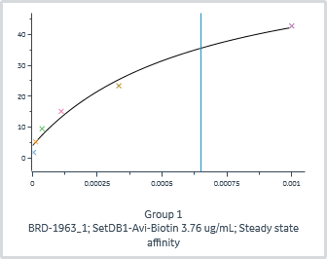
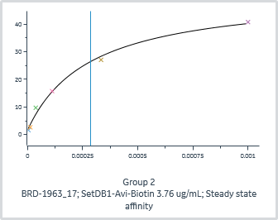
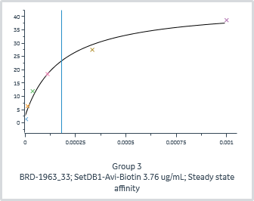
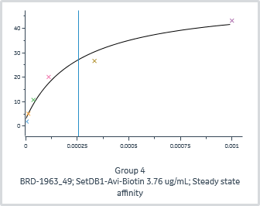
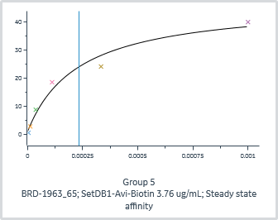
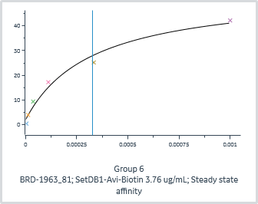
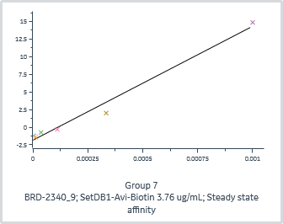
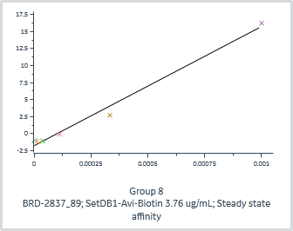
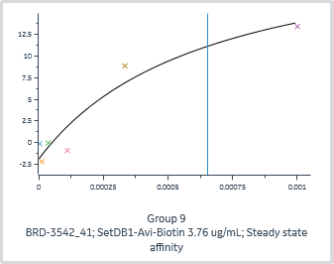
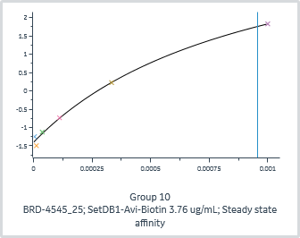
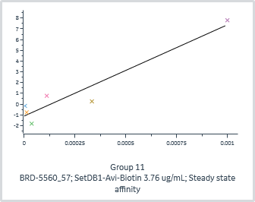
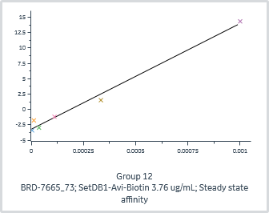
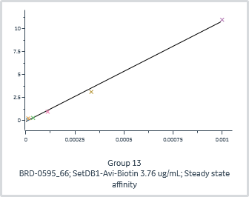
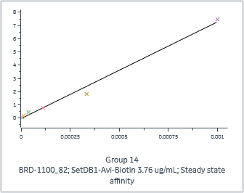
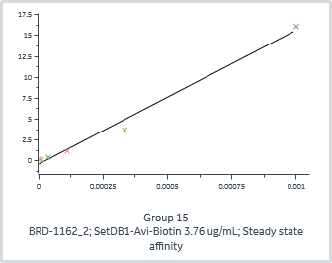
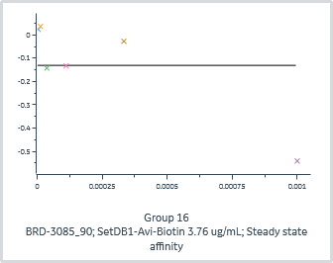
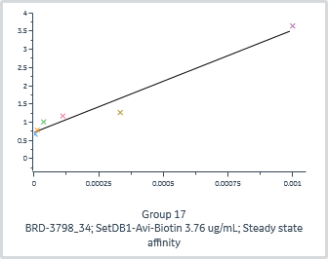
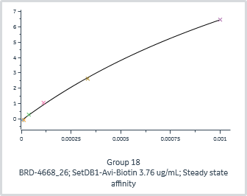
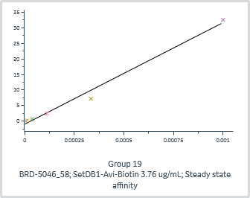
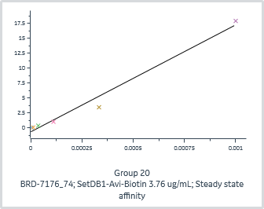
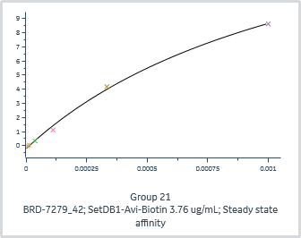
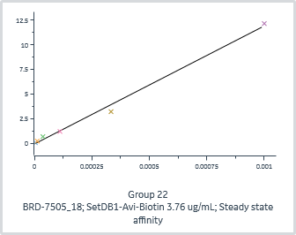
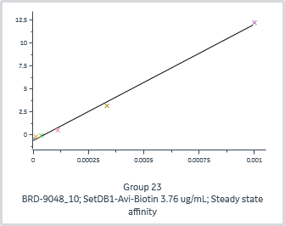
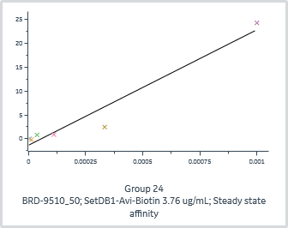
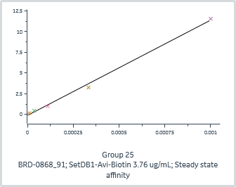

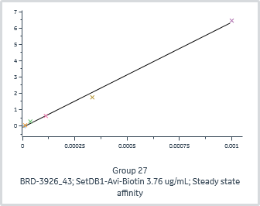
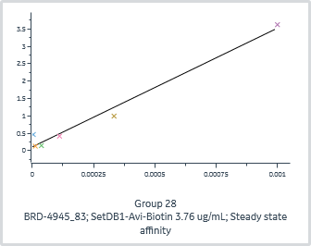
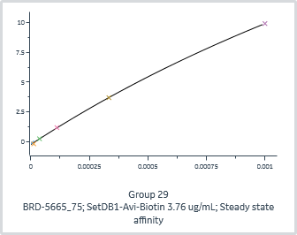
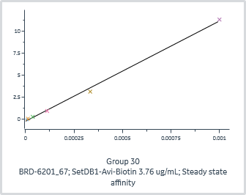
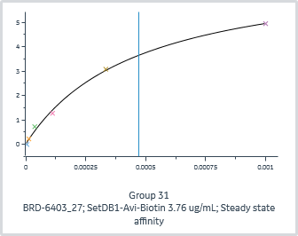
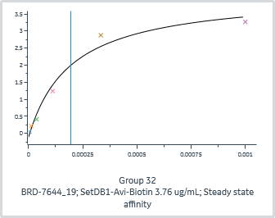
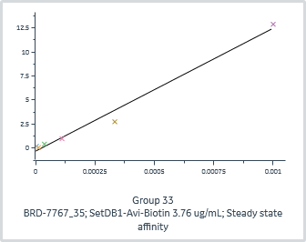
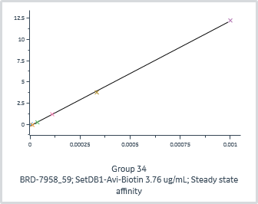
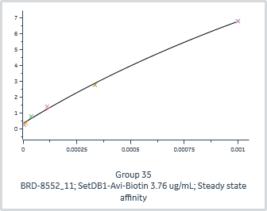
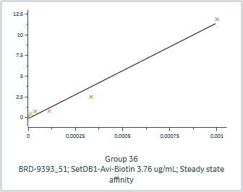
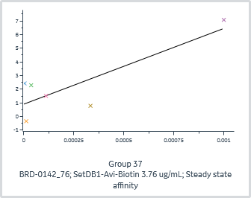
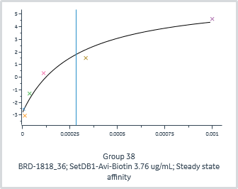
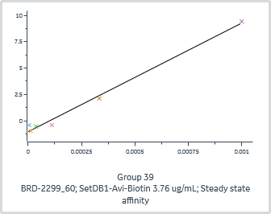
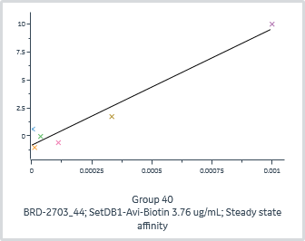
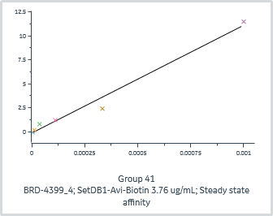
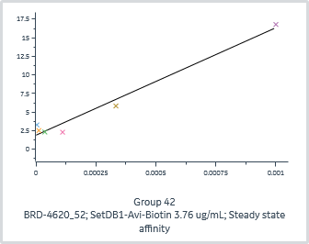

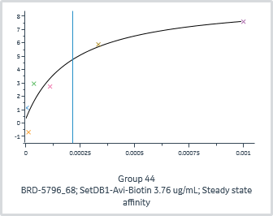
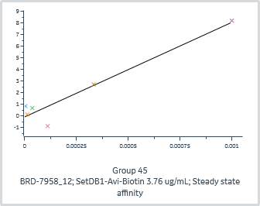
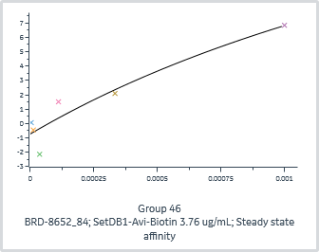
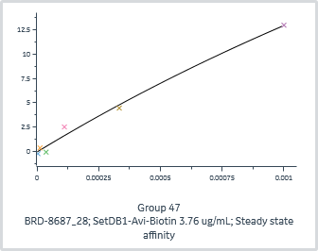
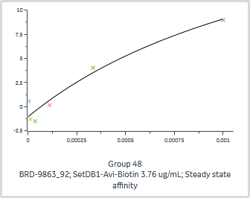
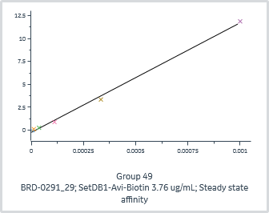
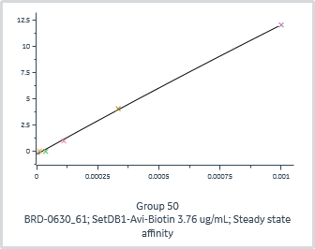
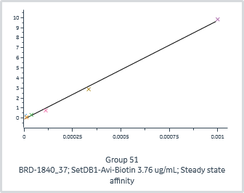
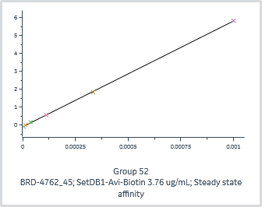















































 | General |  |  |  | Quality | Injection variables | Steady state affinity
Group | Channel | Run | Immobilized ligand | Accepted | Affinity Chi² (RU²) | Analyte 1 Solution | KD (M) | Rmax (RU)
1 | 1 | 1 | SetDB1-Avi-Biotin 3.76 ug/mL |  | 6.26E+00 | BRD-1963_1 | 6.49E-04 | 62.7
2 | 1 | 1 | SetDB1-Avi-Biotin 3.76 ug/mL |  | 3.12E+00 | BRD-1963_17 | 2.85E-04 | 49.5
3 | 1 | 1 | SetDB1-Avi-Biotin 3.76 ug/mL |  | 5.17E+00 | BRD-1963_33 | 1.80E-04 | 41.1
4 | 1 | 1 | SetDB1-Avi-Biotin 3.76 ug/mL |  | 9.57E+00 | BRD-1963_49 | 2.58E-04 | 48.7
5 | 1 | 1 | SetDB1-Avi-Biotin 3.76 ug/mL |  | 9.80E+00 | BRD-1963_65 | 2.33E-04 | 46.0
6 | 1 | 1 | SetDB1-Avi-Biotin 3.76 ug/mL |  | 7.82E+00 | BRD-1963_81 | 3.29E-04 | 51.8
7 | 1 | 1 | SetDB1-Avi-Biotin 3.76 ug/mL |  | 1.11E+00 | BRD-2340_9 | 3.47E+01 | 561030.5
8 | 1 | 1 | SetDB1-Avi-Biotin 3.76 ug/mL |  | 9.63E-01 | BRD-2837_89 | 7.80E+01 | 1367136.0
9 | 1 | 1 | SetDB1-Avi-Biotin 3.76 ug/mL |  | 5.10E+00 | BRD-3542_41 | 6.53E-04 | 26.1
10 | 1 | 1 | SetDB1-Avi-Biotin 3.76 ug/mL |  | 1.60E-02 | BRD-4545_25 | 9.57E-04 | 6.3
11 | 1 | 1 | SetDB1-Avi-Biotin 3.76 ug/mL |  | 1.71E+00 | BRD-5560_57 | 1.24E+02 | 1053125.3
12 | 1 | 1 | SetDB1-Avi-Biotin 3.76 ug/mL |  | 9.52E-01 | BRD-7665_73 | 6.50E+01 | 1119470.7
13 | 2 | 1 | SetDB1-Avi-Biotin 3.76 ug/mL |  | 1.08E-01 | BRD-0595_66 | 8.67E+01 | 946393.1
14 | 2 | 1 | SetDB1-Avi-Biotin 3.76 ug/mL |  | 1.45E-01 | BRD-1100_82 | 5.32E+01 | 388798.0
15 | 2 | 1 | SetDB1-Avi-Biotin 3.76 ug/mL |  | 7.71E-01 | BRD-1162_2 | 6.76E+01 | 1084722.8
16 | 2 | 1 | SetDB1-Avi-Biotin 3.76 ug/mL |  | 7.73E-02 | BRD-3085_90 | 3.76E-02 | 0.0
17 | 2 | 1 | SetDB1-Avi-Biotin 3.76 ug/mL |  | 7.44E-02 | BRD-3798_34 | 1.43E+01 | 40191.3
18 | 2 | 1 | SetDB1-Avi-Biotin 3.76 ug/mL |  | 1.00E-02 | BRD-4668_26 | 2.08E-03 | 20.2
19 | 2 | 1 | SetDB1-Avi-Biotin 3.76 ug/mL |  | 3.18E+00 | BRD-5046_58 | 3.25E+01 | 1058677.5
20 | 2 | 1 | SetDB1-Avi-Biotin 3.76 ug/mL |  | 1.59E+00 | BRD-7176_74 | 1.29E+01 | 231305.3
21 | 2 | 1 | SetDB1-Avi-Biotin 3.76 ug/mL |  | 5.28E-02 | BRD-7279_42 | 1.25E-03 | 20.0
22 | 2 | 1 | SetDB1-Avi-Biotin 3.76 ug/mL |  | 2.30E-01 | BRD-7505_18 | 6.71E+01 | 801803.8
23 | 2 | 1 | SetDB1-Avi-Biotin 3.76 ug/mL |  | 1.35E-01 | BRD-9048_10 | 1.20E+01 | 152235.6
24 | 2 | 1 | SetDB1-Avi-Biotin 3.76 ug/mL |  | 8.16E+00 | BRD-9510_50 | 1.10E+01 | 265791.5
25 | 3 | 1 | SetDB1-Avi-Biotin 3.76 ug/mL |  | 1.17E-01 | BRD-0868_91 | 2.58E+01 | 296684.8
26 | 3 | 1 | SetDB1-Avi-Biotin 3.76 ug/mL |  | 1.65E+00 | BRD-2309_3 | 1.32E+01 | 240890.3
27 | 3 | 1 | SetDB1-Avi-Biotin 3.76 ug/mL |  | 4.13E-02 | BRD-3926_43 | 1.26E+02 | 810251.3
28 | 3 | 1 | SetDB1-Avi-Biotin 3.76 ug/mL |  | 6.81E-02 | BRD-4945_83 | 1.52E+01 | 51909.4
29 | 3 | 1 | SetDB1-Avi-Biotin 3.76 ug/mL |  | 6.37E-03 | BRD-5665_75 | 3.71E-03 | 47.8
30 | 3 | 1 | SetDB1-Avi-Biotin 3.76 ug/mL |  | 9.40E-02 | BRD-6201_67 | 3.49E+01 | 398784.1
31 | 3 | 1 | SetDB1-Avi-Biotin 3.76 ug/mL |  | 1.97E-02 | BRD-6403_27 | 4.71E-04 | 7.3
32 | 3 | 1 | SetDB1-Avi-Biotin 3.76 ug/mL |  | 6.52E-02 | BRD-7644_19 | 1.95E-04 | 4.2
33 | 3 | 1 | SetDB1-Avi-Biotin 3.76 ug/mL |  | 6.53E-01 | BRD-7767_35 | 6.17E+01 | 788385.5
34 | 3 | 1 | SetDB1-Avi-Biotin 3.76 ug/mL |  | 1.90E-02 | BRD-7958_59 | 3.61E+01 | 448103.1
35 | 3 | 1 | SetDB1-Avi-Biotin 3.76 ug/mL |  | 2.59E-02 | BRD-8552_11 | 3.43E-03 | 28.4
36 | 3 | 1 | SetDB1-Avi-Biotin 3.76 ug/mL |  | 7.77E-01 | BRD-9393_51 | 6.10E+01 | 705897.4
37 | 4 | 1 | SetDB1-Avi-Biotin 3.76 ug/mL |  | 3.21E+00 | BRD-0142_76 | 1.66E+02 | 921216.6
38 | 4 | 1 | SetDB1-Avi-Biotin 3.76 ug/mL |  | 4.62E-01 | BRD-1818_36 | 2.82E-04 | 9.2
39 | 4 | 1 | SetDB1-Avi-Biotin 3.76 ug/mL |  | 2.39E-01 | BRD-2299_60 | 2.07E+01 | 214175.8
40 | 4 | 1 | SetDB1-Avi-Biotin 3.76 ug/mL |  | 1.37E+00 | BRD-2703_44 | 1.09E+01 | 113965.1
41 | 4 | 1 | SetDB1-Avi-Biotin 3.76 ug/mL |  | 6.23E-01 | BRD-4399_4 | 3.67E+01 | 412400.2
42 | 4 | 1 | SetDB1-Avi-Biotin 3.76 ug/mL |  | 1.47E+00 | BRD-4620_52 | 2.68E+01 | 387534.3
43 | 4 | 1 | SetDB1-Avi-Biotin 3.76 ug/mL |  | 1.20E-01 | BRD-4839_20 | 4.23E+01 | 412435.6
44 | 4 | 1 | SetDB1-Avi-Biotin 3.76 ug/mL |  | 1.60E+00 | BRD-5796_68 | 2.15E-04 | 8.9
45 | 4 | 1 | SetDB1-Avi-Biotin 3.76 ug/mL |  | 1.30E+00 | BRD-7958_12 | 1.45E+01 | 117793.3
46 | 4 | 1 | SetDB1-Avi-Biotin 3.76 ug/mL |  | 1.71E+00 | BRD-8652_84 | 2.63E-03 | 27.4
47 | 4 | 1 | SetDB1-Avi-Biotin 3.76 ug/mL |  | 4.52E-01 | BRD-8687_28 | 5.29E-03 | 81.9
48 | 4 | 1 | SetDB1-Avi-Biotin 3.76 ug/mL |  | 1.42E+00 | BRD-9863_92 | 1.55E-03 | 25.9
49 | 5 | 1 | SetDB1-Avi-Biotin 3.76 ug/mL |  | 1.00E-01 | BRD-0291_29 | 3.09E+01 | 370106.9
50 | 5 | 1 | SetDB1-Avi-Biotin 3.76 ug/mL |  | 4.04E-02 | BRD-0630_61 | 1.98E-02 | 257.8
51 | 5 | 1 | SetDB1-Avi-Biotin 3.76 ug/mL |  | 8.30E-02 | BRD-1840_37 | 3.51E+01 | 344062.8
52 | 5 | 1 | SetDB1-Avi-Biotin 3.76 ug/mL |  | 1.41E-03 | BRD-4762_45 | 1.76E+01 | 104014.2
53 | 5 | 1 | SetDB1-Avi-Biotin 3.76 ug/mL |  | 4.07E-01 | BRD-5049_93 | 3.08E+01 | 759698.6
54 | 5 | 1 | SetDB1-Avi-Biotin 3.76 ug/mL |  | 1.06E+01 | BRD-5679_13 | 9.51E-06 | 9.1
55 | 5 | 1 | SetDB1-Avi-Biotin 3.76 ug/mL |  | 8.95E-03 | BRD-7183_53 | 2.94E-04 | 4.9
56 | 5 | 1 | SetDB1-Avi-Biotin 3.76 ug/mL |  | 4.25E-03 | BRD-7281_21 | 9.62E-04 | 4.9
57 | 5 | 1 | SetDB1-Avi-Biotin 3.76 ug/mL |  | 4.62E-01 | BRD-7653_85 | 2.94E+01 | 412792.0
58 | 5 | 1 | SetDB1-Avi-Biotin 3.76 ug/mL |  | 2.21E-01 | BRD-8095_5 | 3.82E+00 | 33036.5
59 | 5 | 1 | SetDB1-Avi-Biotin 3.76 ug/mL |  | 1.37E+00 | BRD-9844_69 | 1.27E+02 | 2638907.9
60 | 5 | 1 | SetDB1-Avi-Biotin 3.76 ug/mL |  | 2.96E-02 | BRD-9983_77 | 1.99E+01 | 98245.5
61 | 6 | 1 | SetDB1-Avi-Biotin 3.76 ug/mL |  | 4.71E-02 | BRD-0336_54 | 2.65E+00 | 6792.5
62 | 6 | 1 | SetDB1-Avi-Biotin 3.76 ug/mL |  | 6.48E-02 | BRD-0457_70 | 5.24E+01 | 295409.1
63 | 6 | 1 | SetDB1-Avi-Biotin 3.76 ug/mL |  | 2.13E-01 | BRD-0698_86 | 2.52E+01 | 194766.4
64 | 6 | 1 | SetDB1-Avi-Biotin 3.76 ug/mL |  | 1.14E+00 | BRD-0717_46 | 4.38E+01 | 780923.1
65 | 6 | 1 | SetDB1-Avi-Biotin 3.76 ug/mL |  | 1.56E-01 | BRD-0899_38 | 3.13E+01 | 333176.2
66 | 6 | 1 | SetDB1-Avi-Biotin 3.76 ug/mL |  | 1.74E-02 | BRD-1158_22 | 1.71E+01 | 56181.7
67 | 6 | 1 | SetDB1-Avi-Biotin 3.76 ug/mL |  | 4.41E-01 | BRD-1879_14 | 3.56E+01 | 408474.9
68 | 6 | 1 | SetDB1-Avi-Biotin 3.76 ug/mL |  | 7.88E-02 | BRD-3336_6 | 2.21E-03 | 0.0
69 | 6 | 1 | SetDB1-Avi-Biotin 3.76 ug/mL |  | 1.81E-02 | BRD-4771_30 | 1.98E+01 | 199741.0
70 | 6 | 1 | SetDB1-Avi-Biotin 3.76 ug/mL |  | 2.96E+00 | BRD-5392_62 | 5.32E+01 | 944923.7
71 | 6 | 1 | SetDB1-Avi-Biotin 3.76 ug/mL |  | 5.07E-03 | BRD-6124_78 | 4.11E-03 | 23.5
72 | 6 | 1 | SetDB1-Avi-Biotin 3.76 ug/mL |  | 3.32E+00 | BRD-9665_94 | 1.14E+02 | 2426479.2
73 | 7 | 1 | SetDB1-Avi-Biotin 3.76 ug/mL |  | 2.84E-01 | BRD-0364_55 | 1.22E+01 | 104529.9
74 | 7 | 1 | SetDB1-Avi-Biotin 3.76 ug/mL |  | 2.90E-01 | BRD-1024_71 | 5.74E+01 | 423419.4
75 | 7 | 1 | SetDB1-Avi-Biotin 3.76 ug/mL |  | 3.38E-02 | BRD-2967_63 | 1.52E+01 | 146381.2
76 | 7 | 1 | SetDB1-Avi-Biotin 3.76 ug/mL |  | 4.36E-02 | BRD-3725_23 | 1.36E+02 | 568305.4
77 | 7 | 1 | SetDB1-Avi-Biotin 3.76 ug/mL |  | 1.87E-01 | BRD-4399_39 | 1.88E+01 | 147552.4
78 | 7 | 1 | SetDB1-Avi-Biotin 3.76 ug/mL |  | 2.70E-01 | BRD-5488_31 | 8.83E+01 | 645045.1
79 | 7 | 1 | SetDB1-Avi-Biotin 3.76 ug/mL |  | 5.44E-03 | BRD-6249_15 | 2.92E+01 | 168089.3
80 | 7 | 1 | SetDB1-Avi-Biotin 3.76 ug/mL |  | 3.55E-01 | BRD-7150_47 | 1.68E+01 | 244485.7
81 | 7 | 1 | SetDB1-Avi-Biotin 3.76 ug/mL |  | 3.25E-02 | BRD-7694_79 | 2.23E+01 | 107382.7
82 | 7 | 1 | SetDB1-Avi-Biotin 3.76 ug/mL |  | 5.30E-01 | BRD-7891_7 | 5.41E+01 | 464775.5
83 | 7 | 1 | SetDB1-Avi-Biotin 3.76 ug/mL |  | 8.72E-01 | BRD-8415_87 | 6.93E+01 | 1509404.0
84 | 7 | 1 | SetDB1-Avi-Biotin 3.76 ug/mL |  | 4.82E-02 | BRD-9521_95 | 1.56E+01 | 133074.8
85 | 8 | 1 | SetDB1-Avi-Biotin 3.76 ug/mL |  | 2.69E-02 | BRD-0000_88 | 8.37E+01 | 193399.7
86 | 8 | 1 | SetDB1-Avi-Biotin 3.76 ug/mL |  | 2.93E-03 | BRD-0000_96 | 2.46E-03 | 11.6
87 | 8 | 1 | SetDB1-Avi-Biotin 3.76 ug/mL |  | 1.08E-01 | BRD-0661_48 | 1.10E+02 | 666265.2
88 | 8 | 1 | SetDB1-Avi-Biotin 3.76 ug/mL |  | 1.70E-01 | BRD-2288_24 | 5.96E+01 | 528016.4
89 | 8 | 1 | SetDB1-Avi-Biotin 3.76 ug/mL |  | 7.70E-02 | BRD-3224_56 | 7.88E+00 | 92531.7
90 | 8 | 1 | SetDB1-Avi-Biotin 3.76 ug/mL |  | 3.57E-02 | BRD-5036_32 | 9.31E+00 | 59691.5
91 | 8 | 1 | SetDB1-Avi-Biotin 3.76 ug/mL |  | 2.06E-01 | BRD-6113_72 | 2.52E+01 | 287771.0
92 | 8 | 1 | SetDB1-Avi-Biotin 3.76 ug/mL |  | 4.71E-02 | BRD-7312_64 | 4.54E+01 | 603309.4
93 | 8 | 1 | SetDB1-Avi-Biotin 3.76 ug/mL |  | 2.53E-02 | BRD-8237_8 | 1.14E+01 | 56153.1
94 | 8 | 1 | SetDB1-Avi-Biotin 3.76 ug/mL |  | 3.50E-02 | BRD-8542_16 | 3.40E+01 | 261902.3
95 | 8 | 1 | SetDB1-Avi-Biotin 3.76 ug/mL |  | 2.35E-03 | BRD-8709_80 | 1.86E-02 | 174.9
96 | 8 | 1 | SetDB1-Avi-Biotin 3.76 ug/mL |  | 1.04E-02 | BRD-9527_40 | 9.88E+00 | 158545.6

