Solvent correction
Solvent correction

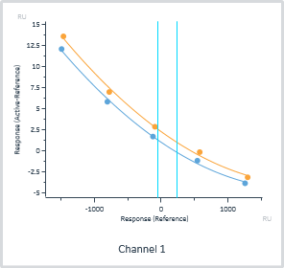
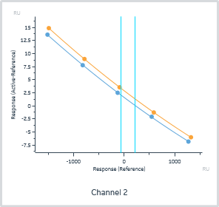
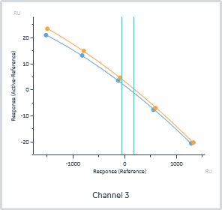
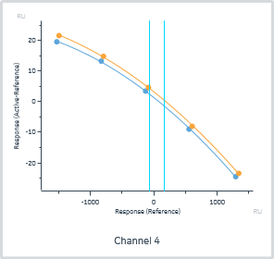
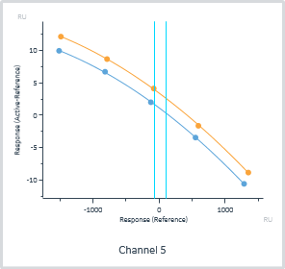
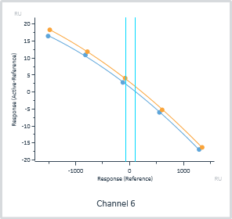
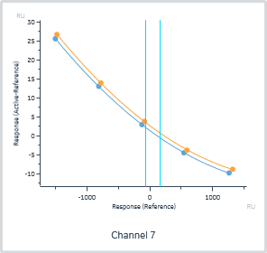
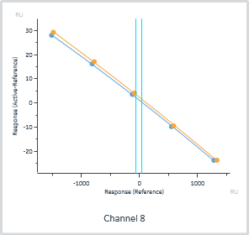

Extrapolation range | 0 | RU

Included | #Excluded | Cycle | Channel | Chi² (RU²) | Y0 (RU) | Immobilization level (RU)
Yes | 0 | 9 | 1 | 1.53E-01 | 1.0 | 2705.4
Yes | 0 | 34 | 1 | 2.55E-01 | 2.3 | 2705.4
Yes | 0 | 9 | 2 | 7.67E-03 | 1.6 | 2635.9
Yes | 0 | 34 | 2 | 2.43E-04 | 2.9 | 2635.9
Yes | 0 | 9 | 3 | 6.45E-02 | 1.6 | 2988.4
Yes | 0 | 34 | 3 | 5.29E-02 | 3.2 | 2988.4
Yes | 0 | 9 | 4 | 1.17E-01 | 1.4 | 2559.0
Yes | 0 | 34 | 4 | 1.23E-01 | 3.2 | 2559.0
Yes | 0 | 9 | 5 | 1.11E-02 | 1.1 | 2786.8
Yes | 0 | 34 | 5 | 1.50E-02 | 3.4 | 2786.8
Yes | 0 | 9 | 6 | 1.04E-01 | 1.5 | 3154.3
Yes | 0 | 34 | 6 | 2.59E-02 | 3.0 | 3154.3
Yes | 0 | 9 | 7 | 2.80E-03 | 1.4 | 2548.2
Yes | 0 | 34 | 7 | 1.51E-02 | 2.7 | 2548.2
Yes | 0 | 9 | 8 | 1.17E-01 | 1.1 | 2703.1
Yes | 0 | 34 | 8 | 1.90E-01 | 2.3 | 2703.1

QC - Sensorgram
QC - Sensorgram

Data group | Channel

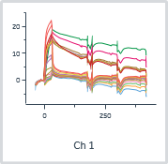
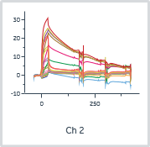
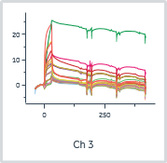
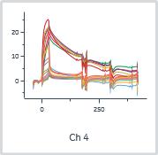
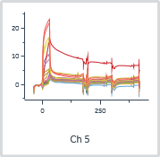
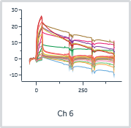
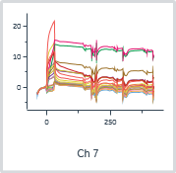
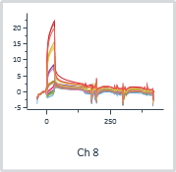

 |  |  |  |  |  |  | Analyte 1 | Analyte 1 | Analyte binding late_1 | Analyte 1
Cycle | Channel | Sensorgram type | Analysis step purpose | Analysis step name | Excluded | Curve markers | Solution | Concentration (µM) | Relative (RU) | Control type
10 | 1 | Corrected | Analysis | Analysis |  |  | BRD-6011_1 | 0 | 0.9 | Not a control
11 | 1 | Corrected | Analysis | Analysis |  |  | BRD-6011_1 | 0 | 1.8 | Not a control
12 | 1 | Corrected | Analysis | Analysis |  |  | BRD-6011_1 | 0.123456791 | 1.4 | Not a control
13 | 1 | Corrected | Analysis | Analysis |  |  | BRD-6011_1 | 0.370370358 | 2.4 | Not a control
14 | 1 | Corrected | Analysis | Analysis |  |  | BRD-6011_1 | 1.11111116 | 4.8 | Not a control
15 | 1 | Corrected | Analysis | Analysis |  |  | BRD-6011_1 | 3.33333325 | 9.3 | Not a control
16 | 1 | Corrected | Analysis | Analysis |  |  | BRD-6011_1 | 10 | 15.5 | Not a control
17 | 1 | Corrected | Analysis | Analysis |  |  | BRD-6011_1 | 30 | 21.8 | Not a control
18 | 1 | Corrected | Analysis | Analysis |  |  | BRD-1116_9 | 0 | 0.6 | Not a control
19 | 1 | Corrected | Analysis | Analysis |  |  | BRD-1116_9 | 0 | 0.3 | Not a control
20 | 1 | Corrected | Analysis | Analysis |  |  | BRD-1116_9 | 0.123456791 | 15.4 | Not a control
21 | 1 | Corrected | Analysis | Analysis |  |  | BRD-1116_9 | 0.370370358 | 15.6 | Not a control
22 | 1 | Corrected | Analysis | Analysis |  |  | BRD-1116_9 | 1.11111116 | 13.6 | Not a control
23 | 1 | Corrected | Analysis | Analysis |  |  | BRD-1116_9 | 3.33333325 | 13.4 | Not a control
24 | 1 | Corrected | Analysis | Analysis |  |  | BRD-1116_9 | 10 | 14.3 | Not a control
25 | 1 | Corrected | Analysis | Analysis |  |  | BRD-1116_9 | 30 | 16.7 | Not a control
26 | 1 | Corrected | Analysis | Analysis |  |  | BRD-6011_17 | 0 | 1.3 | Not a control
27 | 1 | Corrected | Analysis | Analysis |  |  | BRD-6011_17 | 0 | 0.6 | Not a control
28 | 1 | Corrected | Analysis | Analysis |  |  | BRD-6011_17 | 0.123456791 | 0.5 | Not a control
29 | 1 | Corrected | Analysis | Analysis |  |  | BRD-6011_17 | 0.370370358 | 1.4 | Not a control
30 | 1 | Corrected | Analysis | Analysis |  |  | BRD-6011_17 | 1.11111116 | 3.3 | Not a control
31 | 1 | Corrected | Analysis | Analysis |  |  | BRD-6011_17 | 3.33333325 | 8.1 | Not a control
32 | 1 | Corrected | Analysis | Analysis |  |  | BRD-6011_17 | 10 | 13.9 | Not a control
33 | 1 | Corrected | Analysis | Analysis |  |  | BRD-6011_17 | 30 | 19.8 | Not a control
10 | 2 | Corrected | Analysis | Analysis |  |  | BRD-6011_2 | 0 | 0.7 | Not a control
11 | 2 | Corrected | Analysis | Analysis |  |  | BRD-6011_2 | 0 | 0.8 | Not a control
12 | 2 | Corrected | Analysis | Analysis |  |  | BRD-6011_2 | 0.123456791 | 1.1 | Not a control
13 | 2 | Corrected | Analysis | Analysis |  |  | BRD-6011_2 | 0.370370358 | 2.3 | Not a control
14 | 2 | Corrected | Analysis | Analysis |  |  | BRD-6011_2 | 1.11111116 | 5.0 | Not a control
15 | 2 | Corrected | Analysis | Analysis |  |  | BRD-6011_2 | 3.33333325 | 9.0 | Not a control
16 | 2 | Corrected | Analysis | Analysis |  |  | BRD-6011_2 | 10 | 15.3 | Not a control
17 | 2 | Corrected | Analysis | Analysis |  |  | BRD-6011_2 | 30 | 21.2 | Not a control
18 | 2 | Corrected | Analysis | Analysis |  |  | BRD-1115_10 | 0 | -0.7 | Not a control
19 | 2 | Corrected | Analysis | Analysis |  |  | BRD-1115_10 | 0 | -0.1 | Not a control
20 | 2 | Corrected | Analysis | Analysis |  |  | BRD-1115_10 | 0.123456791 | 5.8 | Not a control
21 | 2 | Corrected | Analysis | Analysis |  |  | BRD-1115_10 | 0.370370358 | 13.2 | Not a control
22 | 2 | Corrected | Analysis | Analysis |  |  | BRD-1115_10 | 1.11111116 | 20.4 | Not a control
23 | 2 | Corrected | Analysis | Analysis |  |  | BRD-1115_10 | 3.33333325 | 23.1 | Not a control
24 | 2 | Corrected | Analysis | Analysis |  |  | BRD-1115_10 | 10 | 24.8 | Not a control
25 | 2 | Corrected | Analysis | Analysis |  |  | BRD-1115_10 | 30 | 30.3 | Not a control
26 | 2 | Corrected | Analysis | Analysis |  |  | BRD-6011_18 | 0 | 0.3 | Not a control
27 | 2 | Corrected | Analysis | Analysis |  |  | BRD-6011_18 | 0 | 0.2 | Not a control
28 | 2 | Corrected | Analysis | Analysis |  |  | BRD-6011_18 | 0.123456791 | 0.2 | Not a control
29 | 2 | Corrected | Analysis | Analysis |  |  | BRD-6011_18 | 0.370370358 | 1.5 | Not a control
30 | 2 | Corrected | Analysis | Analysis |  |  | BRD-6011_18 | 1.11111116 | 3.9 | Not a control
31 | 2 | Corrected | Analysis | Analysis |  |  | BRD-6011_18 | 3.33333325 | 8.0 | Not a control
32 | 2 | Corrected | Analysis | Analysis |  |  | BRD-6011_18 | 10 | 14.0 | Not a control
33 | 2 | Corrected | Analysis | Analysis |  |  | BRD-6011_18 | 30 | 20.1 | Not a control
10 | 3 | Corrected | Analysis | Analysis |  |  | BRD-6011_3 | 0 | 0.8 | Not a control
11 | 3 | Corrected | Analysis | Analysis |  |  | BRD-6011_3 | 0 | 0.6 | Not a control
12 | 3 | Corrected | Analysis | Analysis |  |  | BRD-6011_3 | 0.123456791 | 2.6 | Not a control
13 | 3 | Corrected | Analysis | Analysis |  |  | BRD-6011_3 | 0.370370358 | 2.2 | Not a control
14 | 3 | Corrected | Analysis | Analysis |  |  | BRD-6011_3 | 1.11111116 | 4.9 | Not a control
15 | 3 | Corrected | Analysis | Analysis |  |  | BRD-6011_3 | 3.33333325 | 10.3 | Not a control
16 | 3 | Corrected | Analysis | Analysis |  |  | BRD-6011_3 | 10 | 16.9 | Not a control
17 | 3 | Corrected | Analysis | Analysis |  |  | BRD-6011_3 | 30 | 23.6 | Not a control
18 | 3 | Corrected | Analysis | Analysis |  |  | BRD-1117_11 | 0 | 0.7 | Not a control
19 | 3 | Corrected | Analysis | Analysis |  |  | BRD-1117_11 | 0 | 0.5 | Not a control
20 | 3 | Corrected | Analysis | Analysis |  |  | BRD-1117_11 | 0.123456791 | 21.9 | Not a control
21 | 3 | Corrected | Analysis | Analysis |  |  | BRD-1117_11 | 0.370370358 | 10.3 | Not a control
22 | 3 | Corrected | Analysis | Analysis |  |  | BRD-1117_11 | 1.11111116 | 7.3 | Not a control
23 | 3 | Corrected | Analysis | Analysis |  |  | BRD-1117_11 | 3.33333325 | 8.2 | Not a control
24 | 3 | Corrected | Analysis | Analysis |  |  | BRD-1117_11 | 10 | 8.9 | Not a control
25 | 3 | Corrected | Analysis | Analysis |  |  | BRD-1117_11 | 30 | 13.0 | Not a control
26 | 3 | Corrected | Analysis | Analysis |  |  | BRD-6011_19 | 0 | 1.1 | Not a control
27 | 3 | Corrected | Analysis | Analysis |  |  | BRD-6011_19 | 0 | 0.5 | Not a control
28 | 3 | Corrected | Analysis | Analysis |  |  | BRD-6011_19 | 0.123456791 | 0.3 | Not a control
29 | 3 | Corrected | Analysis | Analysis |  |  | BRD-6011_19 | 0.370370358 | 1.0 | Not a control
30 | 3 | Corrected | Analysis | Analysis |  |  | BRD-6011_19 | 1.11111116 | 2.4 | Not a control
31 | 3 | Corrected | Analysis | Analysis |  |  | BRD-6011_19 | 3.33333325 | 5.2 | Not a control
32 | 3 | Corrected | Analysis | Analysis |  |  | BRD-6011_19 | 10 | 10.1 | Not a control
33 | 3 | Corrected | Analysis | Analysis |  |  | BRD-6011_19 | 30 | 16.2 | Not a control
10 | 4 | Corrected | Analysis | Analysis |  |  | BRD-6011_4 | 0 | 1.0 | Not a control
11 | 4 | Corrected | Analysis | Analysis |  |  | BRD-6011_4 | 0 | 1.2 | Not a control
12 | 4 | Corrected | Analysis | Analysis |  |  | BRD-6011_4 | 0.123456791 | 1.3 | Not a control
13 | 4 | Corrected | Analysis | Analysis |  |  | BRD-6011_4 | 0.370370358 | 2.3 | Not a control
14 | 4 | Corrected | Analysis | Analysis |  |  | BRD-6011_4 | 1.11111116 | 4.8 | Not a control
15 | 4 | Corrected | Analysis | Analysis |  |  | BRD-6011_4 | 3.33333325 | 9.3 | Not a control
16 | 4 | Corrected | Analysis | Analysis |  |  | BRD-6011_4 | 10 | 14.9 | Not a control
17 | 4 | Corrected | Analysis | Analysis |  |  | BRD-6011_4 | 30 | 20.6 | Not a control
18 | 4 | Corrected | Analysis | Analysis |  |  | BRD-1114_12 | 0 | 1.0 | Not a control
19 | 4 | Corrected | Analysis | Analysis |  |  | BRD-1114_12 | 0 | 0.6 | Not a control
20 | 4 | Corrected | Analysis | Analysis |  |  | BRD-1114_12 | 0.123456791 | 15.0 | Not a control
21 | 4 | Corrected | Analysis | Analysis |  |  | BRD-1114_12 | 0.370370358 | 17.0 | Not a control
22 | 4 | Corrected | Analysis | Analysis |  |  | BRD-1114_12 | 1.11111116 | 19.5 | Not a control
23 | 4 | Corrected | Analysis | Analysis |  |  | BRD-1114_12 | 3.33333325 | 21.5 | Not a control
24 | 4 | Corrected | Analysis | Analysis |  |  | BRD-1114_12 | 10 | 22.0 | Not a control
25 | 4 | Corrected | Analysis | Analysis |  |  | BRD-1114_12 | 30 | 25.2 | Not a control
26 | 4 | Corrected | Analysis | Analysis |  |  | BRD-6011_20 | 0 | 3.2 | Not a control
27 | 4 | Corrected | Analysis | Analysis |  |  | BRD-6011_20 | 0 | 1.4 | Not a control
28 | 4 | Corrected | Analysis | Analysis |  |  | BRD-6011_20 | 0.123456791 | 0.8 | Not a control
29 | 4 | Corrected | Analysis | Analysis |  |  | BRD-6011_20 | 0.370370358 | 1.8 | Not a control
30 | 4 | Corrected | Analysis | Analysis |  |  | BRD-6011_20 | 1.11111116 | 4.0 | Not a control
31 | 4 | Corrected | Analysis | Analysis |  |  | BRD-6011_20 | 3.33333325 | 7.8 | Not a control
32 | 4 | Corrected | Analysis | Analysis |  |  | BRD-6011_20 | 10 | 13.2 | Not a control
33 | 4 | Corrected | Analysis | Analysis |  |  | BRD-6011_20 | 30 | 19.4 | Not a control
10 | 5 | Corrected | Analysis | Analysis |  |  | BRD-6011_5 | 0 | 1.3 | Not a control
11 | 5 | Corrected | Analysis | Analysis |  |  | BRD-6011_5 | 0 | 1.4 | Not a control
12 | 5 | Corrected | Analysis | Analysis |  |  | BRD-6011_5 | 0.123456791 | 1.5 | Not a control
13 | 5 | Corrected | Analysis | Analysis |  |  | BRD-6011_5 | 0.370370358 | 2.8 | Not a control
14 | 5 | Corrected | Analysis | Analysis |  |  | BRD-6011_5 | 1.11111116 | 5.3 | Not a control
15 | 5 | Corrected | Analysis | Analysis |  |  | BRD-6011_5 | 3.33333325 | 10.6 | Not a control
16 | 5 | Corrected | Analysis | Analysis |  |  | BRD-6011_5 | 10 | 16.5 | Not a control
17 | 5 | Corrected | Analysis | Analysis |  |  | BRD-6011_5 | 30 | 22.5 | Not a control
18 | 5 | Corrected | Analysis | Analysis |  |  | BRD-1113_13 | 0 | 1.0 | Not a control
19 | 5 | Corrected | Analysis | Analysis |  |  | BRD-1113_13 | 0 | 1.0 | Not a control
20 | 5 | Corrected | Analysis | Analysis |  |  | BRD-1113_13 | 0.123456791 | 0.5 | Not a control
21 | 5 | Corrected | Analysis | Analysis |  |  | BRD-1113_13 | 0.370370358 | 0.9 | Not a control
22 | 5 | Corrected | Analysis | Analysis |  |  | BRD-1113_13 | 1.11111116 | 1.2 | Not a control
23 | 5 | Corrected | Analysis | Analysis |  |  | BRD-1113_13 | 3.33333325 | 2.2 | Not a control
24 | 5 | Corrected | Analysis | Analysis |  |  | BRD-1113_13 | 10 | 4.3 | Not a control
25 | 5 | Corrected | Analysis | Analysis |  |  | BRD-1113_13 | 30 | 13.6 | Not a control
26 | 5 | Corrected | Analysis | Analysis |  |  | BRD-6011_21 | 0 | 0.4 | Not a control
27 | 5 | Corrected | Analysis | Analysis |  |  | BRD-6011_21 | 0 | 0.3 | Not a control
28 | 5 | Corrected | Analysis | Analysis |  |  | BRD-6011_21 | 0.123456791 | 0.5 | Not a control
29 | 5 | Corrected | Analysis | Analysis |  |  | BRD-6011_21 | 0.370370358 | 1.9 | Not a control
30 | 5 | Corrected | Analysis | Analysis |  |  | BRD-6011_21 | 1.11111116 | 4.4 | Not a control
31 | 5 | Corrected | Analysis | Analysis |  |  | BRD-6011_21 | 3.33333325 | 8.6 | Not a control
32 | 5 | Corrected | Analysis | Analysis |  |  | BRD-6011_21 | 10 | 15.0 | Not a control
33 | 5 | Corrected | Analysis | Analysis |  |  | BRD-6011_21 | 30 | 21.1 | Not a control
10 | 6 | Corrected | Analysis | Analysis |  |  | BRD-6011_6 | 0 | 0.2 | Not a control
11 | 6 | Corrected | Analysis | Analysis |  |  | BRD-6011_6 | 0 | 0.4 | Not a control
12 | 6 | Corrected | Analysis | Analysis |  |  | BRD-6011_6 | 0.123456791 | 1.0 | Not a control
13 | 6 | Corrected | Analysis | Analysis |  |  | BRD-6011_6 | 0.370370358 | 2.1 | Not a control
14 | 6 | Corrected | Analysis | Analysis |  |  | BRD-6011_6 | 1.11111116 | 4.9 | Not a control
15 | 6 | Corrected | Analysis | Analysis |  |  | BRD-6011_6 | 3.33333325 | 10.3 | Not a control
16 | 6 | Corrected | Analysis | Analysis |  |  | BRD-6011_6 | 10 | 17.7 | Not a control
17 | 6 | Corrected | Analysis | Analysis |  |  | BRD-6011_6 | 30 | 24.8 | Not a control
18 | 6 | Corrected | Analysis | Analysis |  |  | BRD-1118_14 | 0 | 0.6 | Not a control
19 | 6 | Corrected | Analysis | Analysis |  |  | BRD-1118_14 | 0 | 0.3 | Not a control
20 | 6 | Corrected | Analysis | Analysis |  |  | BRD-1118_14 | 0.123456791 | 6.0 | Not a control
21 | 6 | Corrected | Analysis | Analysis |  |  | BRD-1118_14 | 0.370370358 | 12.8 | Not a control
22 | 6 | Corrected | Analysis | Analysis |  |  | BRD-1118_14 | 1.11111116 | 18.8 | Not a control
23 | 6 | Corrected | Analysis | Analysis |  |  | BRD-1118_14 | 3.33333325 | 18.1 | Not a control
24 | 6 | Corrected | Analysis | Analysis |  |  | BRD-1118_14 | 10 | 19.1 | Not a control
25 | 6 | Corrected | Analysis | Analysis |  |  | BRD-1118_14 | 30 | 26.0 | Not a control
26 | 6 | Corrected | Analysis | Analysis |  |  | BRD-6011_22 | 0 | -0.9 | Not a control
27 | 6 | Corrected | Analysis | Analysis |  |  | BRD-6011_22 | 0 | -0.2 | Not a control
28 | 6 | Corrected | Analysis | Analysis |  |  | BRD-6011_22 | 0.123456791 | -0.7 | Not a control
29 | 6 | Corrected | Analysis | Analysis |  |  | BRD-6011_22 | 0.370370358 | 0.4 | Not a control
30 | 6 | Corrected | Analysis | Analysis |  |  | BRD-6011_22 | 1.11111116 | 3.1 | Not a control
31 | 6 | Corrected | Analysis | Analysis |  |  | BRD-6011_22 | 3.33333325 | 7.8 | Not a control
32 | 6 | Corrected | Analysis | Analysis |  |  | BRD-6011_22 | 10 | 14.8 | Not a control
33 | 6 | Corrected | Analysis | Analysis |  |  | BRD-6011_22 | 30 | 22.2 | Not a control
10 | 7 | Corrected | Analysis | Analysis |  |  | BRD-6011_7 | 0 | -0.3 | Not a control
11 | 7 | Corrected | Analysis | Analysis |  |  | BRD-6011_7 | 0 | 0.0 | Not a control
12 | 7 | Corrected | Analysis | Analysis |  |  | BRD-6011_7 | 0.123456791 | 0.0 | Not a control
13 | 7 | Corrected | Analysis | Analysis |  |  | BRD-6011_7 | 0.370370358 | 1.0 | Not a control
14 | 7 | Corrected | Analysis | Analysis |  |  | BRD-6011_7 | 1.11111116 | 3.3 | Not a control
15 | 7 | Corrected | Analysis | Analysis |  |  | BRD-6011_7 | 3.33333325 | 7.7 | Not a control
16 | 7 | Corrected | Analysis | Analysis |  |  | BRD-6011_7 | 10 | 14.1 | Not a control
17 | 7 | Corrected | Analysis | Analysis |  |  | BRD-6011_7 | 30 | 21.1 | Not a control
18 | 7 | Corrected | Analysis | Analysis |  |  | BRD-4761_15 | 0 | -0.4 | Not a control
19 | 7 | Corrected | Analysis | Analysis |  |  | BRD-4761_15 | 0 | -0.5 | Not a control
20 | 7 | Corrected | Analysis | Analysis |  |  | BRD-4761_15 | 0.123456791 | 10.1 | Not a control
21 | 7 | Corrected | Analysis | Analysis |  |  | BRD-4761_15 | 0.370370358 | 12.4 | Not a control
22 | 7 | Corrected | Analysis | Analysis |  |  | BRD-4761_15 | 1.11111116 | 6.5 | Not a control
23 | 7 | Corrected | Analysis | Analysis |  |  | BRD-4761_15 | 3.33333325 | 4.4 | Not a control
24 | 7 | Corrected | Analysis | Analysis |  |  | BRD-4761_15 | 10 | 5.5 | Not a control
25 | 7 | Corrected | Analysis | Analysis |  |  | BRD-4761_15 | 30 | 11.0 | Not a control
26 | 7 | Corrected | Analysis | Analysis |  |  | BRD-6011_23 | 0 | -1.1 | Not a control
27 | 7 | Corrected | Analysis | Analysis |  |  | BRD-6011_23 | 0 | -1.0 | Not a control
28 | 7 | Corrected | Analysis | Analysis |  |  | BRD-6011_23 | 0.123456791 | -0.6 | Not a control
29 | 7 | Corrected | Analysis | Analysis |  |  | BRD-6011_23 | 0.370370358 | -0.5 | Not a control
30 | 7 | Corrected | Analysis | Analysis |  |  | BRD-6011_23 | 1.11111116 | 0.8 | Not a control
31 | 7 | Corrected | Analysis | Analysis |  |  | BRD-6011_23 | 3.33333325 | 3.5 | Not a control
32 | 7 | Corrected | Analysis | Analysis |  |  | BRD-6011_23 | 10 | 7.2 | Not a control
33 | 7 | Corrected | Analysis | Analysis |  |  | BRD-6011_23 | 30 | 11.6 | Not a control
10 | 8 | Corrected | Analysis | Analysis |  |  | BRD-6011_8 | 0 | -0.3 | Not a control
11 | 8 | Corrected | Analysis | Analysis |  |  | BRD-6011_8 | 0 | -0.1 | Not a control
12 | 8 | Corrected | Analysis | Analysis |  |  | BRD-6011_8 | 0.123456791 | 0.4 | Not a control
13 | 8 | Corrected | Analysis | Analysis |  |  | BRD-6011_8 | 0.370370358 | 1.5 | Not a control
14 | 8 | Corrected | Analysis | Analysis |  |  | BRD-6011_8 | 1.11111116 | 3.4 | Not a control
15 | 8 | Corrected | Analysis | Analysis |  |  | BRD-6011_8 | 3.33333325 | 8.0 | Not a control
16 | 8 | Corrected | Analysis | Analysis |  |  | BRD-6011_8 | 10 | 14.0 | Not a control
17 | 8 | Corrected | Analysis | Analysis |  |  | BRD-6011_8 | 30 | 20.7 | Not a control
18 | 8 | Corrected | Analysis | Analysis |  |  | BRD-6011_16 | 0 | 0.3 | Not a control
19 | 8 | Corrected | Analysis | Analysis |  |  | BRD-6011_16 | 0 | -0.3 | Not a control
20 | 8 | Corrected | Analysis | Analysis |  |  | BRD-6011_16 | 0.123456791 | 0.3 | Not a control
21 | 8 | Corrected | Analysis | Analysis |  |  | BRD-6011_16 | 0.370370358 | 1.5 | Not a control
22 | 8 | Corrected | Analysis | Analysis |  |  | BRD-6011_16 | 1.11111116 | 3.2 | Not a control
23 | 8 | Corrected | Analysis | Analysis |  |  | BRD-6011_16 | 3.33333325 | 8.3 | Not a control
24 | 8 | Corrected | Analysis | Analysis |  |  | BRD-6011_16 | 10 | 14.9 | Not a control
25 | 8 | Corrected | Analysis | Analysis |  |  | BRD-6011_16 | 30 | 21.4 | Not a control
26 | 8 | Corrected | Analysis | Analysis |  |  | BRD-6011_24 | 0 | -1.1 | Not a control
27 | 8 | Corrected | Analysis | Analysis |  |  | BRD-6011_24 | 0 | 0.0 | Not a control
28 | 8 | Corrected | Analysis | Analysis |  |  | BRD-6011_24 | 0.123456791 | -0.5 | Not a control
29 | 8 | Corrected | Analysis | Analysis |  |  | BRD-6011_24 | 0.370370358 | 0.6 | Not a control
30 | 8 | Corrected | Analysis | Analysis |  |  | BRD-6011_24 | 1.11111116 | 2.8 | Not a control
31 | 8 | Corrected | Analysis | Analysis |  |  | BRD-6011_24 | 3.33333325 | 7.3 | Not a control
32 | 8 | Corrected | Analysis | Analysis |  |  | BRD-6011_24 | 10 | 13.3 | Not a control
33 | 8 | Corrected | Analysis | Analysis |  |  | BRD-6011_24 | 30 | 19.3 | Not a control

QC - Baseline
QC - Baseline

Data grouping | Channel

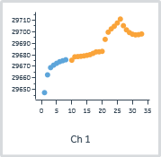
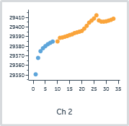
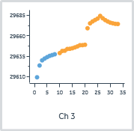
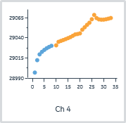
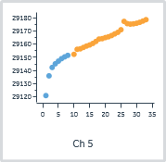
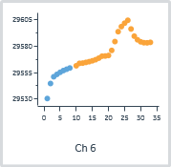
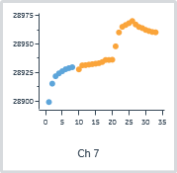
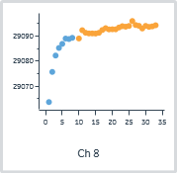

 |  |  |  |  |  |  | Analyte 1 | Analyte baseline_1
Cycle | Channel | Sensorgram type | Analysis step purpose | Analysis step name | Excluded | Curve markers | Solution | Absolute (RU)
1 | 1 | Active | Startup | Startup |  |  | Buffer | 29647.2
2 | 1 | Active | Startup | Startup |  |  | Buffer | 29662.6
3 | 1 | Active | Startup | Startup |  |  | Buffer | 29668.9
4 | 1 | Active | Startup | Startup |  |  | Buffer | 29671.0
5 | 1 | Active | Startup | Startup |  |  | Buffer | 29672.6
6 | 1 | Active | Startup | Startup |  |  | Buffer | 29674.0
7 | 1 | Active | Startup | Startup |  |  | Buffer | 29674.9
8 | 1 | Active | Startup | Startup |  |  | Buffer | 29675.7
10 | 1 | Active | Analysis | Analysis |  |  | BRD-6011_1 | 29675.3
11 | 1 | Active | Analysis | Analysis |  |  | BRD-6011_1 | 29678.2
12 | 1 | Active | Analysis | Analysis |  |  | BRD-6011_1 | 29678.4
13 | 1 | Active | Analysis | Analysis |  |  | BRD-6011_1 | 29678.7
14 | 1 | Active | Analysis | Analysis |  |  | BRD-6011_1 | 29679.1
15 | 1 | Active | Analysis | Analysis |  |  | BRD-6011_1 | 29679.5
16 | 1 | Active | Analysis | Analysis |  |  | BRD-6011_1 | 29680.1
17 | 1 | Active | Analysis | Analysis |  |  | BRD-6011_1 | 29681.3
18 | 1 | Active | Analysis | Analysis |  |  | BRD-1116_9 | 29682.5
19 | 1 | Active | Analysis | Analysis |  |  | BRD-1116_9 | 29682.6
20 | 1 | Active | Analysis | Analysis |  |  | BRD-1116_9 | 29683.0
21 | 1 | Active | Analysis | Analysis |  |  | BRD-1116_9 | 29693.4
22 | 1 | Active | Analysis | Analysis |  |  | BRD-1116_9 | 29699.6
23 | 1 | Active | Analysis | Analysis |  |  | BRD-1116_9 | 29702.5
24 | 1 | Active | Analysis | Analysis |  |  | BRD-1116_9 | 29704.8
25 | 1 | Active | Analysis | Analysis |  |  | BRD-1116_9 | 29707.6
26 | 1 | Active | Analysis | Analysis |  |  | BRD-6011_17 | 29711.0
27 | 1 | Active | Analysis | Analysis |  |  | BRD-6011_17 | 29705.2
28 | 1 | Active | Analysis | Analysis |  |  | BRD-6011_17 | 29701.6
29 | 1 | Active | Analysis | Analysis |  |  | BRD-6011_17 | 29699.3
30 | 1 | Active | Analysis | Analysis |  |  | BRD-6011_17 | 29697.9
31 | 1 | Active | Analysis | Analysis |  |  | BRD-6011_17 | 29697.3
32 | 1 | Active | Analysis | Analysis |  |  | BRD-6011_17 | 29697.5
33 | 1 | Active | Analysis | Analysis |  |  | BRD-6011_17 | 29698.0
1 | 2 | Active | Startup | Startup |  |  | Buffer | 29350.6
2 | 2 | Active | Startup | Startup |  |  | Buffer | 29367.8
3 | 2 | Active | Startup | Startup |  |  | Buffer | 29374.8
4 | 2 | Active | Startup | Startup |  |  | Buffer | 29377.9
5 | 2 | Active | Startup | Startup |  |  | Buffer | 29380.1
6 | 2 | Active | Startup | Startup |  |  | Buffer | 29382.1
7 | 2 | Active | Startup | Startup |  |  | Buffer | 29383.5
8 | 2 | Active | Startup | Startup |  |  | Buffer | 29384.8
10 | 2 | Active | Analysis | Analysis |  |  | BRD-6011_2 | 29385.0
11 | 2 | Active | Analysis | Analysis |  |  | BRD-6011_2 | 29388.7
12 | 2 | Active | Analysis | Analysis |  |  | BRD-6011_2 | 29389.1
13 | 2 | Active | Analysis | Analysis |  |  | BRD-6011_2 | 29389.9
14 | 2 | Active | Analysis | Analysis |  |  | BRD-6011_2 | 29390.7
15 | 2 | Active | Analysis | Analysis |  |  | BRD-6011_2 | 29391.6
16 | 2 | Active | Analysis | Analysis |  |  | BRD-6011_2 | 29392.4
17 | 2 | Active | Analysis | Analysis |  |  | BRD-6011_2 | 29393.7
18 | 2 | Active | Analysis | Analysis |  |  | BRD-1115_10 | 29394.4
19 | 2 | Active | Analysis | Analysis |  |  | BRD-1115_10 | 29395.2
20 | 2 | Active | Analysis | Analysis |  |  | BRD-1115_10 | 29395.9
21 | 2 | Active | Analysis | Analysis |  |  | BRD-1115_10 | 29398.4
22 | 2 | Active | Analysis | Analysis |  |  | BRD-1115_10 | 29401.3
23 | 2 | Active | Analysis | Analysis |  |  | BRD-1115_10 | 29404.6
24 | 2 | Active | Analysis | Analysis |  |  | BRD-1115_10 | 29406.8
25 | 2 | Active | Analysis | Analysis |  |  | BRD-1115_10 | 29408.9
26 | 2 | Active | Analysis | Analysis |  |  | BRD-6011_18 | 29412.2
27 | 2 | Active | Analysis | Analysis |  |  | BRD-6011_18 | 29406.9
28 | 2 | Active | Analysis | Analysis |  |  | BRD-6011_18 | 29405.7
29 | 2 | Active | Analysis | Analysis |  |  | BRD-6011_18 | 29405.6
30 | 2 | Active | Analysis | Analysis |  |  | BRD-6011_18 | 29406.0
31 | 2 | Active | Analysis | Analysis |  |  | BRD-6011_18 | 29406.7
32 | 2 | Active | Analysis | Analysis |  |  | BRD-6011_18 | 29407.5
33 | 2 | Active | Analysis | Analysis |  |  | BRD-6011_18 | 29408.7
1 | 3 | Active | Startup | Startup |  |  | Buffer | 29609.2
2 | 3 | Active | Startup | Startup |  |  | Buffer | 29623.7
3 | 3 | Active | Startup | Startup |  |  | Buffer | 29630.0
4 | 3 | Active | Startup | Startup |  |  | Buffer | 29632.2
5 | 3 | Active | Startup | Startup |  |  | Buffer | 29634.0
6 | 3 | Active | Startup | Startup |  |  | Buffer | 29635.5
7 | 3 | Active | Startup | Startup |  |  | Buffer | 29636.5
8 | 3 | Active | Startup | Startup |  |  | Buffer | 29637.5
10 | 3 | Active | Analysis | Analysis |  |  | BRD-6011_3 | 29639.0
11 | 3 | Active | Analysis | Analysis |  |  | BRD-6011_3 | 29641.6
12 | 3 | Active | Analysis | Analysis |  |  | BRD-6011_3 | 29641.9
13 | 3 | Active | Analysis | Analysis |  |  | BRD-6011_3 | 29644.0
14 | 3 | Active | Analysis | Analysis |  |  | BRD-6011_3 | 29644.2
15 | 3 | Active | Analysis | Analysis |  |  | BRD-6011_3 | 29644.9
16 | 3 | Active | Analysis | Analysis |  |  | BRD-6011_3 | 29645.9
17 | 3 | Active | Analysis | Analysis |  |  | BRD-6011_3 | 29647.2
18 | 3 | Active | Analysis | Analysis |  |  | BRD-1117_11 | 29648.7
19 | 3 | Active | Analysis | Analysis |  |  | BRD-1117_11 | 29648.7
20 | 3 | Active | Analysis | Analysis |  |  | BRD-1117_11 | 29649.1
21 | 3 | Active | Analysis | Analysis |  |  | BRD-1117_11 | 29669.5
22 | 3 | Active | Analysis | Analysis |  |  | BRD-1117_11 | 29675.5
23 | 3 | Active | Analysis | Analysis |  |  | BRD-1117_11 | 29677.9
24 | 3 | Active | Analysis | Analysis |  |  | BRD-1117_11 | 29679.6
25 | 3 | Active | Analysis | Analysis |  |  | BRD-1117_11 | 29681.4
26 | 3 | Active | Analysis | Analysis |  |  | BRD-6011_19 | 29684.6
27 | 3 | Active | Analysis | Analysis |  |  | BRD-6011_19 | 29681.8
28 | 3 | Active | Analysis | Analysis |  |  | BRD-6011_19 | 29679.5
29 | 3 | Active | Analysis | Analysis |  |  | BRD-6011_19 | 29677.8
30 | 3 | Active | Analysis | Analysis |  |  | BRD-6011_19 | 29676.4
31 | 3 | Active | Analysis | Analysis |  |  | BRD-6011_19 | 29675.5
32 | 3 | Active | Analysis | Analysis |  |  | BRD-6011_19 | 29674.9
33 | 3 | Active | Analysis | Analysis |  |  | BRD-6011_19 | 29674.7
1 | 4 | Active | Startup | Startup |  |  | Buffer | 28996.9
2 | 4 | Active | Startup | Startup |  |  | Buffer | 29012.3
3 | 4 | Active | Startup | Startup |  |  | Buffer | 29019.5
4 | 4 | Active | Startup | Startup |  |  | Buffer | 29022.7
5 | 4 | Active | Startup | Startup |  |  | Buffer | 29025.1
6 | 4 | Active | Startup | Startup |  |  | Buffer | 29027.2
7 | 4 | Active | Startup | Startup |  |  | Buffer | 29028.7
8 | 4 | Active | Startup | Startup |  |  | Buffer | 29030.2
10 | 4 | Active | Analysis | Analysis |  |  | BRD-6011_4 | 29030.8
11 | 4 | Active | Analysis | Analysis |  |  | BRD-6011_4 | 29035.1
12 | 4 | Active | Analysis | Analysis |  |  | BRD-6011_4 | 29036.3
13 | 4 | Active | Analysis | Analysis |  |  | BRD-6011_4 | 29037.4
14 | 4 | Active | Analysis | Analysis |  |  | BRD-6011_4 | 29038.5
15 | 4 | Active | Analysis | Analysis |  |  | BRD-6011_4 | 29039.7
16 | 4 | Active | Analysis | Analysis |  |  | BRD-6011_4 | 29041.0
17 | 4 | Active | Analysis | Analysis |  |  | BRD-6011_4 | 29042.6
18 | 4 | Active | Analysis | Analysis |  |  | BRD-1114_12 | 29044.3
19 | 4 | Active | Analysis | Analysis |  |  | BRD-1114_12 | 29044.8
20 | 4 | Active | Analysis | Analysis |  |  | BRD-1114_12 | 29045.6
21 | 4 | Active | Analysis | Analysis |  |  | BRD-1114_12 | 29050.2
22 | 4 | Active | Analysis | Analysis |  |  | BRD-1114_12 | 29053.2
23 | 4 | Active | Analysis | Analysis |  |  | BRD-1114_12 | 29056.2
24 | 4 | Active | Analysis | Analysis |  |  | BRD-1114_12 | 29058.9
25 | 4 | Active | Analysis | Analysis |  |  | BRD-1114_12 | 29063.2
26 | 4 | Active | Analysis | Analysis |  |  | BRD-6011_20 | 29068.6
27 | 4 | Active | Analysis | Analysis |  |  | BRD-6011_20 | 29064.7
28 | 4 | Active | Analysis | Analysis |  |  | BRD-6011_20 | 29063.1
29 | 4 | Active | Analysis | Analysis |  |  | BRD-6011_20 | 29062.7
30 | 4 | Active | Analysis | Analysis |  |  | BRD-6011_20 | 29062.8
31 | 4 | Active | Analysis | Analysis |  |  | BRD-6011_20 | 29063.2
32 | 4 | Active | Analysis | Analysis |  |  | BRD-6011_20 | 29063.9
33 | 4 | Active | Analysis | Analysis |  |  | BRD-6011_20 | 29064.8
1 | 5 | Active | Startup | Startup |  |  | Buffer | 29120.8
2 | 5 | Active | Startup | Startup |  |  | Buffer | 29135.9
3 | 5 | Active | Startup | Startup |  |  | Buffer | 29142.3
4 | 5 | Active | Startup | Startup |  |  | Buffer | 29145.1
5 | 5 | Active | Startup | Startup |  |  | Buffer | 29147.1
6 | 5 | Active | Startup | Startup |  |  | Buffer | 29149.1
7 | 5 | Active | Startup | Startup |  |  | Buffer | 29150.4
8 | 5 | Active | Startup | Startup |  |  | Buffer | 29151.6
10 | 5 | Active | Analysis | Analysis |  |  | BRD-6011_5 | 29152.4
11 | 5 | Active | Analysis | Analysis |  |  | BRD-6011_5 | 29156.2
12 | 5 | Active | Analysis | Analysis |  |  | BRD-6011_5 | 29156.6
13 | 5 | Active | Analysis | Analysis |  |  | BRD-6011_5 | 29157.6
14 | 5 | Active | Analysis | Analysis |  |  | BRD-6011_5 | 29158.7
15 | 5 | Active | Analysis | Analysis |  |  | BRD-6011_5 | 29159.5
16 | 5 | Active | Analysis | Analysis |  |  | BRD-6011_5 | 29160.7
17 | 5 | Active | Analysis | Analysis |  |  | BRD-6011_5 | 29162.2
18 | 5 | Active | Analysis | Analysis |  |  | BRD-1113_13 | 29164.1
19 | 5 | Active | Analysis | Analysis |  |  | BRD-1113_13 | 29164.4
20 | 5 | Active | Analysis | Analysis |  |  | BRD-1113_13 | 29165.2
21 | 5 | Active | Analysis | Analysis |  |  | BRD-1113_13 | 29165.8
22 | 5 | Active | Analysis | Analysis |  |  | BRD-1113_13 | 29166.8
23 | 5 | Active | Analysis | Analysis |  |  | BRD-1113_13 | 29168.0
24 | 5 | Active | Analysis | Analysis |  |  | BRD-1113_13 | 29169.2
25 | 5 | Active | Analysis | Analysis |  |  | BRD-1113_13 | 29171.2
26 | 5 | Active | Analysis | Analysis |  |  | BRD-6011_21 | 29177.5
27 | 5 | Active | Analysis | Analysis |  |  | BRD-6011_21 | 29175.8
28 | 5 | Active | Analysis | Analysis |  |  | BRD-6011_21 | 29175.5
29 | 5 | Active | Analysis | Analysis |  |  | BRD-6011_21 | 29175.7
30 | 5 | Active | Analysis | Analysis |  |  | BRD-6011_21 | 29176.1
31 | 5 | Active | Analysis | Analysis |  |  | BRD-6011_21 | 29176.8
32 | 5 | Active | Analysis | Analysis |  |  | BRD-6011_21 | 29177.8
33 | 5 | Active | Analysis | Analysis |  |  | BRD-6011_21 | 29178.9
1 | 6 | Active | Startup | Startup |  |  | Buffer | 29530.5
2 | 6 | Active | Startup | Startup |  |  | Buffer | 29544.8
3 | 6 | Active | Startup | Startup |  |  | Buffer | 29551.1
4 | 6 | Active | Startup | Startup |  |  | Buffer | 29553.4
5 | 6 | Active | Startup | Startup |  |  | Buffer | 29555.4
6 | 6 | Active | Startup | Startup |  |  | Buffer | 29557.1
7 | 6 | Active | Startup | Startup |  |  | Buffer | 29558.3
8 | 6 | Active | Startup | Startup |  |  | Buffer | 29559.5
10 | 6 | Active | Analysis | Analysis |  |  | BRD-6011_6 | 29561.6
11 | 6 | Active | Analysis | Analysis |  |  | BRD-6011_6 | 29563.9
12 | 6 | Active | Analysis | Analysis |  |  | BRD-6011_6 | 29564.1
13 | 6 | Active | Analysis | Analysis |  |  | BRD-6011_6 | 29564.8
14 | 6 | Active | Analysis | Analysis |  |  | BRD-6011_6 | 29565.5
15 | 6 | Active | Analysis | Analysis |  |  | BRD-6011_6 | 29566.3
16 | 6 | Active | Analysis | Analysis |  |  | BRD-6011_6 | 29567.3
17 | 6 | Active | Analysis | Analysis |  |  | BRD-6011_6 | 29568.8
18 | 6 | Active | Analysis | Analysis |  |  | BRD-1118_14 | 29570.7
19 | 6 | Active | Analysis | Analysis |  |  | BRD-1118_14 | 29570.8
20 | 6 | Active | Analysis | Analysis |  |  | BRD-1118_14 | 29571.4
21 | 6 | Active | Analysis | Analysis |  |  | BRD-1118_14 | 29576.2
22 | 6 | Active | Analysis | Analysis |  |  | BRD-1118_14 | 29584.6
23 | 6 | Active | Analysis | Analysis |  |  | BRD-1118_14 | 29593.9
24 | 6 | Active | Analysis | Analysis |  |  | BRD-1118_14 | 29598.8
25 | 6 | Active | Analysis | Analysis |  |  | BRD-1118_14 | 29602.0
26 | 6 | Active | Analysis | Analysis |  |  | BRD-6011_22 | 29604.7
27 | 6 | Active | Analysis | Analysis |  |  | BRD-6011_22 | 29596.5
28 | 6 | Active | Analysis | Analysis |  |  | BRD-6011_22 | 29589.7
29 | 6 | Active | Analysis | Analysis |  |  | BRD-6011_22 | 29586.3
30 | 6 | Active | Analysis | Analysis |  |  | BRD-6011_22 | 29584.3
31 | 6 | Active | Analysis | Analysis |  |  | BRD-6011_22 | 29583.5
32 | 6 | Active | Analysis | Analysis |  |  | BRD-6011_22 | 29583.3
33 | 6 | Active | Analysis | Analysis |  |  | BRD-6011_22 | 29583.8
1 | 7 | Active | Startup | Startup |  |  | Buffer | 28899.1
2 | 7 | Active | Startup | Startup |  |  | Buffer | 28915.3
3 | 7 | Active | Startup | Startup |  |  | Buffer | 28921.8
4 | 7 | Active | Startup | Startup |  |  | Buffer | 28924.3
5 | 7 | Active | Startup | Startup |  |  | Buffer | 28926.2
6 | 7 | Active | Startup | Startup |  |  | Buffer | 28927.9
7 | 7 | Active | Startup | Startup |  |  | Buffer | 28928.9
8 | 7 | Active | Startup | Startup |  |  | Buffer | 28929.7
10 | 7 | Active | Analysis | Analysis |  |  | BRD-6011_7 | 28927.8
11 | 7 | Active | Analysis | Analysis |  |  | BRD-6011_7 | 28931.3
12 | 7 | Active | Analysis | Analysis |  |  | BRD-6011_7 | 28931.5
13 | 7 | Active | Analysis | Analysis |  |  | BRD-6011_7 | 28932.0
14 | 7 | Active | Analysis | Analysis |  |  | BRD-6011_7 | 28932.3
15 | 7 | Active | Analysis | Analysis |  |  | BRD-6011_7 | 28932.8
16 | 7 | Active | Analysis | Analysis |  |  | BRD-6011_7 | 28933.2
17 | 7 | Active | Analysis | Analysis |  |  | BRD-6011_7 | 28934.3
18 | 7 | Active | Analysis | Analysis |  |  | BRD-4761_15 | 28936.0
19 | 7 | Active | Analysis | Analysis |  |  | BRD-4761_15 | 28936.0
20 | 7 | Active | Analysis | Analysis |  |  | BRD-4761_15 | 28936.2
21 | 7 | Active | Analysis | Analysis |  |  | BRD-4761_15 | 28948.0
22 | 7 | Active | Analysis | Analysis |  |  | BRD-4761_15 | 28960.2
23 | 7 | Active | Analysis | Analysis |  |  | BRD-4761_15 | 28965.1
24 | 7 | Active | Analysis | Analysis |  |  | BRD-4761_15 | 28966.8
25 | 7 | Active | Analysis | Analysis |  |  | BRD-4761_15 | 28968.3
26 | 7 | Active | Analysis | Analysis |  |  | BRD-6011_23 | 28970.2
27 | 7 | Active | Analysis | Analysis |  |  | BRD-6011_23 | 28967.2
28 | 7 | Active | Analysis | Analysis |  |  | BRD-6011_23 | 28965.0
29 | 7 | Active | Analysis | Analysis |  |  | BRD-6011_23 | 28964.0
30 | 7 | Active | Analysis | Analysis |  |  | BRD-6011_23 | 28962.4
31 | 7 | Active | Analysis | Analysis |  |  | BRD-6011_23 | 28961.4
32 | 7 | Active | Analysis | Analysis |  |  | BRD-6011_23 | 28960.6
33 | 7 | Active | Analysis | Analysis |  |  | BRD-6011_23 | 28960.3
1 | 8 | Active | Startup | Startup |  |  | Buffer | 29063.7
2 | 8 | Active | Startup | Startup |  |  | Buffer | 29075.7
3 | 8 | Active | Startup | Startup |  |  | Buffer | 29082.3
4 | 8 | Active | Startup | Startup |  |  | Buffer | 29085.3
5 | 8 | Active | Startup | Startup |  |  | Buffer | 29086.9
6 | 8 | Active | Startup | Startup |  |  | Buffer | 29089.0
7 | 8 | Active | Startup | Startup |  |  | Buffer | 29088.8
8 | 8 | Active | Startup | Startup |  |  | Buffer | 29089.3
10 | 8 | Active | Analysis | Analysis |  |  | BRD-6011_8 | 29089.0
11 | 8 | Active | Analysis | Analysis |  |  | BRD-6011_8 | 29092.3
12 | 8 | Active | Analysis | Analysis |  |  | BRD-6011_8 | 29091.3
13 | 8 | Active | Analysis | Analysis |  |  | BRD-6011_8 | 29091.1
14 | 8 | Active | Analysis | Analysis |  |  | BRD-6011_8 | 29091.1
15 | 8 | Active | Analysis | Analysis |  |  | BRD-6011_8 | 29091.0
16 | 8 | Active | Analysis | Analysis |  |  | BRD-6011_8 | 29091.3
17 | 8 | Active | Analysis | Analysis |  |  | BRD-6011_8 | 29092.4
18 | 8 | Active | Analysis | Analysis |  |  | BRD-6011_16 | 29093.2
19 | 8 | Active | Analysis | Analysis |  |  | BRD-6011_16 | 29092.7
20 | 8 | Active | Analysis | Analysis |  |  | BRD-6011_16 | 29092.7
21 | 8 | Active | Analysis | Analysis |  |  | BRD-6011_16 | 29092.7
22 | 8 | Active | Analysis | Analysis |  |  | BRD-6011_16 | 29093.4
23 | 8 | Active | Analysis | Analysis |  |  | BRD-6011_16 | 29094.0
24 | 8 | Active | Analysis | Analysis |  |  | BRD-6011_16 | 29093.7
25 | 8 | Active | Analysis | Analysis |  |  | BRD-6011_16 | 29094.1
26 | 8 | Active | Analysis | Analysis |  |  | BRD-6011_24 | 29096.0
27 | 8 | Active | Analysis | Analysis |  |  | BRD-6011_24 | 29094.4
28 | 8 | Active | Analysis | Analysis |  |  | BRD-6011_24 | 29094.1
29 | 8 | Active | Analysis | Analysis |  |  | BRD-6011_24 | 29093.0
30 | 8 | Active | Analysis | Analysis |  |  | BRD-6011_24 | 29094.1
31 | 8 | Active | Analysis | Analysis |  |  | BRD-6011_24 | 29093.7
32 | 8 | Active | Analysis | Analysis |  |  | BRD-6011_24 | 29093.9
33 | 8 | Active | Analysis | Analysis |  |  | BRD-6011_24 | 29094.3

Blank subtraction | No

Molecular weight adjustment | No

Capture/ligand adjustment | No

Adjustment for controls | No

Curve analysis | No

QC - Binding to reference
QC - Binding to reference

Data grouping | Channel

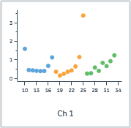
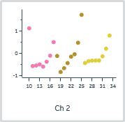
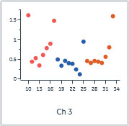
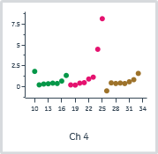
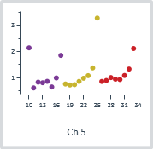
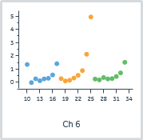
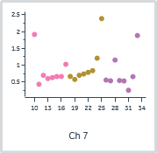
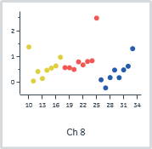

 |  |  |  |  |  |  | Analyte 1 | Analyte stability early_1
Cycle | Channel | Sensorgram type | Analysis step purpose | Analysis step name | Excluded | Curve markers | Solution | Relative (RU)
10 | 1 | Reference | Analysis | Analysis |  |  | BRD-6011_1 | 1.6
11 | 1 | Reference | Analysis | Analysis |  |  | BRD-6011_1 | 0.5
12 | 1 | Reference | Analysis | Analysis |  |  | BRD-6011_1 | 0.4
13 | 1 | Reference | Analysis | Analysis |  |  | BRD-6011_1 | 0.4
14 | 1 | Reference | Analysis | Analysis |  |  | BRD-6011_1 | 0.4
15 | 1 | Reference | Analysis | Analysis |  |  | BRD-6011_1 | 0.4
16 | 1 | Reference | Analysis | Analysis |  |  | BRD-6011_1 | 0.7
17 | 1 | Reference | Analysis | Analysis |  |  | BRD-6011_1 | 1.1
18 | 1 | Reference | Analysis | Analysis |  |  | BRD-1116_9 | 0.4
19 | 1 | Reference | Analysis | Analysis |  |  | BRD-1116_9 | 0.2
20 | 1 | Reference | Analysis | Analysis |  |  | BRD-1116_9 | 0.2
21 | 1 | Reference | Analysis | Analysis |  |  | BRD-1116_9 | 0.4
22 | 1 | Reference | Analysis | Analysis |  |  | BRD-1116_9 | 0.4
23 | 1 | Reference | Analysis | Analysis |  |  | BRD-1116_9 | 0.6
24 | 1 | Reference | Analysis | Analysis |  |  | BRD-1116_9 | 1.2
25 | 1 | Reference | Analysis | Analysis |  |  | BRD-1116_9 | 3.4
26 | 1 | Reference | Analysis | Analysis |  |  | BRD-6011_17 | 0.3
27 | 1 | Reference | Analysis | Analysis |  |  | BRD-6011_17 | 0.3
28 | 1 | Reference | Analysis | Analysis |  |  | BRD-6011_17 | 0.6
29 | 1 | Reference | Analysis | Analysis |  |  | BRD-6011_17 | 0.4
30 | 1 | Reference | Analysis | Analysis |  |  | BRD-6011_17 | 0.8
31 | 1 | Reference | Analysis | Analysis |  |  | BRD-6011_17 | 0.7
32 | 1 | Reference | Analysis | Analysis |  |  | BRD-6011_17 | 0.9
33 | 1 | Reference | Analysis | Analysis |  |  | BRD-6011_17 | 1.2
10 | 2 | Reference | Analysis | Analysis |  |  | BRD-6011_2 | 1.1
11 | 2 | Reference | Analysis | Analysis |  |  | BRD-6011_2 | -0.6
12 | 2 | Reference | Analysis | Analysis |  |  | BRD-6011_2 | -0.5
13 | 2 | Reference | Analysis | Analysis |  |  | BRD-6011_2 | -0.5
14 | 2 | Reference | Analysis | Analysis |  |  | BRD-6011_2 | -0.6
15 | 2 | Reference | Analysis | Analysis |  |  | BRD-6011_2 | -0.4
16 | 2 | Reference | Analysis | Analysis |  |  | BRD-6011_2 | -0.1
17 | 2 | Reference | Analysis | Analysis |  |  | BRD-6011_2 | 0.5
18 | 2 | Reference | Analysis | Analysis |  |  | BRD-1115_10 | -0.1
19 | 2 | Reference | Analysis | Analysis |  |  | BRD-1115_10 | -0.8
20 | 2 | Reference | Analysis | Analysis |  |  | BRD-1115_10 | -0.7
21 | 2 | Reference | Analysis | Analysis |  |  | BRD-1115_10 | -0.4
22 | 2 | Reference | Analysis | Analysis |  |  | BRD-1115_10 | -0.1
23 | 2 | Reference | Analysis | Analysis |  |  | BRD-1115_10 | 0.0
24 | 2 | Reference | Analysis | Analysis |  |  | BRD-1115_10 | 0.5
25 | 2 | Reference | Analysis | Analysis |  |  | BRD-1115_10 | 1.7
26 | 2 | Reference | Analysis | Analysis |  |  | BRD-6011_18 | -0.4
27 | 2 | Reference | Analysis | Analysis |  |  | BRD-6011_18 | -0.4
28 | 2 | Reference | Analysis | Analysis |  |  | BRD-6011_18 | -0.3
29 | 2 | Reference | Analysis | Analysis |  |  | BRD-6011_18 | -0.3
30 | 2 | Reference | Analysis | Analysis |  |  | BRD-6011_18 | -0.3
31 | 2 | Reference | Analysis | Analysis |  |  | BRD-6011_18 | -0.1
32 | 2 | Reference | Analysis | Analysis |  |  | BRD-6011_18 | 0.2
33 | 2 | Reference | Analysis | Analysis |  |  | BRD-6011_18 | 0.8
10 | 3 | Reference | Analysis | Analysis |  |  | BRD-6011_3 | 1.6
11 | 3 | Reference | Analysis | Analysis |  |  | BRD-6011_3 | 0.4
12 | 3 | Reference | Analysis | Analysis |  |  | BRD-6011_3 | 0.5
13 | 3 | Reference | Analysis | Analysis |  |  | BRD-6011_3 | 0.3
14 | 3 | Reference | Analysis | Analysis |  |  | BRD-6011_3 | 0.6
15 | 3 | Reference | Analysis | Analysis |  |  | BRD-6011_3 | 0.8
16 | 3 | Reference | Analysis | Analysis |  |  | BRD-6011_3 | 0.9
17 | 3 | Reference | Analysis | Analysis |  |  | BRD-6011_3 | 1.5
18 | 3 | Reference | Analysis | Analysis |  |  | BRD-1117_11 | 0.5
19 | 3 | Reference | Analysis | Analysis |  |  | BRD-1117_11 | 0.3
20 | 3 | Reference | Analysis | Analysis |  |  | BRD-1117_11 | 0.5
21 | 3 | Reference | Analysis | Analysis |  |  | BRD-1117_11 | 0.4
22 | 3 | Reference | Analysis | Analysis |  |  | BRD-1117_11 | 0.4
23 | 3 | Reference | Analysis | Analysis |  |  | BRD-1117_11 | 0.2
24 | 3 | Reference | Analysis | Analysis |  |  | BRD-1117_11 | 0.1
25 | 3 | Reference | Analysis | Analysis |  |  | BRD-1117_11 | 0.9
26 | 3 | Reference | Analysis | Analysis |  |  | BRD-6011_19 | 0.5
27 | 3 | Reference | Analysis | Analysis |  |  | BRD-6011_19 | 0.4
28 | 3 | Reference | Analysis | Analysis |  |  | BRD-6011_19 | 0.5
29 | 3 | Reference | Analysis | Analysis |  |  | BRD-6011_19 | 0.4
30 | 3 | Reference | Analysis | Analysis |  |  | BRD-6011_19 | 0.4
31 | 3 | Reference | Analysis | Analysis |  |  | BRD-6011_19 | 0.6
32 | 3 | Reference | Analysis | Analysis |  |  | BRD-6011_19 | 0.8
33 | 3 | Reference | Analysis | Analysis |  |  | BRD-6011_19 | 1.6
10 | 4 | Reference | Analysis | Analysis |  |  | BRD-6011_4 | 1.8
11 | 4 | Reference | Analysis | Analysis |  |  | BRD-6011_4 | 0.2
12 | 4 | Reference | Analysis | Analysis |  |  | BRD-6011_4 | 0.3
13 | 4 | Reference | Analysis | Analysis |  |  | BRD-6011_4 | 0.3
14 | 4 | Reference | Analysis | Analysis |  |  | BRD-6011_4 | 0.4
15 | 4 | Reference | Analysis | Analysis |  |  | BRD-6011_4 | 0.4
16 | 4 | Reference | Analysis | Analysis |  |  | BRD-6011_4 | 0.7
17 | 4 | Reference | Analysis | Analysis |  |  | BRD-6011_4 | 1.3
18 | 4 | Reference | Analysis | Analysis |  |  | BRD-1114_12 | 0.2
19 | 4 | Reference | Analysis | Analysis |  |  | BRD-1114_12 | 0.2
20 | 4 | Reference | Analysis | Analysis |  |  | BRD-1114_12 | 0.4
21 | 4 | Reference | Analysis | Analysis |  |  | BRD-1114_12 | 0.5
22 | 4 | Reference | Analysis | Analysis |  |  | BRD-1114_12 | 0.9
23 | 4 | Reference | Analysis | Analysis |  |  | BRD-1114_12 | 1.1
24 | 4 | Reference | Analysis | Analysis |  |  | BRD-1114_12 | 4.5
25 | 4 | Reference | Analysis | Analysis |  |  | BRD-1114_12 | 8.2
26 | 4 | Reference | Analysis | Analysis |  |  | BRD-6011_20 | -0.5
27 | 4 | Reference | Analysis | Analysis |  |  | BRD-6011_20 | 0.4
28 | 4 | Reference | Analysis | Analysis |  |  | BRD-6011_20 | 0.4
29 | 4 | Reference | Analysis | Analysis |  |  | BRD-6011_20 | 0.4
30 | 4 | Reference | Analysis | Analysis |  |  | BRD-6011_20 | 0.4
31 | 4 | Reference | Analysis | Analysis |  |  | BRD-6011_20 | 0.6
32 | 4 | Reference | Analysis | Analysis |  |  | BRD-6011_20 | 0.8
33 | 4 | Reference | Analysis | Analysis |  |  | BRD-6011_20 | 1.6
10 | 5 | Reference | Analysis | Analysis |  |  | BRD-6011_5 | 2.1
11 | 5 | Reference | Analysis | Analysis |  |  | BRD-6011_5 | 0.6
12 | 5 | Reference | Analysis | Analysis |  |  | BRD-6011_5 | 0.8
13 | 5 | Reference | Analysis | Analysis |  |  | BRD-6011_5 | 0.8
14 | 5 | Reference | Analysis | Analysis |  |  | BRD-6011_5 | 0.9
15 | 5 | Reference | Analysis | Analysis |  |  | BRD-6011_5 | 0.6
16 | 5 | Reference | Analysis | Analysis |  |  | BRD-6011_5 | 1.0
17 | 5 | Reference | Analysis | Analysis |  |  | BRD-6011_5 | 1.8
18 | 5 | Reference | Analysis | Analysis |  |  | BRD-1113_13 | 0.8
19 | 5 | Reference | Analysis | Analysis |  |  | BRD-1113_13 | 0.7
20 | 5 | Reference | Analysis | Analysis |  |  | BRD-1113_13 | 0.7
21 | 5 | Reference | Analysis | Analysis |  |  | BRD-1113_13 | 0.9
22 | 5 | Reference | Analysis | Analysis |  |  | BRD-1113_13 | 1.0
23 | 5 | Reference | Analysis | Analysis |  |  | BRD-1113_13 | 1.1
24 | 5 | Reference | Analysis | Analysis |  |  | BRD-1113_13 | 1.4
25 | 5 | Reference | Analysis | Analysis |  |  | BRD-1113_13 | 3.3
26 | 5 | Reference | Analysis | Analysis |  |  | BRD-6011_21 | 0.9
27 | 5 | Reference | Analysis | Analysis |  |  | BRD-6011_21 | 0.9
28 | 5 | Reference | Analysis | Analysis |  |  | BRD-6011_21 | 1.0
29 | 5 | Reference | Analysis | Analysis |  |  | BRD-6011_21 | 0.9
30 | 5 | Reference | Analysis | Analysis |  |  | BRD-6011_21 | 0.9
31 | 5 | Reference | Analysis | Analysis |  |  | BRD-6011_21 | 1.1
32 | 5 | Reference | Analysis | Analysis |  |  | BRD-6011_21 | 1.3
33 | 5 | Reference | Analysis | Analysis |  |  | BRD-6011_21 | 2.1
10 | 6 | Reference | Analysis | Analysis |  |  | BRD-6011_6 | 1.3
11 | 6 | Reference | Analysis | Analysis |  |  | BRD-6011_6 | 0.0
12 | 6 | Reference | Analysis | Analysis |  |  | BRD-6011_6 | 0.3
13 | 6 | Reference | Analysis | Analysis |  |  | BRD-6011_6 | 0.1
14 | 6 | Reference | Analysis | Analysis |  |  | BRD-6011_6 | 0.3
15 | 6 | Reference | Analysis | Analysis |  |  | BRD-6011_6 | 0.3
16 | 6 | Reference | Analysis | Analysis |  |  | BRD-6011_6 | 0.6
17 | 6 | Reference | Analysis | Analysis |  |  | BRD-6011_6 | 1.4
18 | 6 | Reference | Analysis | Analysis |  |  | BRD-1118_14 | 0.3
19 | 6 | Reference | Analysis | Analysis |  |  | BRD-1118_14 | 0.1
20 | 6 | Reference | Analysis | Analysis |  |  | BRD-1118_14 | 0.2
21 | 6 | Reference | Analysis | Analysis |  |  | BRD-1118_14 | 0.3
22 | 6 | Reference | Analysis | Analysis |  |  | BRD-1118_14 | 0.5
23 | 6 | Reference | Analysis | Analysis |  |  | BRD-1118_14 | 0.9
24 | 6 | Reference | Analysis | Analysis |  |  | BRD-1118_14 | 2.1
25 | 6 | Reference | Analysis | Analysis |  |  | BRD-1118_14 | 4.9
26 | 6 | Reference | Analysis | Analysis |  |  | BRD-6011_22 | 0.3
27 | 6 | Reference | Analysis | Analysis |  |  | BRD-6011_22 | 0.2
28 | 6 | Reference | Analysis | Analysis |  |  | BRD-6011_22 | 0.4
29 | 6 | Reference | Analysis | Analysis |  |  | BRD-6011_22 | 0.3
30 | 6 | Reference | Analysis | Analysis |  |  | BRD-6011_22 | 0.3
31 | 6 | Reference | Analysis | Analysis |  |  | BRD-6011_22 | 0.4
32 | 6 | Reference | Analysis | Analysis |  |  | BRD-6011_22 | 0.7
33 | 6 | Reference | Analysis | Analysis |  |  | BRD-6011_22 | 1.5
10 | 7 | Reference | Analysis | Analysis |  |  | BRD-6011_7 | 1.9
11 | 7 | Reference | Analysis | Analysis |  |  | BRD-6011_7 | 0.4
12 | 7 | Reference | Analysis | Analysis |  |  | BRD-6011_7 | 0.7
13 | 7 | Reference | Analysis | Analysis |  |  | BRD-6011_7 | 0.6
14 | 7 | Reference | Analysis | Analysis |  |  | BRD-6011_7 | 0.6
15 | 7 | Reference | Analysis | Analysis |  |  | BRD-6011_7 | 0.7
16 | 7 | Reference | Analysis | Analysis |  |  | BRD-6011_7 | 0.7
17 | 7 | Reference | Analysis | Analysis |  |  | BRD-6011_7 | 1.0
18 | 7 | Reference | Analysis | Analysis |  |  | BRD-4761_15 | 0.7
19 | 7 | Reference | Analysis | Analysis |  |  | BRD-4761_15 | 0.6
20 | 7 | Reference | Analysis | Analysis |  |  | BRD-4761_15 | 0.7
21 | 7 | Reference | Analysis | Analysis |  |  | BRD-4761_15 | 0.7
22 | 7 | Reference | Analysis | Analysis |  |  | BRD-4761_15 | 0.8
23 | 7 | Reference | Analysis | Analysis |  |  | BRD-4761_15 | 0.8
24 | 7 | Reference | Analysis | Analysis |  |  | BRD-4761_15 | 1.2
25 | 7 | Reference | Analysis | Analysis |  |  | BRD-4761_15 | 2.4
26 | 7 | Reference | Analysis | Analysis |  |  | BRD-6011_23 | 0.6
27 | 7 | Reference | Analysis | Analysis |  |  | BRD-6011_23 | 0.5
28 | 7 | Reference | Analysis | Analysis |  |  | BRD-6011_23 | 1.2
29 | 7 | Reference | Analysis | Analysis |  |  | BRD-6011_23 | 0.5
30 | 7 | Reference | Analysis | Analysis |  |  | BRD-6011_23 | 0.5
31 | 7 | Reference | Analysis | Analysis |  |  | BRD-6011_23 | 0.3
32 | 7 | Reference | Analysis | Analysis |  |  | BRD-6011_23 | 0.7
33 | 7 | Reference | Analysis | Analysis |  |  | BRD-6011_23 | 1.9
10 | 8 | Reference | Analysis | Analysis |  |  | BRD-6011_8 | 1.4
11 | 8 | Reference | Analysis | Analysis |  |  | BRD-6011_8 | 0.1
12 | 8 | Reference | Analysis | Analysis |  |  | BRD-6011_8 | 0.4
13 | 8 | Reference | Analysis | Analysis |  |  | BRD-6011_8 | 0.1
14 | 8 | Reference | Analysis | Analysis |  |  | BRD-6011_8 | 0.5
15 | 8 | Reference | Analysis | Analysis |  |  | BRD-6011_8 | 0.6
16 | 8 | Reference | Analysis | Analysis |  |  | BRD-6011_8 | 0.6
17 | 8 | Reference | Analysis | Analysis |  |  | BRD-6011_8 | 1.0
18 | 8 | Reference | Analysis | Analysis |  |  | BRD-6011_16 | 0.6
19 | 8 | Reference | Analysis | Analysis |  |  | BRD-6011_16 | 0.6
20 | 8 | Reference | Analysis | Analysis |  |  | BRD-6011_16 | 0.5
21 | 8 | Reference | Analysis | Analysis |  |  | BRD-6011_16 | 0.8
22 | 8 | Reference | Analysis | Analysis |  |  | BRD-6011_16 | 0.7
23 | 8 | Reference | Analysis | Analysis |  |  | BRD-6011_16 | 0.8
24 | 8 | Reference | Analysis | Analysis |  |  | BRD-6011_16 | 0.8
25 | 8 | Reference | Analysis | Analysis |  |  | BRD-6011_16 | 2.5
26 | 8 | Reference | Analysis | Analysis |  |  | BRD-6011_24 | 0.1
27 | 8 | Reference | Analysis | Analysis |  |  | BRD-6011_24 | -0.2
28 | 8 | Reference | Analysis | Analysis |  |  | BRD-6011_24 | 0.2
29 | 8 | Reference | Analysis | Analysis |  |  | BRD-6011_24 | 0.5
30 | 8 | Reference | Analysis | Analysis |  |  | BRD-6011_24 | 0.2
31 | 8 | Reference | Analysis | Analysis |  |  | BRD-6011_24 | 0.5
32 | 8 | Reference | Analysis | Analysis |  |  | BRD-6011_24 | 0.6
33 | 8 | Reference | Analysis | Analysis |  |  | BRD-6011_24 | 1.3

Blank subtraction | No

Molecular weight adjustment | No

Capture/ligand adjustment | No

Adjustment for controls | No

Curve analysis | No

Affinity 1
Affinity 1

Data grouping | Serial

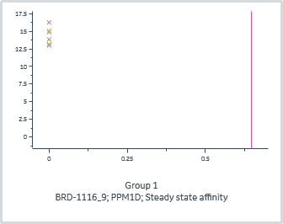
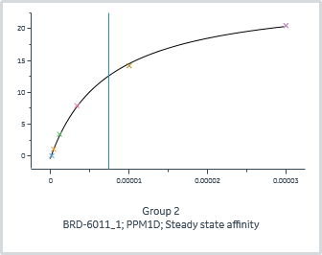
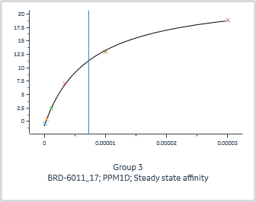
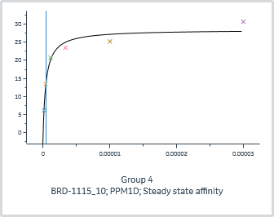
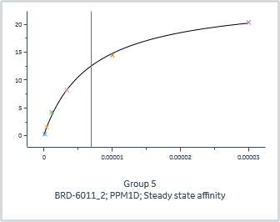
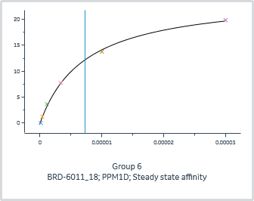
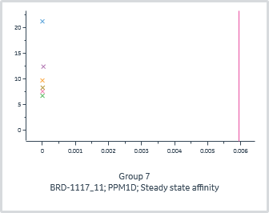
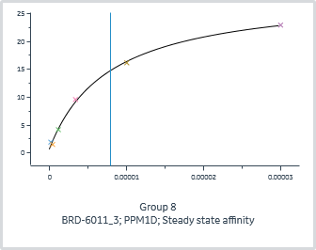
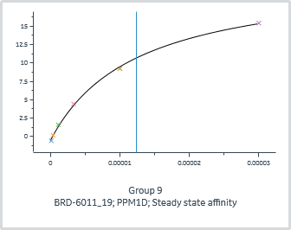
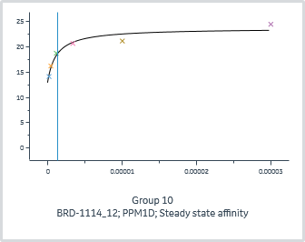
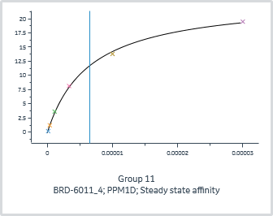
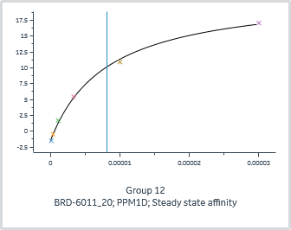
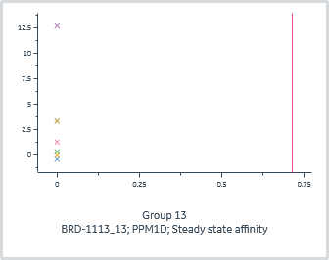
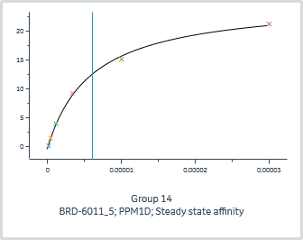
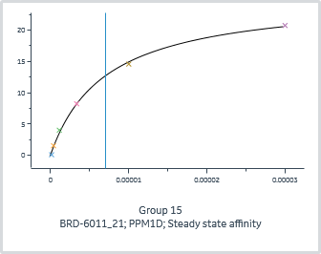
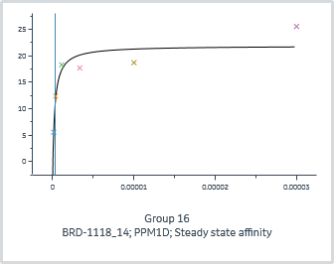
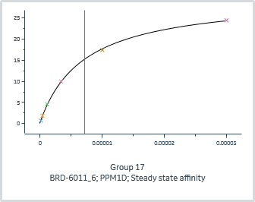
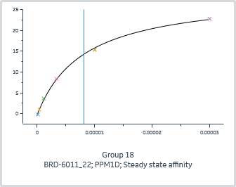









 | General |  |  |  |  | Quality | Steady state affinity |  |  | Injection variables
Group | Affinity model | Curve markers | Channel | Immobilized ligand | Accepted | Affinity Chi² (RU²) | KD | Rmax | offset | Analyte 1 Solution
1 | Steady state affinity |  | 1 | PPM1D |  | 1.64E+00 | 6.48E-01 | 43966.1 | 13.8 | BRD-1116_9
2 | Steady state affinity |  | 1 | PPM1D |  | 8.90E-02 | 7.46E-06 | 25.6 | -0.1 | BRD-6011_1
3 | Steady state affinity |  | 1 | PPM1D |  | 5.50E-02 | 7.31E-06 | 24.3 | -0.8 | BRD-6011_17
4 | Steady state affinity |  | 2 | PPM1D |  | 4.64E+00 | 4.75E-07 | 27.6 | 0.9 | BRD-1115_10
5 | Steady state affinity |  | 2 | PPM1D |  | 2.10E-01 | 6.90E-06 | 24.5 | 0.3 | BRD-6011_2
6 | Steady state affinity |  | 2 | PPM1D |  | 1.75E-01 | 7.32E-06 | 24.5 | 0.0 | BRD-6011_18
7 | Steady state affinity |  | 3 | PPM1D |  | 4.86E+01 | 5.95E-03 | 2.7 | 11.0 | BRD-1117_11
8 | Steady state affinity |  | 3 | PPM1D |  | 3.49E-01 | 7.89E-06 | 27.7 | 0.9 | BRD-6011_3
9 | Steady state affinity |  | 3 | PPM1D |  | 8.95E-02 | 1.24E-05 | 22.4 | -0.5 | BRD-6011_19
10 | Steady state affinity |  | 4 | PPM1D |  | 1.28E+00 | 1.26E-06 | 10.1 | 13.6 | BRD-1114_12
11 | Steady state affinity |  | 4 | PPM1D |  | 1.19E-01 | 6.51E-06 | 23.5 | 0.0 | BRD-6011_4
12 | Steady state affinity |  | 4 | PPM1D |  | 1.86E-01 | 8.19E-06 | 23.4 | -1.5 | BRD-6011_20
13 | Steady state affinity |  | 5 | PPM1D |  | 1.63E-01 | 7.14E-01 | 306282.8 | -0.4 | BRD-1113_13
14 | Steady state affinity |  | 5 | PPM1D |  | 2.01E-01 | 6.04E-06 | 25.3 | -0.1 | BRD-6011_5
15 | Steady state affinity |  | 5 | PPM1D |  | 2.00E-01 | 7.08E-06 | 25.3 | 0.1 | BRD-6011_21
16 | Steady state affinity |  | 6 | PPM1D |  | 9.53E+00 | 2.63E-07 | 23.7 | -1.8 | BRD-1118_14
17 | Steady state affinity |  | 6 | PPM1D |  | 7.00E-02 | 7.10E-06 | 29.6 | 0.4 | BRD-6011_6
18 | Steady state affinity |  | 6 | PPM1D |  | 1.77E-01 | 8.10E-06 | 29.0 | -0.3 | BRD-6011_22
19 | Steady state affinity |  | 7 | PPM1D |  | 1.69E+01 | 1.78E-01 | 10482.4 | 8.3 | BRD-4761_15
20 | Steady state affinity |  | 7 | PPM1D |  | 1.14E-01 | 8.66E-06 | 27.1 | 0.1 | BRD-6011_7
21 | Steady state affinity |  | 7 | PPM1D |  | 6.10E-02 | 9.94E-06 | 16.5 | 0.2 | BRD-6011_23
22 | Steady state affinity |  | 8 | PPM1D |  | 1.32E-01 | 8.30E-06 | 26.0 | 0.4 | BRD-6011_8
23 | Steady state affinity |  | 8 | PPM1D |  | 6.33E-02 | 7.81E-06 | 26.8 | 0.0 | BRD-6011_16
24 | Steady state affinity |  | 8 | PPM1D |  | 8.90E-02 | 7.23E-06 | 24.6 | -0.1 | BRD-6011_24

Kinetics 1
Kinetics 1

Data grouping | Serial




























 | General |  |  |  |  | Quality | 1:1 binding |  |  |  |  | Injection variables
Group | Kinetics model | Curve markers | Channel | Immobilized ligand | Accepted | Kinetics Chi² (RU²) | ka | kd | Rmax | tc | KD (M) | Analyte 1 Solution
1 | 1:1 binding |  | 1 | PPM1D |  | 4.36E+00 | 1.38E+06 | 2.16E-03 | 13.0 | 1.50E+08 | 1.56E-09 | BRD-1116_9
2 | 1:1 binding |  | 1 | PPM1D |  | 4.66E-01 | 4.44E+04 | 3.32E-01 | 23.3 | 2.96E+18 | 7.48E-06 | BRD-6011_1
3 | 1:1 binding |  | 1 | PPM1D |  | 7.66E-01 | 4.85E+04 | 3.98E-01 | 22.4 | 3.10E+17 | 8.22E-06 | BRD-6011_17
4 | 1:1 binding |  | 2 | PPM1D |  | 1.22E+00 | 9.32E+04 | 5.52E-03 | 24.0 | 1.71E+10 | 5.93E-08 | BRD-1115_10
5 | 1:1 binding |  | 2 | PPM1D |  | 8.45E-01 | 3.29E+04 | 2.17E-01 | 22.5 | 3.76E+14 | 6.58E-06 | BRD-6011_2
6 | 1:1 binding |  | 2 | PPM1D |  | 1.74E+00 | 3.75E+04 | 2.61E-01 | 22.2 | 2.42E+16 | 6.96E-06 | BRD-6011_18
7 | 1:1 binding |  | 3 | PPM1D |  | 2.82E+01 | 3.16E+06 | 5.64E-04 | 9.4 | 2.95E+07 | 1.78E-10 | BRD-1117_11
8 | 1:1 binding |  | 3 | PPM1D |  | 1.78E+00 | 3.63E+04 | 2.39E-01 | 25.1 | 6.24E+16 | 6.60E-06 | BRD-6011_3
9 | 1:1 binding |  | 3 | PPM1D |  | 5.09E-01 | 2.29E+04 | 3.07E-01 | 20.7 | 4.81E+17 | 1.34E-05 | BRD-6011_19
10 | 1:1 binding |  | 4 | PPM1D |  | 2.31E+00 | 4.76E+05 | 5.64E-03 | 18.7 | 1.82E+07 | 1.19E-08 | BRD-1114_12
11 | 1:1 binding |  | 4 | PPM1D |  | 5.60E-01 | 4.13E+04 | 2.71E-01 | 21.5 | 1.61E+17 | 6.56E-06 | BRD-6011_4
12 | 1:1 binding |  | 4 | PPM1D |  | 7.51E-01 | 6.88E+04 | 7.13E-01 | 21.6 | 8.36E+11 | 1.04E-05 | BRD-6011_20
13 | 1:1 binding |  | 5 | PPM1D |  | 1.54E-01 | 3.62E+01 | 4.94E-03 | 443.2 | 1.12E+08 | 1.36E-04 | BRD-1113_13
14 | 1:1 binding |  | 5 | PPM1D |  | 9.67E-01 | 4.10E+04 | 2.43E-01 | 22.9 | 9.78E+13 | 5.94E-06 | BRD-6011_5
15 | 1:1 binding |  | 5 | PPM1D |  | 1.13E+00 | 3.66E+04 | 2.37E-01 | 22.8 | 4.64E+17 | 6.47E-06 | BRD-6011_21
16 | 1:1 binding |  | 6 | PPM1D |  | 2.70E+00 | 2.58E+05 | 3.11E-03 | 18.3 | 7.01E+05 | 1.21E-08 | BRD-1118_14
17 | 1:1 binding |  | 6 | PPM1D |  | 1.24E+00 | 4.05E+04 | 2.61E-01 | 26.8 | 2.05E+14 | 6.44E-06 | BRD-6011_6
18 | 1:1 binding |  | 6 | PPM1D |  | 3.95E+00 | 2.00E+04 | 1.60E-01 | 25.9 | 1.08E+15 | 8.01E-06 | BRD-6011_22
19 | 1:1 binding |  | 7 | PPM1D |  | 1.17E+01 | 1.69E+06 | 4.66E-05 | 7.6 | 2.14E+09 | 2.76E-11 | BRD-4761_15
20 | 1:1 binding |  | 7 | PPM1D |  | 1.28E+00 | 2.37E+04 | 1.89E-01 | 24.1 | 1.86E+15 | 7.99E-06 | BRD-6011_7
21 | 1:1 binding |  | 7 | PPM1D |  | 8.04E-01 | 1.91E+04 | 1.57E-01 | 14.4 | 8.29E+16 | 8.20E-06 | BRD-6011_23
22 | 1:1 binding |  | 8 | PPM1D |  | 5.54E-01 | 4.40E+04 | 3.15E-01 | 23.5 | 6.14E+17 | 7.17E-06 | BRD-6011_8
23 | 1:1 binding |  | 8 | PPM1D |  | 7.79E-01 | 3.12E+04 | 2.34E-01 | 24.2 | 7.24E+14 | 7.50E-06 | BRD-6011_16
24 | 1:1 binding |  | 8 | PPM1D |  | 5.13E-01 | 4.57E+04 | 3.22E-01 | 22.3 | 5.21E+13 | 7.03E-06 | BRD-6011_24

