Plant Location China
Site | Location | Xn | Yn | Distance | Ship Weight Tons | Cost RMB Per Ton | Total
1 | Xian | 2025 | 675 | 2,134.54 | 500 | 1.9
2 | Chengdu | 1650 | 500 |  | 300 | 1.8
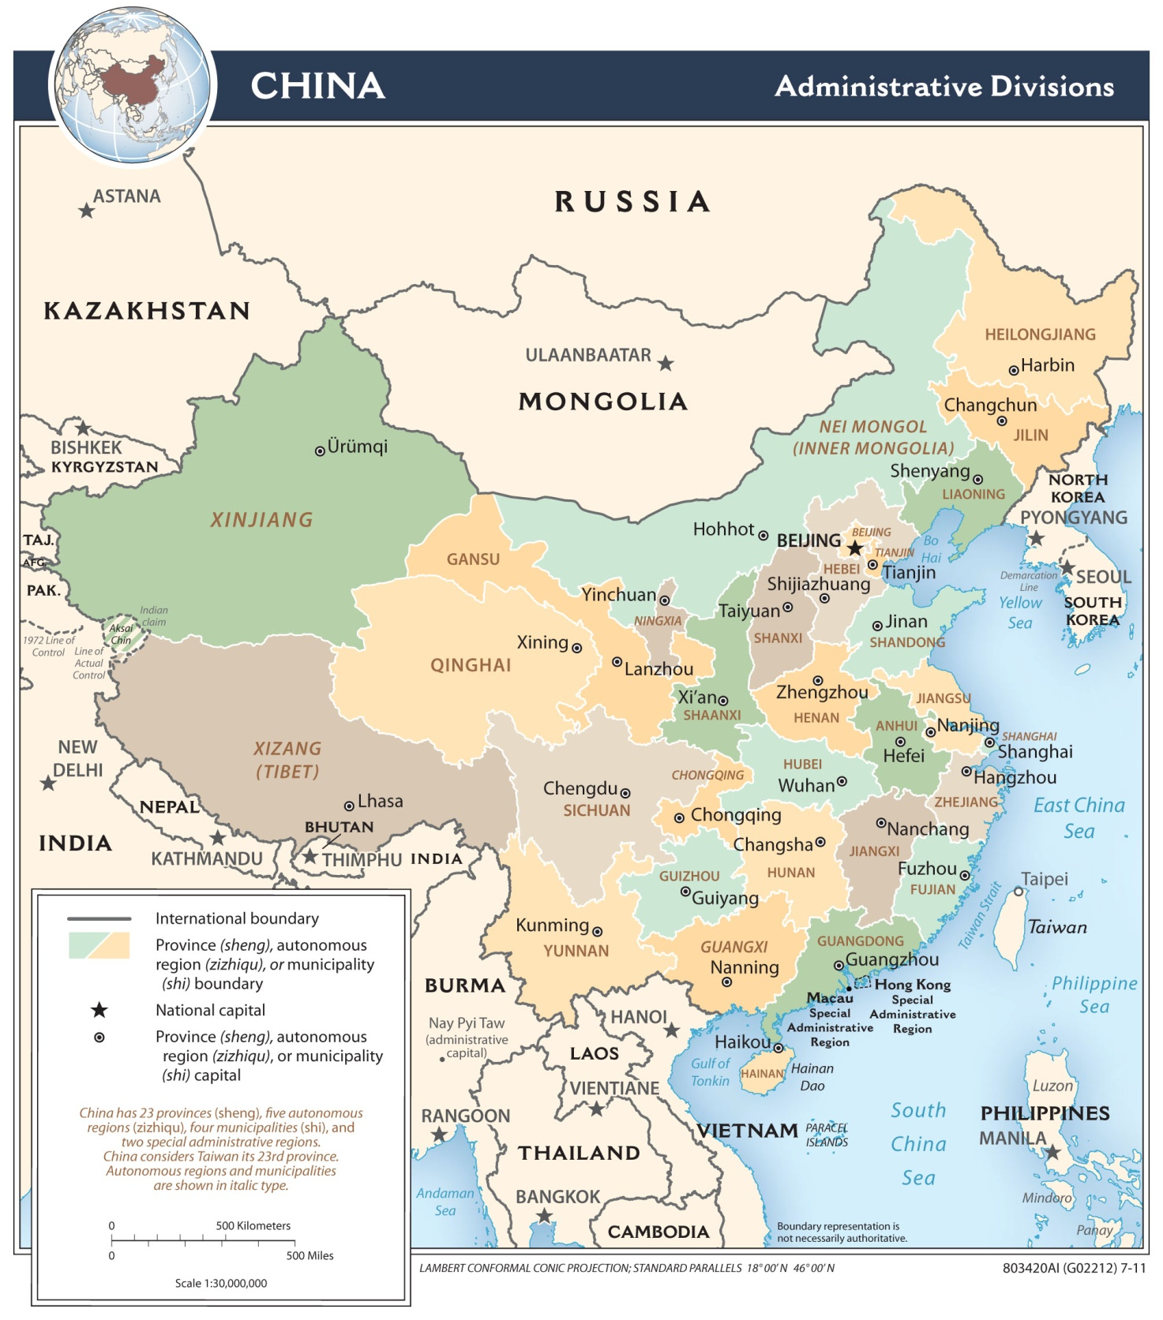
3 | Guangzhou | 2300 | 150 |  | 300 | 1.2
4 | Shanghai | 2800 | 600 |  | 450 | 1.5
5 | Beijing | 2350 | 1000 |  | 600 | 1.3
6 | Shenyang | 2700 | 1150 |  | 200 | 1.5
7 | Urumqi | 700 | 1200 |  | 150 | 2.2

 | Distribution Center | 0 | 0

Plant Location w calculations
Site | Location | Xn | Yn | Distance | Ship Weight Tons | Cost RMB Per Ton | Total
1 | Xian | 2025 | 675 | 1,535.01 | 500 | 1.9 | 1,458,257.74
2 | Chengdu | 1650 | 500 | 1,150.00 | 300 | 1.8 | 621,000.00
3 | Guangzhou | 2300 | 150 | 1,833.71 | 300 | 1.2 | 660,136.35
4 | Shanghai | 2800 | 600 | 2,302.17 | 450 | 1.5 | 1,553,966.70
5 | Beijing | 2350 | 1000 | 1,916.38 | 600 | 1.3 | 1,494,773.90
6 | Shenyang | 2700 | 1150 | 2,294.01 | 200 | 1.5 | 688,204.18
7 | Urumqi | 700 | 1200 | 728.01 | 150 | 2.2 | 240,243.63
 | Distribution Center | 500 | 500 |  |  |  | 6,716,582.49

Location Total Calculation
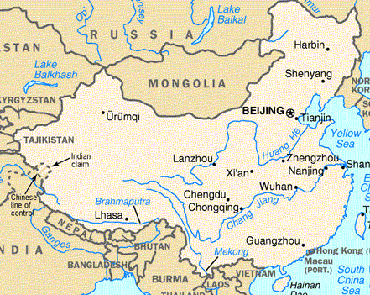
Site | Location | Xn | Yn | Distance | Ship Weight Tons | Cost RMB Per Ton | Total
1 | Xian | 2025 | 675 | 0.00 | 500 | 1.9 | 0.61
2 | Chengdu | 1650 | 500 | 413.82 | 300 | 1.8 | 223,465.07
3 | Guangzhou | 2300 | 150 | 592.66 | 300 | 1.2 | 213,358.74
4 | Shanghai | 2800 | 600 | 778.62 | 450 | 1.5 | 525,568.46
5 | Beijing | 2350 | 1000 | 459.62 | 600 | 1.3 | 358,502.80
6 | Shenyang | 2700 | 1150 | 825.38 | 200 | 1.5 | 247,613.46
7 | Urumqi | 700 | 1200 | 1,425.22 | 150 | 2.2 | 470,322.56
 | Distribution Center | 2025.0006362 | 674.99996901 |  |  |  | 2,038,831.69

Surface Chart w map
 | 0 | 100 | 200 | 300 | 400 | 500 | 600 | 700 | 800 | 900 | 1000 | 1100
0 | 9,052,405 | 8,926,891 | 8,816,752 | 8,722,596 | 8,645,001 | 8,584,512 | 8,541,646 | 8,516,893 | 8,510,723 | 8,523,568 | 8,555,795 | 8,607,634
400 | 8,339,899 | 8,203,594 | 8,083,564 | 7,980,522 | 7,895,128 | 7,827,992 | 7,779,686 | 7,750,767 | 7,741,823 | 7,753,510 | 7,786,559 | 7,841,675
400 | 7,643,589 | 7,495,227 | 7,364,198 | 7,251,352 | 7,157,450 | 7,083,140 | 7,028,967 | 6,995,404 | 6,982,935 | 6,992,234 | 7,024,442 | 7,081,443
600 | 6,967,356 | 6,805,482 | 6,662,256 | 6,538,784 | 6,436,027 | 6,354,745 | 6,295,451 | 6,258,400 | 6,243,609 | 6,250,957 | 6,280,494 | 6,333,739
800 | 6,315,812 | 6,138,482 | 5,981,420 | 5,846,229 | 5,734,336 | 5,646,881 | 5,584,613 | 5,547,842 | 5,536,472 | 5,550,124 | 5,588,506 | 5,652,751
1000 | 5,694,931 | 5,499,233 | 5,325,556 | 5,176,378 | 5,054,064 | 4,960,609 | 4,897,376 | 4,864,988 | 4,863,452 | 4,892,508 | 4,952,122 | 5,042,924
1200 | 5,113,738 | 4,895,443 | 4,700,376 | 4,532,413 | 4,395,760 | 4,294,283 | 4,230,511 | 4,205,056 | 4,216,974 | 4,264,619 | 4,346,265 | 4,460,282
1400 | 4,587,400 | 4,341,796 | 4,118,550 | 3,922,890 | 3,762,406 | 3,646,713 | 3,582,371 | 3,567,878 | 3,597,829 | 3,667,538 | 3,773,402 | 3,912,313
1600 | 4,139,860 | 3,866,114 | 3,611,540 | 3,379,701 | 3,175,981 | 3,020,839 | 2,968,843 | 2,975,426 | 3,026,905 | 3,120,437 | 3,252,142 | 3,417,773
1800 | 3,798,414 | 3,503,785 | 3,228,743 | 2,977,877 | 2,759,698 | 2,592,974 | 2,500,199 | 2,485,300 | 2,541,669 | 2,654,711 | 2,811,097 | 3,002,908
2000 | 3,581,126 | 3,273,831 | 2,990,389 | 2,734,753 | 2,509,397 | 2,316,961 | 2,160,498 | 2,089,859 | 2,182,433 | 2,316,789 | 2,489,292 | 2,699,712
2200 | 3,500,324 | 3,180,079 | 2,898,062 | 2,658,369 | 2,449,191 | 2,273,179 | 2,143,034 | 2,080,997 | 2,096,671 | 2,176,349 | 2,319,893 | 2,534,711
2400 | 3,596,168 | 3,282,499 | 3,008,164 | 2,777,941 | 2,581,130 | 2,420,894 | 2,305,135 | 2,239,988 | 2,225,756 | 2,258,373 | 2,352,614 | 2,573,621
2600 | 3,861,632 | 3,571,626 | 3,306,734 | 3,070,841 | 2,867,150 | 2,702,402 | 2,589,562 | 2,538,725 | 2,545,287 | 2,602,941 | 2,713,098 | 2,879,592
2800 | 4,246,237 | 3,976,254 | 3,726,294 | 3,498,467 | 3,294,390 | 3,115,476 | 2,963,256 | 2,974,558 | 3,016,536 | 3,091,519 | 3,201,759 | 3,350,995
3000 | 4,731,518 | 4,486,678 | 4,262,132 | 4,061,000 | 3,887,809 | 3,750,519 | 3,662,223 | 3,632,299 | 3,654,566 | 3,719,172 | 3,821,512 | 3,960,417
3200 | 5,297,038 | 5,079,687 | 4,883,961 | 4,713,192 | 4,571,456 | 4,463,458 | 4,393,667 | 4,364,687 | 4,376,313 | 4,426,403 | 4,512,371 | 4,631,843
3400 | 5,920,320 | 5,728,215 | 5,557,731 | 5,411,431 | 5,292,013 | 5,202,085 | 5,143,807 | 5,118,517 | 5,126,535 | 5,167,265 | 5,239,467 | 5,341,508
3600 | 6,583,438 | 6,412,749 | 6,262,759 | 6,135,306 | 6,032,175 | 5,954,971 | 5,904,972 | 5,883,002 | 5,889,363 | 5,923,832 | 5,985,733 | 6,074,025

Surface Chart 1
 | 0 | 100 | 200 | 300 | 400 | 500 | 600 | 700 | 800 | 900 | 1000 | 1100
0 | 9,052,405 | 8,926,891 | 8,816,752 | 8,722,596 | 8,645,001 | 8,584,512 | 8,541,646 | 8,516,893 | 8,510,723 | 8,523,568 | 8,555,795 | 8,607,634
400 | 8,339,899 | 8,203,594 | 8,083,564 | 7,980,522 | 7,895,128 | 7,827,992 | 7,779,686 | 7,750,767 | 7,741,823 | 7,753,510 | 7,786,559 | 7,841,675
400 | 7,643,589 | 7,495,227 | 7,364,198 | 7,251,352 | 7,157,450 | 7,083,140 | 7,028,967 | 6,995,404 | 6,982,935 | 6,992,234 | 7,024,442 | 7,081,443
600 | 6,967,356 | 6,805,482 | 6,662,256 | 6,538,784 | 6,436,027 | 6,354,745 | 6,295,451 | 6,258,400 | 6,243,609 | 6,250,957 | 6,280,494 | 6,333,739
800 | 6,315,812 | 6,138,482 | 5,981,420 | 5,846,229 | 5,734,336 | 5,646,881 | 5,584,613 | 5,547,842 | 5,536,472 | 5,550,124 | 5,588,506 | 5,652,751
1000 | 5,694,931 | 5,499,233 | 5,325,556 | 5,176,378 | 5,054,064 | 4,960,609 | 4,897,376 | 4,864,988 | 4,863,452 | 4,892,508 | 4,952,122 | 5,042,924
1200 | 5,113,738 | 4,895,443 | 4,700,376 | 4,532,413 | 4,395,760 | 4,294,283 | 4,230,511 | 4,205,056 | 4,216,974 | 4,264,619 | 4,346,265 | 4,460,282
1400 | 4,587,400 | 4,341,796 | 4,118,550 | 3,922,890 | 3,762,406 | 3,646,713 | 3,582,371 | 3,567,878 | 3,597,829 | 3,667,538 | 3,773,402 | 3,912,313
1600 | 4,139,860 | 3,866,114 | 3,611,540 | 3,379,701 | 3,175,981 | 3,020,839 | 2,968,843 | 2,975,426 | 3,026,905 | 3,120,437 | 3,252,142 | 3,417,773
1800 | 3,798,414 | 3,503,785 | 3,228,743 | 2,977,877 | 2,759,698 | 2,592,974 | 2,500,199 | 2,485,300 | 2,541,669 | 2,654,711 | 2,811,097 | 3,002,908
2000 | 3,581,126 | 3,273,831 | 2,990,389 | 2,734,753 | 2,509,397 | 2,316,961 | 2,160,498 | 2,089,859 | 2,182,433 | 2,316,789 | 2,489,292 | 2,699,712
2200 | 3,500,324 | 3,180,079 | 2,898,062 | 2,658,369 | 2,449,191 | 2,273,179 | 2,143,034 | 2,080,997 | 2,096,671 | 2,176,349 | 2,319,893 | 2,534,711
2400 | 3,596,168 | 3,282,499 | 3,008,164 | 2,777,941 | 2,581,130 | 2,420,894 | 2,305,135 | 2,239,988 | 2,225,756 | 2,258,373 | 2,352,614 | 2,573,621
2600 | 3,861,632 | 3,571,626 | 3,306,734 | 3,070,841 | 2,867,150 | 2,702,402 | 2,589,562 | 2,538,725 | 2,545,287 | 2,602,941 | 2,713,098 | 2,879,592
2800 | 4,246,237 | 3,976,254 | 3,726,294 | 3,498,467 | 3,294,390 | 3,115,476 | 2,963,256 | 2,974,558 | 3,016,536 | 3,091,519 | 3,201,759 | 3,350,995
3000 | 4,731,518 | 4,486,678 | 4,262,132 | 4,061,000 | 3,887,809 | 3,750,519 | 3,662,223 | 3,632,299 | 3,654,566 | 3,719,172 | 3,821,512 | 3,960,417
3200 | 5,297,038 | 5,079,687 | 4,883,961 | 4,713,192 | 4,571,456 | 4,463,458 | 4,393,667 | 4,364,687 | 4,376,313 | 4,426,403 | 4,512,371 | 4,631,843
3400 | 5,920,320 | 5,728,215 | 5,557,731 | 5,411,431 | 5,292,013 | 5,202,085 | 5,143,807 | 5,118,517 | 5,126,535 | 5,167,265 | 5,239,467 | 5,341,508
3600 | 6,583,438 | 6,412,749 | 6,262,759 | 6,135,306 | 6,032,175 | 5,954,971 | 5,904,972 | 5,883,002 | 5,889,363 | 5,923,832 | 5,985,733 | 6,074,025

Conditional Formatting
Site | Location | Xn | Yn | Distance | Ship Weight Tons | Cost RMB Per Ton | Total
1 | Xian | 2025 | 675 | 0.00 | 500 | 1.9 | 4.13
2 | Chengdu | 1650 | 500 | 413.83 | 300 | 1.8 | 223,465.76
3 | Guangzhou | 2300 | 150 | 592.67 | 300 | 1.2 | 213,360.24
4 | Shanghai | 2800 | 600 | 778.62 | 450 | 1.5 | 525,569.17
5 | Beijing | 2350 | 1000 | 459.62 | 600 | 1.3 | 358,500.74
6 | Shenyang | 2700 | 1150 | 825.38 | 200 | 1.5 | 247,612.86
7 | Urumqi | 700 | 1200 | 1,425.22 | 150 | 2.2 | 470,321.83
 | Distribution Center | 2025 | 675.00435096 |  |  |  | 2,038,834.73

 |  |  |  |  |  |  |  | 2,038,834.73 | 0 | 100 | 200 | 300 | 400 | 500 | 600 | 700 | 800 | 900 | 1000 | 1100 | 1200 | 1300 | 1400 | 1500 | 1600 | 1700
 |  |  |  |  |  |  |  | 0 | 9,052,405 | 8,926,891 | 8,816,752 | 8,722,596 | 8,645,001 | 8,584,512 | 8,541,646 | 8,516,893 | 8,510,723 | 8,523,568 | 8,555,795 | 8,607,634 | 8,679,091 | 8,769,868 | 8,879,339 | 9,006,597 | 9,150,557 | 9,310,067
 |  |  |  |  |  |  |  | 200 | 8,339,899 | 8,203,594 | 8,083,564 | 7,980,522 | 7,895,128 | 7,827,992 | 7,779,686 | 7,750,767 | 7,741,823 | 7,753,510 | 7,786,559 | 7,841,675 | 7,919,278 | 8,019,160 | 8,140,333 | 8,281,218 | 8,440,018 | 8,615,008
 |  |  |  |  |  |  |  | 400 | 7,643,589 | 7,495,227 | 7,364,198 | 7,251,352 | 7,157,450 | 7,083,140 | 7,028,967 | 6,995,404 | 6,982,935 | 6,992,234 | 7,024,442 | 7,081,443 | 7,165,450 | 7,277,149 | 7,414,284 | 7,573,123 | 7,750,364 | 7,943,589
 |  |  |  |  |  |  |  | 600 | 6,967,356 | 6,805,482 | 6,662,256 | 6,538,784 | 6,436,027 | 6,354,745 | 6,295,451 | 6,258,400 | 6,243,609 | 6,250,957 | 6,280,494 | 6,333,739 | 6,419,777 | 6,551,477 | 6,713,880 | 6,895,880 | 7,094,081 | 7,306,766
 |  |  |  |  |  |  |  | 800 | 6,315,812 | 6,138,482 | 5,981,420 | 5,846,229 | 5,734,336 | 5,646,881 | 5,584,613 | 5,547,842 | 5,536,472 | 5,550,124 | 5,588,506 | 5,652,751 | 5,751,551 | 5,897,404 | 6,075,009 | 6,272,957 | 6,487,588 | 6,716,960
 |  |  |  |  |  |  |  | 1000 | 5,694,931 | 5,499,233 | 5,325,556 | 5,176,378 | 5,054,064 | 4,960,609 | 4,897,376 | 4,864,988 | 4,863,452 | 4,892,508 | 4,952,122 | 5,042,924 | 5,165,906 | 5,320,615 | 5,503,774 | 5,710,749 | 5,937,459 | 6,180,826
 |  |  |  |  |  |  |  | 1200 | 5,113,738 | 4,895,443 | 4,700,376 | 4,532,413 | 4,395,760 | 4,294,283 | 4,230,511 | 4,205,056 | 4,216,974 | 4,264,619 | 4,346,265 | 4,460,282 | 4,604,959 | 4,778,182 | 4,977,280 | 5,199,212 | 5,440,927 | 5,699,644
 |  |  |  |  |  |  |  | 1400 | 4,587,400 | 4,341,796 | 4,118,550 | 3,922,890 | 3,762,406 | 3,646,713 | 3,582,371 | 3,567,878 | 3,597,829 | 3,667,538 | 3,773,402 | 3,912,313 | 4,081,329 | 4,277,547 | 4,498,056 | 4,739,977 | 5,000,552 | 5,277,233
 |  |  |  |  |  |  |  | 1600 | 4,139,860 | 3,866,114 | 3,611,540 | 3,379,701 | 3,175,981 | 3,020,839 | 2,968,843 | 2,975,426 | 3,026,905 | 3,120,437 | 3,252,142 | 3,417,773 | 3,613,343 | 3,835,214 | 4,080,032 | 4,344,707 | 4,626,431 | 4,922,704
 |  |  |  |  |  |  |  | 1800 | 3,798,414 | 3,503,785 | 3,228,743 | 2,977,877 | 2,759,698 | 2,592,974 | 2,500,199 | 2,485,300 | 2,541,669 | 2,654,711 | 2,811,097 | 3,002,908 | 3,224,952 | 3,472,851 | 3,742,578 | 4,030,531 | 4,333,626 | 4,649,292
 |  |  |  |  |  |  |  | 2000 | 3,581,126 | 3,273,831 | 2,990,389 | 2,734,753 | 2,509,397 | 2,316,961 | 2,160,498 | 2,089,859 | 2,182,433 | 2,316,789 | 2,489,292 | 2,699,712 | 2,944,021 | 3,215,746 | 3,508,684 | 3,818,010 | 4,140,195 | 4,472,645
 |  |  |  |  |  |  |  | 2200 | 3,500,324 | 3,180,079 | 2,898,062 | 2,658,369 | 2,449,191 | 2,273,179 | 2,143,034 | 2,080,997 | 2,096,671 | 2,176,349 | 2,319,893 | 2,534,711 | 2,799,665 | 3,093,036 | 3,404,836 | 3,730,004 | 4,065,374 | 4,408,755
 |  |  |  |  |  |  |  | 2400 | 3,596,168 | 3,282,499 | 3,008,164 | 2,777,941 | 2,581,130 | 2,420,894 | 2,305,135 | 2,239,988 | 2,225,756 | 2,258,373 | 2,352,614 | 2,573,621 | 2,846,412 | 3,144,167 | 3,459,686 | 3,787,953 | 4,125,577 | 4,470,354
 |  |  |  |  |  |  |  | 2600 | 3,861,632 | 3,571,626 | 3,306,734 | 3,070,841 | 2,867,150 | 2,702,402 | 2,589,562 | 2,538,725 | 2,545,287 | 2,602,941 | 2,713,098 | 2,879,592 | 3,107,209 | 3,383,281 | 3,684,293 | 4,000,334 | 4,327,014 | 4,661,842
 |  |  |  |  |  |  |  | 2800 | 4,246,237 | 3,976,254 | 3,726,294 | 3,498,467 | 3,294,390 | 3,115,476 | 2,963,256 | 2,974,558 | 3,016,536 | 3,091,519 | 3,201,759 | 3,350,995 | 3,550,591 | 3,795,972 | 4,067,953 | 4,357,965 | 4,661,677 | 4,976,261
 |  |  |  |  |  |  |  | 3000 | 4,731,518 | 4,486,678 | 4,262,132 | 4,061,000 | 3,887,809 | 3,750,519 | 3,662,223 | 3,632,299 | 3,654,566 | 3,719,172 | 3,821,512 | 3,960,417 | 4,135,072 | 4,342,412 | 4,577,111 | 4,833,698 | 5,107,765 | 5,396,001
 |  |  |  |  |  |  |  | 3200 | 5,297,038 | 5,079,687 | 4,883,961 | 4,713,192 | 4,571,456 | 4,463,458 | 4,393,667 | 4,364,687 | 4,376,313 | 4,426,403 | 4,512,371 | 4,631,843 | 4,782,462 | 4,961,508 | 5,165,831 | 5,392,111 | 5,637,204 | 5,898,335
 |  |  |  |  |  |  |  | 3400 | 5,920,320 | 5,728,215 | 5,557,731 | 5,411,431 | 5,292,013 | 5,202,085 | 5,143,807 | 5,118,517 | 5,126,535 | 5,167,265 | 5,239,467 | 5,341,508 | 5,471,489 | 5,627,292 | 5,806,634 | 6,007,159 | 6,226,551 | 6,462,629
 |  |  |  |  |  |  |  | 3600 | 6,583,438 | 6,412,749 | 6,262,759 | 6,135,306 | 6,032,175 | 5,954,971 | 5,904,972 | 5,883,002 | 5,889,363 | 5,923,832 | 5,985,733 | 6,074,025 | 6,187,382 | 6,324,274 | 6,483,029 | 6,661,900 | 6,859,129 | 7,073,008

 |  |  |  |  |  |  |  |  | 0 | 100 | 200 | 300 | 400 | 500 | 600 | 700 | 800 | 900 | 1000 | 1100 | 1200 | 1300 | 1400 | 1500 | 1600 | 1700
 |  |  |  |  |  |  |  | 0 | 9,052,405 | 8,926,891 | 8,816,752 | 8,722,596 | 8,645,001 | 8,584,512 | 8,541,646 | 8,516,893 | 8,510,723 | 8,523,568 | 8,555,795 | 8,607,634 | 8,679,091 | 8,769,868 | 8,879,339 | 9,006,597 | 9,150,557 | 9,310,067
 |  |  |  |  |  |  |  | 400 | 8,339,899 | 8,203,594 | 8,083,564 | 7,980,522 | 7,895,128 | 7,827,992 | 7,779,686 | 7,750,767 | 7,741,823 | 7,753,510 | 7,786,559 | 7,841,675 | 7,919,278 | 8,019,160 | 8,140,333 | 8,281,218 | 8,440,018 | 8,615,008
 |  |  |  |  |  |  |  | 400 | 7,643,589 | 7,495,227 | 7,364,198 | 7,251,352 | 7,157,450 | 7,083,140 | 7,028,967 | 6,995,404 | 6,982,935 | 6,992,234 | 7,024,442 | 7,081,443 | 7,165,450 | 7,277,149 | 7,414,284 | 7,573,123 | 7,750,364 | 7,943,589
 |  |  |  |  |  |  |  | 600 | 6,967,356 | 6,805,482 | 6,662,256 | 6,538,784 | 6,436,027 | 6,354,745 | 6,295,451 | 6,258,400 | 6,243,609 | 6,250,957 | 6,280,494 | 6,333,739 | 6,419,777 | 6,551,477 | 6,713,880 | 6,895,880 | 7,094,081 | 7,306,766
 |  |  |  |  |  |  |  | 800 | 6,315,812 | 6,138,482 | 5,981,420 | 5,846,229 | 5,734,336 | 5,646,881 | 5,584,613 | 5,547,842 | 5,536,472 | 5,550,124 | 5,588,506 | 5,652,751 | 5,751,551 | 5,897,404 | 6,075,009 | 6,272,957 | 6,487,588 | 6,716,960
 |  |  |  |  |  |  |  | 1000 | 5,694,931 | 5,499,233 | 5,325,556 | 5,176,378 | 5,054,064 | 4,960,609 | 4,897,376 | 4,864,988 | 4,863,452 | 4,892,508 | 4,952,122 | 5,042,924 | 5,165,906 | 5,320,615 | 5,503,774 | 5,710,749 | 5,937,459 | 6,180,826
 |  |  |  |  |  |  |  | 1200 | 5,113,738 | 4,895,443 | 4,700,376 | 4,532,413 | 4,395,760 | 4,294,283 | 4,230,511 | 4,205,056 | 4,216,974 | 4,264,619 | 4,346,265 | 4,460,282 | 4,604,959 | 4,778,182 | 4,977,280 | 5,199,212 | 5,440,927 | 5,699,644
 |  |  |  |  |  |  |  | 1400 | 4,587,400 | 4,341,796 | 4,118,550 | 3,922,890 | 3,762,406 | 3,646,713 | 3,582,371 | 3,567,878 | 3,597,829 | 3,667,538 | 3,773,402 | 3,912,313 | 4,081,329 | 4,277,547 | 4,498,056 | 4,739,977 | 5,000,552 | 5,277,233
 |  |  |  |  |  |  |  | 1600 | 4,139,860 | 3,866,114 | 3,611,540 | 3,379,701 | 3,175,981 | 3,020,839 | 2,968,843 | 2,975,426 | 3,026,905 | 3,120,437 | 3,252,142 | 3,417,773 | 3,613,343 | 3,835,214 | 4,080,032 | 4,344,707 | 4,626,431 | 4,922,704
 |  |  |  |  |  |  |  | 1800 | 3,798,414 | 3,503,785 | 3,228,743 | 2,977,877 | 2,759,698 | 2,592,974 | 2,500,199 | 2,485,300 | 2,541,669 | 2,654,711 | 2,811,097 | 3,002,908 | 3,224,952 | 3,472,851 | 3,742,578 | 4,030,531 | 4,333,626 | 4,649,292
 |  |  |  |  |  |  |  | 2000 | 3,581,126 | 3,273,831 | 2,990,389 | 2,734,753 | 2,509,397 | 2,316,961 | 2,160,498 | 2,089,859 | 2,182,433 | 2,316,789 | 2,489,292 | 2,699,712 | 2,944,021 | 3,215,746 | 3,508,684 | 3,818,010 | 4,140,195 | 4,472,645
 |  |  |  |  |  |  |  | 2200 | 3,500,324 | 3,180,079 | 2,898,062 | 2,658,369 | 2,449,191 | 2,273,179 | 2,143,034 | 2,080,997 | 2,096,671 | 2,176,349 | 2,319,893 | 2,534,711 | 2,799,665 | 3,093,036 | 3,404,836 | 3,730,004 | 4,065,374 | 4,408,755
 |  |  |  |  |  |  |  | 2400 | 3,596,168 | 3,282,499 | 3,008,164 | 2,777,941 | 2,581,130 | 2,420,894 | 2,305,135 | 2,239,988 | 2,225,756 | 2,258,373 | 2,352,614 | 2,573,621 | 2,846,412 | 3,144,167 | 3,459,686 | 3,787,953 | 4,125,577 | 4,470,354
 |  |  |  |  |  |  |  | 2600 | 3,861,632 | 3,571,626 | 3,306,734 | 3,070,841 | 2,867,150 | 2,702,402 | 2,589,562 | 2,538,725 | 2,545,287 | 2,602,941 | 2,713,098 | 2,879,592 | 3,107,209 | 3,383,281 | 3,684,293 | 4,000,334 | 4,327,014 | 4,661,842
 |  |  |  |  |  |  |  | 2800 | 4,246,237 | 3,976,254 | 3,726,294 | 3,498,467 | 3,294,390 | 3,115,476 | 2,963,256 | 2,974,558 | 3,016,536 | 3,091,519 | 3,201,759 | 3,350,995 | 3,550,591 | 3,795,972 | 4,067,953 | 4,357,965 | 4,661,677 | 4,976,261
 |  |  |  |  |  |  |  | 3000 | 4,731,518 | 4,486,678 | 4,262,132 | 4,061,000 | 3,887,809 | 3,750,519 | 3,662,223 | 3,632,299 | 3,654,566 | 3,719,172 | 3,821,512 | 3,960,417 | 4,135,072 | 4,342,412 | 4,577,111 | 4,833,698 | 5,107,765 | 5,396,001
 |  |  |  |  |  |  |  | 3200 | 5,297,038 | 5,079,687 | 4,883,961 | 4,713,192 | 4,571,456 | 4,463,458 | 4,393,667 | 4,364,687 | 4,376,313 | 4,426,403 | 4,512,371 | 4,631,843 | 4,782,462 | 4,961,508 | 5,165,831 | 5,392,111 | 5,637,204 | 5,898,335
 |  |  |  |  |  |  |  | 3400 | 5,920,320 | 5,728,215 | 5,557,731 | 5,411,431 | 5,292,013 | 5,202,085 | 5,143,807 | 5,118,517 | 5,126,535 | 5,167,265 | 5,239,467 | 5,341,508 | 5,471,489 | 5,627,292 | 5,806,634 | 6,007,159 | 6,226,551 | 6,462,629
 |  |  |  |  |  |  |  | 3600 | 6,583,438 | 6,412,749 | 6,262,759 | 6,135,306 | 6,032,175 | 5,954,971 | 5,904,972 | 5,883,002 | 5,889,363 | 5,923,832 | 5,985,733 | 6,074,025 | 6,187,382 | 6,324,274 | 6,483,029 | 6,661,900 | 6,859,129 | 7,073,008

Explanation
Site | Location | Xn | Yn | Distance

5 | Beijing | 2350 | 1000 | 2553.9185578
 | My Plant | 0 | 0

a=1,000A
b=2,350
c = a²+ b²
=2,554 km
(2350,1000)
(0,0)

USA Location
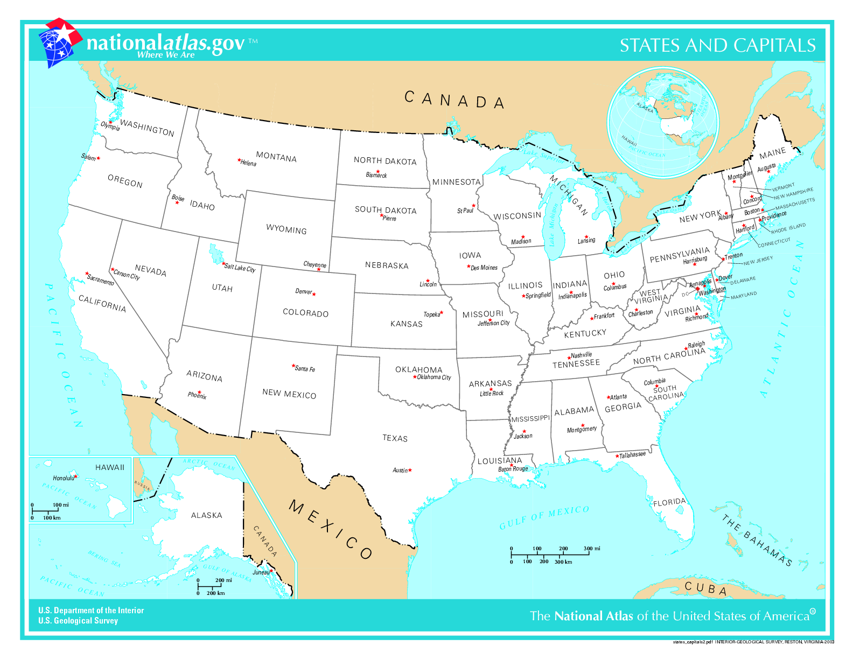
Location | x | y | D
Albany NY | 3050 | 880 | 817
Atlanta GA | 2600 | 450 | 421
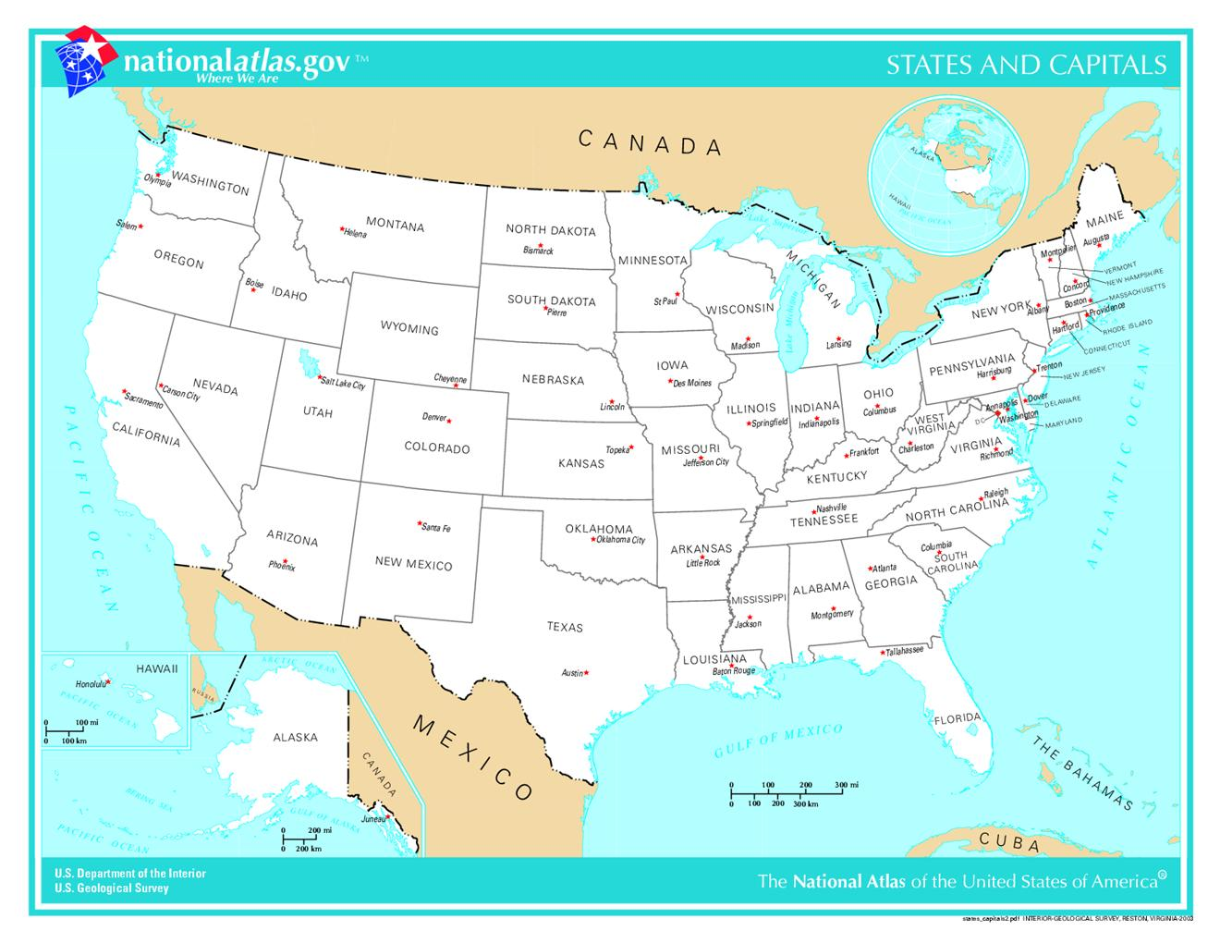
Chicago Il | 2280 | 750 | 63
Denver CO | 1250 | 700 | 1,005 | 0
Olympia WA | 330 | 1080 | 1,964
Orlando FL | 2850 | 220 | 759
Phoenix AZ | 750 | 450 | 1,525
Z Plant | 2,255.26 | 692.07 | 6,554

Use The USA Map

Surface chart USA
 | - | 200 | 400 | 600 | 800 | 1,000 | 1,200
- | 14,508 | 14,009 | 13,643 | 13,429 | 13,378 | 13,513 | 13,869
200 | 13,355 | 12,801 | 12,393 | 12,153 | 12,085 | 12,195 | 12,606
400 | 12,275 | 11,658 | 11,201 | 10,957 | 10,917 | 11,048 | 11,518
600 | 11,297 | 10,608 | 10,076 | 9,861 | 9,913 | 10,175 | 10,681
800 | 10,455 | 9,722 | 9,118 | 8,937 | 9,058 | 9,400 | 9,951
1,000 | 9,769 | 9,041 | 8,492 | 8,238 | 8,335 | 8,727 | 9,322
1,200 | 9,224 | 8,510 | 7,968 | 7,642 | 7,721 | 8,180 | 8,810
1,400 | 8,801 | 8,102 | 7,583 | 7,295 | 7,370 | 7,796 | 8,426
1,600 | 8,486 | 7,798 | 7,309 | 7,076 | 7,155 | 7,540 | 8,158
1,800 | 8,266 | 7,577 | 7,097 | 6,881 | 6,970 | 7,360 | 7,990
2,000 | 8,142 | 7,432 | 6,936 | 6,707 | 6,809 | 7,245 | 7,919
2,200 | 8,124 | 7,378 | 6,850 | 6,589 | 6,688 | 7,235 | 7,971
2,400 | 8,238 | 7,446 | 6,887 | 6,675 | 6,852 | 7,423 | 8,185
2,600 | 8,525 | 7,694 | 7,094 | 7,018 | 7,286 | 7,825 | 8,575
2,800 | 9,041 | 8,171 | 7,752 | 7,675 | 7,889 | 8,394 | 9,136
3,000 | 9,849 | 9,106 | 8,702 | 8,576 | 8,661 | 9,130 | 9,879
3,200 | 10,872 | 10,246 | 9,856 | 9,702 | 9,774 | 10,169 | 10,826

Surface chart USA with map
 | - | 200 | 400 | 600 | 800 | 1,000 | 1,200
- | 14,508 | 14,009 | 13,643 | 13,429 | 13,378 | 13,513 | 13,869
200 | 13,355 | 12,801 | 12,393 | 12,153 | 12,085 | 12,195 | 12,606
400 | 12,275 | 11,658 | 11,201 | 10,957 | 10,917 | 11,048 | 11,518
600 | 11,297 | 10,608 | 10,076 | 9,861 | 9,913 | 10,175 | 10,681
800 | 10,455 | 9,722 | 9,118 | 8,937 | 9,058 | 9,400 | 9,951
1,000 | 9,769 | 9,041 | 8,492 | 8,238 | 8,335 | 8,727 | 9,322
1,200 | 9,224 | 8,510 | 7,968 | 7,642 | 7,721 | 8,180 | 8,810
1,400 | 8,801 | 8,102 | 7,583 | 7,295 | 7,370 | 7,796 | 8,426
1,600 | 8,486 | 7,798 | 7,309 | 7,076 | 7,155 | 7,540 | 8,158
1,800 | 8,266 | 7,577 | 7,097 | 6,881 | 6,970 | 7,360 | 7,990
2,000 | 8,142 | 7,432 | 6,936 | 6,707 | 6,809 | 7,245 | 7,919
2,200 | 8,124 | 7,378 | 6,850 | 6,589 | 6,688 | 7,235 | 7,971
2,400 | 8,238 | 7,446 | 6,887 | 6,675 | 6,852 | 7,423 | 8,185
2,600 | 8,525 | 7,694 | 7,094 | 7,018 | 7,286 | 7,825 | 8,575
2,800 | 9,041 | 8,171 | 7,752 | 7,675 | 7,889 | 8,394 | 9,136
3,000 | 9,849 | 9,106 | 8,702 | 8,576 | 8,661 | 9,130 | 9,879
3,200 | 10,872 | 10,246 | 9,856 | 9,702 | 9,774 | 10,169 | 10,826

USA Location w scroll bars
location | x | y | D
Albany NY | 3050 | 880 | 820
Atlanta GA | 2600 | 450 | 430
Chicago Il | 2280 | 750 | 58
Denver CO | 1250 | 700 | 1,000 | 0
Olympia WA | 330 | 1080 | 1,957
Orlando FL | 2850 | 220 | 768
Phoenix AZ | 750 | 450 | 1,521
Z Plant | 2,250.00 | 700.00 | 6,555

Use The USA Map

 |  |  |  |  | 6,555 | 0 | 200 | 400 | 600 | 800 | 1000 | 1200
 |  |  |  |  | 0 | 14508.323877 | 14009.046531 | 13643.411093 | 13428.640618 | 13377.890507 | 13513.479336 | 13868.613782
 |  |  |  |  | 200 | 13355.164765 | 12801.222112 | 12392.606416 | 12153.044112 | 12085.217658 | 12194.595502 | 12605.832858
 |  |  |  |  | 400 | 12275.27151 | 11657.945906 | 11201.129254 | 10956.856013 | 10916.710488 | 11047.74975 | 11518.141609
 |  |  |  |  | 600 | 11296.616541 | 10608.106324 | 10076.109096 | 9860.6177637 | 9913.4060052 | 10174.629681 | 10680.573854
 |  |  |  |  | 800 | 10455.094984 | 9722.0577529 | 9118.1970629 | 8936.9782289 | 9058.0614288 | 9399.554138 | 9951.1666711
 |  |  |  |  | 1000 | 9768.581384 | 9041.120725 | 8492.0353861 | 8238.4348031 | 8334.6875461 | 8726.72133 | 9322.4682273
 |  |  |  |  | 1200 | 9223.6667478 | 8509.9966461 | 7968.3617297 | 7642.4159167 | 7720.7823983 | 8180.1237298 | 8810.1714822
 |  |  |  |  | 1400 | 8801.1956679 | 8102.0925008 | 7582.7431748 | 7294.6791073 | 7369.603009 | 7795.5652443 | 8425.5327848
 |  |  |  |  | 1600 | 8485.8303617 | 7798.4715626 | 7309.3503564 | 7075.6270863 | 7155.2720014 | 7540.0427769 | 8158.2313911
 |  |  |  |  | 1800 | 8266.4991087 | 7577.2598184 | 7097.2723239 | 6880.5156669 | 6970.1518216 | 7359.7877329 | 7989.668987
 |  |  |  |  | 2000 | 8141.8122701 | 7432.1790775 | 6935.5716025 | 6707.0987584 | 6809.1464931 | 7245.1286266 | 7918.8459814
 |  |  |  |  | 2200 | 8123.7670577 | 7377.9773155 | 6849.6718074 | 6588.6662655 | 6688.4905936 | 7235.0825074 | 7971.1381494
 |  |  |  |  | 2400 | 8238.2669239 | 7446.3447138 | 6886.9161864 | 6674.8861099 | 6852.0193231 | 7423.3119264 | 8184.7380753
 |  |  |  |  | 2600 | 8525.2687391 | 7693.568426 | 7093.5156742 | 7018.2382714 | 7286.2430052 | 7825.2557355 | 8574.7742801
 |  |  |  |  | 2800 | 9040.8464527 | 8171.3259841 | 7752.2592577 | 7674.7546101 | 7888.8561563 | 8393.6783537 | 9135.6904805
 |  |  |  |  | 3000 | 9848.9556945 | 9106.0521966 | 8701.8947857 | 8576.2746945 | 8661.2195817 | 9129.5069115 | 9878.7851158
 |  |  |  |  | 3200 | 10872.362767 | 10246.473134 | 9855.7816157 | 9701.8976588 | 9774.463818 | 10169.356762 | 10826.479004

 |  |  |  |  |  | - | 200 | 400 | 600 | 800 | 1,000 | 1,200
 |  |  |  |  | - | 14,508 | 14,009 | 13,643 | 13,429 | 13,378 | 13,513 | 13,869
 |  |  |  |  | 200 | 13,355 | 12,801 | 12,393 | 12,153 | 12,085 | 12,195 | 12,606
 |  |  |  |  | 400 | 12,275 | 11,658 | 11,201 | 10,957 | 10,917 | 11,048 | 11,518
 |  |  |  |  | 600 | 11,297 | 10,608 | 10,076 | 9,861 | 9,913 | 10,175 | 10,681
 |  |  |  |  | 800 | 10,455 | 9,722 | 9,118 | 8,937 | 9,058 | 9,400 | 9,951
 |  |  |  |  | 1,000 | 9,769 | 9,041 | 8,492 | 8,238 | 8,335 | 8,727 | 9,322
 |  |  |  |  | 1,200 | 9,224 | 8,510 | 7,968 | 7,642 | 7,721 | 8,180 | 8,810
 |  |  |  |  | 1,400 | 8,801 | 8,102 | 7,583 | 7,295 | 7,370 | 7,796 | 8,426
 |  |  |  |  | 1,600 | 8,486 | 7,798 | 7,309 | 7,076 | 7,155 | 7,540 | 8,158
 |  |  |  |  | 1,800 | 8,266 | 7,577 | 7,097 | 6,881 | 6,970 | 7,360 | 7,990
 |  |  |  |  | 2,000 | 8,142 | 7,432 | 6,936 | 6,707 | 6,809 | 7,245 | 7,919
 |  |  |  |  | 2,200 | 8,124 | 7,378 | 6,850 | 6,589 | 6,688 | 7,235 | 7,971
 |  |  |  |  | 2,400 | 8,238 | 7,446 | 6,887 | 6,675 | 6,852 | 7,423 | 8,185
 |  |  |  |  | 2,600 | 8,525 | 7,694 | 7,094 | 7,018 | 7,286 | 7,825 | 8,575
 |  |  |  |  | 2,800 | 9,041 | 8,171 | 7,752 | 7,675 | 7,889 | 8,394 | 9,136
 |  |  |  |  | 3,000 | 9,849 | 9,106 | 8,702 | 8,576 | 8,661 | 9,130 | 9,879
 |  |  |  |  | 3,200 | 10,872 | 10,246 | 9,856 | 9,702 | 9,774 | 10,169 | 10,826

