organisations_raw
Top 51 organisations_raw
organisation | count
AIMMS | 1160
Theoretical Chemistry | 280
Chemistry and Pharmaceutical Sciences | 151
Systems Bioinformatics | 150
University of Amsterdam | 107
Medicinal chemistry | 104
BioAnalytical Chemistry | 103
Vrije Universiteit Amsterdam | 94
Organic Chemistry | 91
Molecular Cell Physiology | 89
E&H: Environmental Chemistry and Toxicology | 84
Utrecht University | 71
Molecular and Computational Toxicology | 67
Leiden University | 67
VU University | 66
Molecular Microbiology | 65
E&H: Environmental Health and Toxicology | 57
The Netherlands. | 53
E&H: Environmental Bioanalytical Chemistry | 53
Bioinformatics | 52
University of Antwerp | 50
Radboud University Nijmegen | 43
Amsterdam | 41
Department of Chemistry | 34
VU University Medical Center | 31
Amsterdam Neuroscience - Cellular & Molecular Mechanisms | 31
Deltares | 30
University of Würzburg | 29
Molecular and Cellular Neurobiology | 29
Integrative Bioinformatics | 28
Amsterdam Institute for Molecules | 28
Medicines and Systems | 27
Environment and Health | 27
Center for Neurogenomics and Cognitive Research | 27
Wageningen University & Research | 26
University of Groningen | 26
Stockholm University | 25
Germany. | 25
Liverpool School of Tropical Medicine | 24
University of Queensland | 23
University of Oxford | 23
University of Konstanz | 23
Molecular Cell Biology | 23
Vrije Universiteit | 20
Science & Business Innovation | 20
Italian Institute of Technology | 20
University of Stellenbosch | 19
LaserLaB - Molecular Biophysics | 19
Bio Informatics (IBIVU) | 19
European Molecular Biology Laboratory | 18
Imperial College London | 17
Department of Biology | 17
Technical University of Denmark | 16
Karolinska Institutet | 16
ICREA | 16
University of Genoa | 15
Dortmund University | 15
Delft University of Technology | 15
Amsterdam Neuroscience - Neurodegeneration | 15
Uppsala University | 14
University of Manchester | 14
University of Helsinki | 14
UK. | 14
King's College London | 14
KU Leuven | 14
Inc. | 14
Functional Genomics | 14
University of Oslo | 13
University of Leicester | 13
Theoretical Life Sciences | 13
Structural Biology | 13
Norwegian Institute for Water Research | 13
Masaryk University | 13
Ghent University | 13
Department of Biochemistry | 13
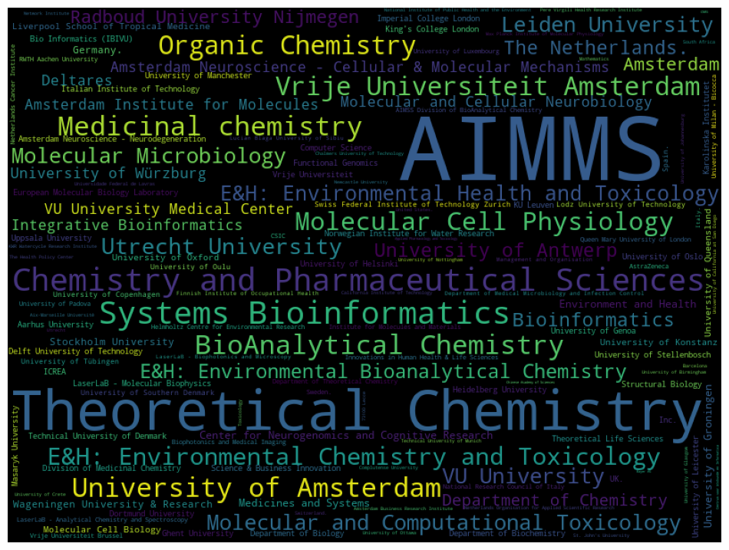
Computer Science | 13
Aarhus University | 13
University of Tübingen | 12
University of Southern Denmark | 12
University of Oulu | 12
University of Copenhagen | 12
Swiss Federal Institute of Technology Zurich | 12
Spain. | 12
Lodz University of Technology | 12
Heidelberg University | 12
Division of Medicinal Chemistry | 12
Vrije Universiteit Brussel | 11
University of Padova | 11
University of Milan - Bicocca | 11
University of Luxembourg | 11
Sweden. | 11
RWTH Aachen University | 11
Queen Mary University of London | 11
Netherlands Cancer Institute | 11
National Research Council of Italy | 11
LaserLaB - Analytical Chemistry and Spectroscopy | 11
Institute for Molecules and Materials | 11
Innovations in Human Health & Life Sciences | 11
Helmholtz Centre for Environmental Research | 11
Department of Theoretical Chemistry | 11
CSIC | 11
AstraZeneca | 11
AIMSS Division of BioAnalytical Chemistry | 11
University of Ottawa | 10
University of Glasgow | 10
University of Crete | 10
University of California at San Diego | 10
The Health Policy Center | 10
St. John's University | 10
Newcastle University | 10
Netherlands Organisation for Applied Scientific Research | 10
National Institute of Public Health and the Environment | 10
Max Planck Institute of Molecular Physiology | 10
Management and Organisation | 10
Lucian Blaga University of Sibiu | 10
LaserLaB - Biophotonics and Microscopy | 10
Italy. | 10
Finnish Institute of Occupational Health | 10
Department of Medical Microbiology and Infection Control | 10
Biophotonics and Medical Imaging | 10
Utrecht | 9
University of Nottingham | 9
University of Johannesburg | 9
University of Birmingham | 9
Universidade Federal de Lavras | 9
United States. | 9
Toxicology | 9
Technical University of Munich | 9
Switzerland. | 9
South Africa | 9
Pere Virgili Health Research Institute | 9
Network Institute | 9
Mathematics | 9
KWR Watercycle Research Institute | 9
Complutense University | 9
Chalmers University of Technology | 9
California Institute of Technology | 9
Barcelona | 9
Amsterdam Business Research Institute | 9
via per Arnesano | 8
Yoba for Life foundation | 8
University of Warsaw | 8
University of Toronto | 8
University of Southern California | 8
University of Milan | 8
University of Girona | 8
University of Barcelona | 8
Universidad Rovira i Virgili | 8
United States Environmental Protection Agency | 8
Swedish University of Agricultural Sciences | 8
Stanford University | 8
Naturalis National Museum of Natural History | 8
Maastricht University | 8
European Commission Joint Research Centre Institute | 8
Division of BioAnalytical Chemistry | 8
Department of Environmental Science and Analytical Chemistry (ACES) | 8
Chinese Academy of Sciences | 8
Centrum voor Wiskunde en Informatica | 8
CNRS | 8
Bayer AG | 8
Applied Pharmacology and Toxicology | 8
Aix-Marseille Université | 8
73100 Lecce | 8
Western University | 7
University of Washington | 7
University of Perugia | 7
University of Kent | 7
University of Connecticut | 7
University of Cambridge | 7
UiT The Arctic University of Norway | 7
Theoretical Computer Science | 7
Swiss Federal Institute of Aquatic Science and Technology | 7
Radboud University | 7
Queensland Alliance for Environmental Health Sciences (QAEHS) | 7
Pharmaceutical and Analytical Development | 7
Norwegian University of Life Sciences | 7
NIZO food research | 7
Makerere University | 7
Johns Hopkins University | 7
Instituto Espanol de Oceanografia | 7
Institut français de recherche pour l'exploitation de la mer | 7
INRAE | 7
Hungarian Academy of Sciences | 7
Harvard University | 7
Flemish Institute for Technological Research | 7
Dipartimento di Chimica | 7
Department of Pathology | 7
Department of Environment and Health | 7
China. | 7
Biophysics Photosynthesis/Energy | 7
Belgium. | 7
1081 HV Amsterdam | 7
Yale University | 6
University of Rostock | 6
University of Rome Tor Vergata | 6
University of Pretoria | 6
University of Pisa | 6
University of Michigan | 6
University of Lisbon | 6
University of Gothenburg | 6
University of Duisburg-Essen | 6
University College London | 6
Universidade de São Paulo | 6
USA. | 6
School of Pharmacy | 6
School of Chemistry | 6
Norwegian University of Science and Technology | 6
National University of Singapore | 6
National Institutes of Health | 6
Janssen Vaccines & Prevention B.V. | 6
Integrative Neurophysiology | 6
Institute for Microelectronics and Microsystems (CNR-IMM) | 6
Institut national de l'environnement industriel et des risques | 6
Innsbruck Medical University | 6
Humboldt University of Berlin | 6
Department of Physics | 6
Department of Microbiology and Immunology | 6
De Boelelaan 1087 | 6
Complex Trait Genetics | 6
ComUE Paris-Saclay | 6
Columbia University | 6
Chemistry and Biology | 6
Centre for Analytical Sciences Amsterdam (CASA) | 6
Boston | 6
Babraham Institute | 6
AstraZeneca Sweden | 6
Ann Arbor | 6
Örebro University | 5
Yeshiva University | 5
Université Libre de Bruxelles | 5
University of the Witwatersrand | 5
University of Utah | 5
University of Santiago de Compostela | 5
University of North Carolina at Chapel Hill | 5
University of Melbourne | 5
University of Liverpool | 5
University of Lausanne | 5
University of Edinburgh | 5
University of California at Los Angeles | 5
Universiteit Leiden | 5
Universite de Lille 2 | 5
Universidad Autónoma de Madrid | 5
United Kingdom. | 5
The Water Laboratory | 5
Technical University of Braunschweig | 5
TI-COAST | 5
TI Food and Nutrition | 5
Swiss Federal Institute of Technology Lausanne | 5
Swiss Federal Institute of Technology | 5
Svante Arrhenius väg 8 | 5
ShanghaiTech University | 5
Portugal. | 5
Physical Chemistry | 5
Paris | 5
Organization Sciences | 5
Organization & Processes of Organizing in Society (OPOS) | 5
Organic Synthesis | 5
Norwegian Institute of Public Health | 5
Norwegian Institute for Air Research | 5
Netherlands eScience Center | 5
Leiden University Medical Center - LUMC | 5
Kyambogo acad | 5
Konstanz | 5
King Abdullah University of Science and Technology | 5
Johannesburg | 5
Jinan University | 5
Icahn School of Medicine at Mount Sinai | 5
Hinxton | 5
Heinrich Heine University Düsseldorf | 5
German Center for Infection Research (DZIF) | 5
Fundação Oswaldo Cruz | 5
France. | 5
Erasmus University Rotterdam | 5
Department of Water and Sanitation | 5
Department of Nanochemistry | 5
Department of Chemistry and Pharmaceutical Sciences | 5
Department of Chemistry and Biochemistry | 5
Departamento de Química | 5
Denmark. | 5
DSM Food Specialties | 5
Chemical Genomics Centre of the Max Planck Society | 5
Charité – Universitätsmedizin Berlin | 5
Centre for the Environment Fisheries and Aquaculture Science | 5
Amsterdam UMC | 5
Amsterdam Neuroscience - Complex Trait Genetics | 5
Amsterdam Neuroscience - Brain Imaging | 5
Akvaplan-niva | 5
10691 Stockholm | 5
the Netherlands. | 4
Yoba for Life Foundation | 4
Waternet Institute for the Urban Water Cycle | 4
Virginia Polytechnic Institute and State University | 4
Université de Rennes 1 | 4
Université de Montpellier | 4
Università del Salento | 4
University of the Basque Country | 4
University of Zurich | 4
University of Tartu | 4
University of Sheffield | 4
University of Minho | 4
University of Geneva | 4
University of East Anglia | 4
University of California at Irvine | 4
University of British Columbia | 4
University of Basel | 4
U.K. | 4
Technology and Research | 4
Technical University of Madrid | 4
Section Molecular Microbiology | 4
Science Park 904 | 4
School of Chemistry and Molecular Biosciences | 4
Sanquin Blood Supply Foundation | 4
Ruder Boskovic Institute | 4
Roodeplaat | 4
Resource Quality Information Services | 4
Pompeu Fabra University | 4
Photo Conversion Materials | 4
P. Bag X313 | 4
North Carolina State University | 4
Netherlands. | 4
Netherlands EScience Centre | 4
Naturalis Biodiversity Center | 4
NOVA University Lisbon | 4
NANOTEC-CNR Istituto di Nanotecnologia | 4
Microbiology and Systems Biology | 4
Merck KGaA | 4
McGill University | 4
Martin Luther University Halle-Wittenberg | 4
MA | 4
Leiden | 4
LaserLaB - Energy | 4
Kristiania University College | 4
Jaume I University | 4
Institut national de la santé et de la recherche médicale | 4
Inc. Gainesville | 4
IBM | 4
Hokkaido University | 4
Griffith University Queensland | 4
Fudan University | 4
Friedrich Schiller University Jena | 4
Faculty of Applied Engineering | 4
European Bioinformatics Institute | 4
Econometrics and Operations Research | 4
ELIXIR Hub | 4
Division of Drug Discovery and Safety | 4
Dipartimento di Matematica e Fisica 'E. De Giorgi' | 4
Department of Theoretical Chemistry and Amsterdam Center for Multiscale Modeling (ACMM) | 4
Department of Pharmacology | 4
Department of Pharmaceutics | 4
Department of Molecular and Cellular Neurobiology | 4
Department of Medical Oncology | 4
Department of Medical Microbiology and Infection Prevention | 4
Department of Computing and Mathematical Sciences | 4
Department of Chemistry and Chemical Biology | 4
Departament de Química Inorgànica i Orgànica and IQTCUB | 4
De Boelelaan 1083 | 4
Crystal and Structural Chemistry | 4
Chr. Hansen AS | 4
Brunel University London | 4
Broad Institute | 4
Bacterial Cell Biology | 4
Analytical Chemistry Group | 4
Amsterdam Neuroscience | 4
Alistair Reid Venom Research Unit | 4
Agency for Science | 4
78457 | 4
44227 Dortmund | 4
1066 CX | 4
0001 Pretoria | 4
École nationale vétérinaire | 3
agroalimentaire et de l'alimentation | 3
ZoBio B.V. | 3
Wellcome Trust | 3
Wellcome Genome Campus | 3
Weill Cornell Medicine | 3
Wageningen | 3
Vienna University of Technology | 3
Vienna | 3
Van 't Hoff Institute for Molecular Sciences | 3
VU University Amsterdam | 3
Université de technologie de Compiègne | 3
Université de Strasbourg | 3
Université Paul Sabatier | 3
Université Paris-Saclay | 3
University of Western Australia | 3
University of Virginia | 3
University of Vienna | 3
University of Tasmania | 3
University of Surrey | 3
University of Southampton | 3
University of Parma | 3
University of Palermo | 3
University of Nebraska-Lincoln | 3
University of Nebraska | 3
University of Natural Resources and Life Sciences | 3
University of Ljubljana | 3
University of Indonesia | 3
University of Illinois at Urbana-Champaign | 3
University of Hradec Kralove | 3
University of Hamburg | 3
University of Greifswald | 3
University of Florence | 3
University of Exeter | 3
University of Coimbra | 3
University of California at Davis | 3
University of Alberta | 3
Universidade de Franca | 3
Universidade Estadual de Campinas | 3
United Kingdom of Great Britain and Northern Ireland | 3
Unit for Integrated Mycobacterial Pathogenomics | 3
Unilever | 3
Tufts University | 3
Toxicological Centre | 3
Tinbergen Institute | 3
Teva Pharmaceutical Industries Ltd. | 3
Telethon Kids Institute | 3
Synthetic Systems Biology and Nuclear Organization | 3
Swiss Institute of Bioinformatics | 3
Swiss Federal Laboratories for Materials Science and Technology (Empa) | 3
Stockholm | 3
South Africa. | 3
Sosei Heptares | 3
Sorbonne Université | 3
Shell Global Solutions International BV | 3
Shanghai 201203 | 3
Science for Life Laboratory | 3
School of Medicine | 3
School of Life Science and Technology | 3
School of Food Technology Nutrition and Bioengineering | 3
School of Biosciences | 3
SYSBIO Centre of Systems Biology | 3
Rotterdam | 3
Rockefeller University | 3
Research Centre for Toxic Compounds in the Environment | 3
Research Centre for Natural Sciences | 3
Research Centre for Drugs and Diagnostics | 3
Queen's University Belfast | 3
Pacific Northwest National Laboratory | 3
PATH Seattle | 3
P.O. Box 7062 Kampala | 3
Operations Analytics | 3
Núcleo de Pesquisa em Ciências Exatas e Tecnológicas | 3
Nantes-Atlantique | 3
NC. | 3
NC | 3
Monash University | 3
Medical University of Łódź | 3
Medical Research Council | 3
Max Planck Institute of Colloids and Interfaces | 3
Max Planck Institute for Dynamics of Complex Technical Systems | 3
MTM Research Centre | 3
Luxembourg Centre for Systems Biomedicine (LCSB) | 3
Ludwig Maximilian University of Munich | 3
Leuven | 3
Lange Kleiweg 40 | 3
Kyushu University | 3
Kyushu Institute of Technology | 3
Korea Advanced Institute of Science and Technology | 3
Kiel University | 3
Jagiellonian University in Kraków | 3
Instituto de Salud Carlos III | 3
Institute for Systems Biology | 3
Institute for Molecular Bioscience | 3
Institut de Química Computacional i Catàlisi and Departament de Química | 3
Institut Pasteur Paris | 3
Institut Curie | 3
Ifremer | 3
IHuman Institute | 3
German Electron Synchrotron | 3
German Cancer Research Center | 3
Flanders Institute for Biotechnology | 3
Faculty of Sciences | 3
Faculty of Science | 3
Environmental Institute (EI) | 3
Eindhoven University of Technology | 3
Edelweiss Connect GmbH | 3
Duke University | 3
Division of Toxicology | 3
Diabetes and Nutritional Sciences Division | 3
Department of Synthesis and Technology of Drugs | 3
Department of Pharmaceutical Chemistry | 3
Department of Pediatrics | 3
Department of Molecular Cell Biology and Immunology | 3
Department of Microbiology | 3
Department of Medicinal Chemistry | 3
Department of Life Sciences | 3
Department of In Vitro Toxicology and Dermato-Cosmetology | 3
Department of Hormone Biochemistry | 3
Department of Functional Genomics | 3
Department of Food Technology and Nutrition | 3
Department of Computer Science | 3
Department of Clinical Genetics | 3
Department of Chemistry & Pharmaceutical Sciences | 3
Department of Biotechnology | 3
Department of Biosciences | 3
Department of Biological Sciences | 3
Department of Biochemistry and Biophysics | 3
Deakin University | 3
Czech Academy of Sciences | 3
Cornell University | 3
College of Agricultural and Environmental Sciences | 3
Certara | 3
Centre for Analytical Sciences Amsterdam | 3
Catholic University of the Sacred Heart | 3
Canadian R and D Centre for Human Microbiome and Probiotics | 3
Cambridge | 3
CNR-ISTM | 3
CAS - Shanghai Institute of Materia Medica | 3
Bridge Institute | 3
Boehringer Ingelheim GmbH | 3
Biomolecular Analysis | 3
Barcelona Institute of Science and Technology (BIST) | 3
Baltimore | 3
Australian Rivers Institute | 3
Auckland Bioengineering Institute | 3
Analytical Chemistry Facility | 3
Amsterdam UMC Location VUMC | 3
Abera Bioscience AB | 3
AIMMS Divison of BioMolecular Analysis | 3
2288 GK Rijswijk | 3
1098 XH Amsterdam | 3
1081 HV | 3
the Van't Hoff Institute for Molecular Sciences | 2
the Netherlands | 2
Yeditepe University | 2
Xbrane Biopharma AB | 2
Winston-Salem | 2
Wellcome Sanger Institute | 2
Wayne State University | 2
Watercycle Research Institute | 2
WatchFrog S.A. | 2
Wageningen University and Research | 2
Vitens Drinking Water Company | 2
Vilnius University | 2
Vernalis PLC | 2
VU Medical Center | 2
Utah State University | 2
Université Paris-Est Créteil | 2
Universität Würzburg | 2
Universität Wien | 2
Università della Svizzera italiana | 2
University of the West of Scotland | 2
University of York | 2
University of Wisconsin-Madison | 2
University of Victoria BC | 2
University of Twente | 2
University of Turku | 2
University of Texas at Arlington | 2
University of Texas Southwestern Medical Center | 2
University of Sydney | 2
University of Salento | 2
University of Rome La Sapienza | 2
University of Porto | 2
University of Pittsburgh | 2
University of Pennsylvania | 2
University of North Carolina School of Medicine | 2
University of Naples Federico II | 2
University of Mauritius | 2
University of Maryland | 2
University of Liege | 2
University of Kaiserslautern | 2
University of Jyväskylä | 2
University of Iceland | 2
University of Hawaii at Mānoa | 2
University of Göttingen | 2
University of Freiburg | 2
University of Eastern Finland | 2
University of Detroit Mercy | 2
University of Córdoba | 2
University of Colorado Boulder | 2
University of Campania Luigi Vanvitelli | 2
University of California at Berkeley | 2
University of Bergamo | 2
University of Bath | 2
University of Auckland | 2
University of Arkansas for Medical Sciences | 2
University of Aberdeen | 2
University Lille | 2
Universiteé Paris Descartes | 2
Universitat Pompeu Fabra | 2
Universitaetsstr. 10 | 2
Universita Campus Bio-Medico di Roma | 2
Universidade Federal de São Carlos | 2
Universidad de la República | 2
Universidad Nacional del Nordeste | 2
Universidad Nacional Autonoma de Mexico | 2
Universidad Autónoma de Chile | 2
United States Food and Drug Administration | 2
United States Department of Energy | 2
Uganda. meemerehema@gmail.com. | 2
Uganda Industrial Research Institute (UIRI) | 2
Toxicological Center | 2
Tohoku University | 2
Theodore Bilharz Research Institute | 2
TheNetherlands. | 2
The University of Queensland | 2
The University of Auckland | 2
The Systems Biology Institute Tokyo | 2
The Netherlands Cancer Institute | 2
The National Research Centre for Environmental Toxicology (Entox) | 2
The Manchester Centre for Integrative Systems Biology | 2
The Florey Institute of Neuroscience and Mental Health | 2
Texas Tech University | 2
Texas A&M University | 2
Sungkyunkwan University | 2
Subsurface and Groundwater Systems | 2
Structural Biology Brussels | 2
Stress & Sleep | 2
Stellenbosch University | 2
Steinbeis SU-1866 | 2
State Key Laboratory of Drug Research | 2
St. Petersburg State University | 2
St. Antonius Ziekenhuis | 2
Space Telescope Science Institute | 2
Sorbonne Paris Citeé | 2
Slovak Medical University | 2
Simcyp Limited (a Certara Company) | 2
Simcyp Division | 2
SilicoLife Lda. | 2
Sight and Life Foundation | 2
Sheffield S2 4SU | 2
Sheffield | 2
Sharif University of Technology | 2
Shanghai Institute of Materia Medica | 2
Shanghai 201210 | 2
Shandong University | 2
Seattle | 2
School of Health Systems and Public Health | 2
School of Biological Sciences | 2
Samsung R&D Institute Poland | 2
Ruhr University Bochum | 2
Rio de Janeiro | 2
Radboud Universiteit | 2
Qatar University | 2
QLD 4108 | 2
Psychosis | 2
Pretoria | 2
Polytechnic University of Valencia | 2
Polytechnic University of Catalonia | 2
Plesmanlaan 121 | 2
Physics and Chemistry of Nanostructures group | 2
Physics and Chemistry of Nanostructures | 2
Pharmaceuticals Division | 2
Pennsylvania State University | 2
Oxford Brookes University | 2
Otto von Guericke University Magdeburg | 2
Optoelectronic Materials Section | 2
Ontario Institute for Cancer Research | 2
Okinawa Institute of Science and Technology Graduate University | 2
Oak Ridge National Laboratory | 2
Novartis | 2
Norwegian University of Life Sciences (NMBU) | 2
Nigeria. | 2
Nicholas School of the Environment | 2
New York University | 2
Netherlands Institute for Neuroscience | 2
Netherlands Institute for Developmental Biology | 2
Nestle | 2
National and Kapodistrian University of Athens | 2
National Taiwan University | 2
National Institute of Standards and Technology | 2
National Institute for Public Health and the Environment (RIVM) | 2
National Institute for Biological Standards and Control | 2
National Center for Computational Toxicology | 2
Nagoya University | 2
Müllerstrasse 178 | 2
Municipal Health Service of Amsterdam | 2
Molecular Enzyme Technology and Biochemistry (MEB) | 2
Models for Ecotoxicology and Toxicology Unit (DRC/VIVA/METO) | 2
Modelling of Biological Process | 2
Memorial University of Newfoundland | 2
Memorial Sloan-Kettering Cancer Center | 2
Member of Merck Group | 2
Medicines and Systems (AIMMS) | 2
Medical University of Innsbruck | 2
Medical Microbiology and Infection Control | 2
Max Delbrück Center for Molecular Medicine in the Helmholtz Association | 2
Materials Characterization Facility | 2
Marmara University | 2
Marine Scotland Science | 2
MA. | 2
Lund University | 2
Ltd. | 2
Los Angeles | 2
London | 2
Liverpool John Moores University | 2
Life Sciences and Health Group | 2
Leiden University Medical Center | 2
Leibniz Institute for Neurobiology | 2
Leeds LS11 5PS | 2
Lancaster University | 2
Labratory for Nanoelectronics | 2
Laboratory of Pediatric Infectious Diseases | 2
Laboratory of Food Microbiology | 2
Laboratory of Ecotoxicology | 2
Laboratory for Thin Films and Photovoltaics | 2
Laboratoire de Biomécanique et Bio-Ingénierie | 2
Lab. de Química Inorgánica y Materiales Moleculares | 2
LLC | 2
Karlstad University | 2
Kantisto BV | 2
Kansas State University | 2
KWR Water Research Institute | 2
KTH Royal Institute of Technology | 2
KIN Center for Digital Innovation | 2
Jülich Research Centre | 2
Joint Research Centre | 2
J. Stefan Institute | 2
Intrinsik Corp. | 2
Instituto Gulbenkian de Ciencia | 2
Institute of Molecular Systems Biology | 2
Institute of Infection | 2
Institute of Applied Synthetic Chemistry | 2
Institute for Risk Assessment Sciences (IRAS) | 2
Institute for Risk Assessment Sciences | 2
Institute for Research in Biomedicine | 2
Institute for Environmental Research | 2
Institute for Chemical and Bioengineering | 2
Institute for Biomedical Informatics (IBMI) | 2
Institut national de recherche en informatique et en automatique | 2
Institut de recherche pour le développement | 2
Institut Pasteur | 2
Institut National de l'Environnement Industriel et des Risques (INERIS) | 2
Institut Hospital del Mar d'Investigacions Mèdiques (IMIM) | 2
Inst. for Risk Assessment Sciences | 2
Inorganic Materials Chemistry | 2
Infrastructure for Systems Biology Europe (ISBE.IT) | 2
Indian Institute of Technology Indore | 2
Independent Researcher | 2
Inc | 2
In Vitro Toxicology and Biomedicine | 2
Impulsivity & Attention | 2
IVL Svenska Miljoinstitutet | 2
IRCCS Fondazione G.B. Bietti per lo studio e la ricerca in oftalmologia- Roma | 2
Hungary. | 2
Howard Hughes Medical Institute | 2
Helmholtz Zentrum München - German Research Center for Environmental Health | 2
Heidelberg Institute for Theoretical Studies | 2
Hanze University of Applied Sciences | 2
Hannover Medical School | 2
Groningen | 2
Griffin Discoveries BV | 2
Graz University of Technology | 2
Goethe University Frankfurt | 2
Global Alliance for Genomics and Health | 2
GlaxoSmithKline | 2
Germany. marcel.leist@uni-konstanz.de. | 2
Georgia State University | 2
Georgia Institute of Technology | 2
Geelong Hospital | 2
Gedeon Richter Plc | 2
Gebze Technical University | 2
GPCR Consortium | 2
Free Universities of Brussels | 2
Fraunhofer Institute for Molecular Biology and Applied Ecology | 2
Flanders Marine Institute | 2
Finland. | 2
Fine Mechanical Instrumentation and Engineering Group | 2
Faculty of Veterinary Medicine | 2
Faculty of Earth and Life Sciences | 2
Environmental Toxicology | 2
Einthoven Laboratory for Vascular and Regenerative Medicine | 2
ETH Zurich | 2
ESTEC | 2
EPF Lausanne | 2
Durham | 2
Division of Thrombosis and Hemostasis | 2
Division of Pharmacology | 2
Division of Molecular and Computational Toxicology | 2
Division of Molecular Carcinogenesis and Oncode Institute. The Netherlands Cancer Institute | 2
Division of Molecular Biology and Human Genetics | 2
Diseases of the Developing World | 2
Dirac Solutions | 2
Dipartimento di Scienze Chimiche | 2
Dipartimento di Ingegneria Civile Ed Ambientale | 2
Dept of Statistics and Quantitative Methods | 2
Dept of Informatics | 2
Department of Systems Biology and Bioinformatics | 2
Department of Surgery | 2
Department of Structural Biology | 2
Department of Organic and Macromolecular Chemistry | 2
Department of Neuroscience | 2
Department of Molecular and Cell Biology | 2
Department of Molecular Cell Physiology | 2
Department of Microbial Pathogenesis | 2
Department of Medicine | 2
Department of Infectious Diseases and Immunology | 2
Department of Experimental and Clinical Medicine | 2
Department of Experimental Immunology | 2
Department of Environmental Medicine | 2
Department of Electrical and Computer Engineering | 2
Department of Earth Sciences | 2
Department of Drug and Food Control | 2
Department of Drug Design and Pharmacology | 2
Department of Community Medicine | 2
Department of Chemistry and Applied Biosciences | 2
Department of Cellular and Molecular Medicine | 2
Department of Bionanoscience | 2
Department of Biomedical Sciences | 2
Department of Bioengineering | 2
Department of Aquatic Sciences and Assessment | 2
Department of Applied Stem Cell Technologies | 2
Department of Analytical Chemistry | 2
Department of Agricultural | 2
Department inaugurated by the Doerenkamp-Zbinden Foundation | 2
Department Environment and Health | 2
DdZ Ecotox | 2
Danone S.A. | 2
DSM Resolve | 2
D-13353 Berlin | 2
D-06120 Halle (Saale) | 2
Cyprotex Discovery Ltd | 2
Culham Science Centre | 2
Council for Scientific and Industrial Research | 2
Coopers Plains | 2
Concawe | 2
Chemistry and Chemical Engineering Research Center of Iran | 2
Chemistry Research Laboratory | 2
Chemistry & Chemical Engineering Research Center of Iran (CCERCI) | 2
Chapel Hill | 2
Centre of Membrane Proteins and Receptors | 2
Centre for Genomic Regulation | 2
Centre de recherches pétrographiques et géochimiques | 2
Center of Mathematics for Social Creativity | 2
Center for Biomolecular Nanotechnologies at UNILE | 2
Center for Biomolecular Nanotechnologies @UNILE | 2
Center for Analytical Sciences Amsterdam | 2
Center for Alternatives to Animal Testing (CAAT) | 2
Cefas | 2
Carleton University | 2
Cardno ChemRisk | 2
Cardiff University | 2
Cancer Centre | 2
Cancer Center Amsterdam | 2
Cambridge CB10 1SD | 2
California 90089 | 2
CSIRO | 2
CSC - IT Center for Science Ltd. | 2
CIBER - Center for Biomedical Research Network | 2
CAAT Europe | 2
Bureau de recherches géologiques et minières | 2
Brussels | 2
Box 657 | 2
Boehringer Ingelheim Pharma GmbH & Co.KG | 2
Blades Enterprise Centre | 2
Biochemistry and Molecular Biology | 2
Beijing Jiaotong University | 2
Basel | 2
Bar-Ilan University | 2
BBMRI-ERIC | 2
BASF | 2
Autonomous University of Barcelona | 2
Austria. | 2
Australian Centre for Research on Separation Science ACROSS | 2
Australia. | 2
Astex Pharmaceuticals | 2
Assistance publique - Hôpitaux de Marseille | 2
Arizona State University | 2
Aristotle University of Thessaloniki | 2
Argenx | 2
Anxiety | 2
Animal Sciences Unit - Aquatic Environment and Quality | 2
Animal Ecology | 2
Amsterdam. | 2
Amsterdam University of Applied Sciences | 2
Amsterdam Neuroscience - Mood | 2
Amsterdam Neuroscience - Compulsivity | 2
Amsterdam Movement Sciences | 2
Amsterdam Institute for Molecules Medicines and Systems (AIMMS) | 2
Alphabet Inc. | 2
Algorithmic Bioinformatics | 2
Albinusdreef 2 | 2
Agronomic Research Centre (AGACAL-CIAM) – Unit of Organic Contaminants | 2
Agilent Technologies | 2
Addenbrooke's Hospital | 2
393 Middle Huaxia Road | 2
39 Kessels Road | 2
3584CH | 2
3430 S. Vermont Avenue | 2
3000 | 2
2333 ZA | 2
08003 Barcelona | 2
École normale supérieure Paris-Saclay | 1
École des mines Paris | 1
Åbo Akademi University | 1
trenzyme GmbH | 1
the Netherlands Cancer Institute | 1
inVIVO Planetary Health of the Worldwide Universities Network (WUN) | 1
iHuman Institute | 1
glyXera GmbH | 1
eOdyn | 1
dept of Nursing Muni University Arua Uganda | 1
avenue de la MédecineUniversité Laval | 1
and Harvard Medical School | 1
Zwijnaarde | 1
Zweckverband Landeswasserversorgung | 1
Zoological Society of London Institute of Zoology | 1
Zoetis Inc. | 1
Zhengzhou University | 1
Zebrafishlab | 1
ZI La Varenne 20-22 rue Henri et Gilberte Goudier 63200 RIOM | 1
ZBH - Center for Bioinformatics | 1
Yonsei University | 1
Xenopat S.L. | 1
Wrocław University of Science and Technology | 1
Wrecclesham | 1
Worringerweg 1 | 1
World Maritime University | 1
Wits 2050 | 1
Williams College | 1
Wetland and Aquatic Research Center | 1
WestCHEM | 1
Weizmann Institute of Science | 1
Weinberg 3 | 1
Weill Cornell Medical College in Qatar | 1
Waters Corporation | 1
Water Research Institute | 1
Watchfrog S.A. | 1
Washington | 1
Waseda University | 1
Warsaw University of Technology | 1
Waltham | 1
Wake Forest University School of Medicine | 1
Wake Forest University | 1
Wagistrasse 27 | 1
WHO Collaborating Centre for Children's Health and Environment | 1
WFSR Wageningen Food Safety Research | 1
Vulture Conservation Foundation | 1
Vrije universiteit | 1
Vladimir-Prelog-Weg 1 | 1
Vitens drinking water company | 1
Vitens N.V. | 1
Virginia Mason Medical Center | 1
Vircell S.L. | 1
Vinca Minor Association | 1
Victoria University of Wellington | 1
Vestec | 1
Veolia Research & Innovation | 1
Vanderbilt University | 1
Van't Hoff Institute of Molecular Sciences | 1
Van Hall Larenstein University of Applied Sciences | 1
VU medical center | 1
VU University Amsterdam and VU Medical Center | 1
VU Amsterdam | 1
VID Specialized University | 1
VIB-VUB Center for Structural Biology | 1
VIB-KU Leuven Center for Brain and Disease Research | 1
UvA | 1
Utrecht Institute for Pharmaceutical Sciences | 1
Uppsala Center for Computational Chemistry | 1
Université de Tours | 1
Université de Toulouse | 1
Université de Paris | 1
Université de Cocody Abidjan | 1
Université de Bourgogne-Franche Comté | 1
Université d'Orléans | 1
Université d'Artois | 1
Université Paris-Est | 1
Université Paris 5 | 1
Université PSL | 1
Université Montpellier | 1
Université Côte d’Azur | 1
Université Cheikh Anta Diop de Dakar | 1
Université Artois | 1
Universität Hamburg | 1
Università degli Studi di Bari “Aldo Moro” | 1
University of Łódź | 1
University of the Sunshine Coast | 1
University of the South Pacific | 1
University of the Highlands and Islands | 1
University of the Azore | 1
University of Zambia | 1
University of Zagreb | 1
University of Wollongong | 1
University of Wisconsin-Whitewater | 1
University of Wisconsin-Milwaukee | 1
University of Veterinary and Animal Sciences | 1
University of Valladolid | 1
University of Valencia | 1
University of Tulsa | 1
University of Tokyo | 1
University of Texas Health Science Center at San Antonio | 1
University of Texas Health Science Center at Houston | 1
University of Szeged | 1
University of Stuttgart | 1
University of Strathclyde | 1
University of Stirling | 1
University of South Bohemia | 1
University of South Alabama | 1
University of Siena | 1
University of Seville | 1
University of Saõ Paulo | 1
University of Salzburg | 1
University of Regensburg | 1
University of Plymouth | 1
University of Pavia | 1
University of Pannonia | 1
University of Otago | 1
University of Ostrava | 1
University of Oldenburg | 1
University of North Dakota | 1
University of Newcastle | 1
University of New Mexico | 1
University of Nevada | 1
University of Navarra | 1
University of Münster | 1
University of Murcia | 1
University of Montréal | 1
University of Modena and Reggio Emilia | 1
University of Minnesota Twin Cities | 1
University of Miami | 1
University of Massachusetts Medical School | 1
University of Marburg | 1
University of Mannheim | 1
University of Manitoba | 1
University of Leeds | 1
University of Latvia | 1
University of Innsbruck | 1
University of Hormozgan | 1
University of Heidelberg | 1
University of Guelph | 1
University of Greenland | 1
University of Graz | 1
University of Granada | 1
University of Georgia | 1
University of Florida | 1
University of Finance and Economics | 1
University of Evora | 1
University of Electronic Science and Technology of China | 1
University of Dhaka | 1
University of Delaware | 1
University of Debrecen | 1
University of Cyprus | 1
University of Costa Rica | 1
University of Cologne | 1
University of Chinese Academy of Sciences | 1
University of Central Florida | 1
University of Castilla-La Mancha | 1
University of Canterbury | 1
University of California at San Francisco | 1
University of California San Diego | 1
University of California | 1
University of Calabria | 1
University of Bristol | 1
University of Brescia | 1
University of Bonn | 1
University of Bologna | 1
University of Bern | 1
University of Bergen | 1
University of Basilicata | 1
University of Bari | 1
University of Aveiro | 1
University of Applied Sciences Darmstadt | 1
University of Amsterdam and Vrije Universiteit Amsterdam | 1
University of Alicante | 1
University of Algarve | 1
University of Alcalá | 1
University of A Coruna | 1
University Paris Descartes | 1
University Medical Centre Utrecht | 1
University MC | 1
University London | 1
University Library | 1
University Hospitals Birmingham NHS Foundation Trust | 1
University Health Network | 1
University College Roosevelt | 1
University College Dublin | 1
University College Cork | 1
University College | 1
Universities of Birmingham and Nottingham | 1
Universities Montpellier | 1
Universiti Putra Malaysia | 1
Universiteit Maastricht | 1
Universite de Namur | 1
Universite de Mons | 1
Universite Claude Bernard Lyon 1 | 1
Universitat Politècnica de València | 1
Universitas Indonesia | 1
Universitair Medisch Centrum Groningen (UMCG) | 1
Universidade de Trás-os-Montes e Alto Douro | 1
Universidade de Brasília | 1
Universidade Nova de Lisboa | 1
Universidade Federal do Rio de Janeiro | 1
Universidade Federal do Pará | 1
Universidade Federal de São Paulo | 1
Universidade Federal de Santa Catarina | 1
Universidade Federal de Minas Gerais | 1
Universidade Federal de Juiz de Fora | 1
Universidade Estadual de Londrina | 1
Universidade Estadual Paulista Júlio de Mesquita Filho | 1
Universidad de Chile | 1
Universidad Tecnológica Nacional | 1
Universidad Regional Amazónica Ikiam | 1
Universidad Nacional de Cordoba | 1
Universidad Católica del Norte | 1
Univeristeit Leiden | 1
United States; Perinatal Epidemiology Unit | 1
United States of America. | 1
United States Department of Agriculture | 1
United States Army Engineer Research and Development Center | 1
United Kingdom js152@hermes.cam.ac.uk. | 1
United Arab Emirates University | 1
Unit of Toxicology Sciences | 1
Unit Environmental Risk and Health | 1
Umeå University | 1
Ulm University | 1
Uganda. stellahbyakika@gmail.com. | 1
Uganda. ivanmukisa@caes.mak.ac.ug. | 1
Uganda. dwendiro@gmail.com. | 1
Uganda National Bureau of Standards | 1
Uganda Industrial Research Institute | 1
USA. Current affiliation: AstraZeneca | 1
UMR8576 UGSF - Institute for Structural and Functional Glycobiology | 1
ULB-VUB | 1
UK. em9@le.ac.uk | 1
UK. Current affiliation: Lhasa Ltd | 1
UCB Pharma SA | 1
U1019 – UMR 8204 – CIIL – Centre d'Infection et d'Immunité de Lille | 1
U.S. Department of Agriculture | 1
U. S. Geological Survey | 1
Tygerberg | 1
Turku | 1
Tulane University | 1
Tufts University School of Medicine | 1
Tuberculosis and Mycobacteria Unit | 1
Trinity College Dublin | 1
Treidlia Biovet | 1
Toyota Motor Europe | 1
Total S.A. | 1
Toscana Centro Hospital | 1
Topadur Pharma AG | 1
Tongji University | 1
Tokyo University of Agriculture | 1
Tokyo Metropolitan University | 1
Tokyo Medical and Dental University | 1
Tokyo Institute of Technology | 1
Tohoku Medical and Pharmaceutical University | 1
TiFN | 1
Thünen Institut of Fisheries Ecology | 1
Thuwal | 1
Thermo Fisher Scientific | 1
Theoretische Chemie | 1
Theoretical Chemistry and ACMM | 1
The University of Hong Kong | 1
The University of Chicago School of Medicine Comer Children's Hospital | 1
The United States Pharmacopeial Convention | 1
The Shell Petroleum Development Company of Nigeria Limited | 1
The Rockefeller University | 1
The Princess Maxima Center for Pediatric Oncology | 1
The Ocean Cleanup Foundation | 1
The Ocean Cleanup | 1
The Netherlands; Sheffield University | 1
The Netherlands. wilbert.sybesma@yoba4life.com. | 1
The Netherlands. salome.scholtens@rivm.nl | 1
The Netherlands. r.bernards@nki.nl. | 1
The Netherlands. M.H.A.Bos@lumc.nl. | 1
The Netherlands. Louis.Ates@gmail.com. | 1
The Netherlands. Electronic address: david.bro@shell.com. | 1
The Netherlands (R.H.d.W. | 1
The Netherlands | 1
The Natural History Museum | 1
The National Center for Drug Screening and the CAS Key Laboratory of Receptor Research | 1
The Modelling House Ltd. | 1
The Hague | 1
The Francis Crick Institute | 1
The European Oil Companies' Association for Environment | 1
The Council for Scientific and Industrial Research | 1
The CAS Key Laboratory of Receptor Research | 1
The Barcelona Institute of Science and Technology | 1
The Amsterdam Institute of Molecules | 1
Texas State University | 1
Tel Aviv University | 1
Tehran University of Medical Sciences | 1
Technology Park Basel | 1
Technical University of Denmark (DTU) | 1
Technical University of Berlin | 1
Technical University Dortmund | 1
Technex B.V. | 1
Team Secondary Education | 1
Teagasc Food Research Centre | 1
Teagasc - Irish Agriculture and Food Development Authority | 1
Tallinn University of Technology | 1
Takeda Pharmaceuticals International Co. | 1
TW209NW | 1
TUD | 1
TNO | 1
Södertälje | 1
Szent Istvan University | 1
Systems Ecology | 1
Synthon BV | 1
Synthetic Systems Biology | 1
SynthSys - Synthetic and Systems Biology | 1
Syngenta | 1
Synapse Research Management Partners | 1
Sylics BV | 1
Switch Laboratory | 1
Swiss Centre for Applied Human Toxicology | 1
Swerea AB | 1
Swedish Toxicology Sciences Research Center (Swetox) | 1
Swedish Museum of Natural History | 1
Swedish Chemicals Agency | 1
Sweden | 1
Suwon University | 1
Surgery Unit | 1
Sunshine Coast Health Institute | 1
Sun Yat-sen University | 1
Sumitomo Bakelite Co. | 1
Sullivan Nicolaides Pathology | 1
Sulfateq B.V. | 1
Subprogram Against Cancer Therapeutic Resistance (ProCURE) | 1
Student Lab and Education | 1
Structural and Molecular Biology Department | 1
Structural Biology Research Centre | 1
Structural Biology Research Center | 1
Structural Bioinformatics Laboratory | 1
Stichting Waterproef | 1
Stevenage SG1 2NY | 1
Stetson University | 1
Stem Cell Institute Leuven | 1
Stem Cell Biology and Embryology | 1
Stellenbosch Institute for Advanced Study | 1
Statens Serum Institut | 1
Standigm Inc | 1
Standards Department | 1
St. Jude Children Research Hospital | 1
St Abbs Marine Station | 1
Spark Holland BV | 1
Spanish Consortium for Research on Epidemiology and Public Health (CIBERESP) | 1
Spain & Barcelona Supercomputing Center (BSC) | 1
South Parks Road | 1
South London and Maudsley NHS Foundation Trust | 1
Solna SciLifeLab Center for Molecular Medicine Karolinska Institute | 1
Solna | 1
Software for Chemisty and Materials | 1
Software for Chemistry & Materials B.V. | 1
Sofia UniversitySt. Kliment Ohridski | 1
Slovenian Museum of Natural History | 1
Skolkovo Institute of Science and Technology | 1
Sinopia Biosciences | 1
Silicon Therapeutics | 1
Sikkim University | 1
Shimadzu Corporation | 1
Shenzhen University | 1
Shenzhen | 1
Shell Oil | 1
Shell International B.V. | 1
Shell Industrial Area Rumuobiakani | 1
Shell Health Risk Science Team | 1
Shell Health | 1
Shell Centre | 1
Sheffield S3 7HQ | 1
Sharnbrook | 1
Shaoxing University | 1
Seven Past Nine d.o.o. | 1
Servier | 1
Servicio de Salud de las Islas Baleares (Ib-Salut) | 1
Services & Consultations on Alternative Methods (SeCAM) | 1
Serpo | 1
Senior Science Division | 1
Semmelweis University | 1
Section of Pharmacogenetics | 1
Section of Molecular Cytology | 1
Section Toxicology of Drinking Water and Swimming Pool Water | 1
Section Chemistry | 1
Seattle Children's Research Institute | 1
Sea Education Association | 1
Scuola Normale Superiore di Pisa | 1
Scripps Research Institute | 1
Scintillon Institute | 1
Scientific Computing and Modelling NV | 1
Scientific Computing & Modelling NV | 1
Sciensano | 1
ScienceCampus Halle Plant - based Bioeconomy | 1
Science Park 406 | 1
SciLifeLab Center for Molecular Medicine Karolinska Institute | 1
Schrӧdinger | 1
Schothorst Feed Research B.V. | 1
School of Sciences and Engineering | 1
School of Science | 1
School of Population Health | 1
School of Physical Sciences | 1
School of Pharmacy and Pharmaceutical Sciences | 1
School of Pharmacy and Biomolecular Sciences | 1
School of Mathematical and Statistical Sciences | 1
School of Mathematical Sciences | 1
School of Life and Health Sciences | 1
School of Life Sciences | 1
School of Graduate Entry Medicine and Health | 1
School of Geography | 1
School of Food Technology | 1
School of Computing and Mathematics | 1
School of Computer Science | 1
School of Biochemistry and Immunology | 1
School of Arts | 1
School of Anatomical Science | 1
Schlieren | 1
Saybrook University | 1
Saudi Arabia. | 1
Sapientia University | 1
Santo Amaro University | 1
Santa Faz” Wildlife Rehabilitation Centre | 1
Santa Barbara | 1
Sanofi | 1
Sanjay Gandhi Postgraduate Institute of Medical Sciences | 1
Sanford Burnham Prebys Medical Discovery Institute | 1
San Marcos | 1
San Diego | 1
San Antonio Hospital | 1
Saint Grégoire | 1
Sage Bionetworks | 1
Safety and Environmental Assurance Centre | 1
Saarland University | 1
SWACCS | 1
SUNY Buffalo | 1
SRM University | 1
SOH Conservación | 1
SK10 2NA Cheshire | 1
SEPARARE – Núcleo de Pesquisa em Cromatografia | 1
SCIEX (China) Co. | 1
SAS Institute | 1
SAMRC Centre for Tuberculosis Research | 1
S1 2BJ | 1
S-17121 | 1
Rutherford Appleton Laboratory | 1
Russian Academy of Sciences | 1
Rudolf Boehm Institute for Pharmacology & Toxicology | 1
Royal Netherlands Academy of Arts and Sciences | 1
Royal Liverpool and Broadgreen University Hospitals NHS Trust | 1
Royal Dutch Shell PLC | 1
Royal Children's Hospital | 1
Rothamsted Research | 1
Rome | 1
Roche Diagnostics GmbH | 1
Robert Koch-Institut | 1
Rijksuniversiteit Groningen | 1
Ricardo | 1
Result Laboratory | 1
Ressource Parisienne en Bioinformatique Structurale | 1
Resource Quality Information Services (RQIS) | 1
Research and Engineering | 1
Research and Development | 1
Research Triangle Park | 1
Research Programme on Biomedical Informatics (GRIB) | 1
Research Institute of Molecular Pathology (IMP) | 1
Research Institute for Pesticides and Water | 1
Research Institute for Fragrance Materials Inc. | 1
Research Group Molecular Physiology | 1
Reno | 1
Remote Sensing Solutions | 1
Rehovot | 1
Regional Centre of Advanced Technologies and Materials | 1
Regeneron Pharmaceuticals | 1
Reference Centre for Lactobacilli (CERELA-CONICET) | 1
Red Cross Hospital | 1
Reconstructive and Hand Surgery | 1
Ranica | 1
Raman Centre for Atomic Molecular and Optical Sciences | 1
Radiation Science and Technology Department | 1
Radboud University Medical Center | 1
Radboud Institute for Molecular Life Sciences | 1
Radboud Center for Infectious Diseases | 1
RWS | 1
RIVML | 1
RISE Research Institutes of Sweden | 1
RISE | 1
RIKEN | 1
RAS - P.P. Shirshov Institute of Oceanology | 1
RAS - National Scientific Center of Marine Biology | 1
R.H. | 1
QuoData GmbH | 1
Queensland University of Technology | 1
QVQ Holding B.V. | 1
QUASIMEME Laboratory Performance Studies | 1
Public Health Laboratory in Gipuzkoa | 1
Pränatal-Medizin München | 1
Proteome Sciences R&D GmbH & Co. KG | 1
Protein Data Bank in Europe | 1
Promega Corporation | 1
Product Safety | 1
Product Development Directorate | 1
Produce Safety and Microbiology Research Unit | 1
ProZyme Inc. | 1
Princeton University | 1
Princess Nourah Bint Abdulrahman University | 1
Princess Máxima Center for Pediatric Oncology | 1
Prince of Songkla University | 1
Present address: Uppsala University | 1
Port Harcourt | 1
Polytechnic University of Milan | 1
Polpharma Biologics | 1
Polish Academy of Sciences | 1
Plymouth Marine Laboratory | 1
Plant Sciences Department | 1
Plant Development and (Epi)Genetics | 1
Places and Planet | 1
Photonics Research Group | 1
Phortos Consultants | 1
Philip Morris International | 1
Pharmacology Department | 1
Pharmacognosy | 1
Pharmaceutical Development and Manufacturing Sciences | 1
Pharmaceutical Chemistry Research Laboratory | 1
Pharmaceutical Chemistry Department | 1
Pharmaceutical Analysis | 1
Pfizer Ltd | 1
Pfizer | 1
Perth Zoo | 1
Personalized Lifestyle Medicine Institute | 1
Pattern Recognition and Bioinformatics Group | 1
Pathogen Genomics Laboratory | 1
Partner Site Kiel | 1
Parks and Wildlife Service | 1
Parasitology Department | 1
Panjab University | 1
Palacký University Olomouc | 1
Pakistan | 1
Paediatric Infectious Diseases and Immunology | 1
Padualaan 8 | 1
Paderborn University | 1
PO Box 9500 | 1
P.O. Box557 | 1
P.O. Box20 | 1
P.O. Box 7086 Kampala | 1
P.O. Box 6329 Kampala | 1
P.Bag 3 | 1
Oxford University Centre for the Environment | 1
Oxford OX1 3TA | 1
Oxford OX1 3QU | 1
Oxford Immune Algorithmics Ltd | 1
Owkin | 1
Oulu | 1
Otto-Hahn-Strasse 11 | 1
Otto-Hahn-Str. 6 | 1
Otto-Hahn-Str. 15 | 1
Otto-Hahn-Str. 11 | 1
Osnabrück University of Applied Sciences | 1
Oslo Centre for Biostatistics and Epidemiology | 1
Osaka University | 1
Organisation for Economic Co-operation and Development | 1
Organ-on-a-chip Company | 1
Opto-Knowledge Systems | 1
Optical Sensing Lab | 1
Optical Imaging Center | 1
Oncode Institute | 1
Oncobell Program | 1
OncoProteomics Laboratory | 1
Olon Ricerca Bioscience | 1
Oles Honchar Dnipropetrovsk National University | 1
Ohio University | 1
Ohio State University | 1
Ochanomizu University | 1
O&N IV Herestraat 49 | 1
Nvidia | 1
Nutrition and Technology Solutions | 1
Nutrition and Health | 1
Nuffield Department of Primary Care Health Sciences | 1
Novozymes A/S | 1
Novo Nordisk Research Centre China | 1
Novo Nordisk A/S | 1
Novo Nordisk | 1
Novartis Institute for Biomedical Research | 1
Nouryon Chemicals | 1
Nottingham NG7 2RD | 1
Norwegian Polar Institute | 1
Norwegian Geotechnical Institute | 1
Norway. | 1
Northwestern University | 1
Northern Institute for Cancer Research | 1
Northeastern University | 1
North Shore-Long Island Jewish Health System | 1
North Carolina 27711 | 1
No. 19A Yuquan Road | 1
Nile University | 1
Nijenborgh 7 | 1
Newcells Biotech | 1
New York | 1
New England Biolabs | 1
Neuroscience Campus Amsterdam - Systems Biology of the Synapse | 1
Neuroscience Campus Amsterdam | 1
Neuroepidemiology Unit | 1
NeuroMI Milan Center for Neuroscience | 1
Neuro-oncology Research Group | 1
Netherlands Proteomics Centre | 1
Netherlands Metabolomics Centre | 1
Netherlands Cancer Institute and Oncode Institute | 1
Netherlands Association of Comprehensive Cancer Centres | 1
Nebraska Center for Virology | 1
Nature Genetics | 1
Natural Resources Institute Finland (Luke) | 1
Natural History Museum of Los Angeles County | 1
National Research Center | 1
National Oceanic and Atmospheric Administration | 1
National Metrology Institute of South Africa (NMISA) | 1
National Institutes of Natural Sciences | 1
National Institute of Oceanography and Applied Geophysics | 1
National Institute of Medical Sciences and Nutrition "Salvador Zubirán" | 1
National Institute of Hygiene | 1
National Institute of Health Sciences Tokyo | 1
National Institute of Biology Ljubljana | 1
National Institute of Advanced Industrial Science and Technology | 1
National Institute for Subatomic Physics | 1
National Influenza Centre | 1
National Food Institute Technical University of Denmark (DTU) | 1
National Dairy Council | 1
National Center for Drug Screening | 1
National Cancer Institute | 1
Nanostructured Molecular Systems and Materials group | 1
Nano TCAD Group | 1
Nanjing University | 1
Nagoya City University | 1
NY | 1
NORDFERTIL Research Lab | 1
NMR and Structural Analysis Unit | 1
NIZO B.V. | 1
NIHR Biomedical Research Centre for Mental Health | 1
NIHR Biomedical Research Centre | 1
NHS Blood and Transplant | 1
NC3Rs | 1
México City | 1
Måløv DK-2760 | 1
Muni University | 1
Mount Merrion | 1
Mount Mercy University | 1
Moorepark and APC Microbiome Institute | 1
Montpellier | 1
Molecules | 1
Molecular and Cellular Modeling Group | 1
Molecular Networks GmbH | 1
Molecular Genetics Group | 1
Molecular Genetics | 1
Molecular Dynamics Group | 1
Molecular Cell Biology and Immunology | 1
Molecular Biotechnology and Health | 1
Molecular Animal Biotechnology Laboratory | 1
Mizuho Financial Group | 1
Mississippi State University | 1
Ministry of Education of Brazil | 1
Miguel Hernández University | 1
Middlesex University | 1
Microsoft USA | 1
Microelectronics and Nanotechnology | 1
Microbiology | 1
Microbial Bioinformatics | 1
Michigan State University | 1
Micelio | 1
Mexico. | 1
Metagenics (Aust) Pty Ltd. | 1
Merck | 1
Mercachem B.V. | 1
Mercachem | 1
Menzies Institute for Medical Research | 1
Membrane Bioinformatics Research Group | 1
Member of the Leibniz Association | 1
Meiring Naude Road | 1
Medicinal Chemistry Research Group | 1
Medicinal Chemistry | 1
Medical University of Graz | 1
Medical University of Gdańsk | 1
Medical & Biological Laboratories Co | 1
Mechanical and Electronic Workshops | 1
Meander Medical Center | 1
McGill International TB Centre | 1
Mayo Clinic Rochester | 1
Max-Planck-Institut für Kohlenforschung | 1
Max Planck Institute of Molecular Plant Physiology | 1
Max Planck Institute of Experimental Medicine | 1
Max Planck Institute of Biophysics | 1
Max Planck Institute for the Structure and Dynamics of Matter | 1
Max Planck Institute for Terrestrial Microbiology | 1
Max Planck Institute for Solid State Research | 1
Max Planck Institute for Polymer Research | 1
Max Planck Institute for Developmental Biology | 1
Max Planck Institute for Biophysical Chemistry (Karl Friedrich Bonhoeffer Institute) | 1
Max Planck Computing & Data Facility | 1
Max Delbrück Center (MDC) for Molecular Medicine | 1
Maurice Wilkins Centre for Molecular Biodiscovery | 1
Materials Research and Development | 1
Matej Bel University | 1
Massachusettts 02451 | 1
Massachusetts Institute of Technology | 1
Maryland 21205 | 1
Marineland | 1
Marine Scotland | 1
Marine Institute Ireland | 1
Marche Polytechnic University | 1
Manchester Pharmacy School | 1
Manchester M13 9PL | 1
Manchester Institute of Biotechnology | 1
Manchester Centre for Synthetic Biology of Fine and Speciality Chemicals | 1
Madras | 1
Macquarie University | 1
Mace Geospatial | 1
Macclesfield | 1
MTA-ELTE Volcanology Research Group | 1
MSD | 1
MS Bioworks | 1
MN | 1
MARETEC – Marine | 1
M4I Institute | 1
M.J.S.); Inflammation Chemokines and Immunopathology | 1
Lynnwood Road | 1
Lyngby | 1
Lygature | 1
Luxembourg. | 1
Luxembourg Institute of Science and Technology | 1
Luxembourg Centre for Systems Biomedicine | 1
Luleå University of Technology | 1
Luke Natural Resources Institute Finland | 1
Ltd | 1
Louisiana State University | 1
Los Alamos National Laboratory | 1
London School of Hygiene and Tropical Medicine | 1
Logistics and Innovation | 1
Liverpool | 1
Lisbon | 1
Linac Coherent Light Source (LCLS) | 1
Lille Inflammation Research International Center | 1
Lille | 1
Life Science Department | 1
Lhasa Ltd | 1
Level 2-Acero | 1
Leloir Institute Foundation | 1
Leipzig University | 1
Leiden/Amsterdam Center for Drug Research | 1
Leiden Institute of Chemistry | 1
Leiden Academic Centre for Drug Research (LACDR)/Leiden University | 1
Leiden Academic Center for Drug Research | 1
Leicester LE1 7RH | 1
Leibniz-Institut für Arbeitsforschung an der TU Dortmund | 1
Leibniz University Hannover | 1
Leibniz Research Laboratories for Biotechnology and Artificial Organs | 1
Leibniz Research Institute for Environmental Medicine | 1
Leibniz Research Center for Working Environment and Human Factors (IfADo) | 1
Leibniz Institute of Plant Genetics and Crop Plant Research | 1
Leibniz Institute of Plant Biochemistry (IPB) | 1
Leibniz Institute for Zoo and Wildlife Research | 1
Leibniz Institute for Molecular Pharmacology | 1
Leeuwarden | 1
Lead Molecular Design S.L. | 1
Lawrence Berkeley National Laboratory | 1
Lausanne University | 1
Lausanne | 1
Latham Biopharm Group 101 Main Street | 1
Lasers | 1
LaserLaB - Physics of Light | 1
Landcare Research | 1
Lahore | 1
Lagos | 1
Laboratório de Biologia Celular | 1
Laboratory of Virology and Chemotherapy | 1
Laboratory of Systems and Synthetic Biology | 1
Laboratory of Quantum Chemistry | 1
Laboratory of Neuroscience R. Levi-Montalcini | 1
Laboratory of Morphology of Neuronal Network | 1
Laboratory of Inorganic Chemistry | 1
Laboratory of Genetics | 1
Laboratory of Functional Genomics & Proteomics | 1
Laboratory of Evolutionary and Adaptive Physiology | 1
Laboratory of Biochemistry and Molecular Biology | 1
Laboratory for Multifunctional Materials | 1
Laboratory for Microbiology Parasitology and Hygiene (LMPH) | 1
Laboratory for Microbiology | 1
Laboratoire de physique des océans et de télédétection par satellite (LOPS) | 1
Laboratoire de Mathématiques Appliquées de Compiègne | 1
Laboratoire de Chimie et Physique Quantiques (LCPQ) | 1
Laboratoire de Chimie et Physique Quantiques | 1
Laboratoire d'Immunologie | 1
Laboratoire Watchfrog | 1
Laboratoire WatchFrog | 1
Laarbeeklaan 103 | 1
LYMMCARE | 1
LUMC Leiden | 1
LRI Programme | 1
LOEWE Center for Synthetic Microbiology | 1
LECO Africa | 1
LEARN! - Learning sciences | 1
LE STUDIUM® Loire Valley Institute for Advanced Studies | 1
LACDR/Toxicology | 1
L3 3AF | 1
L-4367 | 1
L'Oreal R&I | 1
L'Hospitalet del Llobregat | 1
Kyungpook National University | 1
Kyoto University | 1
Kybeidos GmbH | 1
Kunming Medical University | 1
Kunming 650500 | 1
Korea University | 1
Korea National Institute of Food and Drug Safety | 1
Korea Basic Science Institute | 1
Kongju Nationtional University | 1
Koc University | 1
Knowledge | 1
Kluyver Center for Genomics of Industrial Fermentations/NCSB | 1
Klaas den Haan E&S Consulting | 1
King Saud University | 1
King Abdullah University of Science and Technology (KAUST) | 1
Kerntechnische Entsorgung Karlsruhe GmbH | 1
Keio University | 1
Keele University | 1
Kavli Institute of Nanoscience Delft | 1
Kavli Institute of Nanoscience | 1
Kavli Institute of NanoScience | 1
KU Leuven-University of Leuven | 1
KBI Biopharma | 1
Justus Liebig University Giessen | 1
Jomo Kenyatta University of Agriculture and Technology | 1
Joint Research Centre (Italy) | 1
Johnson and Johnson Pharmaceutical Research and Development | 1
Johnson & Johnson | 1
Johns Hopkins Bloomberg School of Public Health | 1
Johannes Kepler University of Linz | 1
Johannes Gutenberg University Mainz | 1
Jiangsu Provincial Academy of Environmental Science | 1
Jiangnan University | 1
Jet Propulsion Laboratory | 1
Jawaharlal Nehru University | 1
Japan Society for the Promotion of Science | 1
Japan Science and Technology Agency | 1
Janssen Pharmaceutica NV | 1
Janelia Research Campus of the HHMI | 1
Jagannath University | 1
Iuliu Hatieganu University of Medicine and Pharmacy | 1
Ithaca | 1
Istituto Superiore di Sanita | 1
Israel. | 1
Ispra | 1
Irstea | 1
Irkutsk State University | 1
Interuniversity Institute of Bioinformatics in Brussels | 1
International Pacific Research Center | 1
International Council for the Exploration of the Sea (ICES) | 1
International Chemical Secretariat (ChemSec) | 1
International Agency for Research on Cancer | 1
Interdisciplinary Center Herzliya | 1
Intelligent Information Systems | 1
Integral Molecular | 1
Inte:Ligand GmbH | 1
Instituut voor Kern-en Stralingsfysica | 1
Instituto de Tecnologia Química e Biológica Antonio Xavier | 1
Instituto de Química Avanzada de Cataluña (IQAC) | 1
Instituto de Nanociencia | 1
Instituto de Medicina Tropical Pedro Kouri | 1
Instituto de Investigación Sanitaria La princesa | 1
Instituto de Física | 1
Instituto de Biologia Experimental e Tecnológica | 1
Instituto Nacional de Ciencias Medicas y Nutricion Salvador Zubiran | 1
Instituto Federal de Educação | 1
Institute of Virology | 1
Institute of Sustainable Processes | 1
Institute of Speleology Emil Racovita | 1
Institute of Public Health | 1
Institute of Physiology | 1
Institute of Physics | 1
Institute of Pharmacology of the Polish Academy of Sciences | 1
Institute of Pharmaceutical Analysis | 1
Institute of Parasitology | 1
Institute of Molecular and Clinical Medicine | 1
Institute of Molecular Bioimaging and Physiology | 1
Institute of Microbiology and Immunology | 1
Institute of Microbiology | 1
Institute of Metagenomics and Microbial Technologies | 1
Institute of Medicinal and Pharmaceutical Chemistry | 1
Institute of Medical Psychology | 1
Institute of Marine Sciences (ISMAR) | 1
Institute of Marine Research | 1
Institute of Legal Medicine | 1
Institute of Innovative Research | 1
Institute of Health Sciences | 1
Institute of Groundwater Ecology | 1
Institute of Genetic Medicine | 1
Institute of Fundamental and Frontier Sciences | 1
Institute of Functional Genomics | 1
Institute of Forensic Medicine | 1
Institute of Experimental Musculoskeletal Medicine | 1
Institute of Enzymology | 1
Institute of Environmental Sciences (CML) | 1
Institute of Environmental Biology | 1
Institute of Environment | 1
Institute of Energy and Environmental Technology) | 1
Institute of Electronics | 1
Institute of Electronic Structure and Laser | 1
Institute of Chemistry-Department of Physical Chemistry | 1
Institute of Chemistry | 1
Institute of Cancer Research | 1
Institute of Biotechnology of the Czech Academy of Sciences | 1
Institute of Biology I | 1
Institute of Biochemistry | 1
Institute of Biochemical Sciences | 1
Institute of Basic Medical Sciences | 1
Institute for a Sustainable Future | 1
Institute for Viticulture and Oenology | 1
Institute for Translational Vaccinology (Intravacc) | 1
Institute for Science in Society | 1
Institute for Science and Technology | 1
Institute for Organic Chemistry | 1
Institute for Molecular Cell Biology | 1
Institute for Interdisciplinary Research | 1
Institute for Environmental Studies | 1
Institute for Biology II | 1
Institute for Basic Science | 1
Institute for Agricultural and Fisheries Research (ILVO) | 1
Institute for Advanced Research in Chemical Sciences (IAdChem) | 1
Institute Gonçalo Moniz | 1
Institute Catala Oncologia | 1
Institut national de la recherche scientifique | 1
Institut für Energie- und Umwelttechnik e.V. (IUTA | 1
Institut für Anorganische Chemie | 1
Institut für Angewandte Synthesechemie | 1
Institut de recherche biomédicale des armées | 1
Institut de Recherches Servier | 1
Institut de Recherche Interdisciplinaire en Biologie Humaine et Moléculaire | 1
Institut de Química Computacional i Catàlisi (IQCC) | 1
Institut Paoli Calmettes | 1
Institut National de l'Environnement Industriel et des Risques INERIS | 1
Institut Laue-Langevin | 1
Institut HyperCube | 1
Institut Für Biochemie and Biotechnologie | 1
Inorganic Chemistry and Catalysis | 1
Infrastructure for Systems Biology Europe (ISBE.NL) | 1
Information and Innovation | 1
Information | 1
Infectious Diseases | 1
Indiana University-Purdue University Indianapolis | 1
Indian Institute of Technology | 1
Indian Institute of Science Bangalore | 1
...

organisations_cleaner
Top 51 organisations_cleaner
organisation | count
Theoretical Chemistry | 280
Chemistry and Pharmaceutical Sciences | 151
Systems Bioinformatics | 150
University of Amsterdam | 107
Medicinal chemistry | 104
BioAnalytical Chemistry | 103
Organic Chemistry | 91
Molecular Cell Physiology | 89
E&H: Environmental Chemistry and Toxicology | 84
Utrecht University | 71
Molecular and Computational Toxicology | 67
Leiden University | 67
Molecular Microbiology | 65
E&H: Environmental Health and Toxicology | 57
E&H: Environmental Bioanalytical Chemistry | 53
Bioinformatics | 52
University of Antwerp | 50
Radboud University Nijmegen | 43
Department of Chemistry | 34
VU University Medical Center | 31
Amsterdam Neuroscience - Cellular & Molecular Mechanisms | 31
Deltares | 30
University of Würzburg | 29
Molecular and Cellular Neurobiology | 29
Integrative Bioinformatics | 28
Medicines and Systems | 27
Environment and Health | 27
Center for Neurogenomics and Cognitive Research | 27
Wageningen University & Research | 26
University of Groningen | 26
Stockholm University | 25
Liverpool School of Tropical Medicine | 24
University of Queensland | 23
University of Oxford | 23
University of Konstanz | 23
Molecular Cell Biology | 23
Vrije Universiteit | 20
Science & Business Innovation | 20
Italian Institute of Technology | 20
University of Stellenbosch | 19
LaserLaB - Molecular Biophysics | 19
Bio Informatics (IBIVU) | 19
European Molecular Biology Laboratory | 18
Imperial College London | 17
Department of Biology | 17
Technical University of Denmark | 16
Karolinska Institutet | 16
ICREA | 16
University of Genoa | 15
Dortmund University | 15
Delft University of Technology | 15
Amsterdam Neuroscience - Neurodegeneration | 15
Uppsala University | 14
University of Manchester | 14
University of Helsinki | 14
King's College London | 14
KU Leuven | 14
Functional Genomics | 14
University of Oslo | 13
University of Leicester | 13
Theoretical Life Sciences | 13
Structural Biology | 13
Norwegian Institute for Water Research | 13
Masaryk University | 13
Department of Biochemistry | 13
Computer Science | 13
Aarhus University | 13
University of Tübingen | 12
University of Southern Denmark | 12
University of Oulu | 12
University of Copenhagen | 12
Swiss Federal Institute of Technology Zurich | 12
Lodz University of Technology | 12
Heidelberg University | 12
Division of Medicinal Chemistry | 12
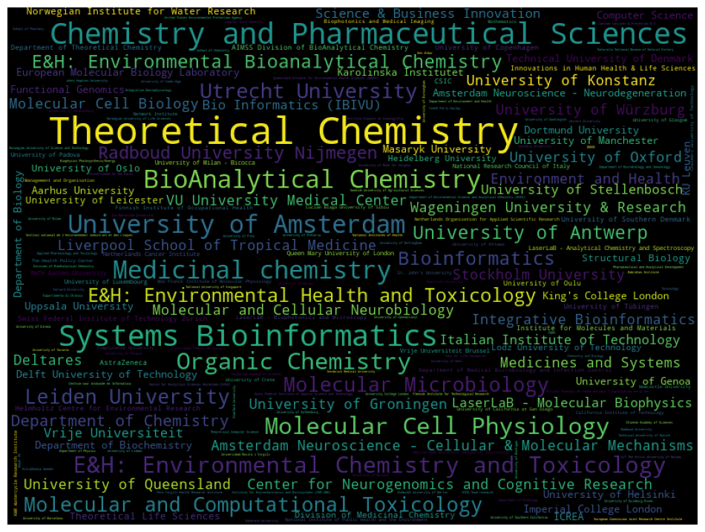
Vrije Universiteit Brussel | 11
University of Padova | 11
University of Milan - Bicocca | 11
University of Luxembourg | 11
RWTH Aachen University | 11
Queen Mary University of London | 11
Netherlands Cancer Institute | 11
National Research Council of Italy | 11
LaserLaB - Analytical Chemistry and Spectroscopy | 11
Institute for Molecules and Materials | 11
Innovations in Human Health & Life Sciences | 11
Helmholtz Centre for Environmental Research | 11
Department of Theoretical Chemistry | 11
CSIC | 11
AstraZeneca | 11
AIMSS Division of BioAnalytical Chemistry | 11
University of Ottawa | 10
University of Glasgow | 10
University of Crete | 10
University of California at San Diego | 10
The Health Policy Center | 10
St. John's University | 10
Newcastle University | 10
Netherlands Organisation for Applied Scientific Research | 10
National Institute of Public Health and the Environment | 10
Max Planck Institute of Molecular Physiology | 10
Management and Organisation | 10
Lucian Blaga University of Sibiu | 10
LaserLaB - Biophotonics and Microscopy | 10
Finnish Institute of Occupational Health | 10
Department of Medical Microbiology and Infection Control | 10
Biophotonics and Medical Imaging | 10
University of Nottingham | 9
University of Johannesburg | 9
University of Birmingham | 9
Universidade Federal de Lavras | 9
Toxicology | 9
Technical University of Munich | 9
Pere Virgili Health Research Institute | 9
Network Institute | 9
Mathematics | 9
KWR Watercycle Research Institute | 9
Complutense University | 9
Chalmers University of Technology | 9
California Institute of Technology | 9
...

organisations_noedu
Top 51 organisations_noedu
organisation | count
Deltares | 30
Medicines and Systems | 27
LaserLaB - Molecular Biophysics | 19
European Molecular Biology Laboratory | 18
ICREA | 16
National Research Council of Italy | 11
LaserLaB - Analytical Chemistry and Spectroscopy | 11
Innovations in Human Health & Life Sciences | 11
Helmholtz Centre for Environmental Research | 11
CSIC | 11
AstraZeneca | 11
The Health Policy Center | 10
Netherlands Organisation for Applied Scientific Research | 10
Management and Organisation | 10
LaserLaB - Biophotonics and Microscopy | 10
Biophotonics and Medical Imaging | 10
Yoba for Life foundation | 8
United States Environmental Protection Agency | 8
Naturalis National Museum of Natural History | 8
Chinese Academy of Sciences | 8
Centrum voor Wiskunde en Informatica | 8
CNRS | 8
Bayer AG | 8
Queensland Alliance for Environmental Health Sciences (QAEHS) | 7
Pharmaceutical and Analytical Development | 7
NIZO food research | 7
Instituto Espanol de Oceanografia | 7
Institut français de recherche pour l'exploitation de la mer | 7
INRAE | 7
Hungarian Academy of Sciences | 7
Biophysics Photosynthesis/Energy | 7
School of Pharmacy | 6
School of Chemistry | 6
Janssen Vaccines & Prevention B.V. | 6
Integrative Neurophysiology | 6
Institut national de l'environnement industriel et des risques | 6
Complex Trait Genetics | 6
Chemistry and Biology | 6
Ann Arbor | 6
The Water Laboratory | 5
TI-COAST | 5
TI Food and Nutrition | 5
Organization Sciences | 5
Organization & Processes of Organizing in Society (OPOS) | 5
Netherlands eScience Center | 5
Kyambogo acad | 5
German Center for Infection Research (DZIF) | 5
Fundação Oswaldo Cruz | 5
Departamento de Química | 5
DSM Food Specialties | 5
Chemical Genomics Centre of the Max Planck Society | 5
Centre for the Environment Fisheries and Aquaculture Science | 5
Akvaplan-niva | 5
Yoba for Life Foundation | 4
Technology and Research | 4
School of Chemistry and Molecular Biosciences | 4
Sanquin Blood Supply Foundation | 4
Resource Quality Information Services | 4
Photo Conversion Materials | 4
Netherlands EScience Centre | 4
Naturalis Biodiversity Center | 4
NANOTEC-CNR Istituto di Nanotecnologia | 4
Microbiology and Systems Biology | 4
Merck KGaA | 4
LaserLaB - Energy | 4
Institut national de la santé et de la recherche médicale | 4
IBM | 4
Faculty of Applied Engineering | 4
Econometrics and Operations Research | 4
Division of Drug Discovery and Safety | 4
Departament de Química Inorgànica i Orgànica and IQTCUB | 4
De Boelelaan 1083 | 4
Crystal and Structural Chemistry | 4
Chr. Hansen AS | 4
Bacterial Cell Biology | 4
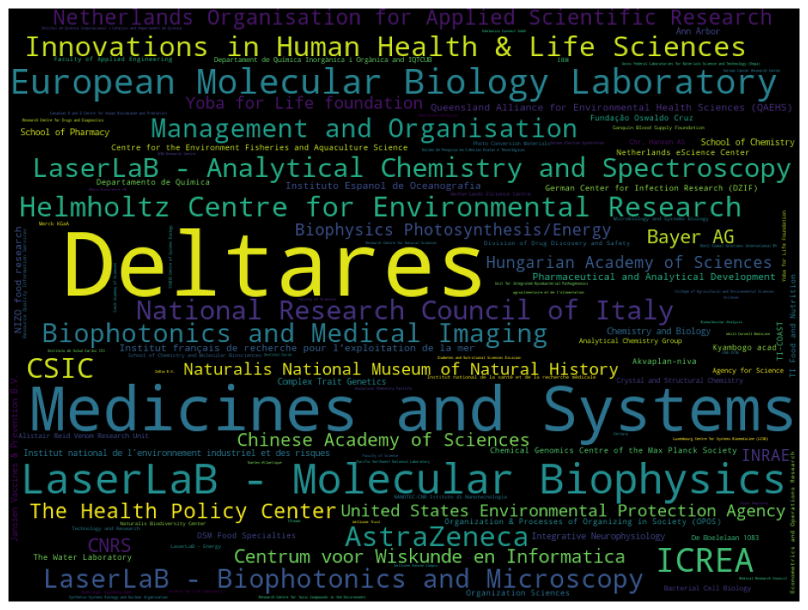
Analytical Chemistry Group | 4
Alistair Reid Venom Research Unit | 4
Agency for Science | 4
agroalimentaire et de l'alimentation | 3
ZoBio B.V. | 3
Wellcome Trust | 3
Wellcome Genome Campus | 3
Weill Cornell Medicine | 3
Unit for Integrated Mycobacterial Pathogenomics | 3
Unilever | 3
Synthetic Systems Biology and Nuclear Organization | 3
Swiss Federal Laboratories for Materials Science and Technology (Empa) | 3
Sosei Heptares | 3
Shell Global Solutions International BV | 3
Science for Life Laboratory | 3
SYSBIO Centre of Systems Biology | 3
Research Centre for Toxic Compounds in the Environment | 3
Research Centre for Natural Sciences | 3
Research Centre for Drugs and Diagnostics | 3
Pacific Northwest National Laboratory | 3
Operations Analytics | 3
Núcleo de Pesquisa em Ciências Exatas e Tecnológicas | 3
Nantes-Atlantique | 3
Medical Research Council | 3
MTM Research Centre | 3
Luxembourg Centre for Systems Biomedicine (LCSB) | 3
Instituto de Salud Carlos III | 3
Institut de Química Computacional i Catàlisi and Departament de Química | 3
Institut Curie | 3
Ifremer | 3
German Electron Synchrotron | 3
German Cancer Research Center | 3
Faculty of Sciences | 3
Faculty of Science | 3
Edelweiss Connect GmbH | 3
Diabetes and Nutritional Sciences Division | 3
Czech Academy of Sciences | 3
College of Agricultural and Environmental Sciences | 3
Certara | 3
Canadian R and D Centre for Human Microbiome and Probiotics | 3
CNR-ISTM | 3
Boehringer Ingelheim GmbH | 3
Biomolecular Analysis | 3
Analytical Chemistry Facility | 3
Abera Bioscience AB | 3
...

aimms_research_groups
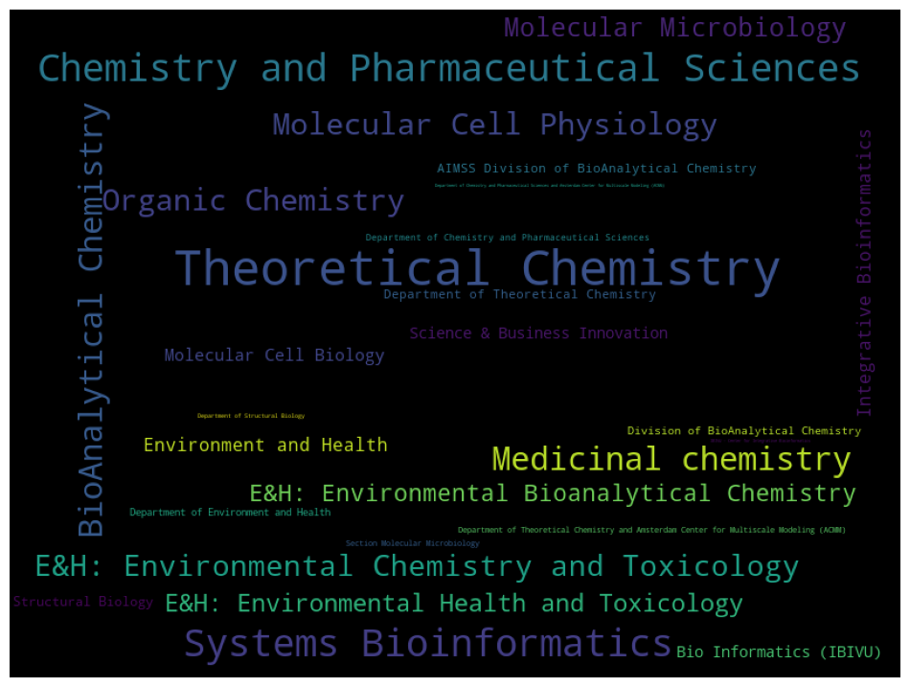
Top 27 aimms_research_groups
group | count
Theoretical Chemistry | 280
Chemistry and Pharmaceutical Sciences | 151
Systems Bioinformatics | 150
Medicinal chemistry | 104
BioAnalytical Chemistry | 103
Organic Chemistry | 91
Molecular Cell Physiology | 89
E&H: Environmental Chemistry and Toxicology | 84
Molecular Microbiology | 65
E&H: Environmental Health and Toxicology | 57
E&H: Environmental Bioanalytical Chemistry | 53
Integrative Bioinformatics | 28
Environment and Health | 27
Molecular Cell Biology | 23
Science & Business Innovation | 20
Bio Informatics (IBIVU) | 19
Structural Biology | 13
Department of Theoretical Chemistry | 11
AIMSS Division of BioAnalytical Chemistry | 11
Division of BioAnalytical Chemistry | 8
Department of Environment and Health | 7
Department of Chemistry and Pharmaceutical Sciences | 5
Section Molecular Microbiology | 4
Department of Theoretical Chemistry and Amsterdam Center for Multiscale Modeling (ACMM) | 4
Department of Structural Biology | 2
IBIVU - Center for Integrative Bioinformatics | 1
Department of Chemistry and Pharmaceutical Sciences and Amsterdam Center for Multiscale Modeling (ACMM) | 1

aimms_multi_groups
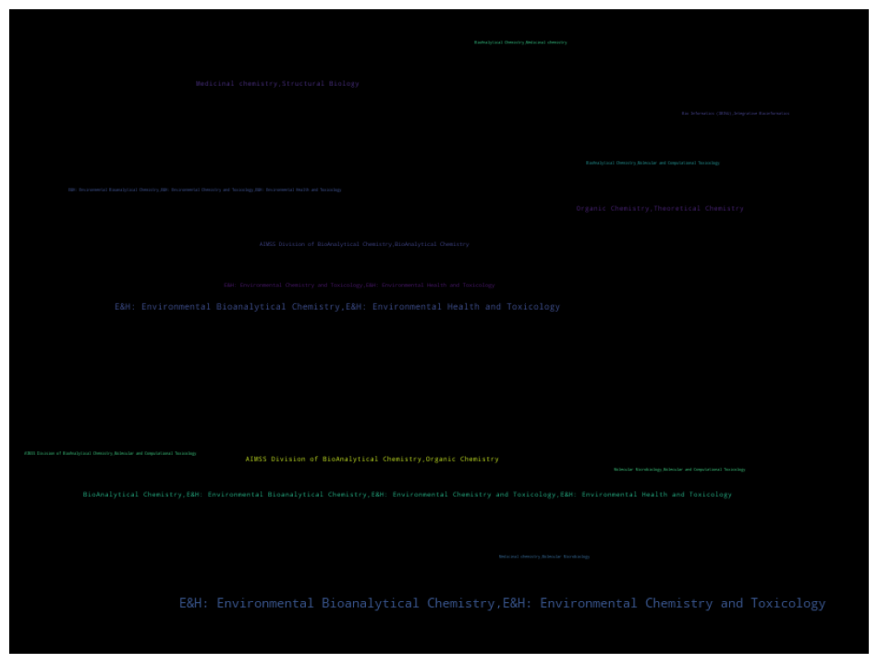
Top 34 aimms_multi_groups
group | count
E&H: Environmental Bioanalytical Chemistry,E&H: Environmental Chemistry and Toxicology | 21
E&H: Environmental Bioanalytical Chemistry,E&H: Environmental Health and Toxicology | 8
Organic Chemistry,Theoretical Chemistry | 4
Medicinal chemistry,Structural Biology | 4
BioAnalytical Chemistry,E&H: Environmental Bioanalytical Chemistry,E&H: Environmental Chemistry and Toxicology,E&H: Environmental Health and Toxicology | 4
AIMSS Division of BioAnalytical Chemistry,Organic Chemistry | 4
E&H: Environmental Chemistry and Toxicology,E&H: Environmental Health and Toxicology | 3
AIMSS Division of BioAnalytical Chemistry,BioAnalytical Chemistry | 3
Molecular Microbiology,Molecular and Computational Toxicology | 2
Medicinal chemistry,Molecular Microbiology | 2
E&H: Environmental Bioanalytical Chemistry,E&H: Environmental Chemistry and Toxicology,E&H: Environmental Health and Toxicology | 2
BioAnalytical Chemistry,Molecular and Computational Toxicology | 2
BioAnalytical Chemistry,Medicinal chemistry | 2
Bio Informatics (IBIVU),Integrative Bioinformatics | 2
AIMSS Division of BioAnalytical Chemistry,Molecular and Computational Toxicology | 2
Structural Biology,Systems Bioinformatics | 1
Organic Chemistry,Systems Bioinformatics | 1
Molecular and Computational Toxicology,Organic Chemistry | 1
Molecular Microbiology,Systems Bioinformatics | 1
Molecular Microbiology,Organic Chemistry | 1
Molecular Microbiology,Molecular and Computational Toxicology,Organic Chemistry | 1
Medicinal chemistry,Theoretical Chemistry | 1
Medicinal chemistry,Molecular and Computational Toxicology | 1
Medicinal chemistry,Molecular Microbiology,Molecular and Computational Toxicology,Organic Chemistry | 1
Integrative Bioinformatics,Systems Bioinformatics | 1
E&H: Environmental Health and Toxicology,Systems Bioinformatics | 1
E&H: Environmental Bioanalytical Chemistry,Medicinal chemistry,Structural Biology | 1
BioAnalytical Chemistry,Systems Bioinformatics | 1
BioAnalytical Chemistry,Organic Chemistry | 1
BioAnalytical Chemistry,E&H: Environmental Chemistry and Toxicology,E&H: Environmental Health and Toxicology,Molecular Microbiology,Structural Biology | 1
BioAnalytical Chemistry,E&H: Environmental Bioanalytical Chemistry,E&H: Environmental Health and Toxicology | 1
Bio Informatics (IBIVU),Systems Bioinformatics | 1
AIMSS Division of BioAnalytical Chemistry,Molecular Microbiology,Molecular and Computational Toxicology,Organic Chemistry | 1
AIMSS Division of BioAnalytical Chemistry,Medicinal chemistry | 1

aimms_departments
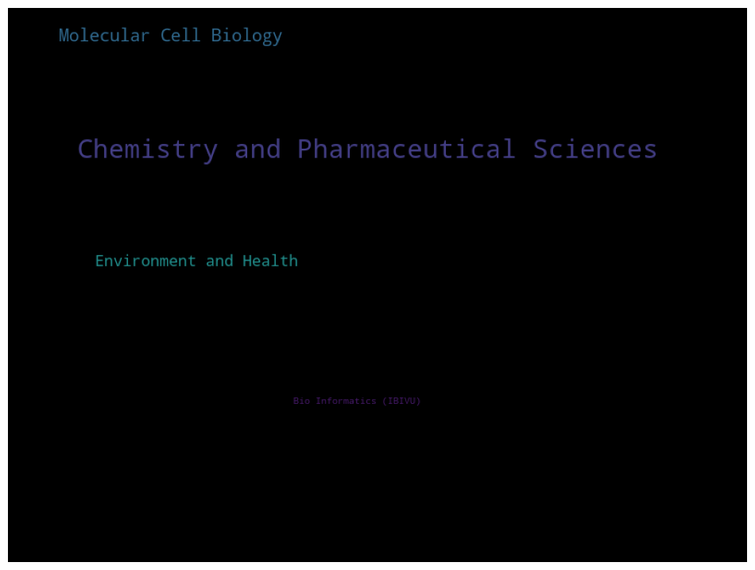
Top 4 aimms_departments
department | count
Chemistry and Pharmaceutical Sciences | 827
Molecular Cell Biology | 298
Environment and Health | 221
Bio Informatics (IBIVU) | 47

aimms_multi_department
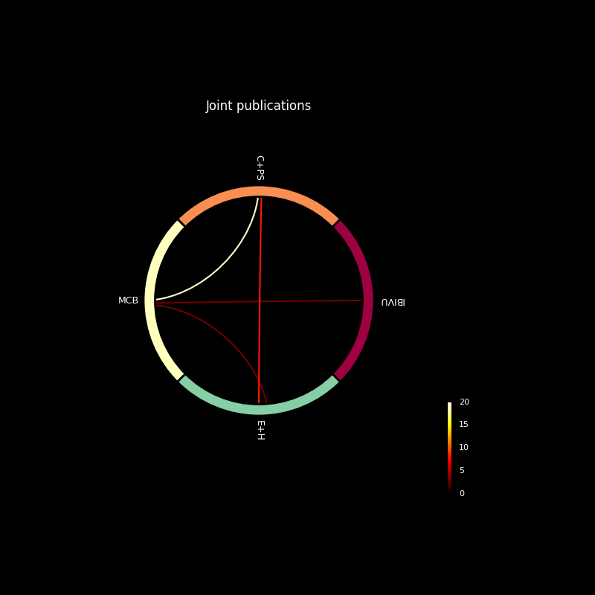
Bio Informatics (IBIVU) | Molecular Cell Biology |  | 3
Chemistry and Pharmaceutical Sciences | Environment and Health |  | 6
Chemistry and Pharmaceutical Sciences | Environment and Health | Molecular Cell Biology | 2
Chemistry and Pharmaceutical Sciences | Molecular Cell Biology |  | 17
Environment and Health | Molecular Cell Biology |  | 1

