author_organisations_all
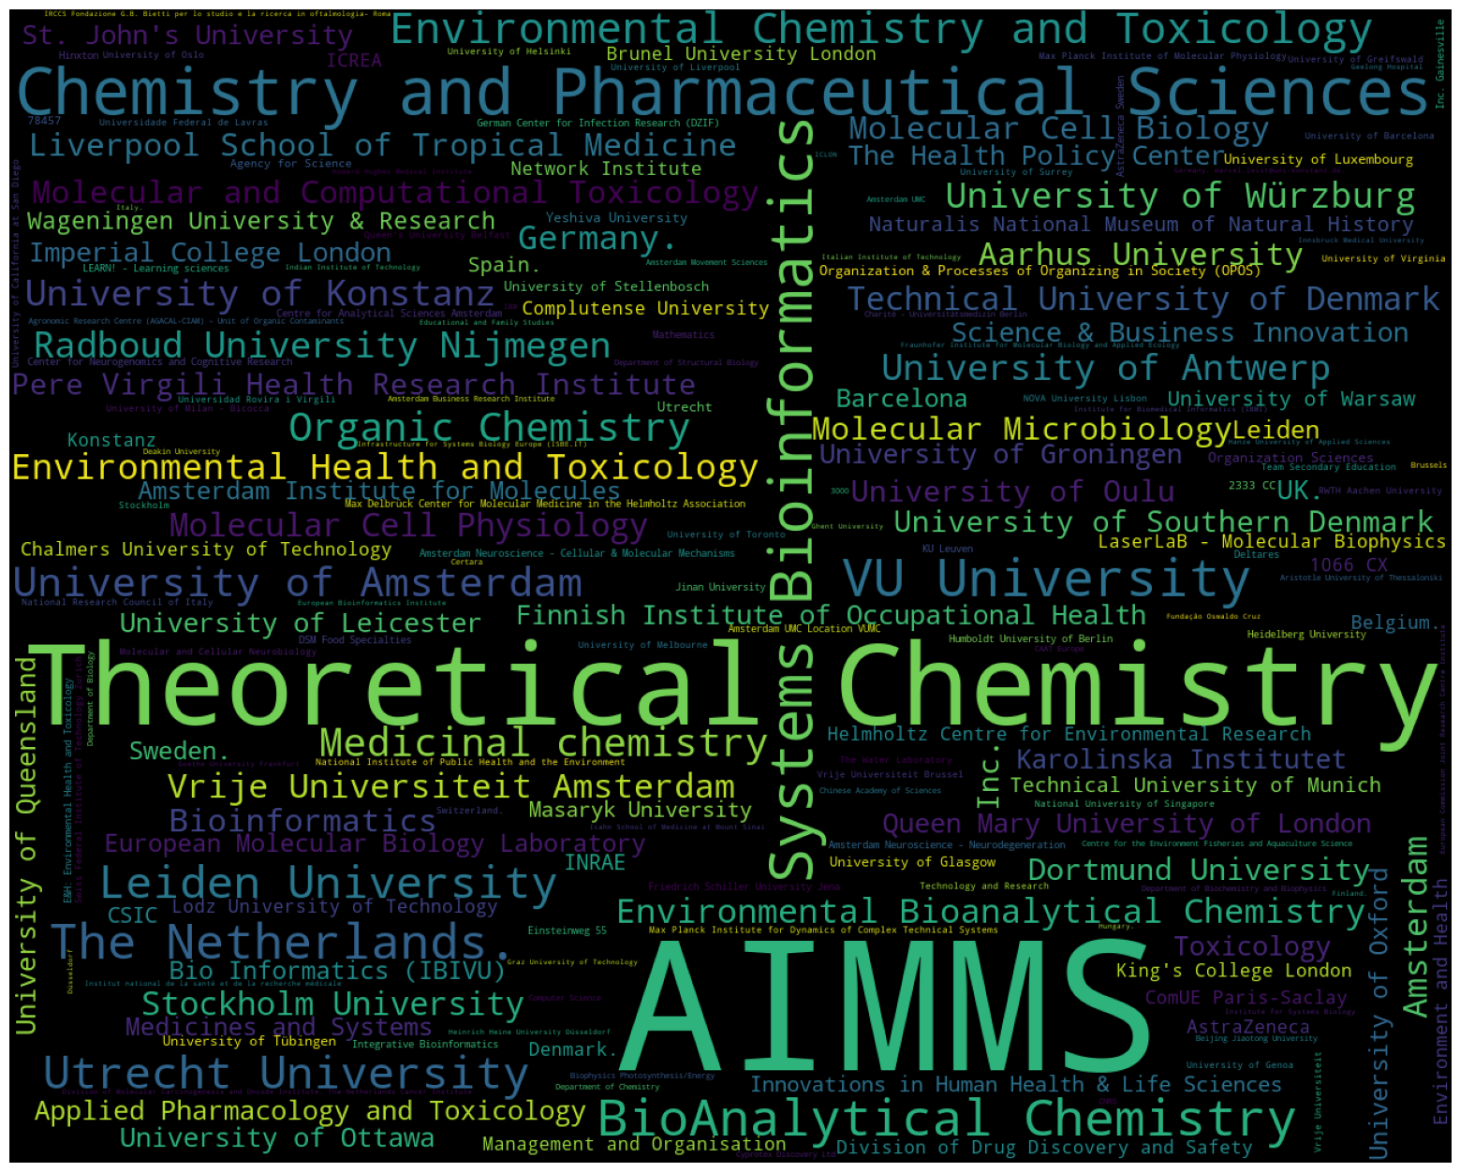
organisation | count
0002 | 1
0040 | 1
08003 | 1
08028 | 1
1 Concourse Way | 1
1066 CX | 4
1066 CX Amsterdam | 1
10691 | 1
10691 Stockholm | 1
1090 | 1
151 36 | 1
2100 | 1
2300 RA | 1
2333 CC | 3
2333 CN | 1
3000 | 2
3508 TB | 1
3584CH | 1
4057 | 1
44139 | 1
44227 Dortmund | 1
69120 | 1
74164 St Julien-en-Genevois | 1
76100 | 1
78457 | 3
78457 Konstanz | 1
78467 | 1
9600 RC Leiden | 1
AD eco advies | 1
AIMMS | 245
ANSYS | 1
Aarhus | 1
Aarhus University | 10
Academic Centre for Dentistry Amsterdam (ACTA) | 1
Agency for Science | 3
Agensys | 1
Agilent Technologies | 1
Agronomic Research Centre (AGACAL-CIAM) – Unit of Organic Contaminants | 2
Aix-Marseille Université | 1
Alan Turing Institute | 1
Alderley Park | 1
Amsterdam | 12
Amsterdam 1098 XH | 1
Amsterdam Business Research Institute | 2
Amsterdam Institute for Molecules | 6
Amsterdam Movement Sciences | 2
Amsterdam Neuroscience | 1
Amsterdam Neuroscience - Brain Imaging | 1
Amsterdam Neuroscience - Cellular & Molecular Mechanisms | 3
Amsterdam Neuroscience - Neurodegeneration | 3
Amsterdam UMC | 2
Amsterdam UMC Location VUMC | 3
Amsterdam University of Applied Sciences | 1
Analytical R&D | 1
Anhui Sanlian University | 1
Animal Sciences Unit - Aquatic Environment and Quality | 1
Ann Arbor | 1
Applied BioMath | 1
Applied Pharmacology and Toxicology | 7
Aquatic Ecology and Toxicology Group | 1
Archimedesweg 4 | 1
Ardeystraße 67 | 1
Aristotle University of Thessaloniki | 2
Astellas Pharma | 1
Astex Pharmaceuticals | 1
AstraZeneca | 4
AstraZeneca Sweden | 3
Aulich Lajos str. 26 | 1
Autonomous University of Barcelona | 1
Autonomous University of Barcelona (UAB) | 1
Babraham Institute | 1
Baco Institute of Protein Science (BIPS) | 1
Ball State University | 1
Bar-Ilan University | 1
Barcelona | 6
Basel | 1
Bavarian Environment Agency | 1
Bedfordshire MK44 1LQ | 1
Beijing Jiaotong University | 2
Belgium. | 4
Bellvitge Health Science Campus | 1
Belvaux | 1
Berlin Institute of Health | 1
Beuth University of Applied Sciences Berlin | 1
Beverwijk | 1
Bhabha Atomic Research Centre | 1
Bijvoet Center | 1
Bilthoven | 1
Bio Informatics (IBIVU) | 6
Bio-Prodict | 1
BioAnalytical Chemistry | 27
BioDetection Systems BV | 1
BioTalentum Ltd. | 1
BioTechMed-Graz | 1
Biocenter Oulu | 1
Biogen IDEC | 1
Bioinformatics | 10
Bioinformatics and Computational Science (BioCoS) | 1
Bioinformatics center | 1
Biomedical Centre PO Box 574 | 1
Biomedical Engineering | 1
Biophotonics and Medical Imaging | 1
Biophysics Photosynthesis/Energy | 2
Bioprocessing Technology Institute | 1
Blades Enterprise Centre | 1
Boston College | 1
Boston University | 1
Box 657 | 1
Brasil. | 1
Bruker Daltonik GmbH | 1
Brunel University London | 4
Brussels | 2
Budapest | 1
Bureau de recherches géologiques et minières | 1
Burn Center and Department of Plastic and Reconstructive Surgery | 1
Business Bioincubator | 1
Byk-Gulden-Str. 2 | 1
CAAT Europe | 2
CAS - Institute of Biophysics | 1
CAS - Institute of Computing Technology | 1
CB10 1SD | 1
CH-8952 | 1
CIC biomaGUNE | 1
CNRS | 2
CSIC | 5
CSIR Campus | 1
CSIRO | 1
CZ-25250 | 1
California Institute of Technology | 1
California State University Northridge | 1
Cambridge | 1
Cambridge CB10 1SD | 1
Carl von Linné Clinic | 1
Catalan Institute for Water Research | 1
Catholic University of the Sacred Heart | 1
Center for Analytical Sciences Amsterdam | 1
Center for Neurogenomics and Cognitive Research | 3
Center for Organismal Studies | 1
Centre de recherches pétrographiques et géochimiques | 1
Centre for Analytical Sciences Amsterdam | 3
Centre for Analytical Sciences Amsterdam (CASA) | 1
Centre for the Environment Fisheries and Aquaculture Science | 2
Certara | 2
Certara UK Limited | 1
Certara UK Ltd | 1
Chalmers University of Technology | 4
Charité – Universitätsmedizin Berlin | 2
Chemistry and Chemical Engineering Research Center of Iran | 1
Chemistry and Pharmaceutical Sciences | 45
Cheshire | 1
Chinese Academy of Sciences | 2
Christian-Albrechts-University Kiel | 1
Chungbuk National University | 1
Chungnam National University | 1
Co. Dublin A94 X099 | 1
College Road East Princeton | 1
Colworth Science Park | 1
ComUE Paris-Saclay | 4
Competence Centre on Health Technologies | 1
Complutense University | 4
Computer Science | 2
Consortium for Biomedical Research in Epidemiology & Public Health (CIBERESP) | 1
Constance | 1
Consumers and Reference Materials | 1
Copenhagen | 1
Cornell University | 1
Covance Inc. | 1
Culham Science Centre | 1
Cyprotex Discovery Ltd | 2
Czech Academy of Sciences | 1
Czech Republic. | 1
D-20146 | 1
D-24105 Kiel | 1
D-24118 Kiel | 1
DERAC-Environmental risk assessment of chemicals | 1
DK-2200 | 1
DSM Food Specialties | 3
DZHK | 1
DdZ Ecotox | 1
Deakin University | 2
Delft University of Technology | 1
Deltares | 3
Denmark. | 4
Departament de Química Inorgànica i Orgànica and IQTCUB | 1
Department Environment and Health | 1
Department inaugurated by the Doerenkamp-Zbinden Foundation | 1
Department of Applied Stem Cell Technologies | 1
Department of Biochemistry and Biophysics | 2
Department of Biology | 2
Department of Biomedical Engineering | 1
Department of Biotechnology and Biomedicine | 1
Department of Cellular and Molecular Medicine | 1
Department of Chemistry | 2
Department of Clinical Sciences of Companion Animals | 1
Department of Development and Regeneration | 1
Department of Environmental Science and Analytical Chemistry (ACES) | 1
Department of Experimental and Health Sciences | 1
Department of Haematology | 1
Department of Human Nutrition and Home Economics | 1
Department of In Vitro Toxicology and Dermato-Cosmetology | 1
Department of Medicinal Chemistry | 1
Department of Molecular Cell Biology and Immunology | 1
Department of Oncology | 1
Department of Oral Cell Biology | 1
Department of Pathology | 1
Department of Pharmaceutical and Medicinal Chemistry | 1
Department of Physiology and Pharmacology | 1
Department of Plastic | 1
Department of Rehabilitation Medicine | 1
Department of Structural Biology | 2
Dipartimento di Matematica | 1
Dirac Solutions | 1
Directorate F - Health | 1
Division Pharmacoepidemiology &Clinical Pharmacology | 1
Division of Analytical Pharmaceutical Chemistry | 1
Division of Clinical Pharmacology | 1
Division of Drug Discovery and Safety | 4
Division of Human Nutrition | 1
Division of Molecular Carcinogenesis and Oncode Institute. The Netherlands Cancer Institute | 2
Division of Molecular Oncology and Immunology | 1
Division of Toxicology | 1
Dortmund | 1
Dortmund University | 9
Düsseldorf | 2
E&H: Environmental Bioanalytical Chemistry | 1
E&H: Environmental Chemistry and Toxicology | 1
E&H: Environmental Health and Toxicology | 3
ELIXIR Hub | 1
ESTEC | 1
Edelweiss Connect GmbH | 1
Edinburgh Napier University | 1
Educational and Family Studies | 2
Eight Pillars Ltd | 1
Einsteinweg 55 | 3
Enschede | 1
Environment and Climate Change Canada | 1
Environment and Health | 4
Environmental Bioanalytical Chemistry | 12
Environmental Chemistry and Toxicology | 20
Environmental Health and Toxicology | 13
Environmental Institute (EI) | 1
Environmental Protection Agency | 1
Equipe labélisée Ligue Nationale Contre le Cancer | 1
Erasmus University Rotterdam | 1
European Bioinformatics Institute | 2
European Bioinformatics Institute (EMBL-EBI) | 1
European Chemicals Agency | 1
European Commission | 1
European Commission Joint Research Centre Institute | 2
European Molecular Biology Laboratory | 6
Experimental Animal Pathology | 1
ExxonMobil Biomedical Sciences Inc. | 1
F-75205 | 1
FBMM | 1
FI-20500 | 1
Faculty of Medical Sciences | 1
Faculty of Natural and Agricultural Sciences | 1
Faculty of Pharmacy | 1
Faculty of Science | 1
Faculty of Science - Chemistry | 1
Faculty of Veterinary Medicine | 1
Federal Environmental Agency | 1
Finland. | 2
Finnish Environment Institute | 1
Finnish Institute of Occupational Health | 7
Flanders Marine Institute | 1
Florida State University | 1
Forskargatan 20 | 1
Foshan University | 1
Foundation for Research and Technology-Hellas | 1
France. | 1
Fraunhofer Institute for Molecular Biology and Applied Ecology | 2
Friedrich Schiller University Jena | 3
Functional Genomics | 1
Fundaçao Oswaldo Cruz (FIOCRUZ) | 1
Fundação Oswaldo Cruz | 2
GREEN Tox GmbH | 1
Gabriele d’Annunzio University | 1
Geelong Hospital | 2
Georgia Institute of Technology | 1
Georgia State University | 1
German Cancer Research Center | 1
German Center for Cardiovascular Research | 1
German Center for Infection Research (DZIF) | 3
Germany | 1
Germany. | 12
Germany. marcel.leist@uni-konstanz.de. | 2
Ghent University | 2
Givaudan | 1
Glycoscience Research Laboratory | 1
Goethe University Frankfurt | 2
Gotham GmbH | 1
Graz University of Technology | 2
Group of Chemoresistance and Predictive Factors | 1
Guangdong College of Pharmacy | 1
Guangzhou Medical College | 1
Gutenbergstrasse 76 | 1
Gödöllő | 1
H-1117 | 1
Hainan University | 1
Hamburg | 1
Hanze University of Applied Sciences | 2
Harvard University | 1
Health Canada | 1
Health Innovation Manchester | 1
Health and Environmental Sciences Institute | 1
Heidelberg | 1
Heidelberg University | 3
Heifer International | 1
Heinrich Heine University Düsseldorf | 2
Helmholtz Centre for Environmental Research | 4
Herestraat 49 | 1
Hinxton | 3
Hiroshima University | 1
Hochbergerstrasse 60C | 1
Howard Hughes Medical Institute | 2
Hubrecht Institute-KNAW | 1
Humboldt University of Berlin | 3
Hungary. | 2
Hyphen MassSpec | 1
I-00133 | 1
IBM | 2
ICLON | 2
ICO | 1
ICREA | 4
IDIBELL | 1
INRAE | 5
IRCCS Fondazione G.B. Bietti per lo studio e la ricerca in oftalmologia- Roma | 2
ISAR Bioscience GmbH | 1
ISAR Bioscience Institute | 1
IVL Svenska Miljoinstitutet | 1
Icahn School of Medicine at Mount Sinai | 2
Illawarra Health and Medical Research Institute | 1
Im Neuenheimer Feld 504 | 1
ImmunoGen | 1
Imperial College London | 7
In Vitro Toxicology and Biomedicine | 1
InSphero AG | 1
Inc. | 8
Inc. Gainesville | 3
Indian Institute of Technology | 2
Infrastructure for Systems Biology Europe (ISBE.IT) | 2
Infrastructure for Systems Biology Europe (ISBE.NL) | 1
Innovations in Human Health & Life Sciences | 5
Innsbruck Medical University | 2
Institut Hospital del Mar d'Investigacions Mèdiques (IMIM) | 1
Institut national de l'environnement industriel et des risques | 1
Institut national de la santé et de la recherche médicale | 2
Institute Gonçalo Moniz | 1
Institute for Biomedical Informatics (IBMI) | 2
Institute for Microelectronics and Microsystems (CNR-IMM) | 1
Institute for Research in Biomedicine | 1
Institute for Risk Assessment Sciences | 1
Institute for Risk Assessment Sciences (IRAS) | 1
Institute for Systems Biology | 2
Institute of Basic Medical Sciences | 1
Institute of Biochemical Plant Physiology | 1
Institute of Biotechnology of the Czech Academy of Sciences | 1
Institute of Enzymology | 1
Institute of Health Sciences | 1
Institute of Physical Biology | 1
Instituto Gulbenkian de Ciencia | 1
Instituto de Tecnologia Química e Biológica Antonio Xavier | 1
Integrative Bioinformatics | 3
Interdisciplinary Nanoscience Center (iNANO) and Department of Molecular Biology | 1
Ispra | 1
Israel. | 1
Italian Institute of Technology | 2
Italy. | 2
Ithaca | 1
Iuliu Hatieganu University of Medicine and Pharmacy | 1
J. Stefan Institute | 1
Jagiellonian University in Kraków | 1
Janelia Research Campus of the HHMI | 1
Janssen Vaccines and Prevention B.V. | 1
Jaume I University | 1
Jinan University | 3
Johns Hopkins University | 2
Joint Research Centre | 1
Jomo Kenyatta University of Agriculture and Technology | 1
Jülich Research Centre | 1
KBI Biopharma | 1
KTH Royal Institute of Technology | 2
KU Leuven | 3
KWR Water Research Institute | 1
KWR Watercycle Research Institute | 1
Kanpur | 1
Karlstad University | 2
Karolinska Institutet | 7
Keio University | 1
Kiel University | 1
King Abdullah University of Science and Technology | 1
King's College London | 4
Kongens Lyngby | 1
Konstanz | 4
Korea Advanced Institute of Science and Technology | 2
Korea Basic Science Institute | 1
Korea National Institute of Food and Drug Safety | 1
Kristiania University College | 2
Kyambogo acad | 2
Kybeidos GmbH | 1
Kyushu Institute of Technology | 1
L'Hospitalet del Llobregat | 1
L-4367 | 1
LACDR/Toxicology | 1
LEARN! - Learning sciences | 3
Laarbeeklaan 103 | 1
Laboratoire de Chimie et Physique Quantiques (LCPQ) | 1
Lahore | 1
LaserLaB - Analytical Chemistry and Spectroscopy | 2
LaserLaB - Biophotonics and Microscopy | 1
LaserLaB - Molecular Biophysics | 4
Latham Biopharm Group 101 Main Street | 1
Lausanne | 1
Lausanne University | 1
Lawrence Berkeley National Laboratory | 1
Leeuwarden | 1
Leibniz Institute for Molecular Pharmacology | 1
Leibniz Research Center for Working Environment and Human Factors (IfADo) | 1
Leibniz Research Institute for Environmental Medicine | 1
Leibniz-Institut für Arbeitsforschung an der TU Dortmund | 1
Leiden | 6
Leiden Academic Center for Drug Research | 2
Leiden Academic Centre for Drug Research (LACDR)/Leiden University | 1
Leiden Academic Centre of Drug Research | 2
Leiden University | 22
Leiden University Medical Center | 1
Leiden University Medical Center - LUMC | 1
Leuven | 2
Level 2-Acero | 1
Lisbon | 1
Liverpool School of Tropical Medicine | 10
Lodz University of Technology | 4
London | 1
Los Alamos National Laboratory | 1
Ltd | 1
Ltd. | 1
Lucian Blaga University of Sibiu | 2
Luleå University of Technology | 1
Lund University | 1
Luxembourg Centre for Systems Biomedicine | 1
Luxembourg Institute of Science and Technology | 1
Luxembourg. | 1
Lyngby | 1
Lynnwood Road | 1
MS Bioworks | 1
MSD | 1
MTM Research Centre | 1
Maastricht University | 2
Macclesfield | 1
Macquarie University | 1
Madras | 1
Management and Organisation | 4
Marine Institute Ireland | 1
Masaryk University | 5
Matej Bel University | 1
Mathematics | 3
Max Delbrück Center for Molecular Medicine in the Helmholtz Association | 3
Max Planck Institute for Dynamics of Complex Technical Systems | 3
Max Planck Institute for the Structure and Dynamics of Matter | 1
Max Planck Institute of Colloids and Interfaces | 1
Max Planck Institute of Molecular Physiology | 3
Medical & Biological Laboratories Co | 1
Medical University of Graz | 1
Medicinal chemistry | 17
Medicines and Systems | 6
Meiring Naude Road | 1
Member of Merck Group | 1
Membrane Bioinformatics Research Group | 1
Memorial University of Newfoundland | 1
Merck | 1
Middlesex University | 1
Mizuho Financial Group | 1
Molecular Cell Biology | 10
Molecular Cell Physiology | 11
Molecular Microbiology | 10
Molecular and Cellular Neurobiology | 3
Molecular and Computational Toxicology | 10
Monash University | 1
Mount Merrion | 1
NC3Rs | 1
NIZO food research | 1
NOVA University Lisbon | 3
NY | 1
Nagoya City University | 1
Nantes-Atlantique | 2
National Food Institute Technical University of Denmark (DTU) | 1
National Institute for Biological Standards and Control | 1
National Institute for Public Health and the Environment (RIVM) | 1
National Institute of Health Sciences Tokyo | 1
National Institute of Public Health and the Environment | 3
National Institute of Standards and Technology | 1
National Institutes of Health | 1
National Institutes of Natural Sciences | 1
National Metrology Institute of South Africa (NMISA) | 1
National Research Council of Italy | 3
National Taiwan University | 1
National University of Singapore | 3
National and Kapodistrian University of Athens | 1
Naturalis Biodiversity Center | 1
Naturalis National Museum of Natural History | 5
Netherlands Cancer Institute | 1
Netherlands Cancer Institute and Oncode Institute | 1
Netherlands Organisation for Applied Scientific Research | 2
Network Institute | 4
New England Biolabs | 1
New York University | 1
Newcastle University | 2
North Carolina State University | 2
Norwegian Institute for Air Research | 1
Norwegian Institute for Water Research | 2
Norwegian University of Life Sciences | 2
Nouryon Chemicals | 1
Novartis | 1
Nvidia | 1
O&N IV Herestraat 49 | 1
Oak Ridge National Laboratory | 1
Okinawa Institute of Science and Technology Graduate University | 1
Oles Honchar Dnipropetrovsk National University | 1
Oncobell Program | 1
Oncode Institute | 1
Organ-on-a-chip Company | 1
Organic Chemistry | 17
Organization & Processes of Organizing in Society (OPOS) | 4
Organization Sciences | 4
Otto-Hahn-Strasse 11 | 1
Oulu | 1
Oxford Brookes University | 2
P.O. Box 2300 | 1
PO Box 9500 | 1
Pakistan | 1
Paris | 2
Partner Site Kiel | 1
Pere Virgili Health Research Institute | 8
Pfizer | 1
Plesmanlaan 121 | 2
Portugal. | 1
Pretoria | 2
ProZyme Inc. | 1
Protein Data Bank in Europe | 1
Qatar University | 1
Queen Mary University of London | 7
Queen's University Belfast | 3
Queensland Alliance for Environmental Health Sciences (QAEHS) | 1
Queensland University of Technology | 1
RISE | 1
RWS | 1
RWTH Aachen University | 3
Radboud Center for Infectious Diseases | 1
Radboud Institute for Molecular Life Sciences | 1
Radboud University | 1
Radboud University Nijmegen | 14
Reconstructive and Hand Surgery | 1
Red Cross Hospital | 1
Rehovot | 1
Research Centre for Natural Sciences | 1
Research Institute for Fragrance Materials Inc. | 1
Research Programme on Biomedical Informatics (GRIB) | 1
Ressource Parisienne en Bioinformatique Structurale | 1
Rio de Janeiro | 1
Rockefeller University | 1
Rome | 1
Royal Children's Hospital | 1
Ruhr University Bochum | 1
S-17121 | 1
S1 2BJ | 1
SE-751 23 | 1
SWACCS | 1
Safety and Environmental Assurance Centre | 1
Samsung R&D Institute Poland | 1
Sanquin Blood Supply Foundation | 1
Schlieren | 1
Schrӧdinger | 1
Science & Business Innovation | 7
Science Park 406 | 1
Science for Life Laboratory | 1
Scientific Computing & Modelling NV | 1
Scientific Computing and Modelling NV | 1
Scuola Normale Superiore di Pisa | 1
Section of Pharmacogenetics | 1
Serpo | 1
Sharnbrook | 1
Sheffield | 2
Sheffield S2 4SU | 1
Shell Health | 1
Shell International B.V. | 1
Shell Oil | 1
Shimadzu Corporation | 1
Sikkim University | 1
SilicoLife Lda. | 2
Silicon Therapeutics | 1
Simcyp Division | 2
Simcyp Limited (a Certara Company) | 1
Simons Foundation | 1
Software for Chemisty and Materials | 1
Solna | 1
Sorbonne Paris Citeé | 1
Sorbonne Université | 2
South Africa. | 2
Spain. | 5
St Abbs Marine Station | 1
St. Antonius Ziekenhuis | 1
St. John's University | 7
St. Jude Children Research Hospital | 1
Steinbeis SU-1866 | 2
Stem Cell Biology and Embryology | 1
Stem Cell Institute Leuven | 1
Stockholm | 3
Stockholm University | 11
Structural Bioinformatics Laboratory | 1
Structural Biology | 2
Structural and Molecular Biology Department | 1
Subprogram Against Cancer Therapeutic Resistance (ProCURE) | 1
Sullivan Nicolaides Pathology | 1
Sumitomo Bakelite Co. | 1
Sungkyunkwan University | 2
Sunshine Coast Health Institute | 1
Svante Arrhenius väg 8 | 1
Sweden | 1
Sweden. | 6
Swedish Toxicology Sciences Research Center (Swetox) | 1
Swedish University of Agricultural Sciences | 1
Swerea AB | 1
Swiss Federal Institute of Aquatic Science and Technology | 1
Swiss Federal Institute of Technology Lausanne | 2
Swiss Federal Institute of Technology Zurich | 3
Swiss Institute of Bioinformatics | 2
Switch Laboratory | 1
Switzerland. | 3
Synthon BV | 1
Systems Bioinformatics | 37
Södertälje | 1
TI Food and Nutrition | 2
TI-COAST | 1
Takeda Pharmaceuticals International Co. | 1
Tallinn University of Technology | 2
Teagasc - Irish Agriculture and Food Development Authority | 1
Team Secondary Education | 3
Technical University of Braunschweig | 2
Technical University of Denmark | 11
Technical University of Madrid | 2
Technical University of Munich | 5
Technology Park Basel | 1
Technology and Research | 3
Tel Aviv University | 1
Teva Pharmaceutical Industries Ltd. | 1
Texas Tech University | 1
The Barcelona Institute of Science and Technology | 1
The Florey Institute of Neuroscience and Mental Health | 2
The Hague | 1
The Health Policy Center | 7
The Netherlands | 1
The Netherlands Cancer Institute | 2
The Netherlands. | 25
The Netherlands. r.bernards@nki.nl. | 1
The Netherlands. salome.scholtens@rivm.nl | 1
The Netherlands. water_b@lacdr.leidenuniv.nl. | 1
The Princess Maxima Center for Pediatric Oncology | 1
The Systems Biology Institute Tokyo | 1
The United States Pharmacopeial Convention | 1
The Water Laboratory | 3
Theodore Bilharz Research Institute | 1
Theoretical Chemistry | 59
Theoretical Life Sciences | 1
Thermo Fisher Scientific | 1
Tohoku University | 1
Tokyo Metropolitan University | 1
Tokyo University of Agriculture | 1
Toxicology | 7
Treidlia Biovet | 1
Tufts University | 1
Turku | 1
U.K. | 1
UK. | 7
USA. | 1
UiT The Arctic University of Norway | 1
Umeå University | 1
Unilever | 2
Unit of Toxicology Sciences | 1
United Kingdom. | 1
United States Department of Energy | 2
United States Environmental Protection Agency | 2
United States Food and Drug Administration | 1
Universidad Nacional Autonoma de Mexico | 2
Universidad Nacional del Nordeste | 1
Universidad Rovira i Virgili | 3
Universidad de la República | 1
Universidade Estadual de Campinas | 1
Universidade Federal de Juiz de Fora | 1
Universidade Federal de Lavras | 3
Universidade Federal do Rio de Janeiro | 1
Universidade Nova de Lisboa | 1
Universidade de São Paulo | 1
Universita Campus Bio-Medico di Roma | 2
Universitaetsstr. 10 | 1
Universitat Pompeu Fabra | 1
Universite de Lille 2 | 2
Universiteé Paris Descartes | 1
University College | 1
University College London | 1
University Paris Descartes | 1
University of Aberdeen | 2
University of Alberta | 1
University of Amsterdam | 18
University of Amsterdam and Vrije Universiteit Amsterdam | 1
University of Antwerp | 14
University of Arkansas for Medical Sciences | 2
University of Barcelona | 3
University of Bath | 1
University of Bergen | 1
University of Birmingham | 2
University of Bologna | 1
University of Bristol | 1
University of California at Davis | 1
University of California at Irvine | 2
University of California at San Diego | 3
University of Cambridge | 1
University of Campania Luigi Vanvitelli | 1
University of Central Florida | 1
University of Connecticut | 1
University of Copenhagen | 2
University of Crete | 1
University of Cyprus | 1
University of Debrecen | 1
University of Delaware | 1
University of Duisburg-Essen | 1
University of Düsseldorf | 2
University of Edinburgh | 1
University of Exeter | 2
University of Freiburg | 2
University of Geneva | 1
University of Genoa | 3
University of Georgia | 1
University of Girona | 2
University of Glasgow | 4
University of Gothenburg | 1
University of Granada | 1
University of Greenland | 1
University of Greifswald | 3
University of Groningen | 7
University of Göttingen | 1
University of Hamburg | 1
University of Heidelberg | 1
University of Helsinki | 3
University of Illinois at Urbana-Champaign | 1
University of Innsbruck | 1
University of Johannesburg | 2
University of Jyväskylä | 1
University of Kent | 2
University of Konstanz | 14
University of Lausanne | 1
University of Leicester | 7
University of Liege | 2
University of Lisbon | 2
University of Liverpool | 3
University of Ljubljana | 1
University of Luxembourg | 4
University of Manchester | 1
University of Manitoba | 1
University of Mauritius | 1
University of Melbourne | 3
University of Michigan | 1
University of Milan | 1
University of Milan - Bicocca | 3
University of Minho | 2
University of Natural Resources and Life Sciences | 1
University of Nebraska-Lincoln | 2
University of North Carolina at Chapel Hill | 1
University of Nottingham | 2
University of Oslo | 3
University of Ottawa | 7
University of Oulu | 8
University of Oxford | 6
University of Padova | 2
University of Pannonia | 1
University of Parma | 1
University of Perugia | 1
University of Pittsburgh | 2
University of Porto | 1
University of Pretoria | 1
University of Queensland | 7
University of Regensburg | 1
University of Rome Tor Vergata | 2
University of Salzburg | 1
University of Santiago de Compostela | 2
University of Sheffield | 1
University of Southampton | 1
University of Southern Denmark | 8
University of Stellenbosch | 4
University of Stuttgart | 1
University of Surrey | 3
University of Tartu | 2
University of Toronto | 3
University of Trento | 1
University of Turin | 1
University of Twente | 1
University of Tübingen | 4
University of Utah | 1
University of Veterinary and Animal Sciences | 1
University of Virginia | 3
University of Warsaw | 5
University of Washington | 1
University of Wisconsin-Whitewater | 1
University of Wollongong | 1
University of Würzburg | 13
University of York | 1
University of Zagreb | 1
University of the Basque Country | 1
University of the Sunshine Coast | 1
Università della Svizzera italiana | 1
Universität Hamburg | 1
Université Côte d’Azur | 1
Université Paris-Est Créteil | 1
Université de Montpellier | 2
Université de Paris | 1
Université de Rennes 1 | 1
Université de Strasbourg | 2
Université de Toulouse | 1
Uppsala | 1
Uppsala University | 2
Utrecht | 4
Utrecht Institute for Pharmaceutical Sciences | 1
Utrecht University | 22
VIB-KU Leuven Center for Brain and Disease Research | 1
VIB-VUB Center for Structural Biology | 1
VU Amsterdam | 1
VU University | 28
Van Hall Larenstein University of Applied Sciences | 1
Vernalis PLC | 1
Vestec | 1
Vienna | 1
Vienna University of Technology | 1
Virginia Mason Medical Center | 1
Virginia Polytechnic Institute and State University | 1
Vrije Universiteit | 3
Vrije Universiteit Amsterdam | 12
Vrije Universiteit Brussel | 3
WFSR Wageningen Food Safety Research | 1
WHO Collaborating Centre for Children's Health and Environment | 1
Wageningen | 2
Wageningen University & Research | 6
Wageningen University and Research | 1
Wagistrasse 27 | 1
Warsaw University of Technology | 1
Watchfrog S.A. | 1
Water Research Institute | 1
Waternet Institute for the Urban Water Cycle | 2
Waters Corporation | 1
Weill Cornell Medical College in Qatar | 1
Weizmann Institute of Science | 1
Wellcome Genome Campus | 2
Wellcome Trust | 2
Western University | 1
Xbrane Biopharma AB | 1
Xenopat S.L. | 1
Yeshiva University | 4
Yoba for Life Foundation | 1
Yoba for Life foundation | 1
ZBH - Center for Bioinformatics | 1
ZI La Varenne 20-22 rue Henri et Gilberte Goudier 63200 RIOM | 1
ZoBio B.V. | 2
Zoetis Inc. | 1
Zukunftskolleg | 1
agroalimentaire et de l'alimentation | 2
and Konstanz Research School Chemical Biology | 1
glyXera GmbH | 1
the Netherlands | 1
the Netherlands Cancer Institute | 1
the Netherlands. | 2
trenzyme GmbH | 1
Åbo Akademi University | 1
École nationale vétérinaire | 2
Örebro University | 2

author_organisations_cleaned
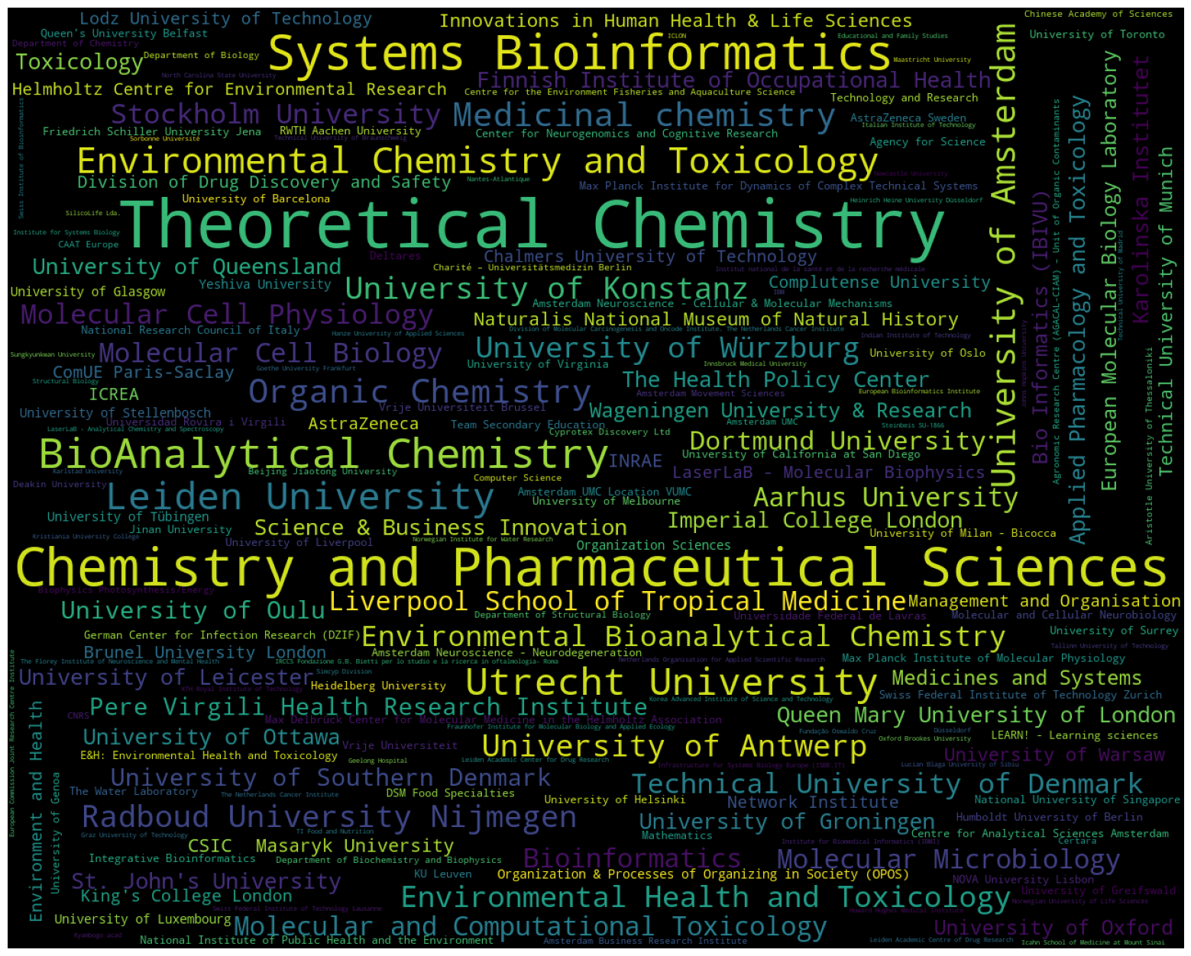
organisation | count
Aarhus University | 10
Agency for Science | 3
Agronomic Research Centre (AGACAL-CIAM) – Unit of Organic Contaminants | 2
Amsterdam Business Research Institute | 2
Amsterdam Movement Sciences | 2
Amsterdam Neuroscience - Cellular & Molecular Mechanisms | 3
Amsterdam Neuroscience - Neurodegeneration | 3
Amsterdam UMC | 2
Amsterdam UMC Location VUMC | 3
Applied Pharmacology and Toxicology | 7
Aristotle University of Thessaloniki | 2
AstraZeneca | 4
AstraZeneca Sweden | 3
Beijing Jiaotong University | 2
Bio Informatics (IBIVU) | 6
BioAnalytical Chemistry | 27
Bioinformatics | 10
Biophysics Photosynthesis/Energy | 2
Brunel University London | 4
CAAT Europe | 2
CNRS | 2
CSIC | 5
Center for Neurogenomics and Cognitive Research | 3
Centre for Analytical Sciences Amsterdam | 3
Centre for the Environment Fisheries and Aquaculture Science | 2
Certara | 2
Chalmers University of Technology | 4
Charité – Universitätsmedizin Berlin | 2
Chemistry and Pharmaceutical Sciences | 45
Chinese Academy of Sciences | 2
ComUE Paris-Saclay | 4
Complutense University | 4
Computer Science | 2
Cyprotex Discovery Ltd | 2
DSM Food Specialties | 3
Deakin University | 2
Deltares | 3
Department of Biochemistry and Biophysics | 2
Department of Biology | 2
Department of Chemistry | 2
Department of Structural Biology | 2
Division of Drug Discovery and Safety | 4
Division of Molecular Carcinogenesis and Oncode Institute. The Netherlands Cancer Institute | 2
Dortmund University | 9
Düsseldorf | 2
E&H: Environmental Health and Toxicology | 3
Educational and Family Studies | 2
Environment and Health | 4
Environmental Bioanalytical Chemistry | 12
Environmental Chemistry and Toxicology | 20
Environmental Health and Toxicology | 13
European Bioinformatics Institute | 2
European Commission Joint Research Centre Institute | 2
European Molecular Biology Laboratory | 6
Finnish Institute of Occupational Health | 7
Fraunhofer Institute for Molecular Biology and Applied Ecology | 2
Friedrich Schiller University Jena | 3
Fundação Oswaldo Cruz | 2
Geelong Hospital | 2
German Center for Infection Research (DZIF) | 3
Goethe University Frankfurt | 2
Graz University of Technology | 2
Hanze University of Applied Sciences | 2
Heidelberg University | 3
Heinrich Heine University Düsseldorf | 2
Helmholtz Centre for Environmental Research | 4
Howard Hughes Medical Institute | 2
Humboldt University of Berlin | 3
IBM | 2
ICLON | 2
ICREA | 4
INRAE | 5
IRCCS Fondazione G.B. Bietti per lo studio e la ricerca in oftalmologia- Roma | 2
Icahn School of Medicine at Mount Sinai | 2
Imperial College London | 7
Indian Institute of Technology | 2
Infrastructure for Systems Biology Europe (ISBE.IT) | 2
Innovations in Human Health & Life Sciences | 5
Innsbruck Medical University | 2
Institut national de la santé et de la recherche médicale | 2
Institute for Biomedical Informatics (IBMI) | 2
Institute for Systems Biology | 2
Integrative Bioinformatics | 3
Italian Institute of Technology | 2
Jinan University | 3
Johns Hopkins University | 2
KTH Royal Institute of Technology | 2
KU Leuven | 3
Karlstad University | 2
Karolinska Institutet | 7
King's College London | 4
Korea Advanced Institute of Science and Technology | 2
Kristiania University College | 2
Kyambogo acad | 2
LEARN! - Learning sciences | 3
LaserLaB - Analytical Chemistry and Spectroscopy | 2
LaserLaB - Molecular Biophysics | 4
Leiden Academic Center for Drug Research | 2
Leiden Academic Centre of Drug Research | 2
Leiden University | 22
Liverpool School of Tropical Medicine | 10
Lodz University of Technology | 4
Lucian Blaga University of Sibiu | 2
Maastricht University | 2
Management and Organisation | 4
Masaryk University | 5
Mathematics | 3
Max Delbrück Center for Molecular Medicine in the Helmholtz Association | 3
Max Planck Institute for Dynamics of Complex Technical Systems | 3
Max Planck Institute of Molecular Physiology | 3
Medicinal chemistry | 17
Medicines and Systems | 6
Molecular Cell Biology | 10
Molecular Cell Physiology | 11
Molecular Microbiology | 10
Molecular and Cellular Neurobiology | 3
Molecular and Computational Toxicology | 10
NOVA University Lisbon | 3
Nantes-Atlantique | 2
National Institute of Public Health and the Environment | 3
National Research Council of Italy | 3
National University of Singapore | 3
Naturalis National Museum of Natural History | 5
Netherlands Organisation for Applied Scientific Research | 2
Network Institute | 4
Newcastle University | 2
North Carolina State University | 2
Norwegian Institute for Water Research | 2
Norwegian University of Life Sciences | 2
Organic Chemistry | 17
Organization & Processes of Organizing in Society (OPOS) | 4
Organization Sciences | 4
Oxford Brookes University | 2
Pere Virgili Health Research Institute | 8
Queen Mary University of London | 7
Queen's University Belfast | 3
RWTH Aachen University | 3
Radboud University Nijmegen | 14
Science & Business Innovation | 7
SilicoLife Lda. | 2
Simcyp Division | 2
Sorbonne Université | 2
St. John's University | 7
Steinbeis SU-1866 | 2
Stockholm University | 11
Structural Biology | 2
Sungkyunkwan University | 2
Swiss Federal Institute of Technology Lausanne | 2
Swiss Federal Institute of Technology Zurich | 3
Swiss Institute of Bioinformatics | 2
Systems Bioinformatics | 37
TI Food and Nutrition | 2
Tallinn University of Technology | 2
Team Secondary Education | 3
Technical University of Braunschweig | 2
Technical University of Denmark | 11
Technical University of Madrid | 2
Technical University of Munich | 5
Technology and Research | 3
The Florey Institute of Neuroscience and Mental Health | 2
The Health Policy Center | 7
The Netherlands Cancer Institute | 2
The Water Laboratory | 3
Theoretical Chemistry | 59
Toxicology | 7
Unilever | 2
United States Department of Energy | 2
United States Environmental Protection Agency | 2
Universidad Nacional Autonoma de Mexico | 2
Universidad Rovira i Virgili | 3
Universidade Federal de Lavras | 3
Universita Campus Bio-Medico di Roma | 2
Universite de Lille 2 | 2
University of Aberdeen | 2
University of Amsterdam | 18
University of Antwerp | 14
University of Arkansas for Medical Sciences | 2
University of Barcelona | 3
University of Birmingham | 2
University of California at Irvine | 2
University of California at San Diego | 3
University of Copenhagen | 2
University of Düsseldorf | 2
University of Exeter | 2
University of Freiburg | 2
University of Genoa | 3
University of Girona | 2
University of Glasgow | 4
University of Greifswald | 3
University of Groningen | 7
University of Helsinki | 3
University of Johannesburg | 2
University of Kent | 2
University of Konstanz | 14
University of Leicester | 7
University of Liege | 2
University of Lisbon | 2
University of Liverpool | 3
University of Luxembourg | 4
University of Melbourne | 3
University of Milan - Bicocca | 3
University of Minho | 2
University of Nebraska-Lincoln | 2
University of Nottingham | 2
University of Oslo | 3
University of Ottawa | 7
University of Oulu | 8
University of Oxford | 6
University of Padova | 2
University of Pittsburgh | 2
University of Queensland | 7
University of Rome Tor Vergata | 2
University of Santiago de Compostela | 2
University of Southern Denmark | 8
University of Stellenbosch | 4
University of Surrey | 3
University of Tartu | 2
University of Toronto | 3
University of Tübingen | 4
University of Virginia | 3
University of Warsaw | 5
University of Würzburg | 13
Université de Montpellier | 2
Université de Strasbourg | 2
Uppsala University | 2
Utrecht University | 22
Vrije Universiteit | 3
Vrije Universiteit Brussel | 3
Wageningen University & Research | 6
Waternet Institute for the Urban Water Cycle | 2
Wellcome Genome Campus | 2
Wellcome Trust | 2
Yeshiva University | 4
ZoBio B.V. | 2
agroalimentaire et de l'alimentation | 2
École nationale vétérinaire | 2
Örebro University | 2

author_organisations_uni
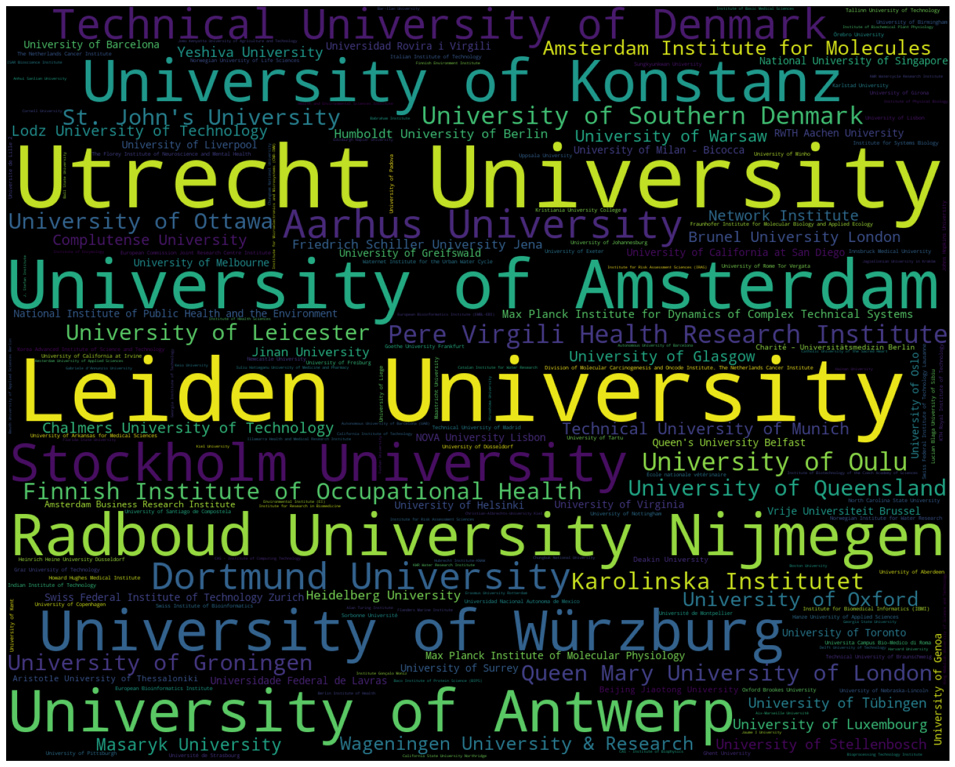
organisation | count
Aarhus University | 10
Aix-Marseille Université | 1
Alan Turing Institute | 1
Amsterdam Business Research Institute | 2
Amsterdam Institute for Molecules | 6
Amsterdam University of Applied Sciences | 1
Anhui Sanlian University | 1
Aristotle University of Thessaloniki | 2
Autonomous University of Barcelona | 1
Autonomous University of Barcelona (UAB) | 1
Babraham Institute | 1
Baco Institute of Protein Science (BIPS) | 1
Ball State University | 1
Bar-Ilan University | 1
Beijing Jiaotong University | 2
Berlin Institute of Health | 1
Beuth University of Applied Sciences Berlin | 1
Bioprocessing Technology Institute | 1
Boston University | 1
Brunel University London | 4
CAS - Institute of Biophysics | 1
CAS - Institute of Computing Technology | 1
California Institute of Technology | 1
California State University Northridge | 1
Catalan Institute for Water Research | 1
Catholic University of the Sacred Heart | 1
Chalmers University of Technology | 4
Charité – Universitätsmedizin Berlin | 2
Christian-Albrechts-University Kiel | 1
Chungbuk National University | 1
Chungnam National University | 1
Complutense University | 4
Cornell University | 1
Deakin University | 2
Delft University of Technology | 1
Division of Molecular Carcinogenesis and Oncode Institute. The Netherlands Cancer Institute | 2
Dortmund University | 9
Edinburgh Napier University | 1
Environmental Institute (EI) | 1
Erasmus University Rotterdam | 1
European Bioinformatics Institute | 2
European Bioinformatics Institute (EMBL-EBI) | 1
European Commission Joint Research Centre Institute | 2
Finnish Environment Institute | 1
Finnish Institute of Occupational Health | 7
Flanders Marine Institute | 1
Florida State University | 1
Foshan University | 1
Fraunhofer Institute for Molecular Biology and Applied Ecology | 2
Friedrich Schiller University Jena | 3
Gabriele d’Annunzio University | 1
Georgia Institute of Technology | 1
Georgia State University | 1
Ghent University | 2
Goethe University Frankfurt | 2
Graz University of Technology | 2
Hainan University | 1
Hanze University of Applied Sciences | 2
Harvard University | 1
Health and Environmental Sciences Institute | 1
Heidelberg University | 3
Heinrich Heine University Düsseldorf | 2
Hiroshima University | 1
Howard Hughes Medical Institute | 2
Hubrecht Institute-KNAW | 1
Humboldt University of Berlin | 3
ISAR Bioscience Institute | 1
Illawarra Health and Medical Research Institute | 1
Indian Institute of Technology | 2
Innsbruck Medical University | 2
Institute Gonçalo Moniz | 1
Institute for Biomedical Informatics (IBMI) | 2
Institute for Microelectronics and Microsystems (CNR-IMM) | 1
Institute for Research in Biomedicine | 1
Institute for Risk Assessment Sciences | 1
Institute for Risk Assessment Sciences (IRAS) | 1
Institute for Systems Biology | 2
Institute of Basic Medical Sciences | 1
Institute of Biochemical Plant Physiology | 1
Institute of Biotechnology of the Czech Academy of Sciences | 1
Institute of Enzymology | 1
Institute of Health Sciences | 1
Institute of Physical Biology | 1
Italian Institute of Technology | 2
Iuliu Hatieganu University of Medicine and Pharmacy | 1
J. Stefan Institute | 1
Jagiellonian University in Kraków | 1
Jaume I University | 1
Jinan University | 3
Johns Hopkins University | 2
Jomo Kenyatta University of Agriculture and Technology | 1
KTH Royal Institute of Technology | 2
KWR Water Research Institute | 1
KWR Watercycle Research Institute | 1
Karlstad University | 2
Karolinska Institutet | 7
Keio University | 1
Kiel University | 1
King Abdullah University of Science and Technology | 1
Korea Advanced Institute of Science and Technology | 2
Korea Basic Science Institute | 1
Korea National Institute of Food and Drug Safety | 1
Kristiania University College | 2
Kyushu Institute of Technology | 1
Lausanne University | 1
Leibniz Institute for Molecular Pharmacology | 1
Leibniz Research Institute for Environmental Medicine | 1
Leiden Academic Centre for Drug Research (LACDR)/Leiden University | 1
Leiden University | 22
Leiden University Medical Center | 1
Leiden University Medical Center - LUMC | 1
Lodz University of Technology | 4
Lucian Blaga University of Sibiu | 2
Luleå University of Technology | 1
Lund University | 1
Luxembourg Institute of Science and Technology | 1
Maastricht University | 2
Macquarie University | 1
Marine Institute Ireland | 1
Masaryk University | 5
Matej Bel University | 1
Max Planck Institute for Dynamics of Complex Technical Systems | 3
Max Planck Institute for the Structure and Dynamics of Matter | 1
Max Planck Institute of Colloids and Interfaces | 1
Max Planck Institute of Molecular Physiology | 3
Medical University of Graz | 1
Memorial University of Newfoundland | 1
Middlesex University | 1
Monash University | 1
NOVA University Lisbon | 3
Nagoya City University | 1
National Food Institute Technical University of Denmark (DTU) | 1
National Institute for Biological Standards and Control | 1
National Institute for Public Health and the Environment (RIVM) | 1
National Institute of Health Sciences Tokyo | 1
National Institute of Public Health and the Environment | 3
National Institute of Standards and Technology | 1
National Institutes of Health | 1
National Institutes of Natural Sciences | 1
National Metrology Institute of South Africa (NMISA) | 1
National Taiwan University | 1
National University of Singapore | 3
National and Kapodistrian University of Athens | 1
Netherlands Cancer Institute | 1
Netherlands Cancer Institute and Oncode Institute | 1
Network Institute | 4
New York University | 1
Newcastle University | 2
North Carolina State University | 2
Norwegian Institute for Air Research | 1
Norwegian Institute for Water Research | 2
Norwegian University of Life Sciences | 2
Okinawa Institute of Science and Technology Graduate University | 1
Oles Honchar Dnipropetrovsk National University | 1
Oncode Institute | 1
Oxford Brookes University | 2
Pere Virgili Health Research Institute | 8
Qatar University | 1
Queen Mary University of London | 7
Queen's University Belfast | 3
Queensland University of Technology | 1
RWTH Aachen University | 3
Radboud Institute for Molecular Life Sciences | 1
Radboud University | 1
Radboud University Nijmegen | 14
Research Institute for Fragrance Materials Inc. | 1
Rockefeller University | 1
Ruhr University Bochum | 1
Samsung R&D Institute Poland | 1
Sikkim University | 1
Sorbonne Université | 2
St. John's University | 7
Stem Cell Institute Leuven | 1
Stockholm University | 11
Sungkyunkwan University | 2
Sunshine Coast Health Institute | 1
Swedish University of Agricultural Sciences | 1
Swiss Federal Institute of Aquatic Science and Technology | 1
Swiss Federal Institute of Technology Lausanne | 2
Swiss Federal Institute of Technology Zurich | 3
Swiss Institute of Bioinformatics | 2
Tallinn University of Technology | 2
Technical University of Braunschweig | 2
Technical University of Denmark | 11
Technical University of Madrid | 2
Technical University of Munich | 5
Tel Aviv University | 1
Texas Tech University | 1
The Barcelona Institute of Science and Technology | 1
The Florey Institute of Neuroscience and Mental Health | 2
The Netherlands Cancer Institute | 2
The Systems Biology Institute Tokyo | 1
Theodore Bilharz Research Institute | 1
Tohoku University | 1
Tokyo Metropolitan University | 1
Tokyo University of Agriculture | 1
Tufts University | 1
UiT The Arctic University of Norway | 1
Umeå University | 1
Universidad Nacional Autonoma de Mexico | 2
Universidad Nacional del Nordeste | 1
Universidad Rovira i Virgili | 3
Universidad de la República | 1
Universidade Estadual de Campinas | 1
Universidade Federal de Juiz de Fora | 1
Universidade Federal de Lavras | 3
Universidade Federal do Rio de Janeiro | 1
Universidade Nova de Lisboa | 1
Universidade de São Paulo | 1
Universita Campus Bio-Medico di Roma | 2
Universitaetsstr. 10 | 1
Universitat Pompeu Fabra | 1
Universite de Lille 2 | 2
Universiteé Paris Descartes | 1
University College | 1
University College London | 1
University Paris Descartes | 1
University of Aberdeen | 2
University of Alberta | 1
University of Amsterdam | 18
University of Amsterdam and Vrije Universiteit Amsterdam | 1
University of Antwerp | 14
University of Arkansas for Medical Sciences | 2
University of Barcelona | 3
University of Bath | 1
University of Bergen | 1
University of Birmingham | 2
University of Bologna | 1
University of Bristol | 1
University of California at Davis | 1
University of California at Irvine | 2
University of California at San Diego | 3
University of Cambridge | 1
University of Campania Luigi Vanvitelli | 1
University of Central Florida | 1
University of Connecticut | 1
University of Copenhagen | 2
University of Crete | 1
University of Cyprus | 1
University of Debrecen | 1
University of Delaware | 1
University of Duisburg-Essen | 1
University of Düsseldorf | 2
University of Edinburgh | 1
University of Exeter | 2
University of Freiburg | 2
University of Geneva | 1
University of Genoa | 3
University of Georgia | 1
University of Girona | 2
University of Glasgow | 4
University of Gothenburg | 1
University of Granada | 1
University of Greenland | 1
University of Greifswald | 3
University of Groningen | 7
University of Göttingen | 1
University of Hamburg | 1
University of Heidelberg | 1
University of Helsinki | 3
University of Illinois at Urbana-Champaign | 1
University of Innsbruck | 1
University of Johannesburg | 2
University of Jyväskylä | 1
University of Kent | 2
University of Konstanz | 14
University of Lausanne | 1
University of Leicester | 7
University of Liege | 2
University of Lisbon | 2
University of Liverpool | 3
University of Ljubljana | 1
University of Luxembourg | 4
University of Manchester | 1
University of Manitoba | 1
University of Mauritius | 1
University of Melbourne | 3
University of Michigan | 1
University of Milan | 1
University of Milan - Bicocca | 3
University of Minho | 2
University of Natural Resources and Life Sciences | 1
University of Nebraska-Lincoln | 2
University of North Carolina at Chapel Hill | 1
University of Nottingham | 2
University of Oslo | 3
University of Ottawa | 7
University of Oulu | 8
University of Oxford | 6
University of Padova | 2
University of Pannonia | 1
University of Parma | 1
University of Perugia | 1
University of Pittsburgh | 2
University of Porto | 1
University of Pretoria | 1
University of Queensland | 7
University of Regensburg | 1
University of Rome Tor Vergata | 2
University of Salzburg | 1
University of Santiago de Compostela | 2
University of Sheffield | 1
University of Southampton | 1
University of Southern Denmark | 8
University of Stellenbosch | 4
University of Stuttgart | 1
University of Surrey | 3
University of Tartu | 2
University of Toronto | 3
University of Trento | 1
University of Turin | 1
University of Twente | 1
University of Tübingen | 4
University of Utah | 1
University of Veterinary and Animal Sciences | 1
University of Virginia | 3
University of Warsaw | 5
University of Washington | 1
University of Wisconsin-Whitewater | 1
University of Wollongong | 1
University of Würzburg | 13
University of York | 1
University of Zagreb | 1
University of the Basque Country | 1
University of the Sunshine Coast | 1
Université Côte d’Azur | 1
Université Paris-Est Créteil | 1
Université de Montpellier | 2
Université de Paris | 1
Université de Rennes 1 | 1
Université de Strasbourg | 2
Université de Toulouse | 1
Uppsala University | 2
Utrecht Institute for Pharmaceutical Sciences | 1
Utrecht University | 22
Van Hall Larenstein University of Applied Sciences | 1
Vienna University of Technology | 1
Virginia Polytechnic Institute and State University | 1
Vrije Universiteit Brussel | 3
Wageningen University & Research | 6
Wageningen University and Research | 1
Warsaw University of Technology | 1
Water Research Institute | 1
Waternet Institute for the Urban Water Cycle | 2
Weizmann Institute of Science | 1
Western University | 1
Yeshiva University | 4
the Netherlands Cancer Institute | 1
Åbo Akademi University | 1
École nationale vétérinaire | 2
Örebro University | 2

author_organisations_groups
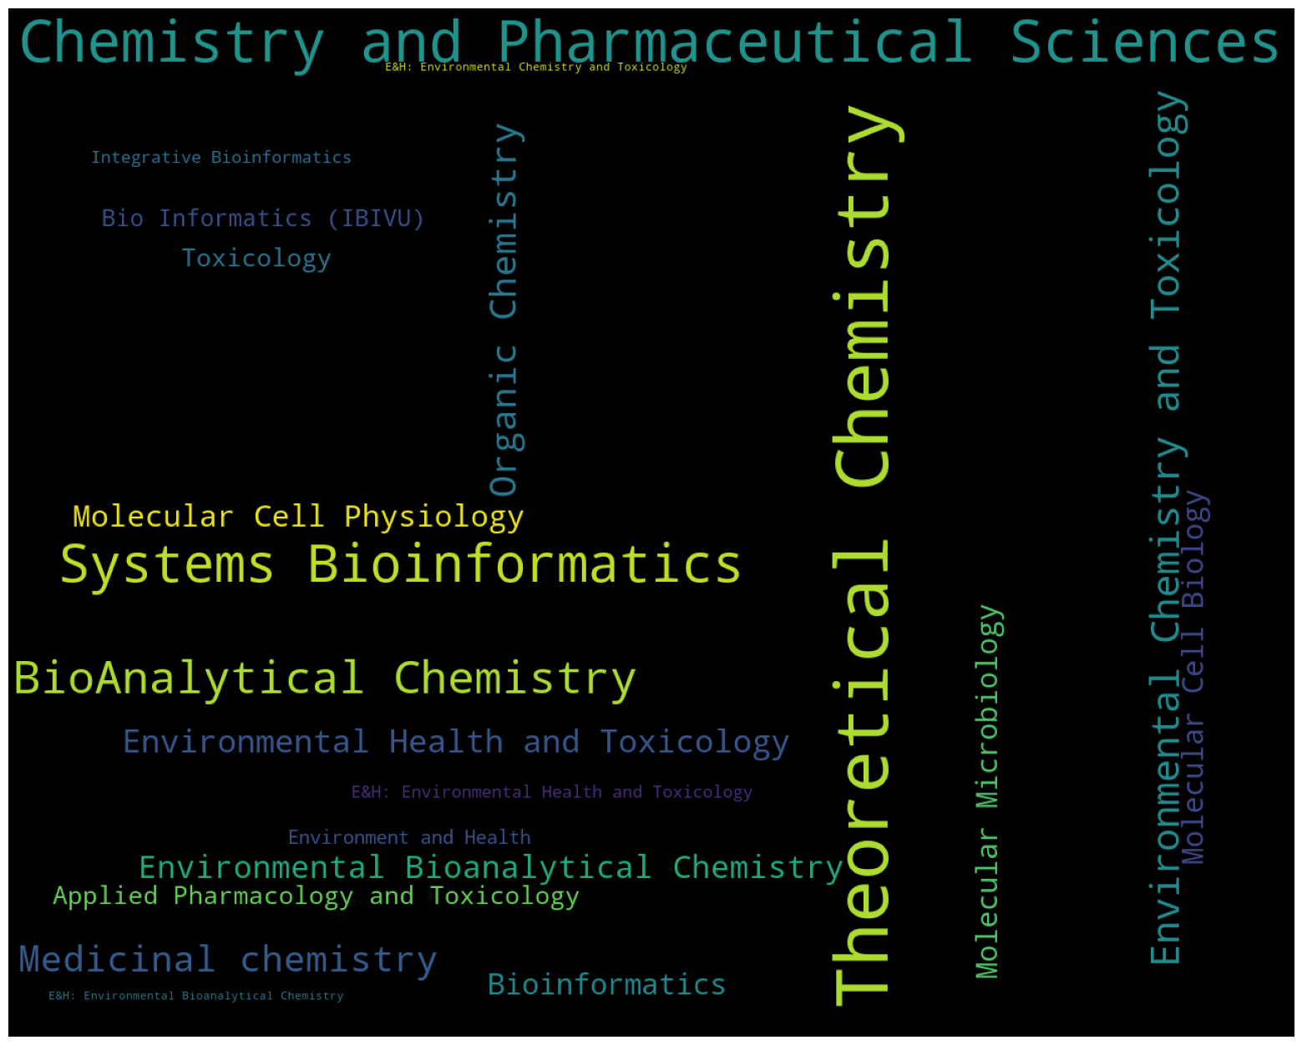
organisation | count
Applied Pharmacology and Toxicology | 7
Bio Informatics (IBIVU) | 6
BioAnalytical Chemistry | 27
Bioinformatics | 10
Chemistry and Pharmaceutical Sciences | 45
E&H: Environmental Bioanalytical Chemistry | 1
E&H: Environmental Chemistry and Toxicology | 1
E&H: Environmental Health and Toxicology | 3
Environment and Health | 4
Environmental Bioanalytical Chemistry | 12
Environmental Chemistry and Toxicology | 20
Environmental Health and Toxicology | 13
Integrative Bioinformatics | 3
Medicinal chemistry | 17
Molecular Cell Biology | 10
Molecular Cell Physiology | 11
Molecular Microbiology | 10
Organic Chemistry | 17
Systems Bioinformatics | 37
Theoretical Chemistry | 59
Toxicology | 7

