author_organisations_all
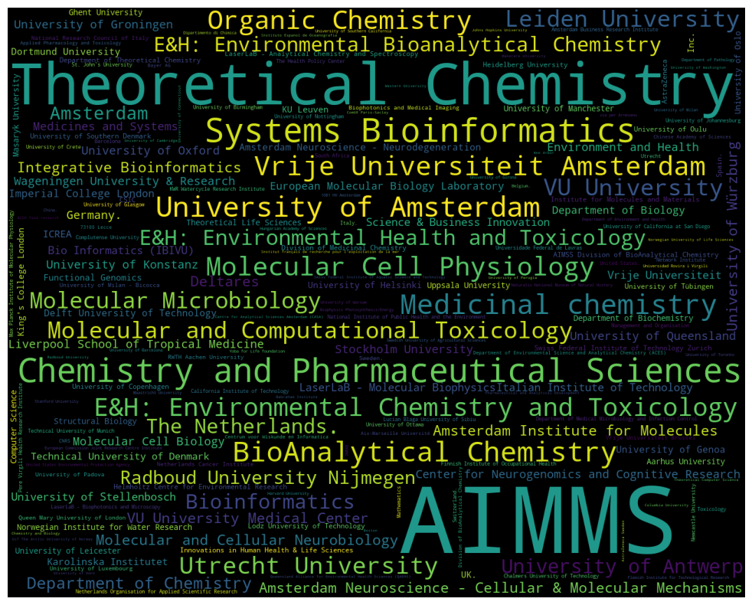
organisation | count
0001 Pretoria | 4
0002 | 1
0040 | 1
08003 | 1
08003 Barcelona | 2
08007 Barcelona | 1
08010 Barcelona | 1
08028 | 1
08034 Barcelona | 1
08041 Barcelona | 1
08172 Sant Cugat del Vallès | 1
1 Concourse Way | 1
1066 CX | 4
1066 CX Amsterdam | 1
10691 | 1
10691 Stockholm | 5
1070 Brussels | 1
1070 Vienna | 1
1079 WB Amsterdam | 1
1081 HV | 3
1081 HV Amsterdam | 7
1081 HZ Amsterdam | 1
1090 | 1
1090 Vienna | 1
1098 XH Amsterdam | 3
12 Mansfield Road | 1
151 36 | 1
189 Guo Shou Jing Road | 1
2000 Neuchâtel | 1
2100 | 1
211 18 Malmö | 1
2288 GK Rijswijk | 3
2300 RA | 1
2333 ZA | 2
2340 Beerse | 1
2500 Copenhagen | 1
2800 Lyngby | 1
3000 | 2
3000-456 Coimbra | 1
3004-504 Coimbra | 1
3015 CE Rotterdam | 1
3015 GE | 1
3030-789 Coimbra | 1
30625 Hannover | 1
3430 S. Vermont Avenue | 2
3508 TB | 1
3584 CX Utrecht | 1
3584CH | 2
3810-193 Aveiro | 1
39 Kessels Road | 2
393 Middle Huaxia Road | 2
4055 Basel | 1
4057 | 1
44139 | 1
44227 Dortmund | 4
45000 Orléans | 1
46022 València | 1
5020 Bergen | 1
555 Zuchongzhi Road | 1
6525 GA Nijmegen | 1
65926 Frankfurt am Main | 1
6700 AN | 1
6710 BA | 1
69120 | 1
73100 Lecce | 8
74164 St Julien-en-Genevois | 1
750 07 Uppsala | 1
76100 | 1
78457 | 4
78457 Konstanz | 1
78467 | 1
8092 Zurich | 1
826 Zhang Heng Road | 1
88379 Biberach an der Riss | 1
90411 Nürnberg | 1
9747AG | 1
A*STAR Institute of Molecular and Cell Biology | 1
A.A. | 1
ACTA - Dentistry | 1
AD eco advies | 1
AIMMS | 1160
AIMMS Division of Biomolecular Analysis | 1
AIMMS Divison of BioMolecular Analysis | 3
AIMSS Division of BioAnalytical Chemistry | 11
AIRC Start-Up Unit | 1
AMOLF | 1
ANSYS | 1
AZ Maria Middelares | 1
Aalto University | 1
Aarhus University | 13
Abera Bioscience AB | 3
Aberdeen | 1
Ablynx NV | 1
Academia Sinica Taiwan | 1
Academic Centre for Dentistry Amsterdam (ACTA) | 1
Academic Medical Center | 1
Academic Medical Centre | 1
Adaptive Immunity and ImmunoEpigenetics Research Unit | 1
Addenbrooke's Hospital | 2
Administrative Headquarters of the Max Planck Society | 1
AgResearch | 1
Agency for Science | 4
Agensys | 1
Agilent Technologies | 2
AgriFood Canada | 1
Agricultural Research Service | 1
AgroParisTech | 1
Agronomic Research Centre (AGACAL-CIAM) – Unit of Organic Contaminants | 2
Ahram Canadian University | 1
Airlabs Ltd. | 1
Aix-Marseille Université | 8
Akvaplan-niva | 5
Al-Azhar University | 1
Alan Turing Institute | 1
Albany | 1
Albert Schweitzer Ziekenhuis | 1
Alberta Learning | 1
Albinusdreef 2 | 2
Alderley Park | 1
Alexandria University | 1
Algalita Marine Research and Education | 1
Algorithmic Bioinformatics | 2
Alice Holt Lodge | 1
Alistair Reid Venom Research Unit | 4
Alkmaar Medical Centre | 1
Alphabet Inc. | 2
Alternative Methods and Reconstructed Skin Department | 1
American University in Cairo | 1
Amrita Vishwa Vidyapeetham | 1
Amsterdam | 41
Amsterdam 1066 CX | 1
Amsterdam 1098 XH | 1
Amsterdam Business Research Institute | 9
Amsterdam Global Change Institute | 1
Amsterdam Insititute for Molecules | 1
Amsterdam Institute for Molecules | 28
Amsterdam Institute for Molecules Medicines and Systems (AIMMS) | 2
Amsterdam Movement Sciences | 2
Amsterdam Neuroscience | 4
Amsterdam Neuroscience - Brain Imaging | 5
Amsterdam Neuroscience - Cellular & Molecular Mechanisms | 31
Amsterdam Neuroscience - Complex Trait Genetics | 5
Amsterdam Neuroscience - Compulsivity | 2
Amsterdam Neuroscience - Mood | 2
Amsterdam Neuroscience - Neurodegeneration | 15
Amsterdam Neuroscience - Systems & Network Neuroscience | 1
Amsterdam Public Health | 1
Amsterdam School of Communication Research (ASCoR) | 1
Amsterdam UMC | 5
Amsterdam UMC Location VUMC | 3
Amsterdam University Medical Centers | 1
Amsterdam University of Applied Sciences | 2
Amsterdam. | 2
Analytical Chemistry Facility | 3
Analytical Chemistry Group | 4
Analytical R&D | 1
Andalusian Network of Transfusion Medicine | 1
Anhui Sanlian University | 1
Animal Ecology | 2
Animal Ecology group Biology | 1
Animal Sciences Unit - Aquatic Environment and Quality | 2
Ann Arbor | 6
Antibody Discovery and Protein Engineering | 1
Antwerpen | 1
Anxiety | 2
Applied BioMath | 1
Applied Bioinformatics Group | 1
Applied Pharmacology and Toxicology | 8
Aquatic Ecology and Toxicology Group | 1
Ardeystraße 67 | 1
Argans (United Kingdom) | 1
Argenx | 2
Argonne National Laboratory | 1
Aristotle University of Thessaloniki | 2
Arizona State University | 2
Arkema B.V. | 1
Assistance publique - Hôpitaux de Marseille | 2
Astbury Centre for Structural Molecular Biology | 1
Astellas Pharma | 1
Astex Pharmaceuticals | 2
Aston University | 1
AstraZeneca | 11
AstraZeneca AB | 1
AstraZeneca Sweden | 6
Atlantic Oceanographic and Meteorological Laboratory (NOAA) | 1
Atoms | 1
Auckland Bioengineering Institute | 3
Aulich Lajos str. 26 | 1
Australia. | 2
Australian Centre for Research on Separation Science | 1
Australian Centre for Research on Separation Science ACROSS | 2
Australian Rivers Institute | 3
Austria. | 2
Autonomous University of Barcelona | 2
Autonomous University of Barcelona (UAB) | 1
Azienda Ospedaliera Careggi | 1
BASF | 2
BASF Metabolome Solutions | 1
BBMRI-ERIC | 2
BDS BioDetection Systems B.V. | 1
BESE Division | 1
BRC Translational Bioinformatics Unit | 1
Babes-Bolyai University | 1
Babraham Institute | 6
Baco Institute of Protein Science (BIPS) | 1
Bacterial Cell Biology | 4
Ball State University | 1
Baltimore | 3
Banaras Hindu University | 1
Bangladesh | 1
Bangor University | 1
Bar-Ilan University | 2
Barcelona | 9
Barcelona Institute of Science and Technology (BIST) | 3
Basel | 2
Basque Government | 1
Bavarian Environment Agency | 1
Bayer AG | 8
Bayer CropScience | 1
Beactica | 1
Beactica AB | 1
Bedfordshire MK44 1LQ | 1
Beijing 100049 | 1
Beijing Genomics Institute | 1
Beijing Jiaotong University | 2
Beijing Synchrotron Radiation Facility | 1
Beilstein-Institut | 1
Belgian Red Cross-Flanders | 1
Belgium. | 7
Belgrium (B.S.). | 1
Bellvitge Biomedical Research Institute | 1
Bellvitge Health Science Campus | 1
Belvaux | 1
Ben-Gurion University of the Negev | 1
Benha University | 1
Bergamo | 1
Berlin | 1
Berlin Institute of Health | 1
Betty-Heimann-Strasse 3 | 1
Beuth University of Applied Sciences Berlin | 1
Beverwijk | 1
Bevital AS | 1
Bhabha Atomic Research Centre | 1
Bijvoet Center | 1
Bilthoven | 1
Bio Informatics (IBIVU) | 19
Bio-Prodict | 1
Bio-Synergy Research Center | 1
BioAnalytical Chemistry | 103
BioDetection Systems B.V. | 1
BioDetection Systems BV | 1
BioNavis Ltd | 1
BioNavis Ltd. | 1
BioSB Research School | 1
BioSpyder Technologies | 1
BioTalentum | 1
BioTalentum Ltd. | 1
BioTechMed-Graz | 1
Biocenter Oulu | 1
Biochemistry and Molecular Biology | 2
Biocomplexity Institute of Virginia Tech | 1
Biodesy | 1
Biofilm Center | 1
Biogen IDEC | 1
Bioinformatics | 52
Bioinformatics and Computational Science (BioCoS) | 1
Bioinformatics and Systems Biology | 1
Bioinformatics center | 1
Biological Psychology | 1
Biological Sciences Division | 1
Biological and Environmental Sciences and Engineering Division | 1
Biology Department | 1
Biomedical Engineering | 1
Biomedical Informatics R&D Center | 1
Biomedical Microscale Analytics | 1
Biomedical Primate Research Centre - Rijswijk | 1
Biomolecular Analysis | 3
Biomolecular Analysis Group | 1
Biophotonics and Medical Imaging | 10
Biophysics Photosynthesis/Energy | 7
Bioprocessing Technology Institute | 1
Biosystems Data Analysis | 1
Blades Enterprise Centre | 2
Boehringer Ingelheim GmbH | 3
Boehringer Ingelheim International GmbH | 1
Boehringer Ingelheim Pharma GmbH & Co.KG | 2
Boston | 6
Boston Children's Hospital | 1
Boston College | 1
Boston Medical Center and Boston University | 1
Boston University | 1
Boston University School of Medicine | 1
Box 657 | 2
Box 7050 | 1
Brasil. | 1
Bridge Institute | 3
Bridge USC | 1
Brigham and Women's Hospital and Harvard Medical School | 1
Broad Institute | 4
Bruker Corporation | 1
Bruker Daltonik GmbH | 1
Brunel University London | 4
Brunel University. London | 1
Brussels | 2
Budapest | 1
Bureau de recherches géologiques et minières | 2
Burn Center and Department of Plastic and Reconstructive Surgery | 1
Business Bioincubator | 1
Business Web and Media | 1
Byk-Gulden-Str. 2 | 1
Byrom Street | 1
C-Cure Solutions Ltd | 1
CA | 1
CAAT Europe | 2
CAAT-Europe | 1
CAPES Foundation | 1
CAS - Institute of Biophysics | 1
CAS - Institute of Computing Technology | 1
CAS - Institute of High Energy Physics | 1
CAS - Shanghai Institute of Materia Medica | 3
CAS Key Laboratory of Receptor Research | 1
CB10 1SD | 1
CH-4002 | 1
CH-4070 Basel | 1
CH-8093 Zurich | 1
CH-8952 | 1
CHEM Trust | 1
CIBER - Center for Biomedical Research Network | 2
CIC biomaGUNE | 1
CIIMAR/CIMAR-LA – Interdisciplinary Centre of Marine and Environmental Research | 1
CINVESTAV-IPN | 1
CNC-Center for Neuroscience and Cell Biology | 1
CNR NANOTEC | 1
CNR-ISTM | 3
CNRS | 8
COISPA Tecnologia and Ricerca | 1
CSC - IT Center for Science Ltd. | 2
CSIC | 11
CSIR | 1
CSIR Campus | 1
CSIRO | 2
CSIRO Oceans and Atmopshere | 1
CZ-25250 | 1
California 90089 | 2
California 92078 | 1
California Dairy Research Foundation | 1
California Institute of Technology | 9
California State University Chico | 1
California State University Northridge | 1
Cambridge | 3
Cambridge CB10 1SD | 2
Cambridge Rindge and Latin High School | 1
Canadian Centre for Human Microbiome and Probiotics | 1
Canadian R and D Centre for Human Microbiome and Probiotics | 3
Canadian Research and Development Centre for Probiotics Microbiology Immunology | 1
Cancer Biomarkers and Prevention Group | 1
Cancer Center | 1
Cancer Center Amsterdam | 2
Cancer Centre | 2
Cancer Genomics Netherlands | 1
Cardiff University | 2
Cardno ChemRisk | 2
Carl von Linné Clinic | 1
Carleton University | 2
Carlsberg Breweries A/S | 1
Carmot Therapeutics Inc. | 1
Carnegie Institution of Washington | 1
Carnegie Mellon University | 1
Case Western Reserve University | 1
Catalan Institute for Water Research | 1
Catholic University of Portugal | 1
Catholic University of the Sacred Heart | 3
CeGaT GmbH | 1
Cefas | 2
Cefic | 1
Cell Biology and Histology | 1
Cell and Tissue Imaging Core Facility PICT-IBiSA | 1
Cellzome | 1
Center for Alternatives to Animal Testing (CAAT) | 2
Center for Analytical Sciences Amsterdam | 2
Center for Applied Structural Discovery | 1
Center for Biomolecular Nanotechnologies | 1
Center for Biomolecular Nanotechnologies @UNILE | 2
Center for Biomolecular Nanotechnologies at UNILE | 2
Center for Cell Analysis and Modeling | 1
Center for Communicable Diseases Dynamics | 1
Center for Computational Quantum Physics (CCQ) | 1
Center for Health Protection | 1
Center for Infectious Disease | 1
Center for Molecular Medicine | 1
Center for Nano and Biophotonics | 1
Center for Nanophotonics | 1
Center for Nanoscale Materials | 1
Center for Neurogenomics and Cognitive Research | 27
Center for Organismal Studies | 1
Center for Proteomics and Metabolomics | 1
Center for Research and Technology - Hellas | 1
Center of Mathematics for Social Creativity | 2
Center of Nano and Biophotonics | 1
Centre Daniel CArasso | 1
Centre Hospitalier Regional Universitaire (CHU) de Brest | 1
Centre National de la Recherche Scientifique (CNRS) | 1
Centre de Transfusion Sanguine des Armées | 1
Centre de recherches pétrographiques et géochimiques | 2
Centre for Analytical Sciences Amsterdam | 3
Centre for Analytical Sciences Amsterdam (CASA) | 6
Centre for Applied Pharmacokinetic Research | 1
Centre for Drug Research | 1
Centre for Environmental Resources and Sustainable Ecosystems | 1
Centre for Genomic Regulation | 2
Centre for Mathematical Medicine & Biology | 1
Centre for Molecular Medicine | 1
Centre for Oceanic and Atmospheric Research | 1
Centre for Pharmacology & Therapeutics | 1
Centre for Rural and Regional Futures | 1
Centre for Safety of Substances and Products | 1
Centre for Sustainable Development (GMV) | 1
Centre for Water Management of Rijkswaterstaat | 1
Centre for the Environment Fisheries and Aquaculture Science | 5
Centre hospitalier universitaire de Treichville | 1
Centre of Biomedical Research | 1
Centre of Membrane Proteins and Receptors | 2
Centre Énergie Matériaux et Télécommunications | 1
Centro de Biología Molecular Severo Ochoa (CSIC-UAM) | 1
Centro de Investigacion Principe Felipe | 1
Centro de Investigaciones Biológicas (CIB-CSIC) | 1
Centrum voor Wiskunde en Informatica | 8
Certara | 3
Certara UK Limited | 1
Certara UK Ltd | 1
Chalmers University of Technology | 9
Chapel Hill | 2
Charité – Universitätsmedizin Berlin | 5
Chemical Biology and Therapeutics | 1
Chemical Genomics Centre of the Max Planck Society | 5
Chemical Water Quality and Health | 1
Chemistry & Chemical Engineering Research Center of Iran (CCERCI) | 2
Chemistry Research Laboratory | 2
Chemistry and Biology | 6
Chemistry and Chemical Engineering Research Center of Iran | 2
Chemistry and Pharmaceutical Sciences | 151
Chemotargets SL | 1
Cheshire | 1
Chicago | 1
Children's Hospital Boston | 1
Children's Hospital and Regional Medical Center Seattle | 1
China. | 7
Chinese Academy of Sciences | 8
Chinese Research Academy of Environmental Sciences | 1
Chiricahua Desert Museum | 1
Chr. Hansen AS | 4
Christian-Albrechts-University Kiel | 1
Chungbuk National University | 1
Chungnam National University | 1
City University of Hong Kong | 1
City University of New York | 1
City of Hope National Med Center | 1
Ciência e Tecnologia do Rio de Janeiro | 1
Clamart | 1
Cleveland Clinic Foundation | 1
Clinical Research Department | 1
Co-Innovation Center of Textile Industry | 1
Co. Dublin A94 X099 | 1
College Road East Princeton | 1
College of Agricultural and Environmental Sciences | 3
College of Charleston | 1
Colorado State University | 1
Columbia University | 6
Colworth Science Park | 1
ComUE Paris-Saclay | 6
Comenius University | 1
Complex Trait Genetics | 6
Complutense University | 9
Computational Biology Unit | 1
Computational Bioscience Research Center (CBRC) | 1
Computational Chemistry Group | 1
Computational Structural Biology Group | 1
Computational Systems Biology of Infection and Antimicrobial-Resistant Pathogens | 1
Computer Science | 13
Concawe | 2
Conformal Coating of Nanomaterials | 1
Connecticut 06340 | 1
Consortium for Biomedical Research in Epidemiology & Public Health (CIBERESP) | 1
Consortium for Computational Molecular and Materials Sciences (CMS)2 | 1
Consorzio Interuniversitario di Ric. in Chimica Dei Metalli Nei Sistemi Biologici (C.I.R.C.M.S.B.) | 1
Consorzio Interuniversitario di Ricerca in Chimica Dei Metalli Nei Sistemi Biologici | 1
Constance | 1
Constellation Pharmaceuticals | 1
Consumers and Reference Materials | 1
Conway Institute | 1
Coopers Plains | 2
Copenhagen | 1
Copenhagen University | 1
Copernicus Institute for Sustainable Development | 1
Core Facility Proteomics | 1
Cornell University | 3
Cosmetics Europe Science & Research Department | 1
Council for Scientific and Industrial Research | 2
Covance Inc. | 1
Cray Inc. | 1
Crystal and Structural Chemistry | 4
Culham Science Centre | 2
Current addresses: Department of Chemistry | 1
Curtin University of Technology | 1
Cyclotron and Radioisotope Center | 1
Cyprotex Discovery Ltd | 2
Czech Academy of Sciences | 3
Czech Republic. | 1
D-06120 Halle (Saale) | 2
D-13353 Berlin | 2
D-20146 | 1
D-24105 Kiel | 1
D-24118 Kiel | 1
D-52074 Aachen | 1
D.M. | 1
DANS Data Archiving and Networked Services | 1
DERAC-Environmental risk assessment of chemicals | 1
DK-2200 | 1
DSM Biotechnology Centre | 1
DSM Delft BV | 1
DSM Food Specialties | 5
DSM Materials Science Center | 1
DSM Resolve | 2
DST/NRF Centre of Excellence for Biomedical Tuberculosis Research | 1
DVGW – Technologiezentrum Wasser | 1
DZHK | 1
Daegu University | 1
Danone Nutricia | 1
Danone S.A. | 2
Dartmouth College | 1
DdZ Ecotox | 2
De Boelelaan 1083 | 4
De Boelelaan 1087 | 6
De Boelelaan 1108 | 1
Deakin University | 3
Delft University of Technology | 15
Deltares | 30
Denmark. | 5
Departament de Química Inorgànica i Orgànica and IQTCUB | 4
Departament of Nutrition | 1
Departamento de Biología Molecular | 1
Departamento de Física Aplicada | 1
Departamento de Quimíca and Instituto de Física de la Materia Condensada (IFIMAC) | 1
Departamento de Qumica | 1
Departamento de Química | 5
Departamento de Química Orgánica I | 1
Departamento de Química Orgánica I Universidad Complutense de Madrid | 1
Departamento de Química Orgánica I and Centro de Innovación en Química Avanzada (ORFEO-CINQA) | 1
Departamento de Química Orgánica y Farmacéutica | 1
Department Environment and Health | 2
Department Environmental Biotechnology | 1
Department for Systems Chronobiology | 1
Department inaugurated by the Doerenkamp-Zbinden Foundation | 2
Department of Agricultural | 2
Department of Allied Health Sciences | 1
Department of Analytical Chemistry | 2
Department of Anatomy and Embryology | 1
Department of Anatomy and Neurobiology | 1
Department of Anatomy and Neurosciences | 1
Department of Animal Medicine (Infectious Diseases) | 1
Department of Animal Reproduction and Veterinary Radiology | 1
Department of Animal Science and Health | 1
Department of Applied Chemistry | 1
Department of Applied Stem Cell Technologies | 2
Department of Aquatic Sciences and Assessment | 2
Department of Bioanalytical Ecotoxicology | 1
Department of Biochemistry | 13
Department of Biochemistry and Biophysics | 3
Department of Biochemistry and Molecular Pharmacology | 1
Department of Biochemistry and Sports Science | 1
Department of Biodiversity | 1
Department of Bioengineering | 2
Department of Biological Sciences | 3
Department of Biological and Environmental Sciences | 1
Department of Biology | 17
Department of Biology and Biological Engineering | 1
Department of Biomedical Engineering | 1
Department of Biomedical Informatics and Medical Education | 1
Department of Biomedical Sciences | 2
Department of Biomedicine and KG Jebsen Centre for Neuropsychiatric Disorders | 1
Department of Bionanoscience | 2
Department of Bioscience and Bioinformatics | 1
Department of Biosciences | 3
Department of Biosciences and Nutrition | 1
Department of Biotechnology | 3
Department of Biotechnology and Environmental Sciences | 1
Department of CNS Diseases Research | 1
Department of Cell Biology | 1
Department of Cell Toxicology | 1
Department of Cellular and Molecular Medicine | 2
Department of Chemical Engineering and Chemistry | 1
Department of Chemical Immunology | 1
Department of Chemistry | 34
Department of Chemistry & Pharmaceutical Sciences | 3
Department of Chemistry and Applied Biosciences | 2
Department of Chemistry and Biochemistry | 5
Department of Chemistry and Chemical Biology | 4
Department of Chemistry and Molecular Physics | 1
Department of Chemistry and Pharmaceutical Sciences | 5
Department of Chemistry and Pharmaceutical Sciences and Amsterdam Center for Multiscale Modeling (ACMM) | 1
Department of Chemistry and Quantum Theory Group | 1
Department of Child and Adolescent Psychiatry/Psychology | 1
Department of Clinical Genetics | 3
Department of Clinical Sciences of Companion Animals | 1
Department of Clinical and Experimental Medicine | 1
Department of Cognitive Neuroscience | 1
Department of Community Medicine | 2
Department of Computer Science | 3
Department of Computing and Mathematical Sciences | 4
Department of Contaminants | 1
Department of Dermatology | 1
Department of Development and Regeneration | 1
Department of Drug Design and Pharmacology | 2
Department of Drug Sciences | 1
Department of Drug and Food Control | 2
Department of Earth Sciences | 2
Department of Earth and Planetary Sciences | 1
Department of Electrical and Computer Engineering | 2
Department of Environment and Health | 7
Department of Environmental Chemistry | 1
Department of Environmental Exposures and Epidemiology | 1
Department of Environmental Medicine | 2
Department of Environmental Science | 1
Department of Environmental Science Physics | 1
Department of Environmental Science and Analytical Chemistry (ACES) | 8
Department of Environmental Toxicology | 1
Department of Epidemiology and Biostatistics | 1
Department of Epidemiology and Prevention | 1
Department of Experimental Immunology | 2
Department of Experimental and Clinical Medicine | 2
Department of Experimental and Clinical Pharmacology and Toxicology | 1
Department of Experimental and Health Sciences | 1
Department of Fisheries | 1
Department of Fisheries Post-Harvest Technologies and Quality Control | 1
Department of Fisheries and Wildlife | 1
Department of Food Science & Technology | 1
Department of Food Science and Nutrition | 1
Department of Food Science and Technology | 1
Department of Food Technology and Nutrition | 3
Department of Functional Genomics | 3
Department of Geology | 1
Department of Haematology | 1
Department of Health Sciences | 1
Department of Health Sciences and Technology | 1
Department of Health Services | 1
Department of Hematology | 1
Department of Hormone Biochemistry | 3
Department of Human Nutrition and Home Economics | 1
Department of Immunopathology | 1
Department of In Vitro Toxicology and Dermato-Cosmetology | 3
Department of Infectious Diseases | 1
Department of Infectious Diseases and Immunology | 2
Department of Inorganic Chemistry | 1
Department of Inorganic and Physical Chemistry | 1
Department of Life Sciences | 3
Department of Management and Organization | 1
Department of Marine and Coastal Systems | 1
Department of Mechanistic Cell Biology | 1
Department of Medical Epidemiology and Biostatistics | 1
Department of Medical Microbiology and Infection Control | 10
Department of Medical Microbiology and Infection Prevention | 4
Department of Medical Oncology | 4
Department of Medical Sciences and Institute of Biomedicine - iBiMED | 1
Department of Medical Statistics | 1
Department of Medicinal Chemistry | 3
Department of Medicine | 2
Department of Medicine Solna | 1
Department of Microbial Pathogenesis | 2
Department of Microbiology | 3
Department of Microbiology and Biotechnology | 1
Department of Microbiology and Biotechnology Centre | 1
Department of Microbiology and Immunology | 6
Department of Molecular & Integrative Physiology | 1
Department of Molecular Biology and Microbiology | 1
Department of Molecular Cell Biology and Immunology | 3
Department of Molecular Cell Physiology | 2
Department of Molecular Genetics | 1
Department of Molecular Medicine | 1
Department of Molecular Sciences | 1
Department of Molecular and Cell Biology | 2
Department of Molecular and Cellular Biology | 1
Department of Molecular and Cellular Neurobiology | 4
Department of Nanochemistry | 5
Department of Natural and Applied Sciences | 1
Department of Neurochemistry and Molecular Biology | 1
Department of Neurology | 1
Department of Neuroscience | 2
Department of Neurosurgery | 1
Department of Non-Communicable Diseases | 1
Department of Nutrition and Dietetics | 1
Department of Obstetrics | 1
Department of Obstetrics and Gynaecology | 1
Department of Occupational and Environmental Medicine | 1
Department of Oncology | 1
Department of Oral Cell Biology | 1
Department of Organic and Macromolecular Chemistry | 2
Department of Organismal Biology | 1
Department of Orthopaedic Surgery | 1
Department of Orthopedic Surgery | 1
Department of Pathology | 7
Department of Pediatrics | 3
Department of Pediatrics (Neonatology) | 1
Department of Pharmaceutical Chemistry | 3
Department of Pharmaceutical Sciences | 1
Department of Pharmaceutical and Medicinal Chemistry | 1
Department of Pharmaceutical and Pharmacological Sciences | 1
Department of Pharmaceutics | 4
Department of Pharmacology | 4
Department of Pharmacy | 1
Department of Physical | 1
Department of Physics | 6
Department of Physics and Astronomy | 1
Department of Physiology | 1
Department of Physiology and Biophysics | 1
Department of Physiology and Pharmacology | 1
Department of Plasma Proteins | 1
Department of Plastic | 1
Department of Pneumology | 1
Department of Preventive Medicine | 1
Department of Preventive Medicine and Public Health | 1
Department of Proteomics and Microbiology | 1
Department of Psychiatry Erasmus Medical Center | 1
Department of Psychiatry and Behavioral Neuroscience | 1
Department of Public Health and Community Medicine | 1
Department of Public Health and General Practice | 1
Department of Public Health and Nursing | 1
Department of Pulmonary Diseases & Tuberculosis | 1
Department of Radiology and Nuclear Medicine | 1
Department of Research | 1
Department of Research and Development | 1
Department of Risk Analysis for Products in Development | 1
Department of Science | 1
Department of Sociology | 1
Department of Structural Biology | 2
Department of Surgery | 2
Department of Synthesis and Technology of Drugs | 3
Department of Systems Biology and Bioinformatics | 2
Department of Technology | 1
Department of Technology Management | 1
Department of Technology and Biotechnology of Drugs | 1
Department of Theoretical Chemistry | 11
Department of Theoretical Chemistry and Amsterdam Center for Multiscale Modeling (ACMM) | 4
Department of Toxicogenomics | 1
Department of Tumor Immunology | 1
Department of Water Management | 1
Department of Water and Sanitation | 5
Departments of Chemistry and Molecular Bioscience | 1
Departments of Genetics | 1
Departments of Neurology | 1
Dept of Biotechnology and Biosciences | 1
Dept of Environmental Health | 1
Dept of Informatics | 2
Dept of Statistics and Quantitative Methods | 2
Dept. of Biotechnology and Biosciences | 1
Diabetes and Nutritional Sciences Division | 3
Diagnostic Medicine/Pathobiology | 1
Dipartimento di Chimica | 7
Dipartimento di Chimica e Tecnologie Chimiche | 1
Dipartimento di Ingegneria Civile Ed Ambientale | 2
Dipartimento di Matematica e Fisica 'E. De Giorgi' | 4
Dipartimento di Matematica e Fisica Ennio De Giorgi | 1
Dipartimento di Scienze Chimiche | 2
Dirac Solutions | 2
Directorate E - Space | 1
Directorate F - Health | 1
Discovery Technologies | 1
Diseases of the Developing World | 2
Division 16 | 1
Division KAUST | 1
Division NG 1 | 1
Division Pharmacoepidemiology &Clinical Pharmacology | 1
Division of Analytical Chemistry | 1
Division of BioAnalytical Chemistry | 8
Division of Bioanalytical Chemistry | 1
Division of Biostatistics | 1
Division of Cell Biology | 1
Division of Clinical Pharmacology | 1
Division of Cystic fibrosis/Christiane Herzog Zentrum | 1
Division of Drug Discovery and Safety | 4
Division of Drug Discovery and Safety/Leiden Cell Observatory High Content Imaging Screening Facility | 1
Division of Environmental Epidemiology | 1
Division of Gene Regulation | 1
Division of General Internal Medicine | 1
Division of Geophysics and Astronomy | 1
Division of Human Nutrition | 1
Division of Materials and Manufacturing Science | 1
Division of Medicinal Chemistry | 12
Division of Molecular Biology and Human Genetics | 2
Division of Molecular Carcinogenesis and Oncode Institute. The Netherlands Cancer Institute | 2
Division of Molecular Oncology and Immunology | 1
Division of Molecular Synthesis and Drug Discovery | 1
Division of Molecular Toxicology | 1
Division of Molecular and Computational Toxicology | 2
Division of Neonatal-Perinatal Medicine | 1
Division of Neurology (Pediatric Neurology) | 1
Division of Pharmacology | 2
Division of Pharmacology Physiology and Neuroscience | 1
Division of Physiology | 1
Division of Primary Care and Duke Center for Childhood Obesity Research | 1
Division of Thrombosis and Hemostasis | 2
Division of Toxicology | 3
Domain of Infection Control and Environmental Health | 1
Dongguan University of Technology | 1
Donghua University | 1
Donostia International Physics Center | 1
Dortmund | 1
Dortmund University | 15
Dow Chemical | 1
Drug Discovery and Design Center | 1
Drug Quality and Registration (DruQuaR) Group | 1
Duke University | 3
Duke University and Duke Clinical Research Institute | 1
Duquesne University | 1
Durham | 2
Durrell Wildlife Conservation Trust | 1
Dutch Techcentre for Life Sciences | 1
Dutch Techcentre for Life Sciences (DTL) | 1
E&H: Environmental Bioanalytical Chemistry | 53
E&H: Environmental Chemistry and Toxicology | 84
E&H: Environmental Health and Toxicology | 57
EA 2465 | 1
ELIXIR Hub | 4
EMAT | 1
ENPICOM | 1
ENZA Zaden | 1
EPF Lausanne | 2
ERABLE Team | 1
ESTEC | 2
ESTEVE | 1
ETH Zurich | 2
Earth Surface Science | 1
Ecofide | 1
Econometrics and Operations Research | 4
Ede | 1
Edelweiss Connect GmbH | 3
Edinburgh Napier University | 1
Educational and Family Studies | 1
Edward S. Rogers Department of Electrical and Computer Engineering | 1
Ege University | 1
Eight Pillars Ltd | 1
Eindhoven University of Technology | 3
Einthoven Laboratory for Vascular and Regenerative Medicine | 2
Electron Microscopy Centre Amsterdam | 1
Elsevier | 1
Emory University | 1
Endocrinology Unit | 1
Enschede | 1
Environment Health and Safety Division | 1
Environment and Climate Change Canada | 1
Environment and Health | 27
Environmental Chemical Pollution and Health Research Unit | 1
Environmental Economics | 1
Environmental Futures Research Institute (EFRI) | 1
Environmental Institute (EI) | 3
Environmental Molecular Sciences Laboratory | 1
Environmental Policy Analysis | 1
Environmental Protection Agency | 1
Environmental Toxicology | 2
Epidemiology and Environmental Health Joint Research Unit | 1
Epidemiology and Microbiology | 1
Epidemiology and Microbiology Cuba | 1
Erasmus MC | 1
Erasmus Medical Center | 1
Erasmus Medical Centre-Sophia Children's Hospital | 1
Erasmus Universitair Medisch Centrum | 1
Erasmus University Rotterdam | 5
Etablissement français du sang | 1
Euresearch | 1
Euretos and Phortos Consultants | 1
Eurolab Srl | 1
European Bioinformatics Institute | 4
European Bioinformatics Institute (EMBL-EBI) | 1
European Chemicals Agency | 1
European Commission | 1
European Commission Joint Research Centre Institute | 8
European Molecular Biology Laboratory | 18
European XFEL | 1
Evercyte GmbH | 1
Excellence Research Laboratory on Natural Products | 1
Existential-Humanistic Institute | 1
Experimental Animal Pathology | 1
Experimental Pathology Section | 1
ExxonMobil | 1
ExxonMobil Biomedical Sciences Inc. | 1
ExxonMobil Petroleum and Chemical | 1
Eötvös Loránd Research Network | 1
F-59000 | 1
F-75205 | 1
F. Hoffmann-La Roche AG | 1
F.B.); and Ablynx N.V. | 1
FBMM | 1
FI-20500 | 1
FOM University of Applied Sciences | 1
Faculdade de Filosofia Ciencias e Letras de Ribeirao Preto | 1
Faculty of Agricultural Sciences | 1
Faculty of Agricultural and Environmental Sciences | 1
Faculty of Applied Engineering | 4
Faculty of Chemical Engineering and Biotechnology | 1
Faculty of Earth and Life Sciences | 2
Faculty of Economy and Management | 1
Faculty of Environmental Science and Engineering | 1
Faculty of Medical Sciences | 1
Faculty of Medicine | 1
Faculty of Medicine and Health Sciences | 1
Faculty of Natural and Agricultural Sciences | 1
Faculty of Pharmacy | 1
Faculty of Science | 3
Faculty of Science - Chemistry | 1
Faculty of Sciences | 3
Faculty of Technology | 1
Faculty of Veterinary Medicine | 2
Faculté de Médicine-Université Paris-Sud | 1
Faes Farma SA | 1
Far Eastern Branch | 1
Far Eastern Federal University | 1
Farnham | 1
Federal Environment Agency (UBA) | 1
Federal Environmental Agency | 1
Federal Institute for Risk Assessment | 1
Federal University Rio Grande do Norte | 1
Fera Science Ltd | 1
Fine Mechanical Instrumentation and Engineering Group | 2
Finland. | 2
Finnish Environment Institute | 1
Finnish Institute for Health and Welfare | 1
Finnish Institute of Occupational Health | 10
Fisheries Administration | 1
Fiskehamnsgatan 1 | 1
Fjordforsk AS. Nanofactory | 1
Flanders Institute for Biotechnology | 3
Flanders Marine Institute | 2
Flatiron Institute | 1
Flemish Institute for Technological Research | 7
Florida State University | 1
Fluidigm GmbH | 1
Fluminense Federal University | 1
Fondazione Pisana per la Scienza | 1
Food Packaging Forum Foundation | 1
Food and Agriculture Division | 1
Forskargatan 20 | 1
Foshan University | 1
Foundation for Research and Technology-Hellas | 1
France (P.C. | 1
France. | 5
France. Louis.Ates@gmail.com. | 1
Fraunhofer Institute for Molecular Biology and Applied Ecology | 2
Fraunhofer Institute for Toxicology and Experimental Medicine (ITEM) | 1
Fred Hutchinson Cancer Research Center | 1
Free Universities of Brussels | 2
Free University of Berlin | 1
Freiberg University of Mining and Technology | 1
Freie Universität Berlin | 1
Friedrich Schiller University Jena | 4
Friedrich-Alexander University Erlangen-Nürnberg | 1
FrieslandCampina | 1
Frontier Medicines Corporation | 1
Frontier Research Academy for Young Researchers | 1
Fudan University | 4
Functional Genomics | 14
Fundaçao Oswaldo Cruz (FIOCRUZ) | 1
Fundação Oswaldo Cruz | 5
GPCR Consortium | 2
GREEN Tox GmbH | 1
GSK | 1
Gabriele d’Annunzio University | 1
Gazi University | 1
Gebze Technical University | 2
Gedeon | 1
Gedeon Richter Plc | 2
Geelong Hospital | 2
Genentech Incorporated | 1
General Mills | 1
Genetics BioIT DBC Department | 1
Genetics and Bioengineering Department | 1
Geneva Research Center | 1
Gent | 1
Geology and Geochemistry | 1
George Washington University | 1
Georgia Institute of Technology | 2
Georgia State University | 2
German Cancer Research Center | 3
German Center for Cardiovascular Research | 1
German Center for Infection Research (DZIF) | 5
German Electron Synchrotron | 3
German Environment Agency UBA | 1
German Federal Institute of Hydrology | 1
Germany | 1
Germany. | 25
Germany. marcel.leist@uni-konstanz.de. | 2
Ghent University | 13
Gifu University | 1
Givaudan | 1
Glasgow Royal Infirmary | 1
GlaxoSmithKline | 2
GlaxoSmithKline Research and Development Ltd | 1
Global Alliance for Genomics and Health | 2
Global Product Stewardship | 1
Glycoscience Research Laboratory | 1
Goethe University Frankfurt | 2
Gotham GmbH | 1
Graduate School of Material Science in Mainz | 1
Grantham Institute and Department of Physics | 1
Graz University of Technology | 2
Greifswald | 1
Griffin Discoveries BV | 2
Griffith University Queensland | 4
Groningen | 2
Groton | 1
Groundwater Protection & Restoration Group | 1
Group of Chemoresistance and Predictive Factors | 1
Grupo de Ingeniería Estadística Multivariante | 1
Guangdong College of Pharmacy | 1
Guangdong Province Key Laboratory of Pharmacodynamic Constituents of Traditional Chinese Medicine & New Drug Research | 1
Guangzhou Medical College | 1
Gutenbergstrasse 76 | 1
Gynecology and Reproductive Biology | 1
Gödöllő | 1
H-1117 | 1
H. Lundbeck A/S | 1
H.F.V | 1
H.J.B. | 1
HAWAI'I WILDLIFE FUND | 1
HIMS | 1
Hacettepe University | 1
Hainan University | 1
Hamburg | 1
Hannover | 1
Hannover Medical School | 2
Hanze University of Applied Sciences | 2
Harvard Medical School | 1
Harvard University | 7
Hasselt University | 1
Head Office Bern | 1
Health & Life | 1
Health Canada | 1
Health Innovation Manchester | 1
Health Research Institute | 1
Health Services Research Unit | 1
Health and Environmental Sciences Institute | 1
Health and Safety Executive | 1
Health and Societies | 1
Heidelberg | 1
Heidelberg Institute for Theoretical Studies | 2
Heidelberg Institute for Theoretical Studies (HITS gGmbH) | 1
Heidelberg Institute for Theoretical Studies (HITS) | 1
Heidelberg University | 12
Heifer International | 1
Heinrich Heine University Düsseldorf | 5
Helite SARL | 1
Helmholtz Centre for Environmental Research | 11
Helmholtz Centre for Environmental Research - UFZ | 1
Helmholtz Zentrum München - German Research Center for Environmental Health | 2
Henry Ford Health System | 1
Heptares Therapeutics | 1
Heptares Therapeutics Ltd | 1
Herestraat 49 | 1
Heriot-Watt University | 1
Hinxton | 5
Hiroshima University | 1
Hiyoshi Corporation | 1
Hochbergerstrasse 60C | 1
Hokkaido Institute of Public Health | 1
Hokkaido University | 4
Hooft Pharma Services Sàrl | 1
Hospital Clínic-Universitat de Barcelona | 1
Hospital Universitario Marques de Valdecilla | 1
Hospital Universitario Virgen del Rocio | 1
Howard Hughes Medical Institute | 2
Hubesch Consult BVBA | 1
Hubrecht Institute-KNAW | 1
Humboldt University of Berlin | 6
Hungarian Academy of Sciences | 7
Hungary. | 2
Hunzestraat 133-A | 1
Huzhou University | 1
Hylleraas Centre for Quantum Molecular Sciences | 1
I-00133 | 1
IBIVU - Center for Integrative Bioinformatics | 1
IBM | 4
IBSB | 1
ICBAS – Institute of Biomedical Sciences of Abel Salazar | 1
ICO | 1
ICREA | 16
IDIBELL | 1
IHuman Institute | 3
IL | 1
IMDEA Institute | 1
INRAE | 7
INSERM | 1
IOTA Pharmaceuticals Ltd | 1
IP Research Consulting SAS | 1
IRCCS Fondazione G.B. Bietti per lo studio e la ricerca in oftalmologia- Roma | 2
IRCCS Fondazione Istituto Nazionale per lo studio e la cura dei tumori - Milano | 1
IRCCS Istituto di ricerche farmacologiche Mario Negri- Milano | 1
ISAR Bioscience GmbH | 1
ISAR Bioscience Institute | 1
IUCN-NDP Chair | 1
IUCN-NDP member | 1
IVL Svenska Miljoinstitutet | 2
Iberoamerican Cochrane Centre | 1
Icahn School of Medicine at Mount Sinai | 5
Ifremer | 3
Igenomix SL | 1
Ikerbasque Basque Foundation for Science | 1
Illawarra Health and Medical Research Institute | 1
Im Neuenheimer Feld 504 | 1
Immune Response Service | 1
ImmunoGen | 1
Imperial College London | 17
Impulsivity & Attention | 2
In Vitro Toxicology and Biomedicine | 2
InSphero AG | 1
Inc | 2
Inc. | 14
Inc. (OKSI) | 1
Inc. Gainesville | 4
Incorporated | 1
Independent Consultant | 1
Independent Junior Research Group on Protein Recognition and Degradation | 1
Independent Researcher | 2
Indian Association for the Cultivation of Science | 1
Indian Institute of Science Bangalore | 1
Indian Institute of Technology | 1
Indian Institute of Technology Indore | 2
Indiana University-Purdue University Indianapolis | 1
Infectious Diseases | 1
Information | 1
Information and Innovation | 1
Infrastructure for Systems Biology Europe (ISBE.IT) | 2
Infrastructure for Systems Biology Europe (ISBE.NL) | 1
Innovations in Human Health & Life Sciences | 11
Innsbruck Medical University | 6
Inorganic Chemistry and Catalysis | 1
Inorganic Materials Chemistry | 2
Inst. for Risk Assessment Sciences | 2
Institut Curie | 3
Institut Für Biochemie and Biotechnologie | 1
Institut Hospital del Mar d'Investigacions Mèdiques (IMIM) | 2
Institut HyperCube | 1
Institut Laue-Langevin | 1
Institut National de l'Environnement Industriel et des Risques (INERIS) | 2
Institut National de l'Environnement Industriel et des Risques INERIS | 1
Institut Paoli Calmettes | 1
Institut Pasteur | 2
Institut Pasteur Paris | 3
Institut de Química Computacional i Catàlisi (IQCC) | 1
Institut de Química Computacional i Catàlisi and Departament de Química | 3
Institut de Recherche Interdisciplinaire en Biologie Humaine et Moléculaire | 1
Institut de Recherches Servier | 1
Institut de recherche biomédicale des armées | 1
Institut de recherche pour le développement | 2
Institut français de recherche pour l'exploitation de la mer | 7
Institut für Angewandte Synthesechemie | 1
Institut für Anorganische Chemie | 1
Institut für Energie- und Umwelttechnik e.V. (IUTA | 1
Institut national de l'environnement industriel et des risques | 6
Institut national de la recherche scientifique | 1
Institut national de la santé et de la recherche médicale | 4
Institut national de recherche en informatique et en automatique | 2
Institute Catala Oncologia | 1
Institute Gonçalo Moniz | 1
Institute for Advanced Research in Chemical Sciences (IAdChem) | 1
Institute for Agricultural and Fisheries Research (ILVO) | 1
Institute for Basic Science | 1
Institute for Biology II | 1
Institute for Biomedical Informatics (IBMI) | 2
Institute for Chemical and Bioengineering | 2
Institute for Environmental Research | 2
Institute for Environmental Studies | 1
Institute for Interdisciplinary Research | 1
Institute for Microelectronics and Microsystems (CNR-IMM) | 6
Institute for Molecular Bioscience | 3
Institute for Molecular Cell Biology | 1
Institute for Molecules and Materials | 11
Institute for Organic Chemistry | 1
Institute for Research in Biomedicine | 2
Institute for Risk Assessment Sciences | 2
Institute for Risk Assessment Sciences (IRAS) | 2
Institute for Science and Technology | 1
Institute for Science in Society | 1
Institute for Systems Biology | 3
Institute for Translational Vaccinology (Intravacc) | 1
Institute for Viticulture and Oenology | 1
Institute for a Sustainable Future | 1
Institute of Applied Synthetic Chemistry | 2
Institute of Basic Medical Sciences | 1
Institute of Biochemical Sciences | 1
Institute of Biochemistry | 1
Institute of Biology I | 1
Institute of Biotechnology of the Czech Academy of Sciences | 1
Institute of Cancer Research | 1
Institute of Chemistry | 1
Institute of Chemistry-Department of Physical Chemistry | 1
Institute of Electronic Structure and Laser | 1
Institute of Electronics | 1
Institute of Energy and Environmental Technology) | 1
Institute of Environment | 1
Institute of Environmental Biology | 1
Institute of Environmental Sciences (CML) | 1
Institute of Enzymology | 1
Institute of Experimental Musculoskeletal Medicine | 1
Institute of Forensic Medicine | 1
Institute of Functional Genomics | 1
Institute of Fundamental and Frontier Sciences | 1
Institute of Genetic Medicine | 1
Institute of Groundwater Ecology | 1
Institute of Health Sciences | 1
Institute of Infection | 2
Institute of Innovative Research | 1
Institute of Legal Medicine | 1
Institute of Marine Research | 1
Institute of Marine Sciences (ISMAR) | 1
Institute of Medical Psychology | 1
Institute of Medicinal and Pharmaceutical Chemistry | 1
Institute of Metagenomics and Microbial Technologies | 1
Institute of Microbiology | 1
Institute of Microbiology and Immunology | 1
Institute of Molecular Bioimaging and Physiology | 1
Institute of Molecular Systems Biology | 2
Institute of Molecular and Clinical Medicine | 1
Institute of Parasitology | 1
Institute of Pharmaceutical Analysis | 1
Institute of Pharmacology of the Polish Academy of Sciences | 1
Institute of Physics | 1
Institute of Physiology | 1
Institute of Public Health | 1
Institute of Speleology Emil Racovita | 1
Institute of Sustainable Processes | 1
Institute of Virology | 1
Instituto Espanol de Oceanografia | 7
Instituto Federal de Educação | 1
Instituto Gulbenkian de Ciencia | 2
Instituto Nacional de Ciencias Medicas y Nutricion Salvador Zubiran | 1
Instituto de Biologia Experimental e Tecnológica | 1
Instituto de Física | 1
Instituto de Investigación Sanitaria La princesa | 1
Instituto de Medicina Tropical Pedro Kouri | 1
Instituto de Nanociencia | 1
Instituto de Química Avanzada de Cataluña (IQAC) | 1
Instituto de Salud Carlos III | 3
Instituto de Tecnologia Química e Biológica Antonio Xavier | 1
Instituut voor Kern-en Stralingsfysica | 1
Inte:Ligand GmbH | 1
Integral Molecular | 1
Integrative Bioinformatics | 28
Integrative Neurophysiology | 6
Intelligent Information Systems | 1
Interdisciplinary Center Herzliya | 1
International Agency for Research on Cancer | 1
International Chemical Secretariat (ChemSec) | 1
International Council for the Exploration of the Sea (ICES) | 1
International Pacific Research Center | 1
Interuniversity Institute of Bioinformatics in Brussels | 1
Intrinsik Corp. | 2
Irkutsk State University | 1
Irstea | 1
Ispra | 1
Israel. | 1
Istituto Superiore di Sanita | 1
Italian Institute of Technology | 20
Italy. | 10
Ithaca | 1
Iuliu Hatieganu University of Medicine and Pharmacy | 1
J. Stefan Institute | 2
Jagannath University | 1
Jagiellonian University in Kraków | 3
Janelia Research Campus of the HHMI | 1
Janssen Pharmaceutica NV | 1
Janssen Vaccines & Prevention B.V. | 6
Japan Science and Technology Agency | 1
Japan Society for the Promotion of Science | 1
Jaume I University | 4
Jawaharlal Nehru University | 1
Jet Propulsion Laboratory | 1
Jiangnan University | 1
Jiangsu Provincial Academy of Environmental Science | 1
Jinan University | 5
Johannes Gutenberg University Mainz | 1
Johannes Kepler University of Linz | 1
Johannesburg | 5
Johns Hopkins Bloomberg School of Public Health | 1
Johns Hopkins University | 7
Johnson & Johnson | 1
Johnson and Johnson Pharmaceutical Research and Development | 1
Joint Research Centre | 2
Joint Research Centre (Italy) | 1
Jomo Kenyatta University of Agriculture and Technology | 1
Justus Liebig University Giessen | 1
Jülich Research Centre | 2
KBI Biopharma | 1
KIN Center for Digital Innovation | 2
KTH Royal Institute of Technology | 2
KU Leuven | 14
KU Leuven-University of Leuven | 1
KWR Water Research Institute | 2
KWR Watercycle Research Institute | 9
Kansas State University | 2
Kantisto BV | 2
Karlstad University | 2
Karolinska Institutet | 16
Kavli Institute of NanoScience | 1
Kavli Institute of Nanoscience | 1
Kavli Institute of Nanoscience Delft | 1
Keele University | 1
Keio University | 1
Kerntechnische Entsorgung Karlsruhe GmbH | 1
Kiel University | 3
King Abdullah University of Science and Technology | 5
King Abdullah University of Science and Technology (KAUST) | 1
King Saud University | 1
King's College London | 14
Klaas den Haan E&S Consulting | 1
Kluyver Center for Genomics of Industrial Fermentations/NCSB | 1
Knowledge | 1
Koc University | 1
Kongju Nationtional University | 1
Konstanz | 5
Korea Advanced Institute of Science and Technology | 3
Korea Basic Science Institute | 1
Korea National Institute of Food and Drug Safety | 1
Korea University | 1
Kristiania University College | 4
Kunming 650500 | 1
Kunming Medical University | 1
Kyambogo acad | 5
Kybeidos GmbH | 1
Kyoto University | 1
Kyungpook National University | 1
Kyushu Institute of Technology | 3
Kyushu University | 3
L'Hospitalet del Llobregat | 1
L'Oreal R&I | 1
L-4367 | 1
L3 3AF | 1
LACDR/Toxicology | 1
LE STUDIUM® Loire Valley Institute for Advanced Studies | 1
LEARN! - Learning sciences | 1
LECO Africa | 1
LLC | 2
LOEWE Center for Synthetic Microbiology | 1
LRI Programme | 1
LUMC Leiden | 1
LYMMCARE | 1
Laarbeeklaan 103 | 1
Lab. de Química Inorgánica y Materiales Moleculares | 2
Laboratoire WatchFrog | 1
Laboratoire Watchfrog | 1
Laboratoire d'Immunologie | 1
Laboratoire de Biomécanique et Bio-Ingénierie | 2
Laboratoire de Chimie et Physique Quantiques | 1
Laboratoire de Chimie et Physique Quantiques (LCPQ) | 1
Laboratoire de Mathématiques Appliquées de Compiègne | 1
Laboratoire de physique des océans et de télédétection par satellite (LOPS) | 1
Laboratory for Microbiology | 1
Laboratory for Microbiology Parasitology and Hygiene (LMPH) | 1
Laboratory for Multifunctional Materials | 1
Laboratory for Thin Films and Photovoltaics | 2
Laboratory of Biochemistry and Molecular Biology | 1
Laboratory of Ecotoxicology | 2
Laboratory of Evolutionary and Adaptive Physiology | 1
Laboratory of Food Microbiology | 2
Laboratory of Functional Genomics & Proteomics | 1
Laboratory of Genetics | 1
Laboratory of Inorganic Chemistry | 1
Laboratory of Morphology of Neuronal Network | 1
Laboratory of Neuroscience R. Levi-Montalcini | 1
Laboratory of Pediatric Infectious Diseases | 2
Laboratory of Quantum Chemistry | 1
Laboratory of Systems and Synthetic Biology | 1
Laboratory of Virology and Chemotherapy | 1
Laboratório de Biologia Celular | 1
Labratory for Nanoelectronics | 2
Lagos | 1
Lahore | 1
Lancaster University | 2
Landcare Research | 1
Lange Kleiweg 40 | 3
LaserLaB - Analytical Chemistry and Spectroscopy | 11
LaserLaB - Biophotonics and Microscopy | 10
LaserLaB - Energy | 4
LaserLaB - Molecular Biophysics | 19
LaserLaB - Physics of Light | 1
Lasers | 1
Latham Biopharm Group 101 Main Street | 1
Lausanne | 1
Lausanne University | 1
Lawrence Berkeley National Laboratory | 1
Lead Molecular Design S.L. | 1
Leeds LS11 5PS | 2
Leeuwarden | 1
Leibniz Institute for Molecular Pharmacology | 1
Leibniz Institute for Neurobiology | 2
Leibniz Institute for Zoo and Wildlife Research | 1
Leibniz Institute of Plant Biochemistry (IPB) | 1
Leibniz Institute of Plant Genetics and Crop Plant Research | 1
Leibniz Research Center for Working Environment and Human Factors (IfADo) | 1
Leibniz Research Institute for Environmental Medicine | 1
Leibniz Research Laboratories for Biotechnology and Artificial Organs | 1
Leibniz University Hannover | 1
Leibniz-Institut für Arbeitsforschung an der TU Dortmund | 1
Leicester LE1 7RH | 1
Leiden | 4
Leiden Academic Center for Drug Research | 1
Leiden Academic Centre for Drug Research (LACDR)/Leiden University | 1
Leiden Institute of Chemistry | 1
Leiden University | 67
Leiden University Medical Center | 2
Leiden University Medical Center - LUMC | 5
Leiden/Amsterdam Center for Drug Research | 1
Leipzig University | 1
Leloir Institute Foundation | 1
Leuven | 3
Level 2-Acero | 1
Lhasa Ltd | 1
Life Science Department | 1
Life Sciences and Health Group | 2
Lille | 1
Lille Inflammation Research International Center | 1
Linac Coherent Light Source (LCLS) | 1
Lisbon | 1
Liverpool | 1
Liverpool John Moores University | 2
Liverpool School of Tropical Medicine | 24
Lodz University of Technology | 12
Logistics and Innovation | 1
London | 2
London School of Hygiene and Tropical Medicine | 1
Los Alamos National Laboratory | 1
Los Angeles | 2
Louisiana State University | 1
Ltd | 1
Ltd. | 2
Lucian Blaga University of Sibiu | 10
Ludwig Maximilian University of Munich | 3
Luke Natural Resources Institute Finland | 1
Luleå University of Technology | 1
Lund University | 2
Luxembourg Centre for Systems Biomedicine | 1
Luxembourg Centre for Systems Biomedicine (LCSB) | 3
Luxembourg Institute of Science and Technology | 1
Luxembourg. | 1
Lygature | 1
Lyngby | 1
Lynnwood Road | 1
M.J.S.); Inflammation Chemokines and Immunopathology | 1
M4I Institute | 1
MA | 4
MA. | 2
MARETEC – Marine | 1
MN | 1
MS Bioworks | 1
MSD | 1
MTA-ELTE Volcanology Research Group | 1
MTM Research Centre | 3
Maastricht University | 8
Macclesfield | 1
Mace Geospatial | 1
Macquarie University | 1
Madras | 1
Makerere University | 7
Management and Organisation | 10
Manchester Centre for Synthetic Biology of Fine and Speciality Chemicals | 1
Manchester Institute of Biotechnology | 1
Manchester M13 9PL | 1
Manchester Pharmacy School | 1
Marche Polytechnic University | 1
Marine Institute Ireland | 1
Marine Scotland | 1
Marine Scotland Science | 2
Marineland | 1
Marmara University | 2
Martin Luther University Halle-Wittenberg | 4
Maryland 21205 | 1
Masaryk University | 13
Massachusetts Institute of Technology | 1
Massachusettts 02451 | 1
Matej Bel University | 1
Materials Characterization Facility | 2
Materials Research and Development | 1
Mathematics | 9
Maurice Wilkins Centre for Molecular Biodiscovery | 1
Max Delbrück Center (MDC) for Molecular Medicine | 1
Max Delbrück Center for Molecular Medicine in the Helmholtz Association | 2
Max Planck Computing & Data Facility | 1
Max Planck Institute for Biophysical Chemistry (Karl Friedrich Bonhoeffer Institute) | 1
Max Planck Institute for Developmental Biology | 1
Max Planck Institute for Dynamics of Complex Technical Systems | 3
Max Planck Institute for Polymer Research | 1
Max Planck Institute for Solid State Research | 1
Max Planck Institute for Terrestrial Microbiology | 1
Max Planck Institute for the Structure and Dynamics of Matter | 1
Max Planck Institute of Biophysics | 1
Max Planck Institute of Colloids and Interfaces | 3
Max Planck Institute of Experimental Medicine | 1
Max Planck Institute of Molecular Physiology | 10
Max Planck Institute of Molecular Plant Physiology | 1
Max-Planck-Institut für Kohlenforschung | 1
Mayo Clinic Rochester | 1
McGill International TB Centre | 1
McGill University | 4
Meander Medical Center | 1
Mechanical and Electronic Workshops | 1
Medical & Biological Laboratories Co | 1
Medical Microbiology and Infection Control | 2
Medical Research Council | 3
Medical University of Gdańsk | 1
Medical University of Graz | 1
Medical University of Innsbruck | 2
Medical University of Łódź | 3
Medicinal Chemistry | 1
Medicinal Chemistry Research Group | 1
Medicinal chemistry | 104
Medicines and Systems | 27
Medicines and Systems (AIMMS) | 2
Meiring Naude Road | 1
Member of Merck Group | 2
Member of the Leibniz Association | 1
Membrane Bioinformatics Research Group | 1
Memorial Sloan-Kettering Cancer Center | 2
Memorial University of Newfoundland | 2
Menzies Institute for Medical Research | 1
Mercachem | 1
Mercachem B.V. | 1
Merck | 1
Merck KGaA | 4
Metagenics (Aust) Pty Ltd. | 1
Mexico. | 1
Micelio | 1
Michigan State University | 1
Microbial Bioinformatics | 1
Microbiology | 1
Microbiology and Systems Biology | 4
Microelectronics and Nanotechnology | 1
Microsoft USA | 1
Middlesex University | 1
Miguel Hernández University | 1
Ministry of Education of Brazil | 1
Mississippi State University | 1
Mizuho Financial Group | 1
Modelling of Biological Process | 2
Models for Ecotoxicology and Toxicology Unit (DRC/VIVA/METO) | 2
Molecular Animal Biotechnology Laboratory | 1
Molecular Biotechnology and Health | 1
Molecular Cell Biology | 23
Molecular Cell Biology and Immunology | 1
Molecular Cell Physiology | 89
Molecular Dynamics Group | 1
Molecular Enzyme Technology and Biochemistry (MEB) | 2
Molecular Genetics | 1
Molecular Genetics Group | 1
Molecular Microbiology | 65
Molecular Networks GmbH | 1
Molecular and Cellular Modeling Group | 1
Molecular and Cellular Neurobiology | 29
Molecular and Computational Toxicology | 67
Molecules | 1
Monash University | 3
Montpellier | 1
Moorepark and APC Microbiome Institute | 1
Mount Mercy University | 1
Mount Merrion | 1
Muni University | 1
Municipal Health Service of Amsterdam | 2
Måløv DK-2760 | 1
México City | 1
Müllerstrasse 178 | 2
NANOTEC-CNR Istituto di Nanotecnologia | 4
NC | 3
NC. | 3
NC3Rs | 1
NHS Blood and Transplant | 1
NIHR Biomedical Research Centre | 1
NIHR Biomedical Research Centre for Mental Health | 1
NIZO B.V. | 1
NIZO food research | 7
NMR and Structural Analysis Unit | 1
NORDFERTIL Research Lab | 1
NOVA University Lisbon | 4
NY | 1
Nagoya City University | 1
Nagoya University | 2
Nanjing University | 1
Nano TCAD Group | 1
Nanostructured Molecular Systems and Materials group | 1
Nantes-Atlantique | 3
National Cancer Institute | 1
National Center for Computational Toxicology | 2
National Center for Drug Screening | 1
National Dairy Council | 1
National Food Institute Technical University of Denmark (DTU) | 1
National Influenza Centre | 1
National Institute for Biological Standards and Control | 2
National Institute for Public Health and the Environment (RIVM) | 2
National Institute for Subatomic Physics | 1
National Institute of Advanced Industrial Science and Technology | 1
National Institute of Biology Ljubljana | 1
National Institute of Health Sciences Tokyo | 1
National Institute of Hygiene | 1
National Institute of Medical Sciences and Nutrition "Salvador Zubirán" | 1
National Institute of Oceanography and Applied Geophysics | 1
National Institute of Public Health and the Environment | 10
National Institute of Standards and Technology | 2
National Institutes of Health | 6
National Institutes of Natural Sciences | 1
National Metrology Institute of South Africa (NMISA) | 1
National Oceanic and Atmospheric Administration | 1
National Research Center | 1
National Research Council of Italy | 11
National Taiwan University | 2
National University of Singapore | 6
National and Kapodistrian University of Athens | 2
Natural History Museum of Los Angeles County | 1
Natural Resources Institute Finland (Luke) | 1
Naturalis Biodiversity Center | 4
Naturalis National Museum of Natural History | 8
Nature Genetics | 1
Nebraska Center for Virology | 1
Nestle | 2
Netherlands Association of Comprehensive Cancer Centres | 1
Netherlands Cancer Institute | 11
Netherlands Cancer Institute and Oncode Institute | 1
Netherlands EScience Centre | 4
Netherlands Institute for Developmental Biology | 2
Netherlands Institute for Neuroscience | 2
Netherlands Metabolomics Centre | 1
Netherlands Organisation for Applied Scientific Research | 10
Netherlands Proteomics Centre | 1
Netherlands eScience Center | 5
Netherlands. | 4
Network Institute | 9
Neuro-oncology Research Group | 1
NeuroMI Milan Center for Neuroscience | 1
Neuroepidemiology Unit | 1
Neuroscience Campus Amsterdam | 1
Neuroscience Campus Amsterdam - Systems Biology of the Synapse | 1
New England Biolabs | 1
New York | 1
New York University | 2
Newcastle University | 10
Newcells Biotech | 1
Nicholas School of the Environment | 2
Nigeria. | 2
Nijenborgh 7 | 1
Nile University | 1
No. 19A Yuquan Road | 1
North Carolina 27711 | 1
North Carolina State University | 4
North Shore-Long Island Jewish Health System | 1
Northeastern University | 1
Northern Institute for Cancer Research | 1
Northwestern University | 1
Norway. | 1
Norwegian Geotechnical Institute | 1
Norwegian Institute for Air Research | 5
Norwegian Institute for Water Research | 13
Norwegian Institute of Public Health | 5
Norwegian Polar Institute | 1
Norwegian University of Life Sciences | 7
Norwegian University of Life Sciences (NMBU) | 2
Norwegian University of Science and Technology | 6
Nottingham NG7 2RD | 1
Nouryon Chemicals | 1
Novartis | 2
Novartis Institute for Biomedical Research | 1
Novo Nordisk | 1
Novo Nordisk A/S | 1
Novo Nordisk Research Centre China | 1
Novozymes A/S | 1
Nuffield Department of Primary Care Health Sciences | 1
Nutrition and Health | 1
Nutrition and Technology Solutions | 1
Nvidia | 1
Núcleo de Pesquisa em Ciências Exatas e Tecnológicas | 3
O&N IV Herestraat 49 | 1
Oak Ridge National Laboratory | 2
Ochanomizu University | 1
Ohio State University | 1
Ohio University | 1
Okinawa Institute of Science and Technology Graduate University | 2
Oles Honchar Dnipropetrovsk National University | 1
Olon Ricerca Bioscience | 1
OncoProteomics Laboratory | 1
...

author_organisations_cleaned
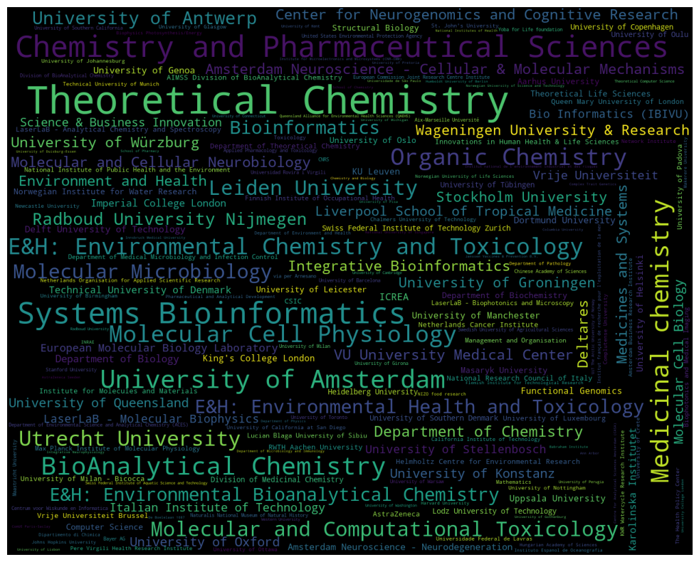
organisation | count
AIMMS Divison of BioMolecular Analysis | 3
AIMSS Division of BioAnalytical Chemistry | 11
Aarhus University | 13
Abera Bioscience AB | 3
Addenbrooke's Hospital | 2
Agency for Science | 4
Agilent Technologies | 2
Agronomic Research Centre (AGACAL-CIAM) – Unit of Organic Contaminants | 2
Aix-Marseille Université | 8
Akvaplan-niva | 5
Algorithmic Bioinformatics | 2
Alistair Reid Venom Research Unit | 4
Alphabet Inc. | 2
Amsterdam Business Research Institute | 9
Amsterdam Institute for Molecules Medicines and Systems (AIMMS) | 2
Amsterdam Movement Sciences | 2
Amsterdam Neuroscience | 4
Amsterdam Neuroscience - Brain Imaging | 5
Amsterdam Neuroscience - Cellular & Molecular Mechanisms | 31
Amsterdam Neuroscience - Complex Trait Genetics | 5
Amsterdam Neuroscience - Compulsivity | 2
Amsterdam Neuroscience - Mood | 2
Amsterdam Neuroscience - Neurodegeneration | 15
Amsterdam UMC | 5
Amsterdam UMC Location VUMC | 3
Amsterdam University of Applied Sciences | 2
Analytical Chemistry Facility | 3
Analytical Chemistry Group | 4
Animal Ecology | 2
Animal Sciences Unit - Aquatic Environment and Quality | 2
Ann Arbor | 6
Applied Pharmacology and Toxicology | 8
Argenx | 2
Aristotle University of Thessaloniki | 2
Arizona State University | 2
Assistance publique - Hôpitaux de Marseille | 2
Astex Pharmaceuticals | 2
AstraZeneca | 11
AstraZeneca Sweden | 6
Auckland Bioengineering Institute | 3
Australian Centre for Research on Separation Science ACROSS | 2
Australian Rivers Institute | 3
Autonomous University of Barcelona | 2
BASF | 2
BBMRI-ERIC | 2
Babraham Institute | 6
Bacterial Cell Biology | 4
Bar-Ilan University | 2
...

author_organisations_uni
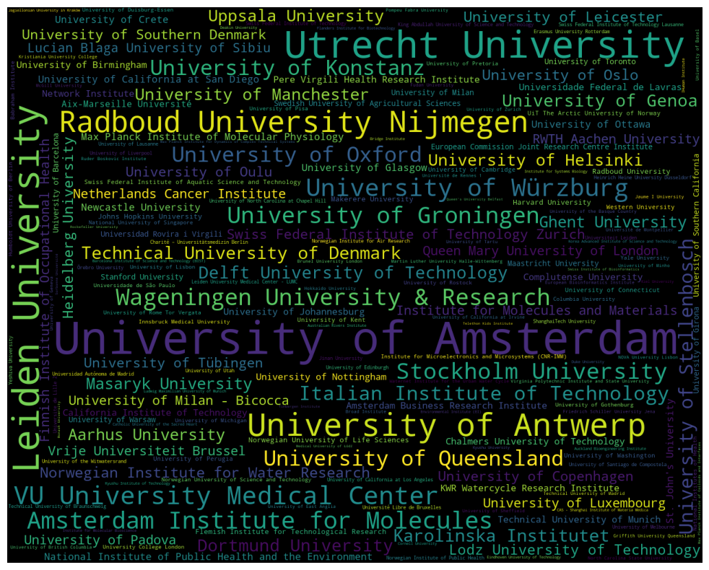
organisation | count
A*STAR Institute of Molecular and Cell Biology | 1
Aalto University | 1
Aarhus University | 13
Ahram Canadian University | 1
Aix-Marseille Université | 8
Al-Azhar University | 1
Alan Turing Institute | 1
Alexandria University | 1
American University in Cairo | 1
Amsterdam Business Research Institute | 9
Amsterdam Global Change Institute | 1
Amsterdam Institute for Molecules | 28
Amsterdam Institute for Molecules Medicines and Systems (AIMMS) | 2
Amsterdam University Medical Centers | 1
Amsterdam University of Applied Sciences | 2
Anhui Sanlian University | 1
Aristotle University of Thessaloniki | 2
Arizona State University | 2
Aston University | 1
Auckland Bioengineering Institute | 3
Australian Rivers Institute | 3
Autonomous University of Barcelona | 2
Autonomous University of Barcelona (UAB) | 1
Babes-Bolyai University | 1
Babraham Institute | 6
Baco Institute of Protein Science (BIPS) | 1
Ball State University | 1
Banaras Hindu University | 1
Bangor University | 1
Bar-Ilan University | 2
Barcelona Institute of Science and Technology (BIST) | 3
Beijing Genomics Institute | 1
Beijing Jiaotong University | 2
Bellvitge Biomedical Research Institute | 1
Ben-Gurion University of the Negev | 1
Benha University | 1
Berlin Institute of Health | 1
Beuth University of Applied Sciences Berlin | 1
Biocomplexity Institute of Virginia Tech | 1
Bioprocessing Technology Institute | 1
Boston Medical Center and Boston University | 1
Boston University | 1
Boston University School of Medicine | 1
Bridge Institute | 3
Broad Institute | 4
Brunel University London | 4
Brunel University. London | 1
CAS - Institute of Biophysics | 1
...

author_organisations_groups
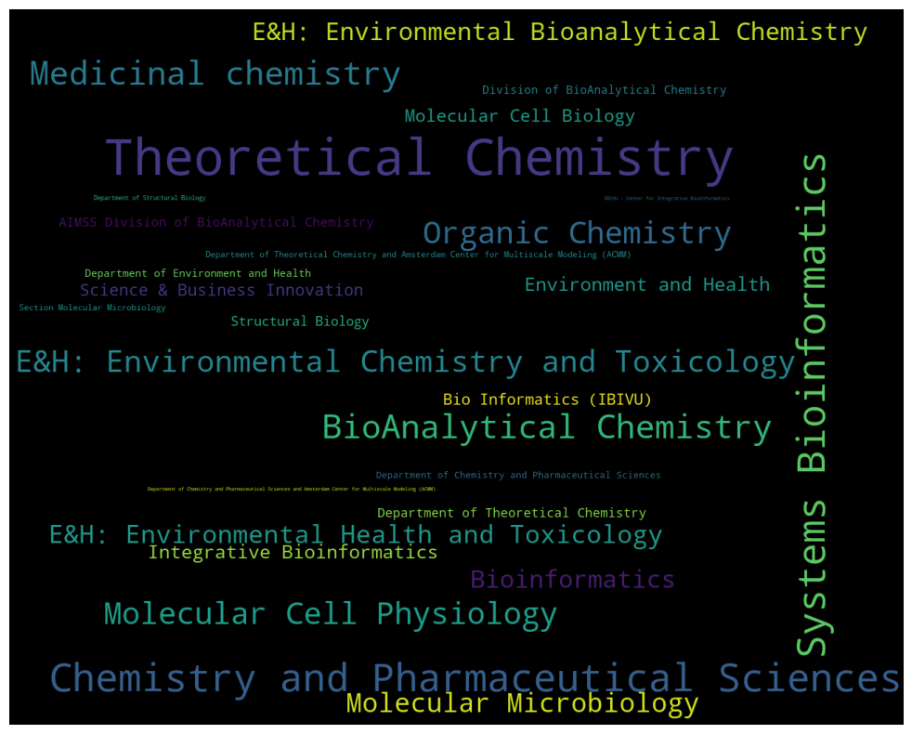
organisation | count
AIMSS Division of BioAnalytical Chemistry | 11
Bio Informatics (IBIVU) | 19
BioAnalytical Chemistry | 103
Bioinformatics | 52
Chemistry and Pharmaceutical Sciences | 151
Department of Chemistry and Pharmaceutical Sciences | 5
Department of Chemistry and Pharmaceutical Sciences and Amsterdam Center for Multiscale Modeling (ACMM) | 1
Department of Environment and Health | 7
Department of Structural Biology | 2
Department of Theoretical Chemistry | 11
Department of Theoretical Chemistry and Amsterdam Center for Multiscale Modeling (ACMM) | 4
Division of BioAnalytical Chemistry | 8
E&H: Environmental Bioanalytical Chemistry | 53
E&H: Environmental Chemistry and Toxicology | 84
E&H: Environmental Health and Toxicology | 57
Environment and Health | 27
IBIVU - Center for Integrative Bioinformatics | 1
Integrative Bioinformatics | 28
Medicinal chemistry | 104
Molecular Cell Biology | 23
Molecular Cell Physiology | 89
Molecular Microbiology | 65
Organic Chemistry | 91
Science & Business Innovation | 20
Section Molecular Microbiology | 4
Structural Biology | 13
Systems Bioinformatics | 150
Theoretical Chemistry | 280

author_organisations_dept_freq
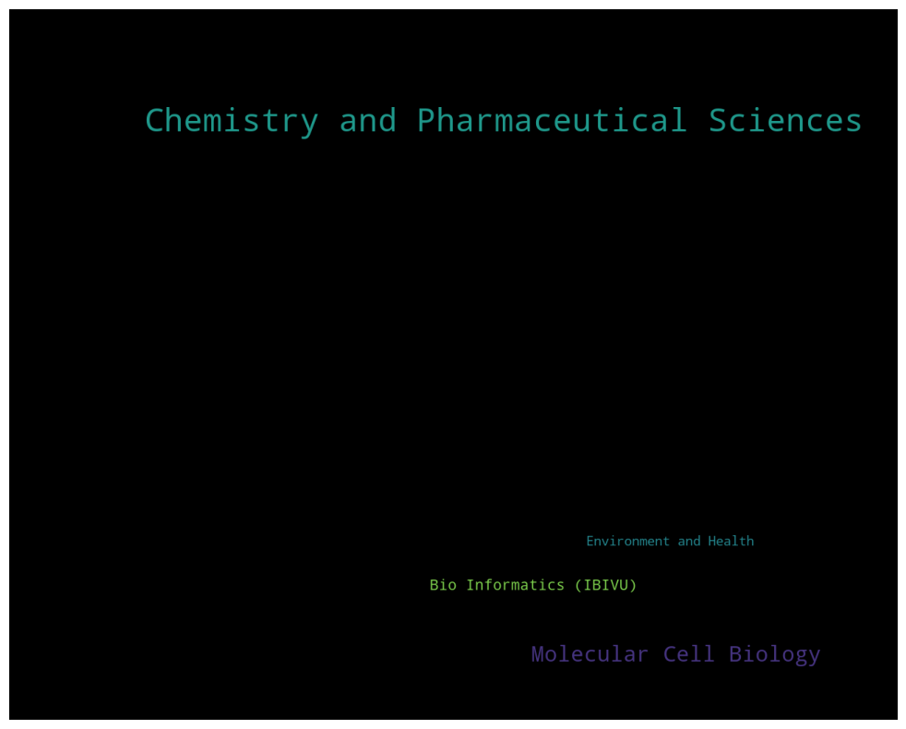
organisation | count
Bio Informatics (IBIVU) | 99
Chemistry and Pharmaceutical Sciences | 796
Environment and Health | 84
Molecular Cell Biology | 285

