Noor_Diameter
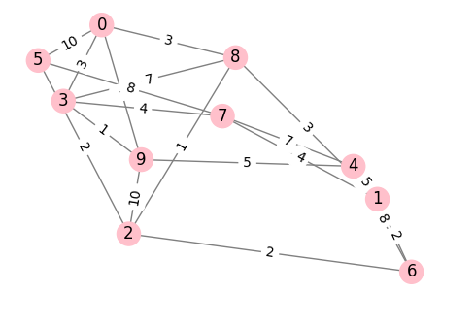
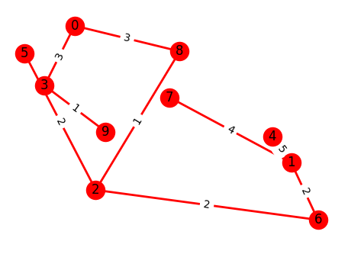
Original Graph vs MST Diameter
Original Graph vs MST Diameter
Graph # | Original Diameter | MST Diameter | % Diameter Change
1 | 9 | 11 | 22.22
2 | 10 | 12 | 20
3 | 14 | 22 | 57.14
4 | 11 | 18 | 63.64
5 | 9 | 11 | 22.22
6 | 25 | 36 | 44
7 | 35 | 35 | 0
8 | 17 | 24 | 41.18
9 | 15 | 32 | 113.33
10 | 11 | 17 | 54.55

Graph 1 | Original Graph |  |  | MST
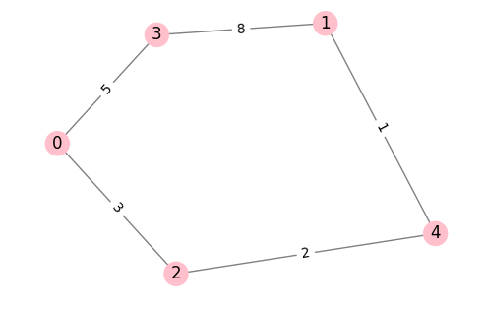
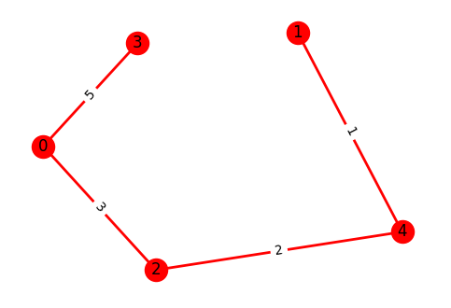

Graph 2 | Original Graph |  |  | MST

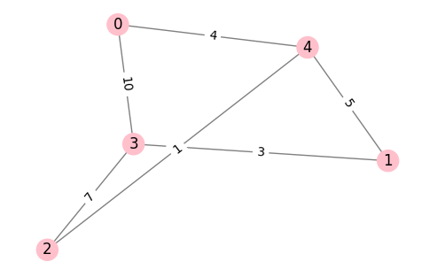
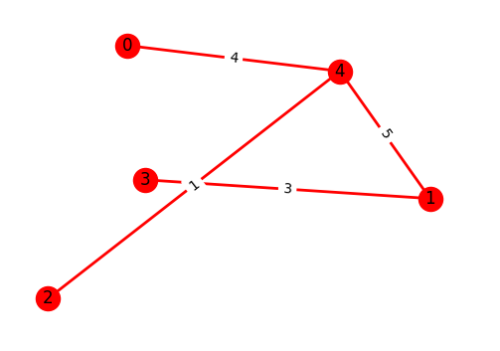

Graph 3 | Original Graph |  |  | MST
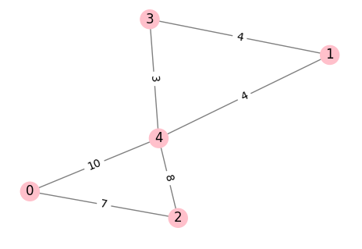
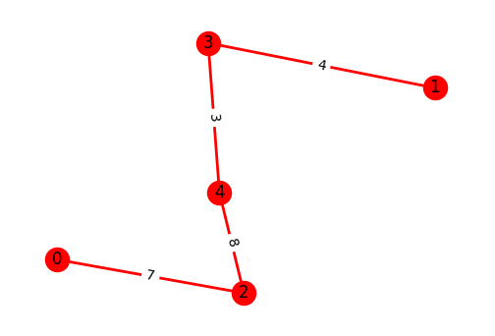

Graph 4 | Original Graph |  |  | MST
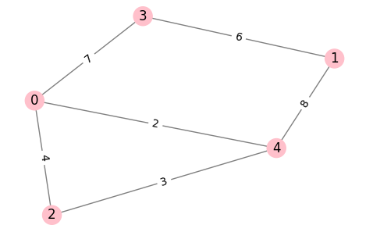
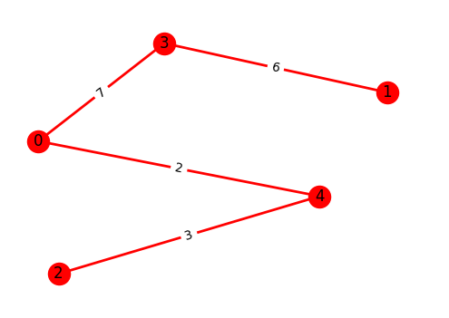

Graph 5 | Original Graph |  |  | MST
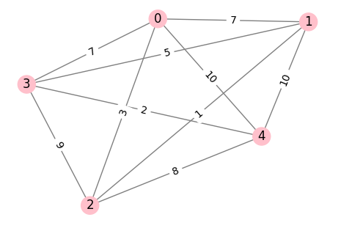
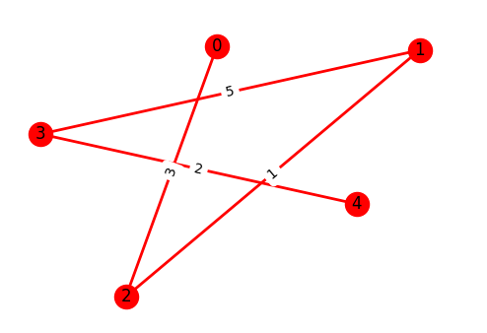

Graph 6 | Original Graph |  |  | MST
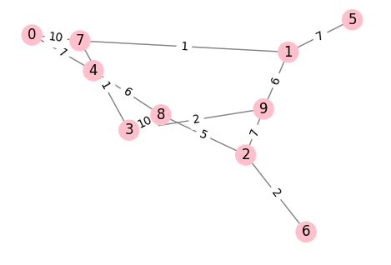
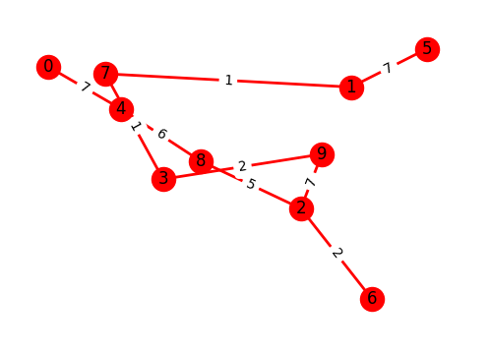

Graph 7 | Original Graph |  |  | MST
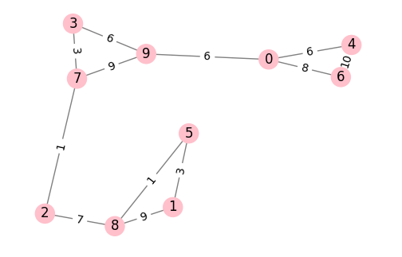
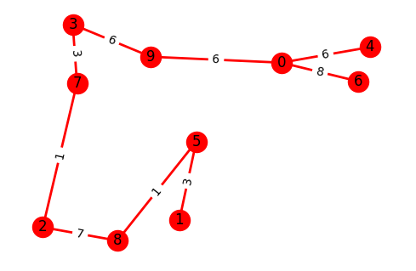

Graph 8 | Original Graph |  |  | MST

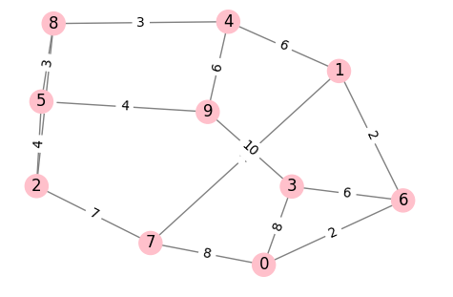
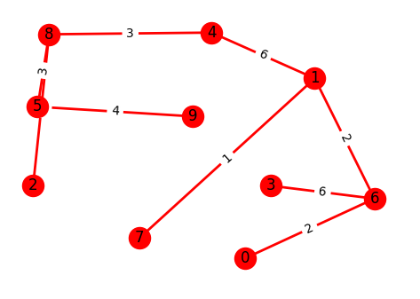

Graph 9 | Original Graph |  |  | MST
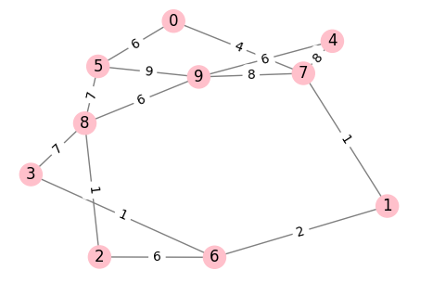
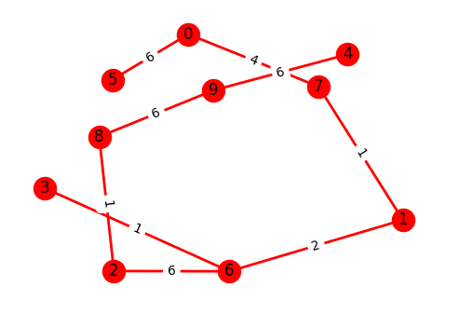

Graph 10 | Original Graph |  |  | MST

Justina_Diameter
Original Graph vs. MST Diameter
Original Graph vs. MST Diameter
Graph # | Original Diameter | MST Diameter | % Diameter Change
1 | 15 | 22 | 46.67
2 | 12 | 20 | 66.67
3 | 10 | 13 | 30
4 | 11 | 18 | 63.64
5 | 7 | 11 | 57.14
6 | 27 | 38 | 40.74
7 | 36 | 36 | 0
8 | 22 | 40 | 81.82
9 | 24 | 32 | 33.33
10 | 12 | 14 | 16.67

Graph 1 | Original Graph |  |  | MST

Bhupinder_Diameter
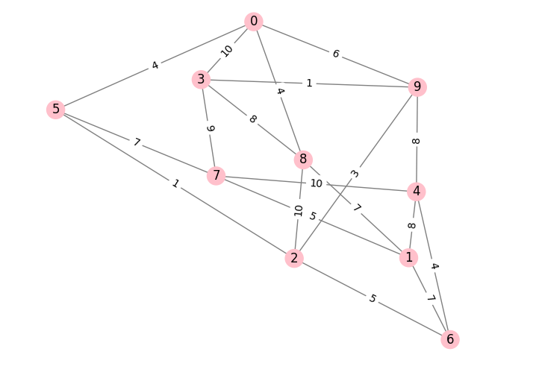
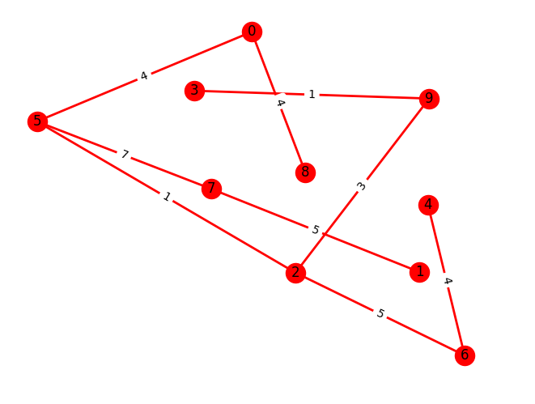
Original Graph vs MST Diameter
Original Graph vs MST Diameter
Graph # | Original Diameter | MST Diameter | % Diameter Change
1 | 17 | 27 | 58.82
2 | 14 | 22 | 57.14
3 | 10 | 10 | 0
4 | 11 | 11 | 0
5 | 4 | 4 | 0
6 | 24 | 26 | 8.33
7 | 26 | 26 | 0
8 | 17 | 29 | 70.59
9 | 15 | 17 | 13.33
10 | 15 | 22 | 46.67

Graph 1 | Original Graph |  |  | MST

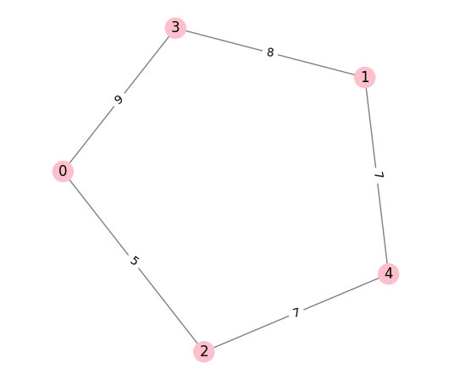
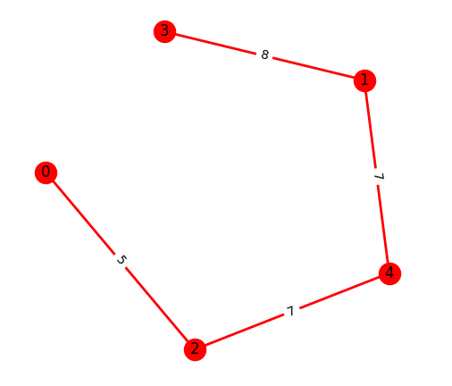

Graph 2 | Original Graph |  |  | MST
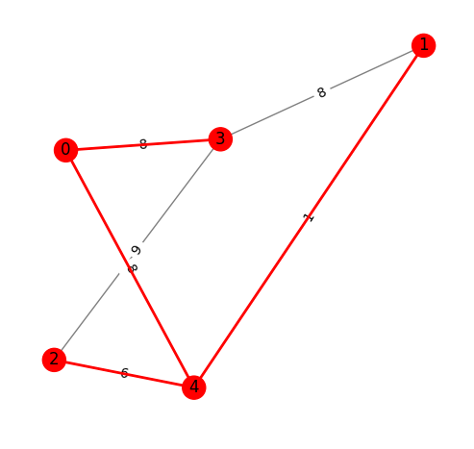
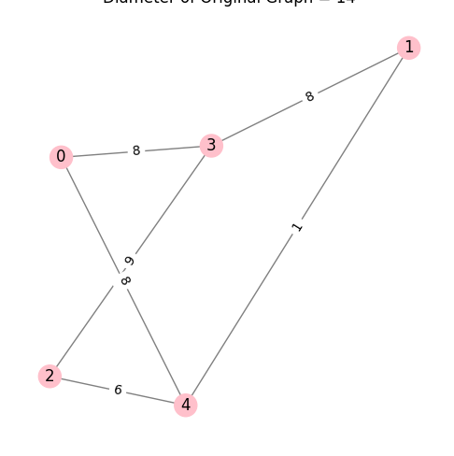

Graph 3 | Original Graph |  |  | MST

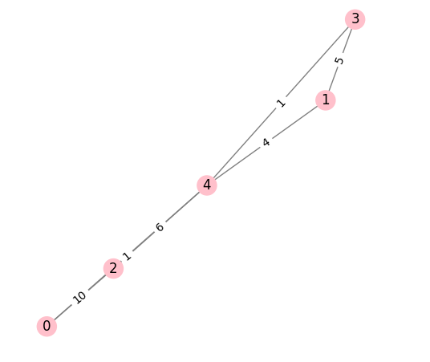
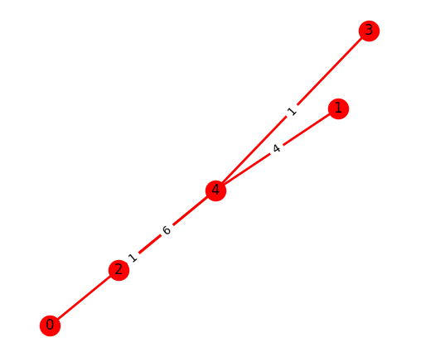

Graph 4 | Original Graph |  |  | MST

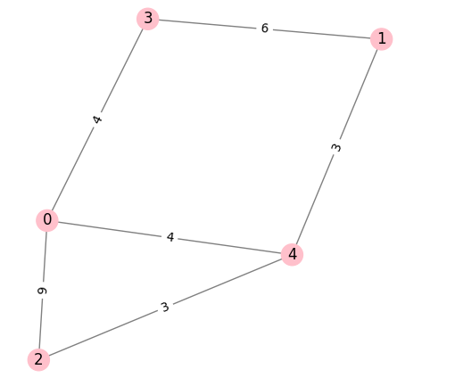
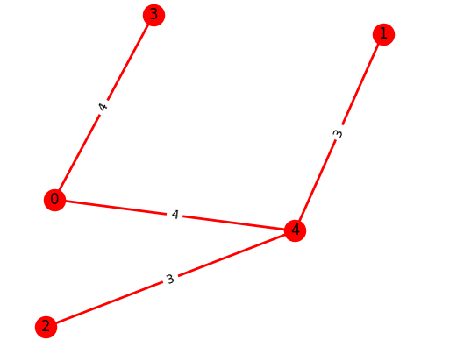

Graph 5 | Original Graph |  |  | MST

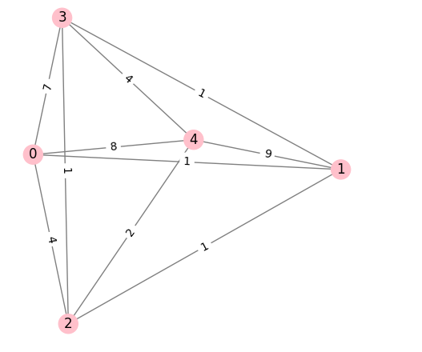
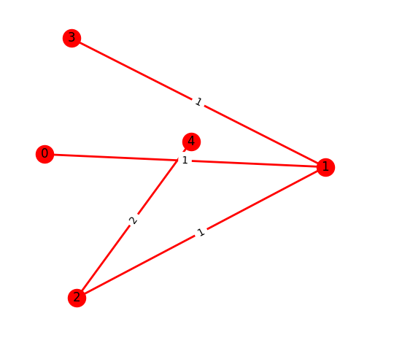

Graph 6 | Original Graph |  |  | MST

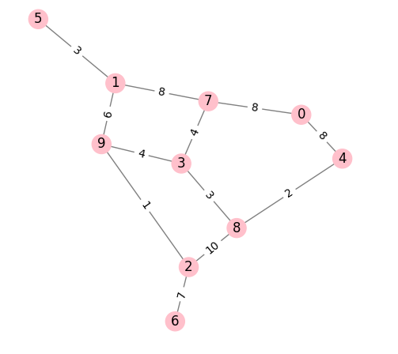
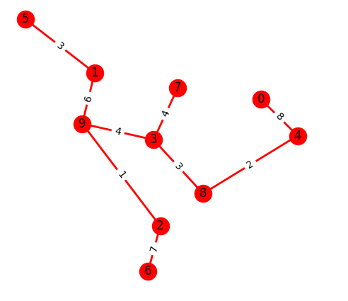

Graph 7 | Original Graph |  |  | MST

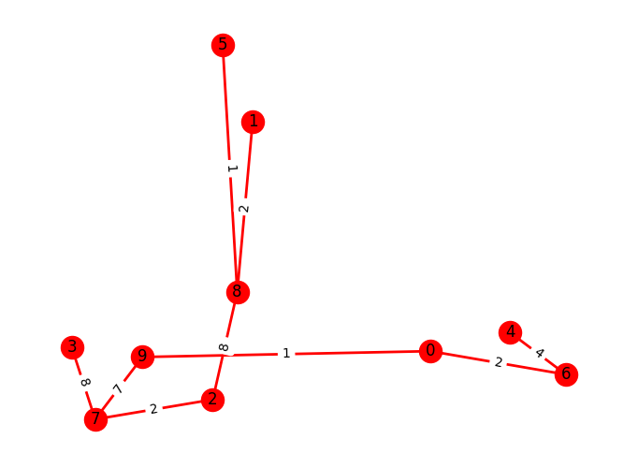
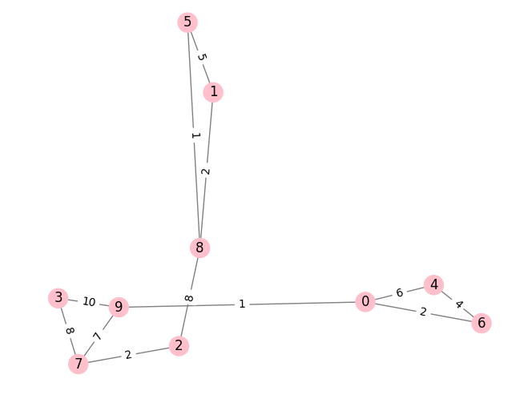

Graph 8 | Original Graph |  |  | MST

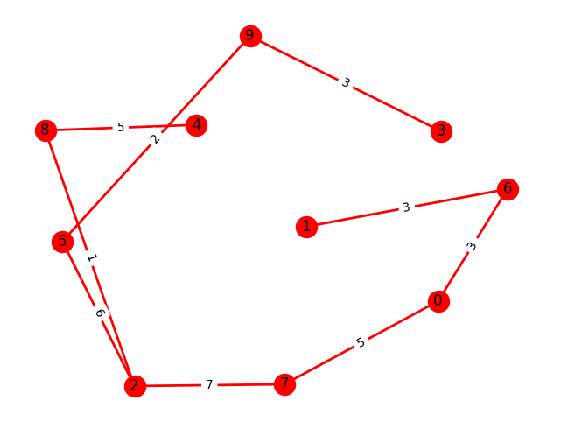
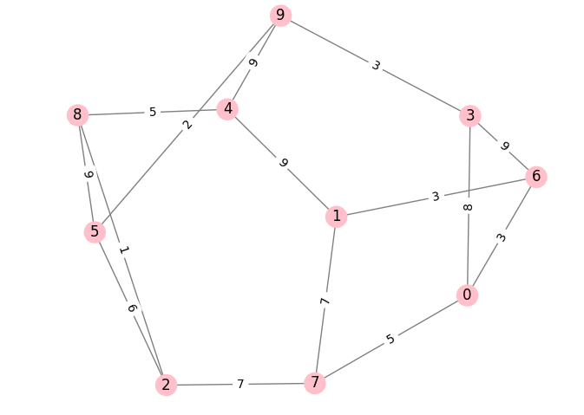

Graph 9 | Original Graph |  |  | MST

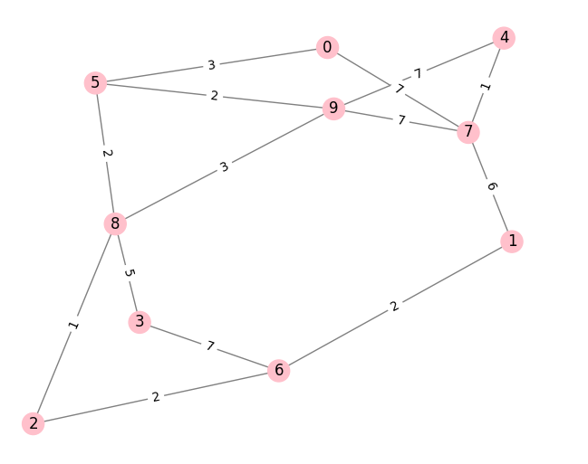
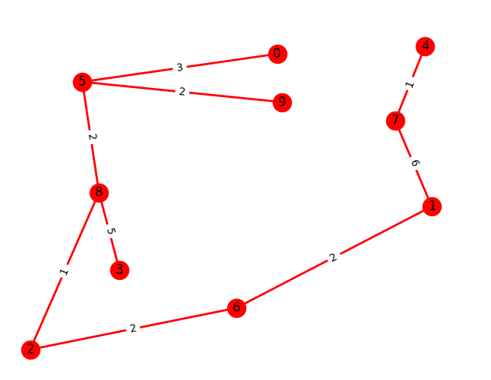

Graph 10 | Original Graph |  |  | MST

