Readme
Build Environment Information please refer to "Build Environment Info." sheet ALPS Label Information please refer to"Label Info." sheet Verify the integrity of downloaded packages MD5 (Message-Digest Algorithm) is a widely used cryptographic hash function, which can help to check data integrity Please follow following steps to verify the integrity of downloaded package 1) Put all downloaded packages in the same folder 2) Check file ${customer_project}.md5 is in the same folder 3) Run command md5sum to verify packages integrity e.g. md5sum -c ${customer_project}.md5 4) md5sum will check packages integrity sequentially 5) If packages integrity are correct, the screen will show OK message e.g. ${customer_project}_KERNEL.tar.gz: OK Steps for building project Please DO NOT extract the compressed files in any non-Linux OS to avoid possible file corruption or attribute misalignment. 1) Untar ${customer_project}_KERNEL.tar.gz to Folder A e.g. tar zxf ${customer_project}_KERNEL.tar.gz 2) Untar ${customer_project}_INHOUSE.tar.gz and overwrite to Folder A e.g. cat ${customer_project}_INHOUSE.tar.gz* | tar zxf - 3) build modem image: please refer to "Build_Configure_Modem_MOLY" sheet / "Build_Configure_Modem_C2k" sheet 4) copy modem folder to alps/vendor/mediatek/proprietary/custom/${project}/modem/${modem} 5) open alps/device/${company}/${project}/ProjectConfig.mk 6) set CUSTOM_MODEM=${modem} | 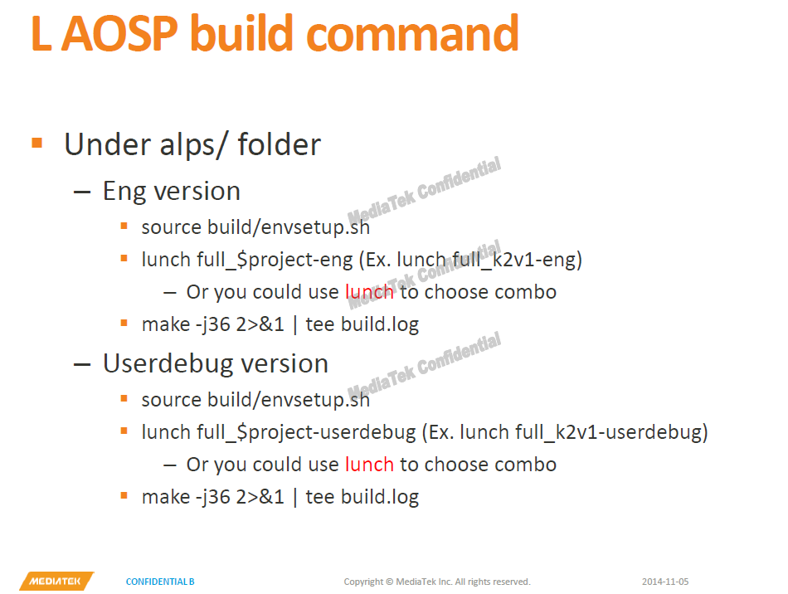 Steps for building project 7) Run AOSP build command to build target project. Naming rules for ALPS & MD version please refer to "Naming_Rules" sheet Version of L1.MP3 supports project package set please refer to "Project_Package_Set_M8783" sheet Major switchable features please refer to "Switchable_Features" sheet Tablet project swtichable please refer to "Switchable_Tablet_Project" sheet Steps for building & configuring modems please refer to "Build_Configure_Modem_MOLY" sheet Steps for building & configuring modems please refer to "Build_Configure_Modem_C2K" sheet Modem Major Feature Switchable please refer to "Switchable_Features_For_Modem" sheet Modme RF_Configuration please refer to "RF_Configuration" sheet

