steps
Installations | Steps | Purpose
conda create -n todo python=3.6 | from https://www.youtube.com/watch?v=Z1RJmh_OqeA
activate todo | And its Git ref: https://github.com/jakerieger/FlaskIntroduction
pip install flask flask-sqlalchemy
pip install gunicorn

 | 1. from C:\Users\bh489\flask-tutorial (OU laptop) run new_proj todo_list | to create directories for the new project called 'todo_list'

 | 2. under todo_list\static\ copy w3.css create images dir, copy logo.png | to create website styles

 | 3. Under templates\ dir copy Design_Template.html - play around to get the look n feel of webpage Save Design_Template as base.html with jinja's {% blocks %} structure Build other pages using {% extends 'base.html' %} , e.g. index.html

 | 4. under todo_list\ create app.py - contains all definitions & functions

 | 5. After defining a database structure in app.py, save and run from a python dos prompt: from app import db <Enter> db.create_all()

create heroku login
install git https://git-scm.com/download/win

 | from miniconda prompt (in activate todo): git config user.name "Brijen Hathi" git config user.email mkresident@gmail.com

install heroku cli
 | type heroku login , follow web popup login

 | close and save this excel
 | pip freeze > requirements. txt

 | git init
 | git add .
 | git commit -m "first upload"

 | heroku create crudtasklist

 | git remote -v (shows git paths on remote server)

 | git push heroku master

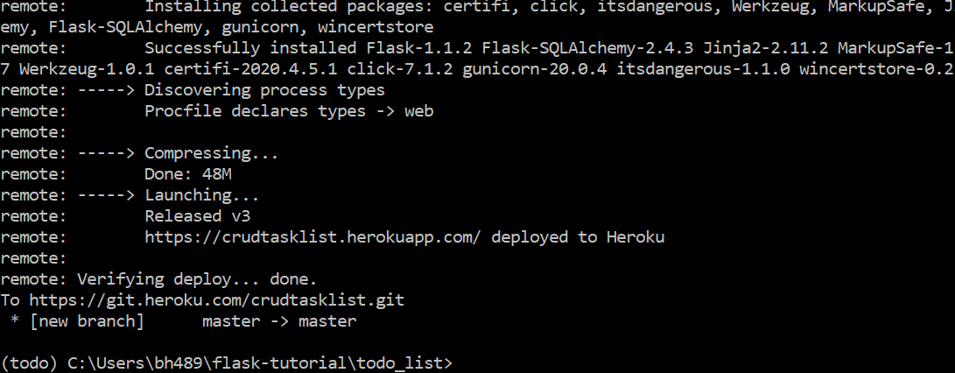

 | got to the link below to see a live website! https://crudtasklist.herokuapp.com/

manually installed postgressql | because Heroku loses data from sqlite
postgres runs on port 5432

pip install psycopg2 | talk to postgresql

 | c:\Program Files\PostgreSQL\12\bin\psql.exe -U postgres
 | CREATE DATABASE test2;
 | \q (to quit psql)
 | use app2.py to run locally , app.py runs on heroku

 | from https://www.youtube.com/watch?v=w25ea_I89iM
 | see app2.py for setting up the local db

 | for Heroku deployment (use app2a.py ) .gitignore removes local app2a.py
 | heroku login (via conda prompt)
 | heroku create bhver2
 | heroku addons:create heroku-postgresql:hobby-dev --app bhver2
 | heroku config --app bhver2

 | close and save this excel
 | pip freeze > requirements. txt

 | git init
 | git add .
 | git commit -m "first upload"
 | heroku git:remote -a bhver2
 | git push heroku master

