Gesamtbedarfsplanung
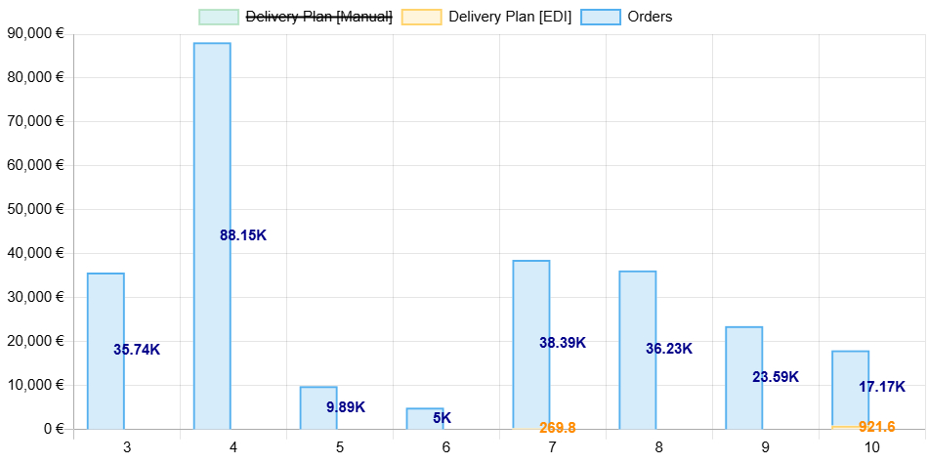
Week | Delivery Plan [Manual] | Orders | Delivery Plan [EDI]
3 | 0 | 35735.35 | 0
4 | 0 | 88146 | 0
5 | 0 | 9886 | 0
6 | 0 | 4998.7 | 0
7 | 0 | 38385.6 | 269.8
8 | 0 | 36234.15 | 0
9 | 0 | 23588.68 | 0
10 | 0 | 17174.45 | 921.6

