ANOVA
 | ANOVA - One Way

 | Applies to a single variable

 | Var(X) = sum(X - mean(X)^2 / n-1 = SST / n-1

 | Analysis of Variance (or Analysis of SS)

 | Series A 26, 28, 30, 32, 34
 | Series B 10, 20, 30, 40, 50

 | A |  | B |  | SST(A) |  | SST(B)
 | 26 |  | 10 |  | 16 |  | 400 |  | SST = sum(X - mean(X))^2
 | 28 |  | 20 |  | 4 |  | 100
 | 30 |  | 30 |  | 0 |  | 0 |  | Higher SST = Higher Spread
 | 32 |  | 40 |  | 4 |  | 100
 | 34 |  | 50 |  | 16 |  | 400
MEAN | 30 |  | 30 |  | 40 |  | 1000

 | V1 | V2 |  | TEST
 | CONTINUOUS | CATEGORICAL (> 2) |  | ONE WAY ANOVA
 | Smoke | Age Groups |  | ONE WAY ANOVA

 | Dataset |  |  |  |  |  | To test

 | smoke <- c(38,42,14,41,41,16,36,39,18,32,36,15,28,33,17) |  |  |  |  |  | Ho: Means are equal for three Age Groups against Ha: Atleast one inequality in Ho
 | age <- c(1,2,3,1,2,3,1,2,3,1,2,3,1,2,3)
 |  |  |  |  |  |  | Ho: All the groups smoke for same hours against Ha: Atleast the smoking hrs of one of the age group is different

 |  |  |  |  |  |  | Ho: Factor Age has no impact on smoking habits against Ha: Factor Age has an impact on smoking habits

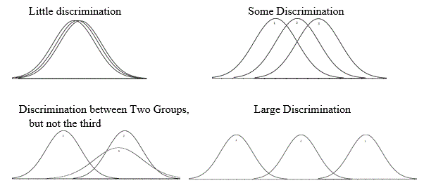
 |  |  |  |  |  |  | SS |  |  |  |  |  | BETWEEN GROUP VARIABILITY
 | Age Grp |  | Hrs |  | Within Grp |  | Between Grp |  | Total
 | 1 |  | 38 |  | 9 |  | 27.737777778
 | 1 |  | 41 |  | 36 |  | 27.737777778
 | 1 |  | 36 |  | 1 |  | 27.737777778
 | 1 |  | 32 |  | 9 |  | 27.737777778
 | 1 |  | 28 |  | 49 |  | 27.737777778

 | Mean(Grp 1) |  | 35 |  | 104 |  | 138.68888889

 | Age Grp |  | Hrs |  | Within Grp |  | Between Grp |  | Total

 | 2 |  | 42 |  | 14.44 |  | 71.684444444
 | 2 |  | 41 |  | 7.84 |  | 71.684444444
 | 2 |  | 39 |  | 0.64 |  | 71.684444444
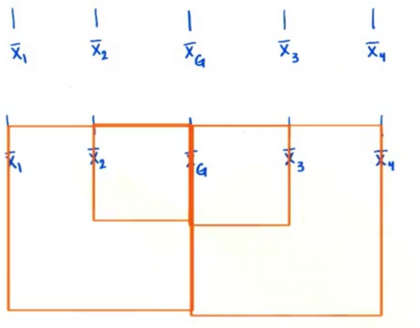
 | 2 |  | 36 |  | 4.84 |  | 71.684444444
 | 2 |  | 33 |  | 27.04 |  | 71.684444444

 | Mean(Grp 2) |  | 38.2 |  | 54.8 |  | 358.42222222

 | Age Grp |  | Hrs |  | Within Grp |  | Between Grp |  | Total

 | 3 |  | 14 |  | 4 |  | 188.60444444 |  |  |  |  | Sum of Squares for Between Group Variability:
 | 3 |  | 16 |  | 0 |  | 188.60444444 |  |  |  |  | SSbetween = n1 * (mean X1 - grand mean X )^2 +
 | 3 |  | 18 |  | 4 |  | 188.60444444
 | 3 |  | 15 |  | 1 |  | 188.60444444 |  |  |  | 35 |  | n2 * (mean X2 - grand mean X)^2 +
 | 3 |  | 17 |  | 1 |  | 188.60444444 |  |  |  | 38.2
 |  |  |  |  |  |  |  |  |  |  | 16 |  |  | n3 * (mean X3 - grand mean X)^2
 | Mean(Grp 3) |  | 16 |  | 10 |  | 943.02222222
 |  |  |  |  |  |  |  |  |  |  | 29.73 | degrees of freedom = No. of groups - 1

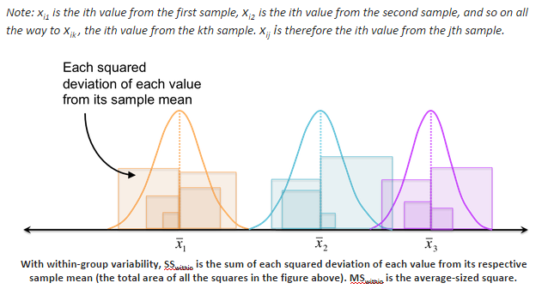
 |  |  |  |  |  |  |  |  |  |  |  |  | WITHIN GROUP VARIABILITY
 | Entire dataset
 |  |  |  |  | Within SS |  | Bet SS |  | SST
 | Grand Mean |  | 29.73 |  | 168.8 |  | 1440.1333333 |  | 1608.9333333

 |  |  |  |  | ANOVA Table
 |  |  | SS | df | MS | F | p value
 | Between Grps |  | 1440.1333333 | 2 | 720.06666667 | 51.18957346
 | Within Grps |  | 168.8 | 12 | 14.066666667
 | Total |  | 1608.9333333

 |  | Group 1 |  | Group 2 |  | Group 3
 |  | 38 |  | 42 |  | 14 |  |  | mean X1 |  | X11, X12, X13, X14, X15
 |  | 41 |  | 41 |  | 16
 |  | 36 |  | 39 |  | 18 |  |  |  |  |  | Sum of Squares for Within Group Variability:
 |  | 32 |  | 36 |  | 15
 |  | 28 |  | 33 |  | 17 |  |  |  |  |  | SSwithin = (X11 - mean X1)2 + (X12 - mean X1)2 + (X13 - mean X1)2 +
 | Mean | 35 |  | 38.2 |  | 16 |  |  |  |  |  | (X21 - mean X2 )2 + (X22 - mean X2 )2 + (X23 - mean X2 )2 +
 |  |  |  |  |  |  |  |  |  |  |  | (X31 - mean X3 )2 + (X32 – mean X3 )2 + (X33 – mean X3 )2
 | 38 | 41 | 36 | 32 | 28
 | 42 | 41 | 39 | 36 | 33
 | 14 | 16 | 18 | 15 | 17
 |  |  |  |  |  |  |  |  |  |  |  | degrees of freedom = total no. of observations - no. of Groups

 |  |  |  |  |  |  |  |  |  |  |  | F statistic = MSB/ MSW

 |  |  |  |  |  |  |  |  |  |  |  | where, MSB = SSB / c-1

 |  |  |  |  |  |  |  |  |  |  |  | and MSW = SSW/ n- c

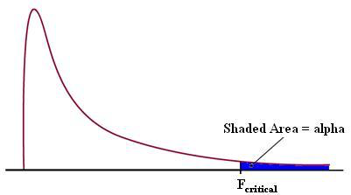
 |  |  | Grp 1 | Grp 2 |  | Grp 3 |  |  | F value
 |  | Mean | 35 | 38.2 |  | 16 |  |  | 51.18

 |  |  |  |  |  |  | SS
 | Age Grp |  | Hrs |  | Within Grp |  | Between Grp |  | Total
 | 1 |  | 10 |  | 400 |  | 0.28444444444
 | 1 |  | 20 |  | 100 |  | 0.28444444444
 | 1 |  | 30 |  | 0 |  | 0.28444444444
 | 1 |  | 40 |  | 100 |  | 0.28444444444
 | 1 |  | 50 |  | 400 |  | 0.28444444444

 | Mean(Grp 1) |  | 30 |  | 1000 |  | 1.4222222222 |  |  |  |  | If F statistic > F critical, we reject Ho and conclude that the means are unequal

 | Age Grp |  | Hrs |  |  |  | SS
 |  |  |  |  | Within Grp |  | Between Grp |  | Total
 | 2 |  | 15 |  | 275.56 |  | 1.1377777778
 | 2 |  | 25 |  | 43.56 |  | 1.1377777778
 | 2 |  | 20 |  | 134.56 |  | 1.1377777778
 | 2 |  | 28 |  | 12.96 |  | 1.1377777778
 | 2 |  | 70 |  | 1474.56 |  | 1.1377777778

 | Mean(Grp 2) |  | 31.6 |  | 1941.2 |  | 5.6888888889

 | Age Grp |  | Hrs |  |  |  | SS
 |  |  |  |  | Within Grp |  | Between Grp |  | Total
 | 3 |  | 20 |  | 100 |  | 0.28444444444
 | 3 |  | 40 |  | 100 |  | 0.28444444444
 | 3 |  | 30 |  | 0 |  | 0.28444444444
 | 3 |  | 35 |  | 25 |  | 0.28444444444
 | 3 |  | 25 |  | 25 |  | 0.28444444444

 | Mean(Grp 3) |  | 30 |  | 250 |  | 1.4222222222

 | Entire dataset
 |  |  |  |  | Within SS |  | Bet SS |  | SST

 | Grand Mean |  | 30.533333333 |  | 3191.2 |  | 8.5333333333

 |  |  |  |  | ANOVA Table
 |  |  | SS | df | MS | F | p value
 | Between Grps |  | 8.5333333333 | 2 | 4.2666666667 | 0.016044121334
 | Within Grps |  | 3191.2 | 12 | 265.93333333
 | Total

 |  | Group 1 |  | Group 2 |  | Group 3
 |  | 10 |  | 15 |  | 20
 |  | 20 |  | 25 |  | 40
 |  | 30 |  | 20 |  | 30
 |  | 40 |  | 28 |  | 35
 |  | 50 |  | 70 |  | 25
 | Mean | 30 |  | 31.6 |  | 30

 | 10 | 20 | 30 | 40 | 50
 | 15 | 25 | 20 | 28 | 70
 | 20 | 40 | 30 | 35 | 25

 |  | Grp 1 | Grp 2 |  | Grp 3 | F value
 | Mean | 30 | 31.6 |  | 30 |  | 0.02

 | 38 | 41 | 36 | 32 | 28
 | 42 | 41 | 39 | 36 | 33
 | 14 | 16 | 18 | 15 | 17
 | 10 | 20 | 30 | 40 | 50
 | 15 | 25 | 20 | 28 | 70
 | 20 | 40 | 30 | 35 | 25

 |  | Grp 1 | Grp 2 |  | Grp 3 |  |  | F value |  |  |  | Grp 1 | Grp 2 |  | Grp 3 |  |  | F value
 | Mean | 35 | 38.2 |  | 16 |  |  | 51.18 |  |  | Mean | 30 | 31.6 |  | 30 |  | 0.02

 | TWO WAY ANOVA
 | Using one way ANOVA, we found that smoking has significant impact on different age groups. But this treatment was conducted only on age groups and not on different income groups at the same time.
 | For cases, where the outcome or dependent variable is affected by two independent variables or factors we use a slightly modified technique called two-way ANOVA

 | A few questions that two-way ANOVA can answer about the above data set are
 | 1.Is age group or treatment the main factor affecting the smoking habits? In other words, do groups subjected to different age categories differ significantly in their smoking habits?
 | 2.Is income bracket or income group the main factor affecting the smoking habits? In other words, do groups subjected to different income groups differ significantly in their smoking habits?
 | 3.Is there a significant interaction between the factors? In other words, how do age group and income brackets interact with respect to an individual’s smoking habits?

 |  |  |  | smoke <- c(38,42,14,41,41,16,36,39,18,32,36,15,28,33,17)
 |  |  |  | income <- c(1,1,1,2,2,2,3,3,3,4,4,4,5,5,5)
 |  | TWO WAY ANOVA |  | age <- c(1,2,3,1,2,3,1,2,3,1,2,3,1,2,3)

 |  |  |  |  |  |  |  |  |  |  |  |  |  |  |  |  | Here,
 |  |  |  |  |  |  |  |  |  |  |  |  |  | n = no. of obs in i-th row and j-th col |  |  | n = 5
 |  |  | Income Group 1 | Income Group 2 |  |  | Factor 1: AGE : Grp 1, Grp 2 and Grp 3 |  |  |  |  |  |  | r = no. of rows |  |  | r = 3
 |  | Age Group 1 | 38 | 32 |  |  | Factor 2: INCOME: Grp 1 and Grp 2 |  |  |  |  |  |  | c = no. of columns |  |  | c = 2
 |  |  | 40 | 30
 |  |  | 32 | 25 |  |  |  |  | Income Group
 |  |  | 35 | 20 |  |  | Age Group |  | 1 |  | 2 | Marginal Means
 |  |  | 42 | 31 |  |  | 1 |  | Mean(A1, I1) |  | Mean(A1,I2) | Mean (A1)
 |  | Age Group 2 | 25 | 25 |  |  | 2 |  | Mean(A2, I1) |  | Mean(A2,I2) | Mean (A2) |  | SSB(Age) = n * c * [ (mean(A1) - grand mean)^2 + (mean(A2) - grand mean)^2 + (mean(A3) - grand mean)^2
 |  |  | 27 | 30 |  |  | 3 |  | Mean(A3, I1) |  | Mean(A3, I2) | Mean (A3)
 |  |  | 29 | 32 |  |  | Marginal Means |  | Mean (I1) |  | Mean (I2) | Grand Mean |  | SSB(Income) = n * r * [(mean(I1) - grand mean)^2 + (mean(I2) - grand mean)^2]
 |  |  | 23 | 33
 |  |  | 30 | 35 |  |  |  |  | Income Group |  |  |  |  | SS(Age * Income) = SS(Interaction) = n * ( [ mean(A1, I1) - mean(A1) - mean(I1) + grand mean ]^2 +
 |  | Age Group 3 | 14 | 20 |  |  | Age Group |  | 1 |  | 2 | Marginal Means
 |  |  | 17 | 24 |  |  | 1 |  | 37.4 |  | 27.6 | 32.5 |  |  |  | [mean(A1, I2) - mean(A1) - mean(I2) + grand mean ]^2 +
 |  |  | 20 | 22 |  |  | 2 |  | 26.8 |  | 31 | 28.9
 |  |  | 19 | 27 |  |  | 3 |  | 16 |  | 24.6 | 20.3 |  |  |  | [mean(A2, I1) - mean(A2) - mean(I1) + grand mean ]^2 +
 |  |  | 10 | 30 |  |  | Marginal Means |  | 26.73 |  | 27.73 | 27.23
 |  |  |  |  |  |  |  |  |  |  |  |  |  |  |  | [mean(A2, I2) - mean(A2) - mean(I2) + grand mean ]^2 +

 |  |  |  |  |  |  | Each cell has its own mean and variance |  |  |  |  |  |  |  |  | [mean(A3, I1) - mean(A3) - mean(I1) + grand mean ]^2 +

 |  | Age Group |  | Marginal Means |  |  | In Two - way ANOVA, each cell represents mean with their own distribution |  |  |  |  |  |  |  |  | [mean(A3, I2) - mean(A3) - mean(I2) + grand mean ]^2 )
 |  | 1 |  | 32.5 |  |  | as shown above.
 |  | 2 |  | 28.9
 |  | 3 |  | 20.3 |  |  |  |  |  |  |  |  |  | df for SSB(Age) = r - 1 = No. of Age Groups - 1

 |  |  |  |  |  |  |  |  |  |  |  |  |  | df for SSB(Income) = c -1 = No. of Income Groups - 1

 |  |  |  |  |  |  |  |  |  |  |  |  |  | df for SS(Age * Income) i.e SS(Interaction) = (r-1) * (c-1) = (No. of Age Groups - 1) * (No of Income Groups - 1)

 |  |  |  |  |  |  |  |  |  |  |  |  |  |  |  | ANOVA Table |  |  | alpha = 0.05
 |  |  |  |  |  |  |  |  |  |  |  |  |  | SS | df | MS | F | p value
 |  |  |  |  |  |  |  |  |  |  |  | Between Grps for Rows (or Factor Age) |  | 785.9 | 2 | 392.9 | 24.53 | 0 | F (Rows) = MS(Rows) / MS(Within)
 |  |  |  |  |  |  |  |  |  |  |  | Between Grps for Columns (or Factor Income) |  | 7.5 | 1 | 7.5 | 0.47 | 0.5 | F(Columns) = MS(Columns) / MS(Within)
 |  |  |  |  |  |  |  |  |  |  |  | Interaction (or Factor Age * Factor Income) |  | 461.6 | 2 | 230.8 | 14.41 | 0 | F (Interaction) = MS(Interaction) / MS(Within)
 |  |  |  |  |  |  |  |  |  |  |  | Within Grps
 |  |  |  |  |  |  |  |  |  |  |  | Total

 |  |  |  |  |  |  |  |  |  |  |  | Here, we check 3 hypothesis
 |  |  | Income Group | Marginal Means
 |  |  | 1 | 26.73 |  |  |  |  |  |  |  | 1. Interaction Effect
 |  |  | 2 | 27.73
 |  |  |  |  |  |  |  |  |  |  |  | To test Ho: the two factors are independent against Ha: the two factors are not independent

 |  |  |  |  |  |  |  |  |  |  |  | 2. Main Effect for Factor Age

 |  |  |  |  |  |  |  |  |  |  |  | To test Ho1: means are equal for all Age groups against Ha1: atleast one inequality in Ho

 |  |  |  |  |  |  |  |  |  |  |  | 3. Main Effect for Factor Income

 |  |  |  |  |  |  |  |  |  |  |  | To test Ho2: means are equal for all Income groups against Ha2: atleast one inequality in Ho

 |  |  |  |  |  |  |  |  |  |  |  | If Interaction is significant that is if we reject Ho for the Interaction Effect, we stop there
 |  |  |  |  |  |  |  |  |  |  |  | because then the two factors are not independent.

 |  |  |  |  |  |  |  |  | 5 | 2

 |  |  | Income Group
 |  | Age Group | 1 | 2
 |  | 1 | 37.4 | 27.6 |  | 32.5 |  |  | SSB (Age) = 5*2*[(32.5 - 27.23)^2 + (28.9 - 27.23)^2 + (20.3 - 27.23)^2]
 |  | 2 | 26.8 | 31 |  | 28.9
 |  | 3 | 16 | 24.6 |  | 20.3
 |  |  | 26.73 | 27.73 |  | 27.23 |  |  | 78.5867

 |  |  |  |  |  |  |  |  | 785.9

 |  |  |  |  |  |  |  |  | df = 3 -1 = 2

 |  |  |  |  |  |  |  |  | SSB(Income) = 5*3*[(26.73 - 27.23)^2 + (27.73 - 27.23)^2

 |  |  |  |  |  |  |  |  | 7.5

 |  |  |  |  |  |  |  |  | df = 2 -1 = 1

 |  |  |  |  |  |  |  |  | 29.16 |  | 29.16

 |  |  |  |  |  |  |  |  | 2.56 |  | 2.56

 |  |  |  |  |  |  |  |  | 14.44 |  | 14.44

 |  | Here we can answer qs like
 |  |  |  |  |  |  |  |  | n = 5 = no. of obs in i-th row and j-th column
 |  | 1. For Age Group 1, which Income Group give more number of hrs of Cigarette smoking?

 |  | 2. Do the two Income Groups give more number of hrs of Cigarette smoking across ALL |  |  |  |  |  |  | 461.6
 |  | Age Groups consistently? |  |  |  |  |  |  |  |  | n = no. of obs in i-th row and j-th col
 |  |  |  |  |  |  |  |  |  |  | r = no. of rows
 |  | This type of situation is called an Interaction. |  |  |  |  |  |  |  |  | c = no. of columns

 |  | An interaction effect occurs when effect of one factor changes for different levels of the
 |  | other factor.

 |  | Here, Income Groups changes across different Age groups.

