Sheet1
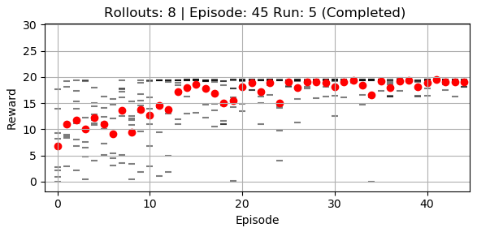
Starting Conditions |  |  |  |  |  |  | Policy
Agent | Mu | Sig | Alpha_mu | Alpha_sig | Gamma | n_rollouts | Mu | Sig
Sys-pepg | [4,8.2] | [1.5,1.5] | 0.1 | 0.05 | 0.95 | 4 | [5.48,9.02] | [0.057,0.764]

