Sheet1
Test Case Id | objectives | preconditions | steps to follow | Test data | Expected result | Actual Result | status | priority
TC_001 | Home Page | To verify the Link is open on multiple browsers or not. | URL should be available ("https://skills.digigrowhub.in/index2.php "). |  | URL should be open on Multiple Browsers. | URL open on Multiple Browsers. | pass | P1
TC_002 | Home Page | To Verify the link is open parallely or not. | Open URL(" https://skills.digigrowhub.in/index2.php") on any browser. |  | URL should be open on Multiple Windows at a time. | URL open on Multiple windows at a time. | fail | P1
TC_003 | Home Page | To Verify the functionality of home page when user click on Home tab. | Open URL ("https://skills.digigrowhub.in/index2.php") on any browser. | Click on Home tab. | User should navigate to home page. | Home page of website should get refresh to know that user navigated to home page. | pass | P1
TC_004 | Home Page | To verify the Functionality of home page when user click on models dropdown. | Open URL ("https://skills.digigrowhub.in/index2.php") on any browser. | Click on Models dropdown. | User should able to see the models of website | User can see the models of digi grow hub website. | pass | P1
TC_005 | Home Page | To verify the Functionality of models tab when user click on any perticular model. | Open URL ("https://skills.digigrowhub.in/index2.php") on any browser. | 1. Click on Models dropdown. | User should navigate to Page. | User should navigate to this website | pass | P2
TC_006 | Home Page | To Verify the functionality of home page when user click on search Box and enter some data to see whether it give some suggestion or not. | Open URL ("https://skills.digigrowhub.in/index2.php") on any browser. | 1. Click on Search Box. 2.Try to enter some Data | User should get some suggestions after entering some data. | User did not get any suggestions after entering some data (Test Data). | pass | P1
TC_007 | Home Page | To Verify the functionality of home page when user click on search Box and enter valid data and click on Search Button. | Open URL ("https://skills.digigrowhub.in/index2.php") on any browser. | 1. Click on Search Box. 2. Enter Valid Data. 3. Click on search Button. | User should navigate to home Page. | User did not navigate to home Page. | pass | P2
TC_008 | Home Page | To verify the contents display on home page is working or not. | Open URL ("https://skills.digigrowhub.in/index2.php") on any browser. |  | user should be able to click the contents. | user are be able to click the contents. | pass | p1
TC_009 | Home Page | To check the verify Full name feild of the login page is working or not | Open URL ("https://skills.digigrowhub.in/index2.php") on any browser. |  | Full name feild should be able to work properly. | Full name feild are able to work properly. | fail | p1
TC_010 | Home Page | To check the verify Full name feild of the login page should not accept alphanumeric. | Open URL ("https://skills.digigrowhub.in/index2.php") on any browser. |  | Full name feild should be not able to accept alphanumeric. | Full name feild is accepting alphanumeric. | Fail | p1
TC_011 | Home Page | To check the verify the login page of mobile number feild are working or not. | Open URL ("https://skills.digigrowhub.in/index2.php") on any browser. |  | login page of mobile number feild should be able to accept the number range upto 10 digit. | login page of mobile number feild are able to accept the number range upto 10 digit. | Fail | 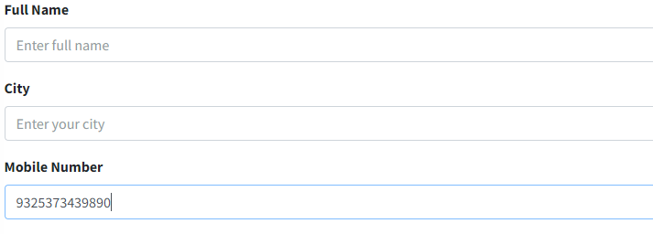 p1
TC_012 | Home Page | To check the verify all the buttons are working or not. | Open URL ("https://skills.digigrowhub.in/index2.php") on any browser. |  | all the buttons should be able to working properly. | all the buttons are working properly. | pass | p1
TC_012 | Home Page | To check the verify all the scroll bar are working or not. | Open URL ("https://skills.digigrowhub.in/index2.php") on any browser. |  | all the buttons should be able to working properly. | all the buttons are working properly. | pass | p1

