Segment solution
4-segment solution
The ideal number of segments is a function of statistical fit (what the data say), managerial relevance (what makes the
most sense from a managerial point of view), and targetability (can the segments be easily targeted).
When the three criteria do not perfectly converge, selecting the right number of segments becomes a judgment call.
Using a statistical criteria exclusively (see scree plot analysis below), we have retained 4 segments.
The segmentation method relies on the hierarchical clustering approach. This approach generates a dendrogram that we
display next.

Dendrogram
The dendrogram represents the grouping process of observations into clusters. The chart reads from bottom (all initial
observations are separated) to top (all observations are clustered into one unique segment).
The height represents the distance between the two groups of observations being merged at each step. If two very distant
groups are being merged, this will create a 'jump' in the dendrogram, indicating that it might be wise to stop the
clustering process before.

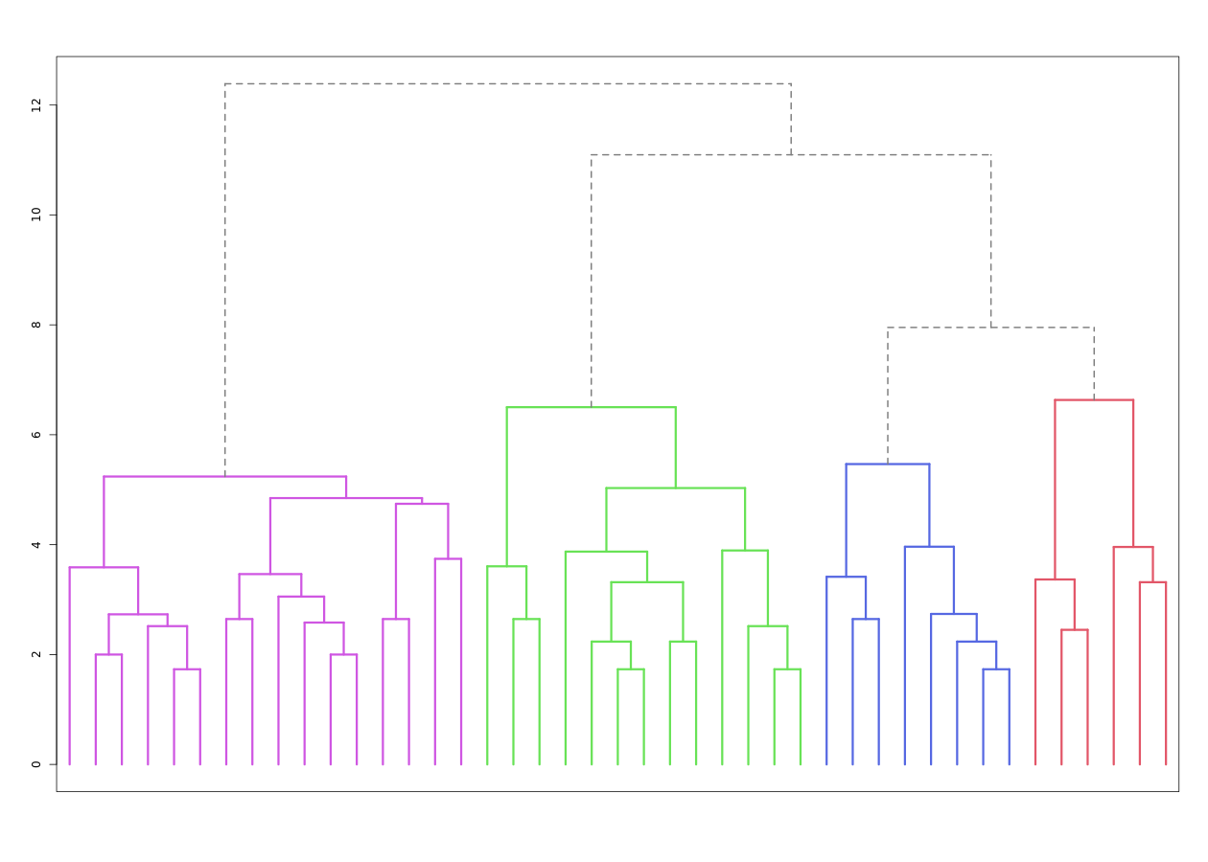

Dendrogram. The dendrogram is a tree diagram to illustrate the arrangement of clusters produced by hierarchical clustering, and how the observations are incrementally clustered together.

Scree plot
The screeplot displays, for each cluster solution, a measure of within-cluster heterogeneity. If clusters group
observations that are widely different (which will happen if the number of clusters is too small to capture the
variability in the data), the value will be high.
A good cluster solution might be where the screeplot displays an 'elbow', that is, where increasing the number of
clusters beyond a certain point does not dramatically decreases within-cluster heterogeneity.
The measure displayed in the screeplot is related, but not equivalent, to the distance reported in the dendrogram.

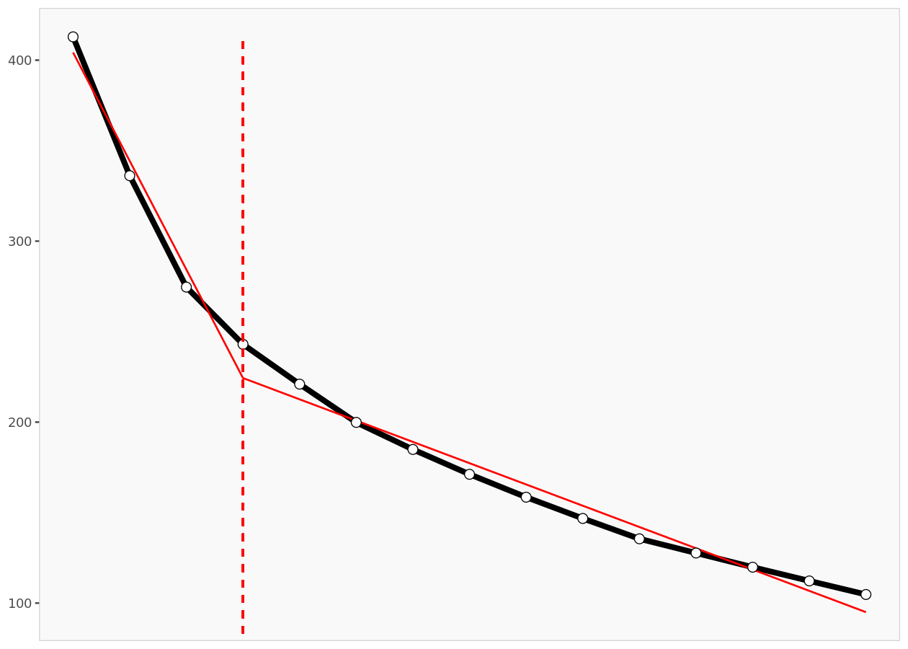

Scree plot. The scree plot compares the sum of squared error (SSE) for each cluster solution. A good cluster solution might be when the SSE slows dramatically, creating an 'elbow'. Such elbow does not always exist.
From a statistical point of view, the SSE reported in the screeplot is computed as the sum of squared error between each
observation and its cluster centroid (or center), summed over all the observations.

Segment description
Segment size

Segment size
 | Population | Segment 1 | Segment 2 | Segment 3 | Segment 4
Size | 43 | 16 | 6 | 13 | 8
Relative size | 100% | 37% | 14% | 30% | 19%

Segment description

Segment description
Average value of each segmentation variable, overall for each segment (centroid). Segmentation variables that are statistically different from the rest of the population are highlighted in red (lower) or green (higher).
Attributes | Population | Segment 1 | Segment 2 | Segment 3 | Segment 4
Content Quality | 3.05 | 4.06 | 3.17 | 2.15 | 2.38
Variety of topics | 3.33 | 3.38 | 3.33 | 4.15 | 1.88
Platform Usability | 3.47 | 3.56 | 1.50 | 4.38 | 3.25
Price | 3.84 | 3.00 | 4.50 | 4.46 | 4.00
Recommendations/ Reviews | 2.86 | 2.88 | 2.67 | 2.54 | 3.50
Community features (forums,discussions, etc) | 3.60 | 4.19 | 3.67 | 3.00 | 3.38
Value of certification/ credentials | 3.16 | 4.13 | 2.83 | 2.92 | 1.88
Personalized recommendations | 2.77 | 2.75 | 2.67 | 2.15 | 3.88

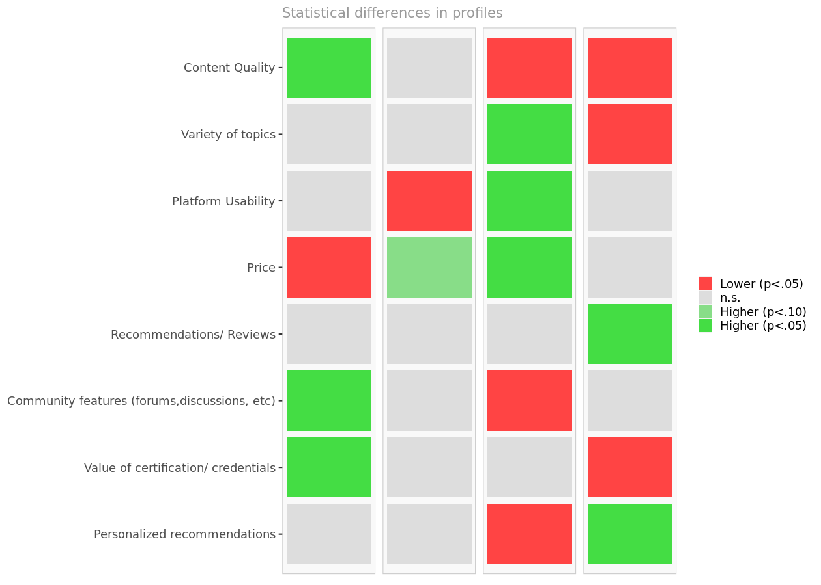

Segment differences per segment. Cell colors indicate to what extent a segment is statistically different from the rest of the population on each segmentation variable.

Segmentation space
The chart below is a graphical representation of the various segments, segment members, and segmentation variables. It
is obtained by plotting the first two dimensions of a principal component analysis performed on the (standardized)
segmentation data, on top of which segment information has been overlaid.
Because only the first two dimensions of the PCA are displayed, and these two dimensions capture only 48.1% of the
variance in the data, some differences between segments might not appear here. Note that segmentation variables with no
variance, if any, have been excluded.
Two clusters that appear to overlap on the first two dimensions might be distinct on other dimensions. Consequently,
this chart is a useful guide, for checking which variables are correlated, but may be misleading if used to select the
optimal number of segments.

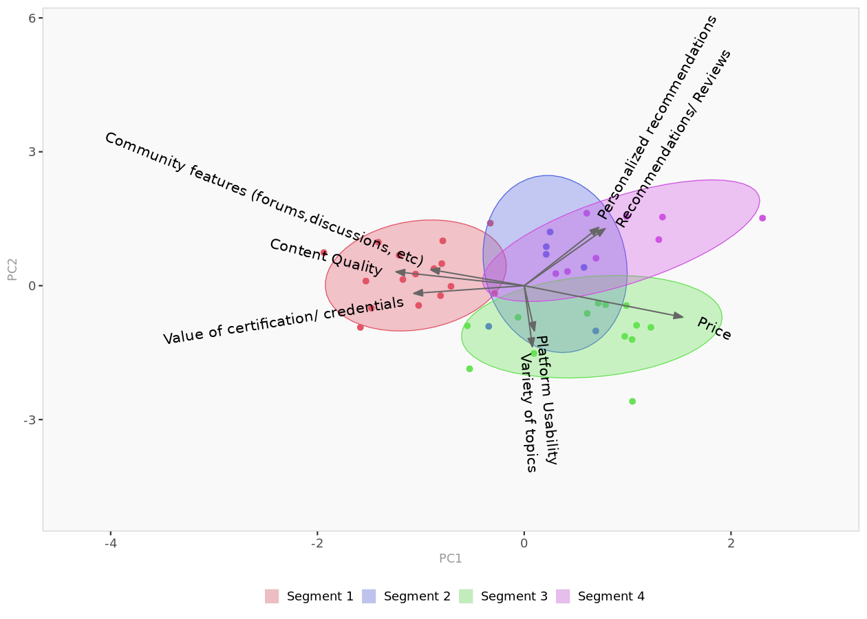

Segment space. Spatial representation of segments and segmentation variables, using principal component analysis.

Segment membership

Segment membership
Segment to which each member of the population belongs to. The complete membership list is only available in the Excel formatted output.
 | Segment
Respondent 1 | 1
Respondent 2 | 2
Respondent 3 | 1
Respondent 4 | 3
Respondent 5 | 1
Respondent 6 | 1
Respondent 7 | 2
Respondent 8 | 3
Respondent 9 | 1
Respondent 10 | 3
Respondent 11 | 4
Respondent 12 | 4
Respondent 13 | 4
Respondent 14 | 4
Respondent 15 | 3
Respondent 16 | 1
Respondent 17 | 3
Respondent 18 | 3
Respondent 19 | 3
Respondent 20 | 1
Respondent 21 | 3
Respondent 22 | 4
Respondent 23 | 1
Respondent 24 | 4
Respondent 25 | 1
Respondent 26 | 1
Respondent 27 | 2
Respondent 28 | 3
Respondent 29 | 1
Respondent 30 | 1
Respondent 31 | 1
Respondent 32 | 2
Respondent 33 | 2
Respondent 34 | 1
Respondent 35 | 3
Respondent 36 | 1
Respondent 37 | 4
Respondent 38 | 3
Respondent 39 | 1
Respondent 40 | 3
Respondent 41 | 3
Respondent 42 | 4
Respondent 43 | 2

Segment profiles
Spider chart
Spider chart comparing the averages of the segmentation variables across all segments.

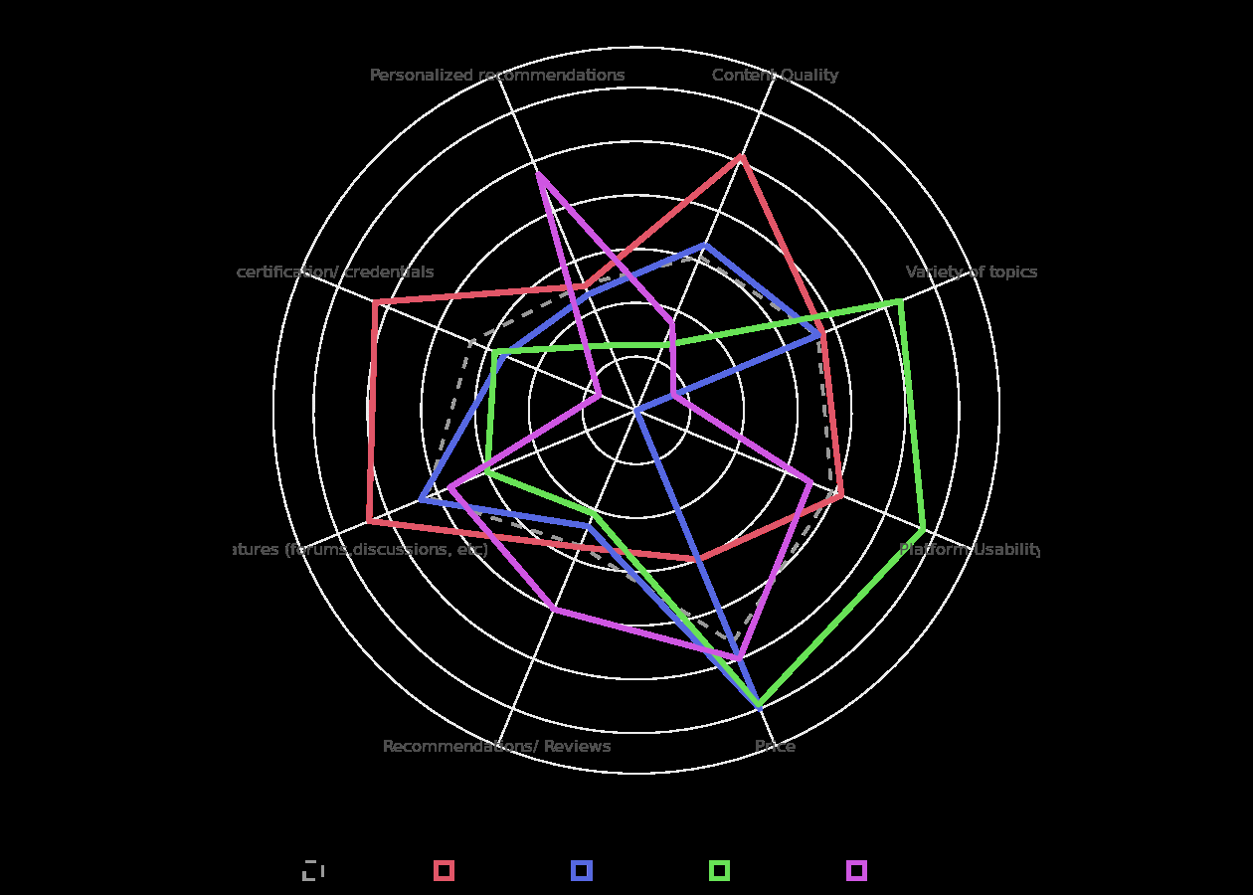

Spider chart.

Segment 1 profile
The following charts represent the profile of each segment. These charts are only available when the data are not
standardized, hence the model assumes that all segmentation variables use the same scale.
- For each segment, the segmentation variables are ordered in decreasing order of magnitude.
- The colored dots represent the average of the segment.
- The horizontal lines represent the standard deviations within that segment.
- The vertical, gray lines represent the averages of the rest of the population, after excluding members of the segment under scrutiny.

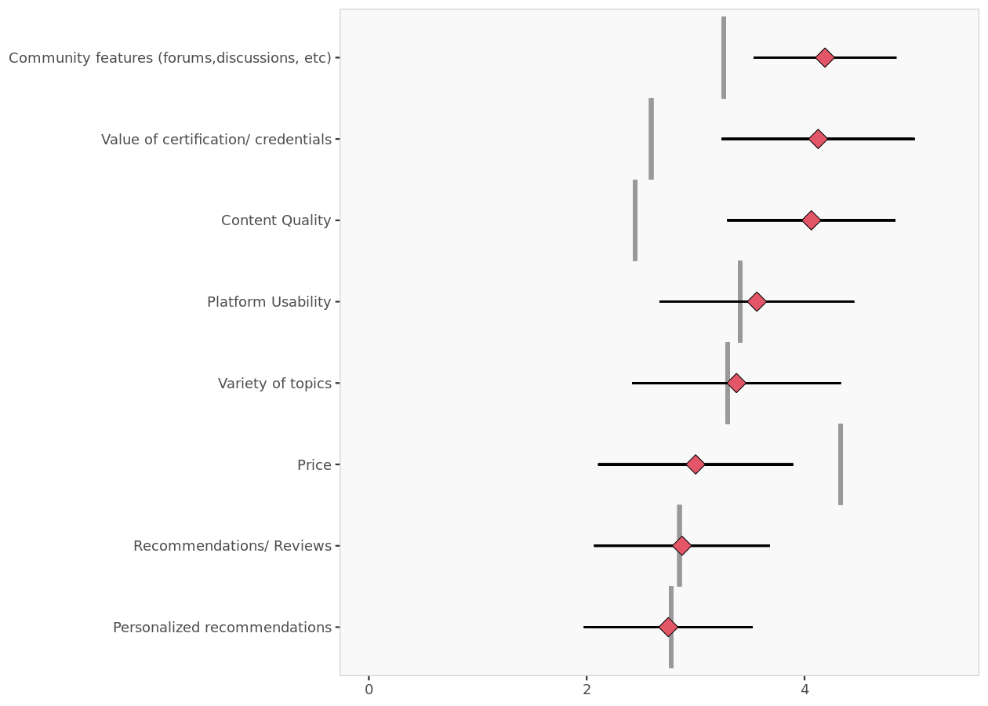

Segment 1 profile.

Segment 2 profile

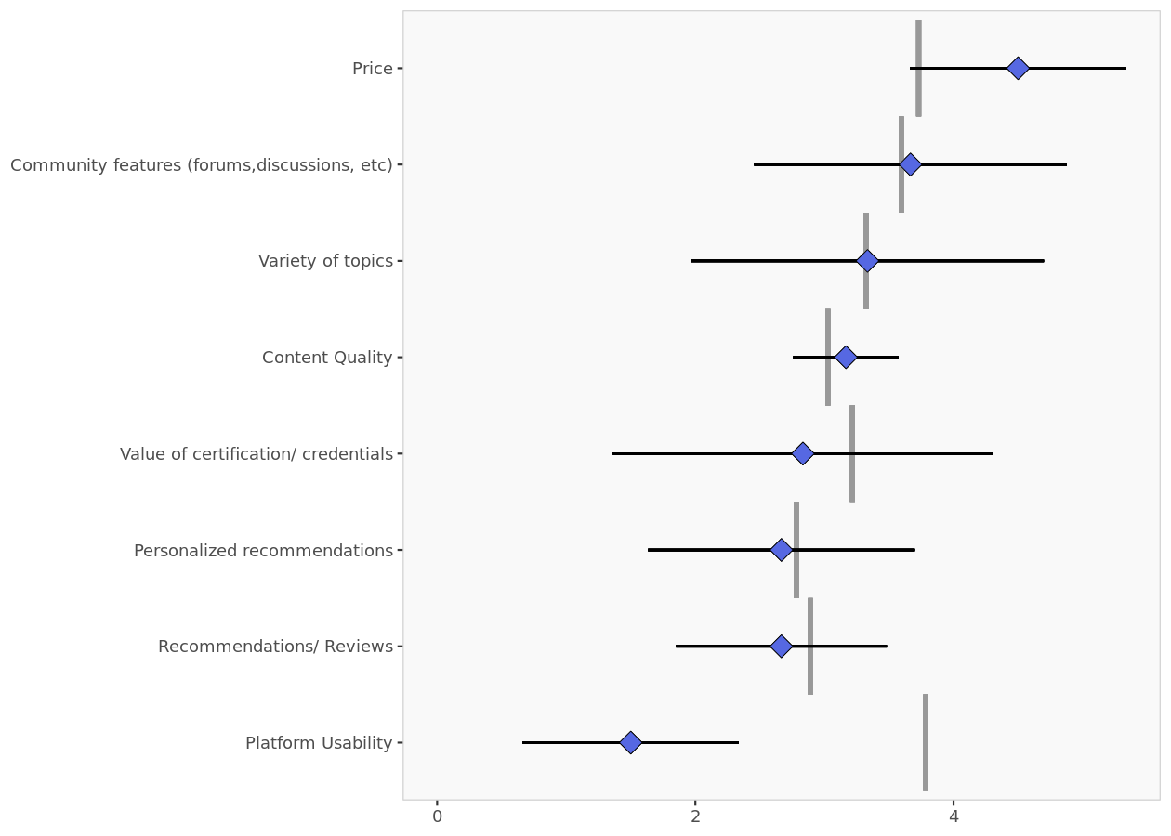

Segment 2 profile.

Segment 3 profile

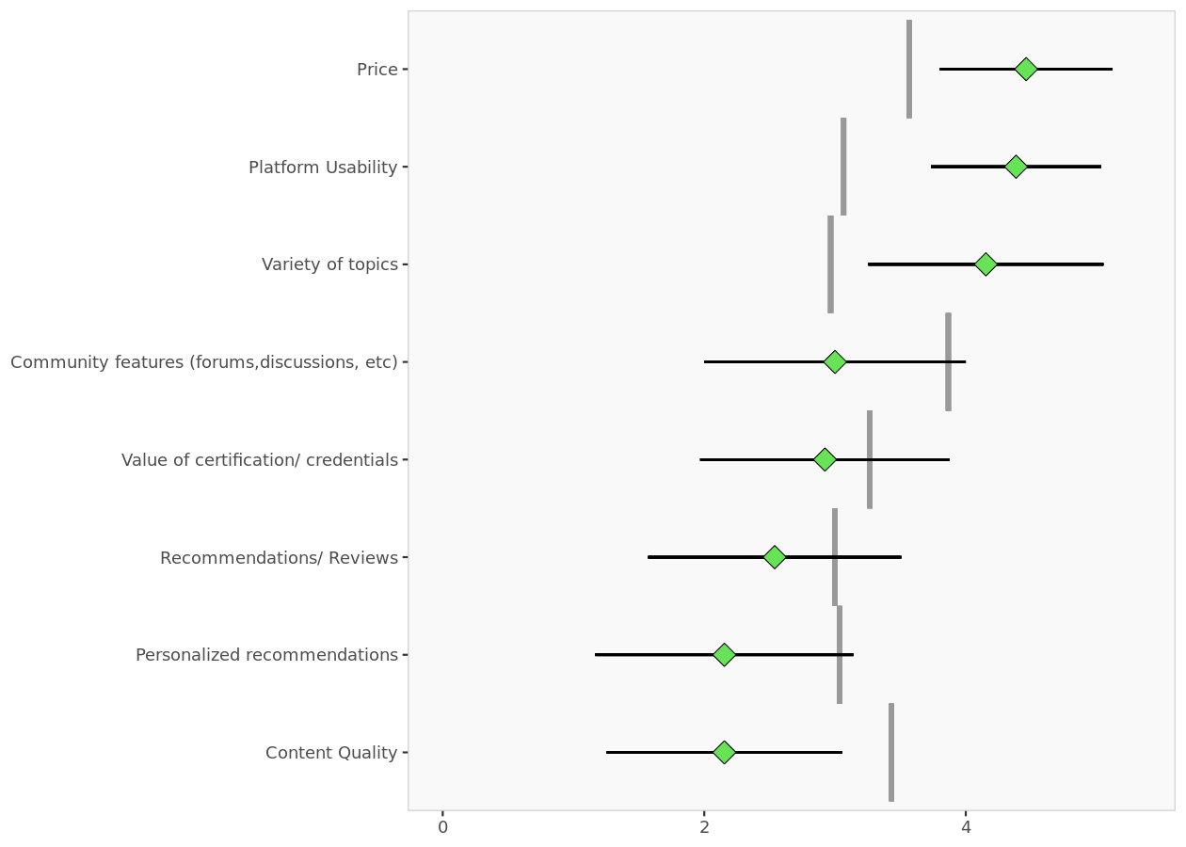

Segment 3 profile.

Segment 4 profile

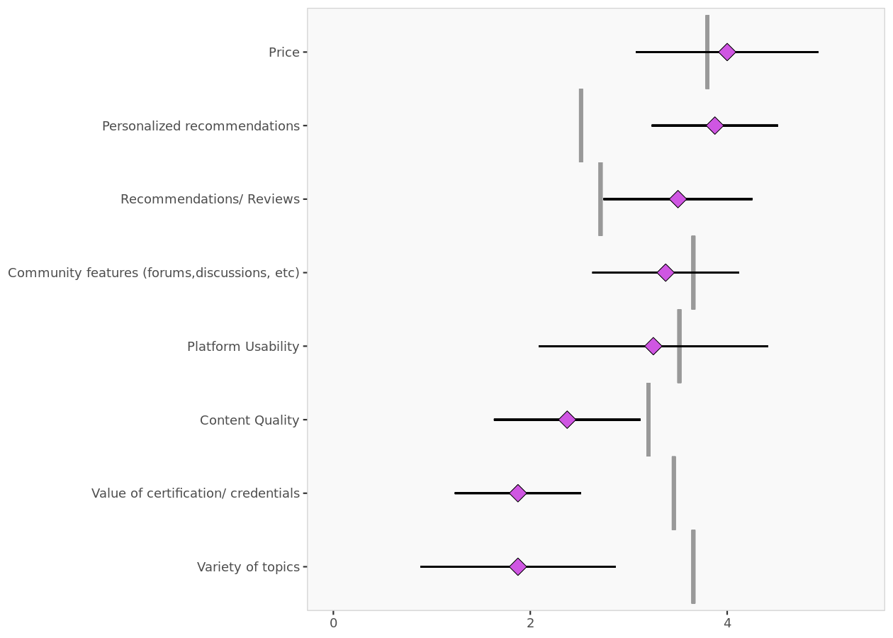

Segment 4 profile.

Descriptor analysis
Descriptors
This table reports the descriptor averages of each segment. The more differences can be found, the easier it will be to
predict segment membership based on descriptors alone.

Descriptor data per segment
Average value of each descriptor, overall and within each cluster. Descriptors that are statistically different from the rest of the population are highlighted in red (lower) or green (higher).
Descriptor data per segment | Population | Segment 1 | Segment 2 | Segment 3 | Segment 4
Gender = Male | 0.674 | 0.625 | 0.500 | 0.846 | 0.625
Age Group = 25-34 | 0.442 | 0.625 | 0.333 | 0.154 | 0.625
Age Group = 18-24 | 0.465 | 0.375 | 0.667 | 0.538 | 0.375
Work Experience = 1-3 Years | 0.419 | 0.313 | 0.500 | 0.538 | 0.375
Work Experience = 3-5 Years | 0.256 | 0.375 | 0.167 | 0.077 | 0.375
Work Experience = More Then 5 | 0.163 | 0.188 | 0.333 | 0.000 | 0.250
Income Level = $10,001 - $20,000 | 0.233 | 0.375 | 0.333 | 0.000 | 0.250
Income Level = $20,001 - $30,000 | 0.326 | 0.188 | 0.500 | 0.308 | 0.500
Income Level = Less than $10,000 | 0.186 | 0.063 | 0.000 | 0.538 | 0.000
Income Level = More than $40,000 | 0.140 | 0.250 | 0.000 | 0.000 | 0.250
Service Duration = More than 2 years | 0.326 | 0.500 | 0.500 | 0.077 | 0.250
Service Duration = 6-12 Months | 0.163 | 0.063 | 0.167 | 0.308 | 0.125
Service Duration = 1-2 Years | 0.233 | 0.000 | 0.000 | 0.538 | 0.375
Service Duration = Less than 3 months | 0.256 | 0.375 | 0.333 | 0.077 | 0.250
Engagement Frequency = Weekly | 0.465 | 0.500 | 0.333 | 0.538 | 0.375
Engagement Frequency = Monthly | 0.349 | 0.250 | 0.667 | 0.154 | 0.625
Money Spent = $1-$50 | 0.465 | 0.313 | 0.667 | 0.385 | 0.750
Money Spent = $51-$100 | 0.279 | 0.375 | 0.333 | 0.154 | 0.250
Money Spent = $0 | 0.186 | 0.125 | 0.000 | 0.462 | 0.000
Time Invested = More than 6 hours | 0.116 | 0.125 | 0.000 | 0.000 | 0.375
Time Invested = 3-4 hours | 0.349 | 0.250 | 0.500 | 0.462 | 0.250
Time Invested = 5-6 hours | 0.302 | 0.375 | 0.500 | 0.154 | 0.250
Time Invested = 1-2 hours | 0.163 | 0.188 | 0.000 | 0.231 | 0.125

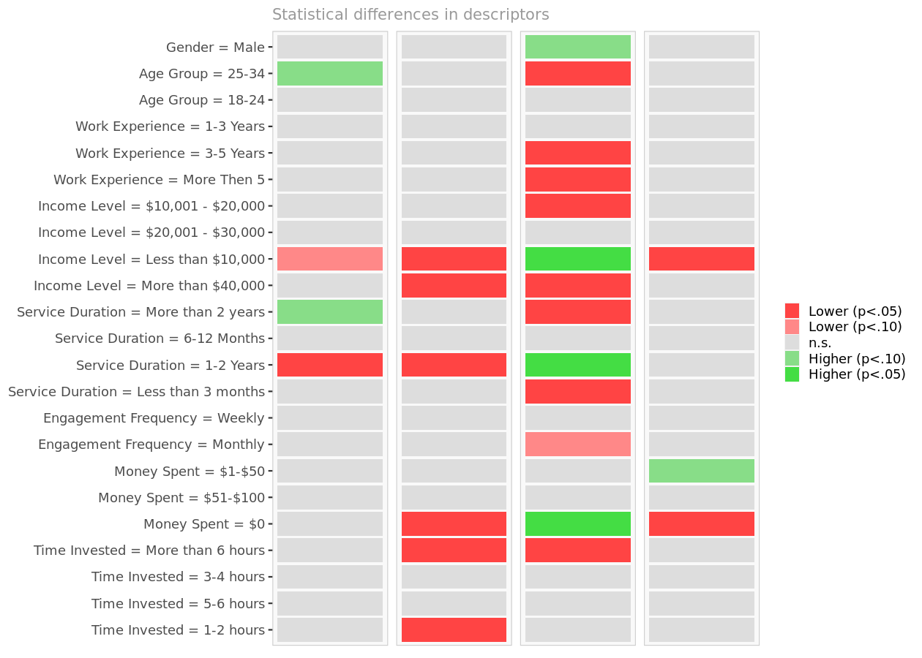

Descriptor differences per segment. Cell colors indicate to what extent the distribution of a descriptor in a segment is statistically different from the rest of the population.

Descriptor space
The chart below is a graphical representation of the various segments, segment members, and descriptors. It is obtained
by outputing the first two dimensions of a principal component analysis performed on the (standardized) descriptors, on
top of which segment information has been overlayed.
Because only the first two dimensions of the PCA are displayed, and these two dimensions capture only 27.1% of the
variance in the data, some differences between segments might not appear here. Note that descriptors with no variance,
if any, have been excluded.
If two or more segments fully overlap, it is unlikely that they could be clearly separated based on descriptors alone.
However, two segments that seem to overlap on two dimensions may be more clearly separated on other dimensions.
Consequently, the confusion matrix is a better guide to assess the quality of segment classification based on
descriptors.

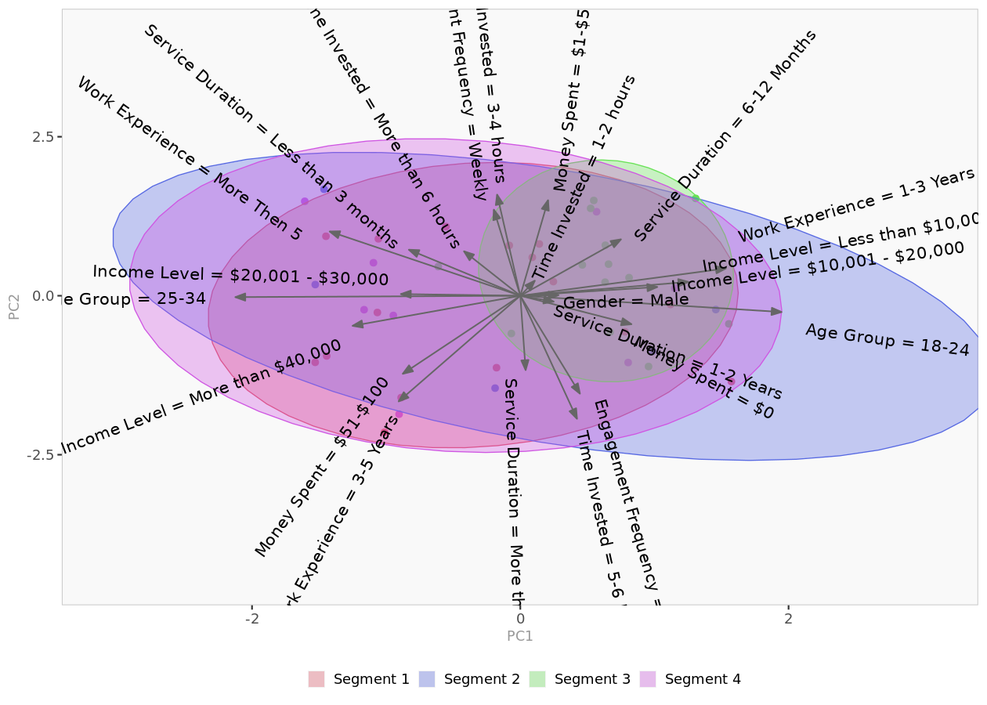

Descriptor space. Spatial representation of segments and their descriptors, using principal component analysis.

Classification model
Introduction
Often, segmentation (needs) variables for each customer may not be available to managers, but descriptors variables for
customers may be available.
In this section, we explore whether descriptors alone can predict segment membership with sufficient accuracy. The
confusion matrix and hit rates (reported below) indicate whether the model is accurate enough.
For member classification based on descriptors, Enginius uses a multinomial logit model (similar to the one used to
predict 'choices between multiple alternatives (A/B/C)' in the predictive modeling module.
The largest segment is selected as the default option (dummy), and the model identifies which descriptors are the most
significant for predicting cluster memberships. If a descriptor is highly predictive, its p-values will be close to
zero, and the cells will appear in green (or red).

Model coefficients

Model parameters
Segment 1 is the model baseline.
 | Segment 2 | Segment 3 | Segment 4
(Intercept) | -451.2 | -29.7 | -675.3
Gender = Male | 90.4 | 106.8 | -259.5
Age Group = 25-34 | -685 | -384 | -471
Age Group = 18-24 | 246.12 | -1.50 | 56.88
Work Experience = 1-3 Years | -181 | 219 | 470
Work Experience = 3-5 Years | -256.6 | -49.1 | -344.0
Work Experience = More Then 5 | 592 | -491 | 266
Income Level = $10,001 - $20,000 | -394.3 | -586.5 | -40.6
Income Level = $20,001 - $30,000 | 555 | 229 | 244
Income Level = Less than $10,000 | -181.1 | -50.6 | -464.4
Income Level = More than $40,000 | -137.8 | -98.5 | 954.5
Service Duration = More than 2 years | -119 | -157 | -175
Service Duration = 6-12 Months | 140 | 113 | -196
Service Duration = 1-2 Years | -39.8 | 662.4 | 686.9
Service Duration = Less than 3 months | -333 | -256 | -337
Engagement Frequency = Weekly | 2.50 | -188.01 | 382.03
Engagement Frequency = Monthly | 315 | -610 | 621
Money Spent = $1-$50 | 625.6 | 34.3 | 308.8
Money Spent = $51-$100 | 5.22 | 124.23 | 469.93
Money Spent = $0 | -187 | 351 | -344
Time Invested = More than 6 hours | -601.6 | -495.0 | 58.8
Time Invested = 3-4 hours | 233.9 | 492.9 | 59.3
Time Invested = 5-6 hours | 244.5 | 40.8 | -112.3
Time Invested = 1-2 hours | -39.2 | -192.4 | 210.9

P-values

p-values
Probabilities that parameter estimates are different from zero only by chance.
 | Segment 2 | Segment 3 | Segment 4
(Intercept) | 0.000 | 0.000 | 0.000
Gender = Male | 0.000 | 0.000 | 0.000
Age Group = 25-34 | 0.000 | 0.000 | 0.000
Age Group = 18-24 | 0.000 | 0.000 | 0.000
Work Experience = 1-3 Years | 0.000 | 0.000 | 0.000
Work Experience = 3-5 Years | 0.000 | 0.000 | 0.000
Work Experience = More Then 5 | 0.000 | 0.000 | 0.000
Income Level = $10,001 - $20,000 | 0.000 | 0.000 | 0.000
Income Level = $20,001 - $30,000 | 0.000 | 0.000 | 0.000
Income Level = Less than $10,000 | 0.000 | 0.000 | 0.000
Income Level = More than $40,000 | 0.000 | 0.000 | 0.000
Service Duration = More than 2 years | 0.000 | 0.000 | 0.000
Service Duration = 6-12 Months | 0.000 | 0.000 | 0.000
Service Duration = 1-2 Years | 0.000 | 0.000 | 0.000
Service Duration = Less than 3 months | 0.000 | 0.000 | 0.000
Engagement Frequency = Weekly | 0.000 | 0.000 | 0.000
Engagement Frequency = Monthly | 0.000 | 0.000 | 0.000
Money Spent = $1-$50 | 0.000 | 0.000 | 0.000
Money Spent = $51-$100 | 0.000 | 0.000 | 0.000
Money Spent = $0 | 0.000 | 0.000 | 0.000
Time Invested = More than 6 hours | 0.000 | 0.000 | 0.000
Time Invested = 3-4 hours | 0.000 | 0.000 | 0.000
Time Invested = 5-6 hours | 0.000 | 0.000 | 0.000
Time Invested = 1-2 hours | 0.000 | 0.000 | 0.000

Confusion matrix
The confusion matrix compares actual segment membership (obtained from the segmentation analysis and the original
segmentation variables) and predicted segment membership (obtained from the in-sample classification analysis and the
descriptors alone). When actual and predicted segment memberships coincide, the diagonal elements will be comparatively
large, indicating that the classification model based on available descriptors is accurate.

Confusion matrix (count)
The model has correctly classified 42 of the 43 observations. The off-diagonal elements are classification errors.
 | Predicted 1 | Predicted 2 | Predicted 3 | Predicted 4 | Total
Segment 1 | 16 | 0 | 0 | 0 | 16
Segment 2 | 0 | 5 | 0 | 1 | 6
Segment 3 | 0 | 0 | 13 | 0 | 13
Segment 4 | 0 | 0 | 0 | 8 | 8
Total | 16 | 5 | 13 | 9 | 43

Confusion matrix (%)
The global hit rate of the model is 98%. The diagonal elements represent segment-specific hit rates.
 | Predicted 1 | Predicted 2 | Predicted 3 | Predicted 4 | Total
Segment 1 | 100% | 0% | 0% | 0% | 100%
Segment 2 | 0% | 83% | 0% | 17% | 100%
Segment 3 | 0% | 0% | 100% | 0% | 100%
Segment 4 | 0% | 0% | 0% | 100% | 100%

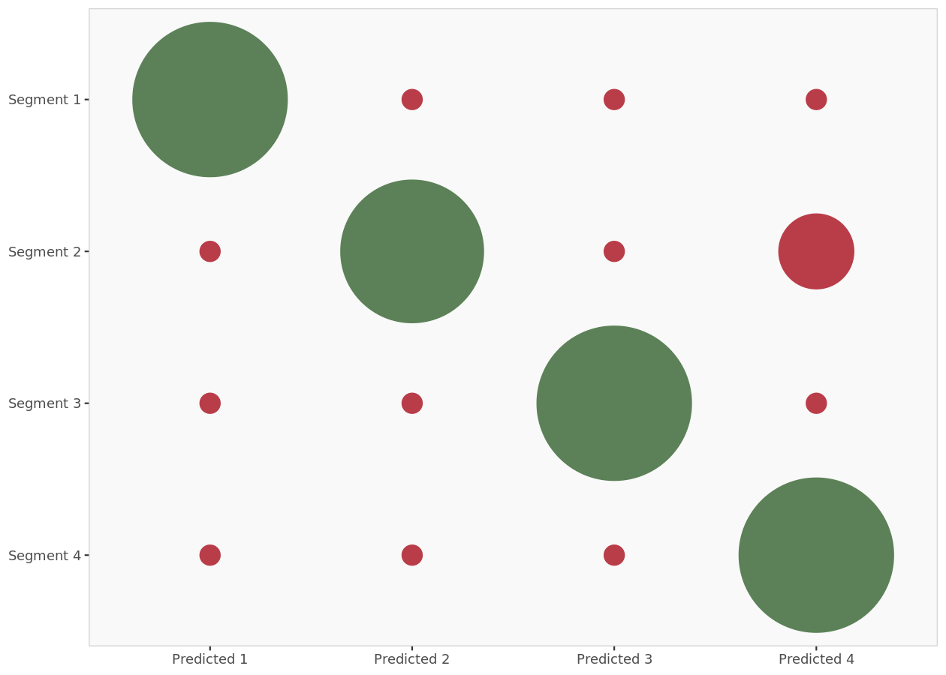

Confusion matrix (plot). Graphic representation of the confusion matrix: actual segment membership versus predicted segment membership. Bubbles in the diagonale represent correct classification.

Model predictions

Model predictions (in-sample)
This table details the probabilities of each member of the segmentation dataset to belong to each cluster (as predicted by the in-sample classification model and the descriptors alone). The segment with the highest probability is retained, and is compared to the actual segment membership to measure model accuracy and classification errors.
 | Prob(cluster 1) | Prob(cluster 2) | Prob(cluster 3) | Prob(cluster 4) | Predicted | Actual | Correct
Respondent 1 | 100% | 0% | 0% | 0% | 1 | 1 | 1
Respondent 2 | 0% | 50% | 0% | 50% | 4 | 2 | 0
Respondent 3 | 100% | 0% | 0% | 0% | 1 | 1 | 1
Respondent 4 | 0% | 0% | 100% | 0% | 3 | 3 | 1
Respondent 5 | 100% | 0% | 0% | 0% | 1 | 1 | 1
Respondent 6 | 100% | 0% | 0% | 0% | 1 | 1 | 1
Respondent 7 | 0% | 100% | 0% | 0% | 2 | 2 | 1
Respondent 8 | 0% | 0% | 100% | 0% | 3 | 3 | 1
Respondent 9 | 100% | 0% | 0% | 0% | 1 | 1 | 1
Respondent 10 | 0% | 0% | 100% | 0% | 3 | 3 | 1
Respondent 11 | 0% | 0% | 0% | 100% | 4 | 4 | 1
Respondent 12 | 0% | 50% | 0% | 50% | 4 | 4 | 1
Respondent 13 | 0% | 0% | 0% | 100% | 4 | 4 | 1
Respondent 14 | 0% | 0% | 0% | 100% | 4 | 4 | 1
Respondent 15 | 0% | 0% | 100% | 0% | 3 | 3 | 1
Respondent 16 | 100% | 0% | 0% | 0% | 1 | 1 | 1
Respondent 17 | 0% | 0% | 100% | 0% | 3 | 3 | 1
Respondent 18 | 0% | 0% | 100% | 0% | 3 | 3 | 1
Respondent 19 | 0% | 0% | 100% | 0% | 3 | 3 | 1
Respondent 20 | 100% | 0% | 0% | 0% | 1 | 1 | 1
Respondent 21 | 0% | 0% | 100% | 0% | 3 | 3 | 1
Respondent 22 | 0% | 0% | 0% | 100% | 4 | 4 | 1
Respondent 23 | 100% | 0% | 0% | 0% | 1 | 1 | 1
Respondent 24 | 0% | 0% | 0% | 100% | 4 | 4 | 1
Respondent 25 | 100% | 0% | 0% | 0% | 1 | 1 | 1
Respondent 26 | 100% | 0% | 0% | 0% | 1 | 1 | 1
Respondent 27 | 0% | 100% | 0% | 0% | 2 | 2 | 1
Respondent 28 | 0% | 0% | 100% | 0% | 3 | 3 | 1
Respondent 29 | 100% | 0% | 0% | 0% | 1 | 1 | 1
Respondent 30 | 100% | 0% | 0% | 0% | 1 | 1 | 1
Respondent 31 | 100% | 0% | 0% | 0% | 1 | 1 | 1
Respondent 32 | 0% | 100% | 0% | 0% | 2 | 2 | 1
Respondent 33 | 0% | 100% | 0% | 0% | 2 | 2 | 1
Respondent 34 | 100% | 0% | 0% | 0% | 1 | 1 | 1
Respondent 35 | 0% | 0% | 100% | 0% | 3 | 3 | 1
Respondent 36 | 100% | 0% | 0% | 0% | 1 | 1 | 1
Respondent 37 | 0% | 0% | 0% | 100% | 4 | 4 | 1
Respondent 38 | 0% | 0% | 100% | 0% | 3 | 3 | 1
Respondent 39 | 100% | 0% | 0% | 0% | 1 | 1 | 1
Respondent 40 | 0% | 0% | 100% | 0% | 3 | 3 | 1
Respondent 41 | 0% | 0% | 100% | 0% | 3 | 3 | 1
Respondent 42 | 0% | 0% | 0% | 100% | 4 | 4 | 1
Respondent 43 | 0% | 100% | 0% | 0% | 2 | 2 | 1

