CS Item Def
Item funtion | Description | Property | Description
enrolment_request(ITS-S x, EA y) | This function called by ITS-S x sends an enrolment request to EA y | Confidentiality | Ensuring that sensitive information within the V2X PKI system is protected against unauthorised access or disclosure
enrolment_response(EA y, ITS-S x) | Response to the Enrolment request, from EA y to the ITS-S x requesting the enrolment certificate | Integrity | Safeguarding the accuracy and completeness of the system's data and ensuring that it is not improperly altered, either maliciously or accidentally
authorisation_request(ITS_S x, AA z) | This function called by ITS-S x sends an authorisation request to AA z | Availability | Making certain that the V2X PKI's functionalities are always available for the ITSs' operation, without disruption or denial of service
authorisation_response(AA z, ITS-S x) | Response to the Authorisation request, from AA z to the ITS-S x requesting the authorisation ticket
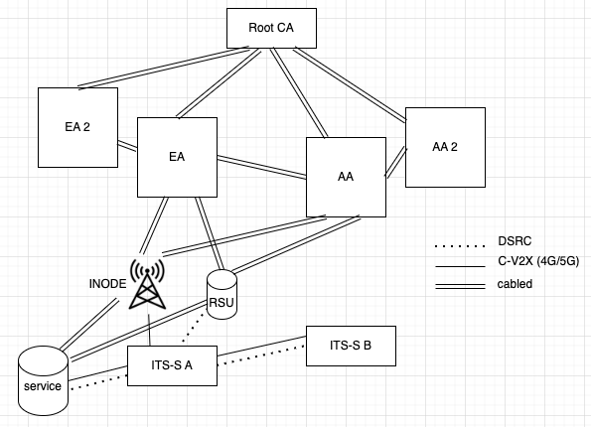
authorisation_validation_request(AA z, EA y) | This function called by AA z sends an authorisation validation request to EA y
authorisation_validation_response(EA y, AA z) | Response to the Authorisation validation request, from EA y to AA z, contains the response indicating whether the vehicle is authorised to get specific at
generic_v2x_message(ITS-S x) | Generic CAM broadcast message sent by ITS-S x
specific_v2x_message(ITS-S x, service s) | Specific V2X unicast message from ITS-S x to service s

