Entity
User | Post | PostLikeCount | PostcommentCount | PostCommentCount | PostLike
UserID (REQ) | PostID (REQ) | like_value | comment_value | commentID REQ | PostID (REQ)
Name | post_text |  |  | comment_text | UserID (REF)
Alias | post_body |  |  | comment_date
ProfilePicture | post_created_date |  |  | PostID (REQ)
 | post_modified_date |  |  | UserID (REF)
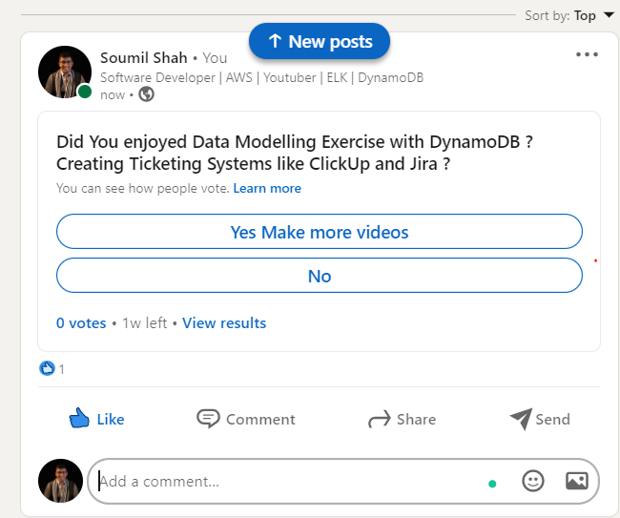
 | UserID (REF)

