form filling using Extensions
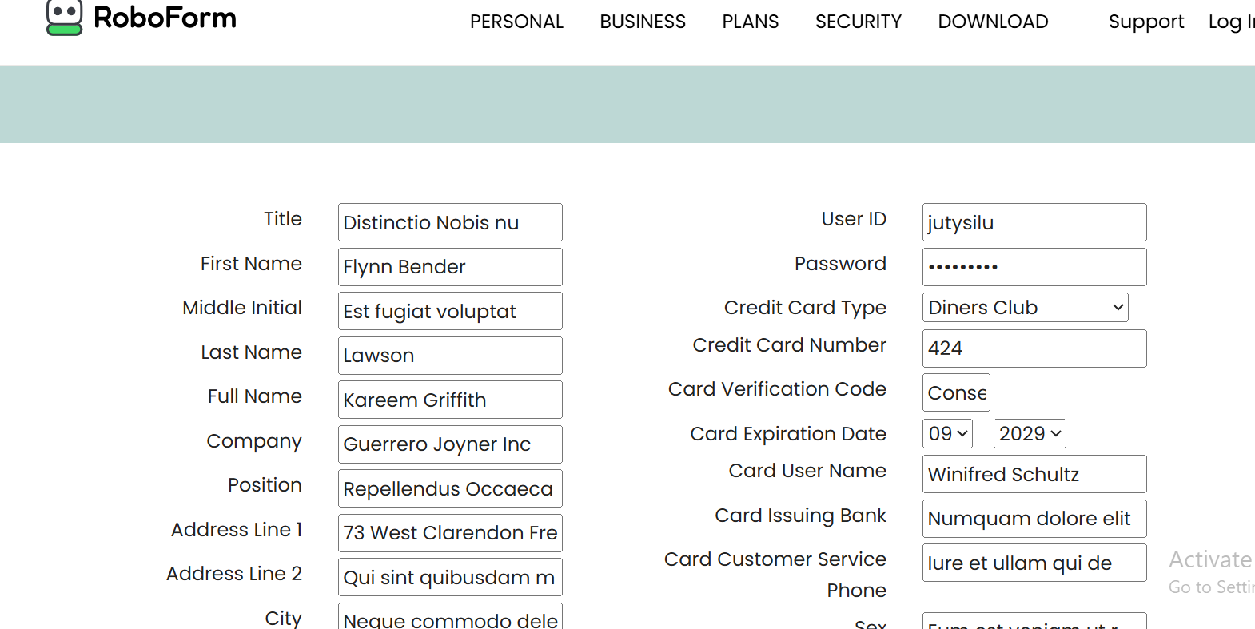
Use Bugmagnet and Fake filler extension for form filling
Bug Magnet - right clicking the page, bug magnet option is not available even though it is installed

backend- connect jira

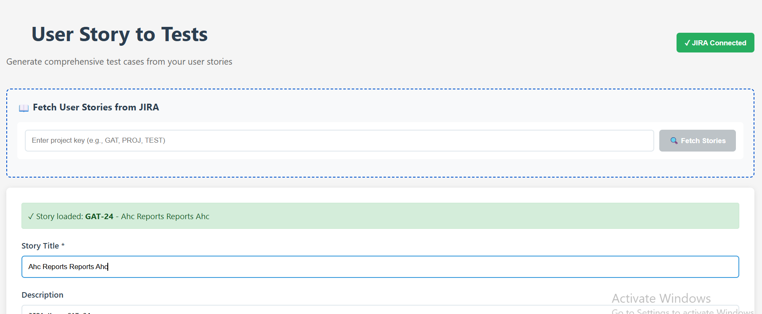
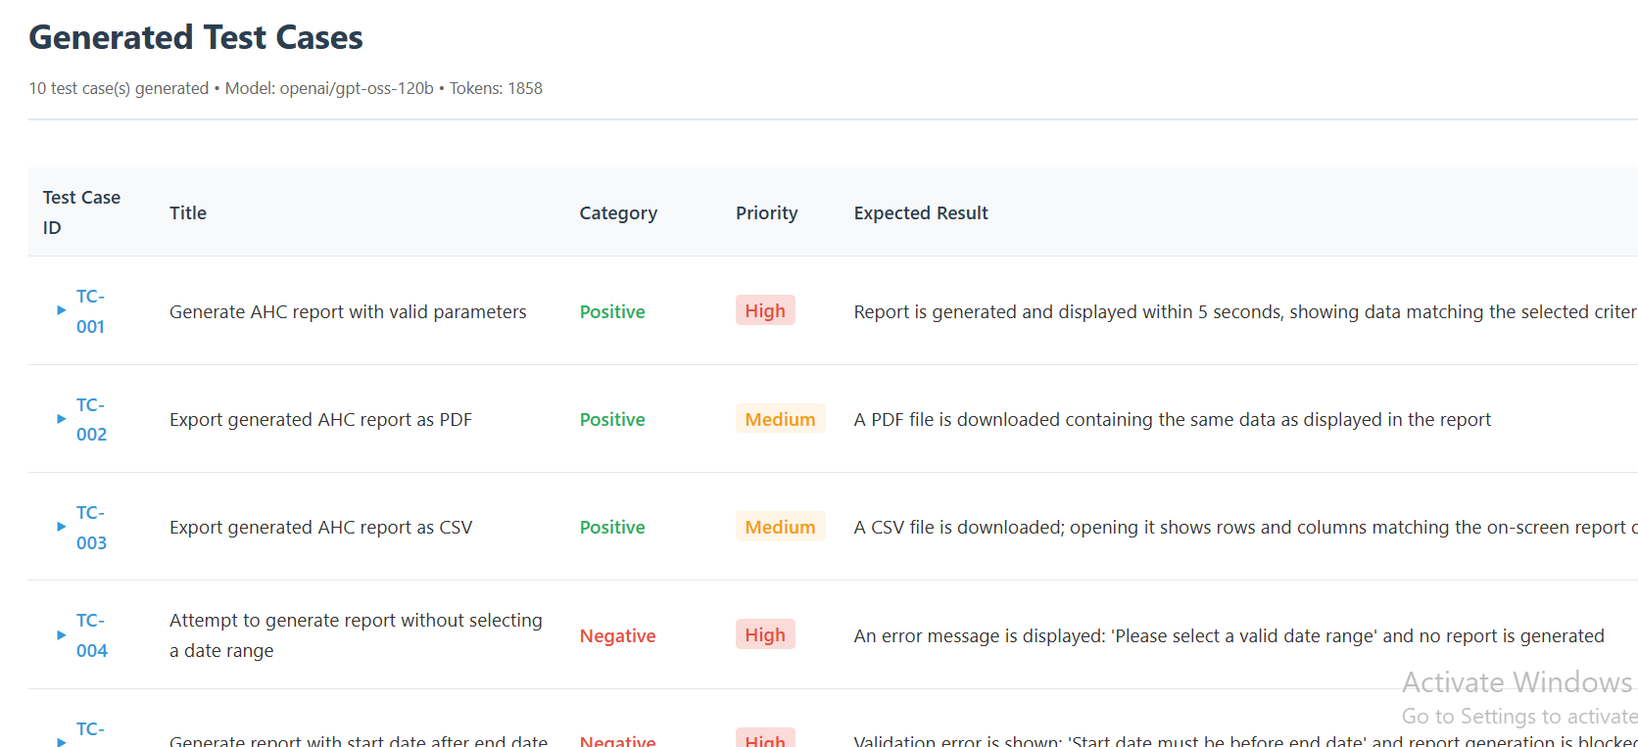
Scenario: 1. Connect to JIRA. 2. Write code to fetch user stories from JIRA. 3. It displays all the stories for the specific project key 4. Once all stories are displayed click on any user story to fill the correspoding fields and click on generate. 5. Once the testcasea are generetaed export to .csv. 6. Add priority field as well.

vibe coding playwright
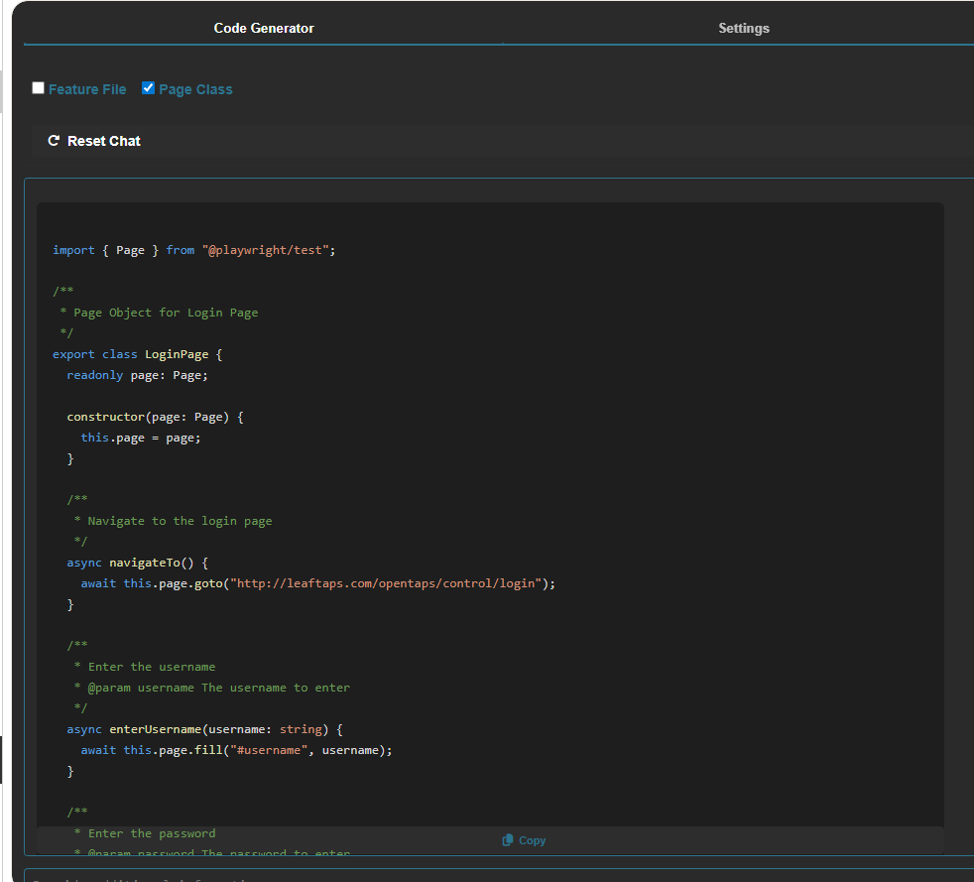
Prompt -1 | Read the code and understand the implementation for creating features and page classes

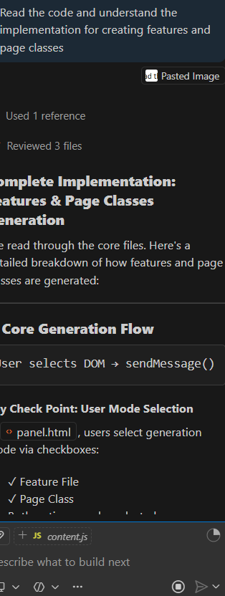

Promt 2 | Suggest all the changes required to generate the features and page classes

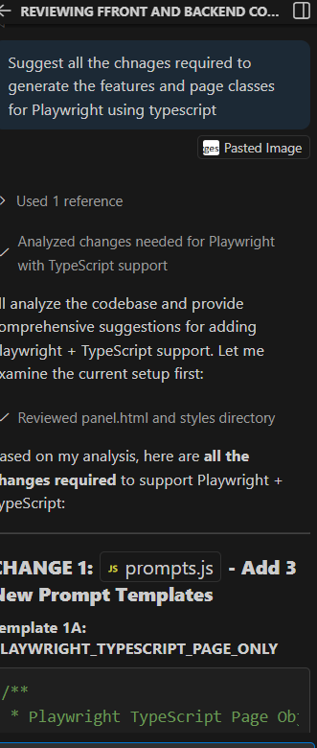

Prompt3 | Make all the necessary changes as mentioned above by getting confirmation before each change is made

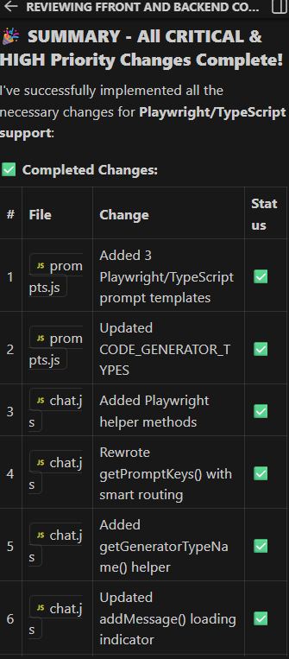

Relaunching the Extension to check the playwright implementation

