Sheet1
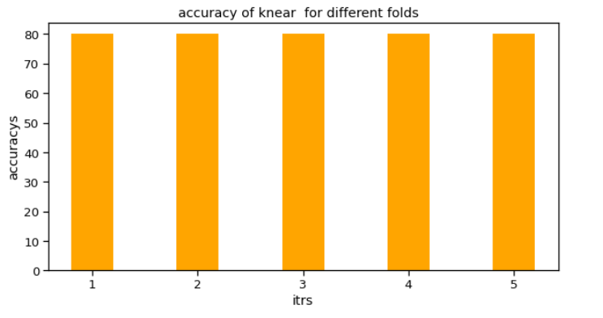
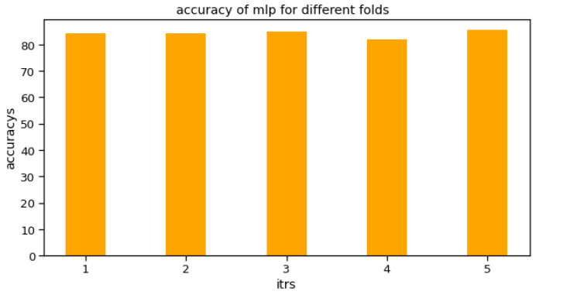
ACURRACY OF THE MODELS (TRAIN-SET):
 | WHEN DATA IS IMBALANCE: | WHEN DATA IS BALANCE:
Classifiers: LogisticRegression Has a training score of 79.0 % accuracy score Classifiers: KNeighborsClassifier Has a training score of 78.0 % accuracy score Classifiers: MLPClassifier Has a training score of 79.0 % accuracy score Classifiers: Perceptron Has a training score of 64.0 % accuracy score Classifiers: SVC Has a training score of 78.0 % accuracy score Classifiers: DecisionTreeClassifier Has a training score of 67.0 % accuracy score | Fraudulent(1) : 22.2% Non-fraudulent(0) : 77.8% class 0: (377, 24) class 1: (123, 24) | class 0: (123, 24) class 1: (123, 24) Fraudulent(1) : 50.0% Non-fraudulent(0) : 50.0%

ACURRACY OF THE MODELS (VALIDATION-SET):

Logistic Regression Cross Validation Score: 78.41% Knears Neighbors Cross Validation Score 76.8% Multi Layer Classifier Cross Validation Score 78.83% Single Layer Classifier Cross Validation Score 77.2% Support Vector Classifier Cross Validation Score 79.2% DecisionTree Classifier Cross Validation Score 78.8% | 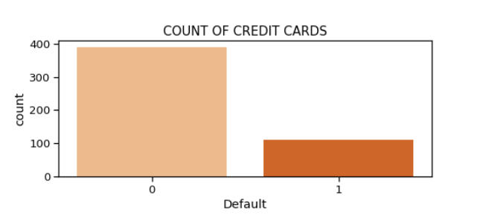 | 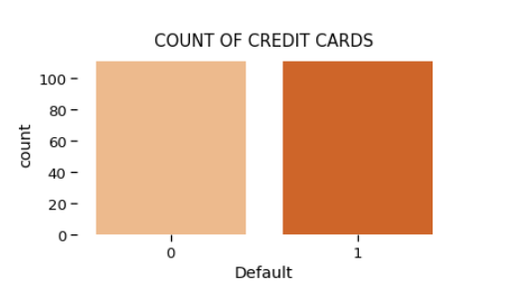

Overfitting curves of train and cross validation score :







Confusion Matrix:

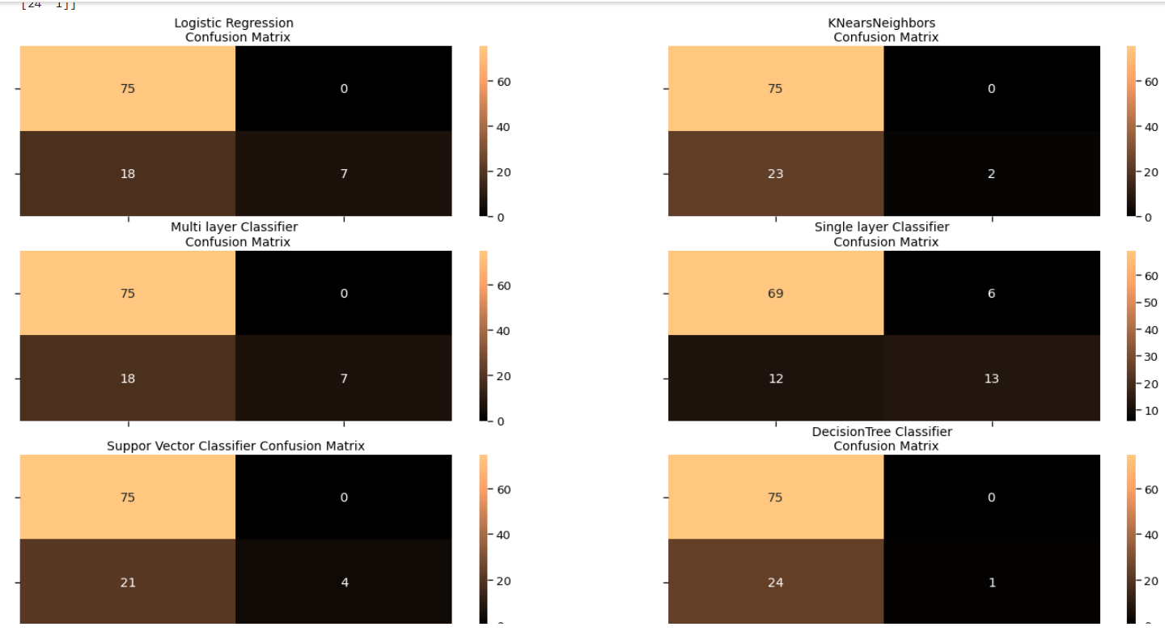 Logistic Regression : [[75 0] [18 7]] KNearNeighbors : [[75 0] [23 2]] Multi layer Classifier : [[75 0] [18 7]] Single layer Classifier : [[69 6] [12 13]] Support Vector Classifier : [[75 0] [21 4]] Decision tree Classifier : [[75 0] [24 1]]

PRECISION AND RECALL FOR MODELS:
1 & 2)
LOGISTIC REGRESSION: precision recall f1-score support 0 0.81 1.00 0.89 75 1 1.00 0.28 0.44 25 accuracy 0.82 100 macro avg 0.90 0.64 0.67 100 weighted avg 0.85 0.82 0.78 100 --------------------------------------------------------------------------------------------------------------------------------------- KNearsNeighbors: precision recall f1-score support 0 0.77 1.00 0.87 75 1 1.00 0.08 0.15 25 accuracy 0.77 100 macro avg 0.88 0.54 0.51 100 weighted avg 0.82 0.77 0.69 100 ---------------------------------------------------------------------------------------------------------------------------------------
3 & 4) | 5&6)
Multi layer Classifier : precision recall f1-score support 0 0.81 1.00 0.89 75 1 1.00 0.28 0.44 25 accuracy 0.82 100 macro avg 0.90 0.64 0.67 100 weighted avg 0.85 0.82 0.78 100 --------------------------------------------------------------------------------------------------------------------------------------- Single layer Classifier : precision recall f1-score support 0 0.85 0.92 0.88 75 1 0.68 0.52 0.59 25 accuracy 0.82 100 macro avg 0.77 0.72 0.74 100 weighted avg 0.81 0.82 0.81 100 --------------------------------------------------------------------------------------------------------------------------------------- | Support Vector Classifier : precision recall f1-score support 0 0.78 1.00 0.88 75 1 1.00 0.16 0.28 25 accuracy 0.79 100 macro avg 0.89 0.58 0.58 100 weighted avg 0.84 0.79 0.73 100 --------------------------------------------------------------------------------------------------------------------------------------- Decision tree Classifier : precision recall f1-score support 0 0.76 1.00 0.86 75 1 1.00 0.04 0.08 25 accuracy 0.76 100 macro avg 0.88 0.52 0.47 100 weighted avg 0.82 0.76 0.67 100 --------------------------------------------------------------------------------------------------------------------------------------
KFOLD:(cross-validation)
LOGISTIC REGRESSION:
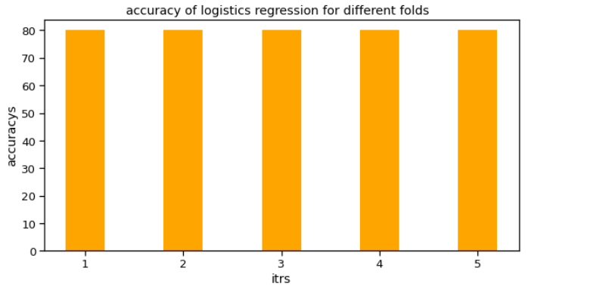 (500, 24) FOLD : 1 accuracy= 80.0 -------------- FOLD : 2 accuracy= 80.0 -------------- FOLD : 3 accuracy= 80.0 -------------- FOLD : 4 accuracy= 80.0 -------------- FOLD : 5 accuracy= 80.0 -------------- AVG Accuracy : 80.0 values= [80.0, 80.0, 80.0, 80.0, 80.0]

MULTI LAYER CLASSIFICATION:
(500, 24) FOLD : 1 Multi Layer Classifier Cross Validation Score of Test set 84.17% accuracy= 84.17 -------------- FOLD : 2 Multi Layer Classifier Cross Validation Score of Test set 84.17% accuracy= 84.17 -------------- FOLD : 3 Multi Layer Classifier Cross Validation Score of Test set 85.0% accuracy= 85.0 -------------- FOLD : 4 Multi Layer Classifier Cross Validation Score of Test set 82.08% accuracy= 82.08 -------------- FOLD : 5 Multi Layer Classifier Cross Validation Score of Test set 85.42% accuracy= 85.42 -------------- AVG Accuracy : 84.168 values= [84.17, 84.17, 85.0, 82.08, 85.42] | 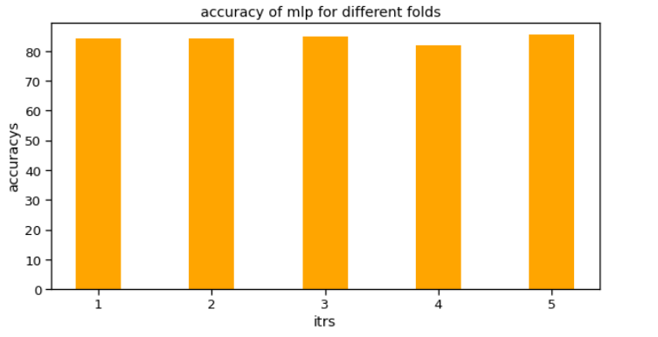

SINGLE LAYER PERCEPTON:
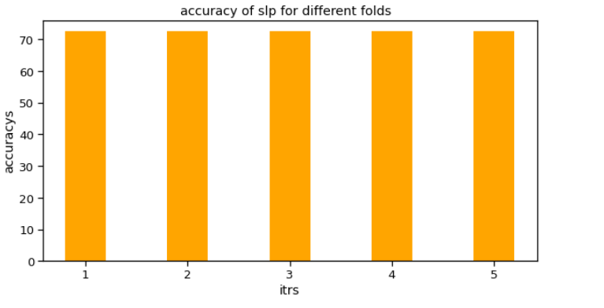 (500, 24) FOLD : 1 Single Layer Classifier Cross Validation Score of Test set 72.5% accuracy= 72.5 -------------- FOLD : 2 Single Layer Classifier Cross Validation Score of Test set 72.5% accuracy= 72.5 -------------- FOLD : 3 Single Layer Classifier Cross Validation Score of Test set 72.5% accuracy= 72.5 -------------- FOLD : 4 Single Layer Classifier Cross Validation Score of Test set 72.5% accuracy= 72.5 -------------- FOLD : 5 Single Layer Classifier Cross Validation Score of Test set 72.5% accuracy= 72.5 -------------- AVG Accuracy : 72.5 values= [72.5, 72.5, 72.5, 72.5, 72.5]

