pivot
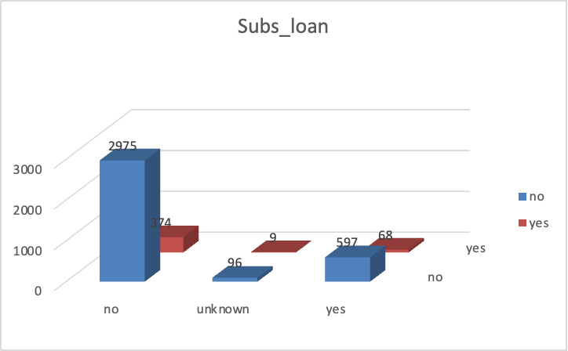
Count of subscbstion | Column Labels
Row Labels | no | yes | Grand Total
0-24 | 86 | 12 | 98
25-49 | 2878 | 311 | 3189
50-74 | 695 | 113 | 808
75-100 | 9 | 15 | 24
Grand Total | 3668 | 451 | 4119

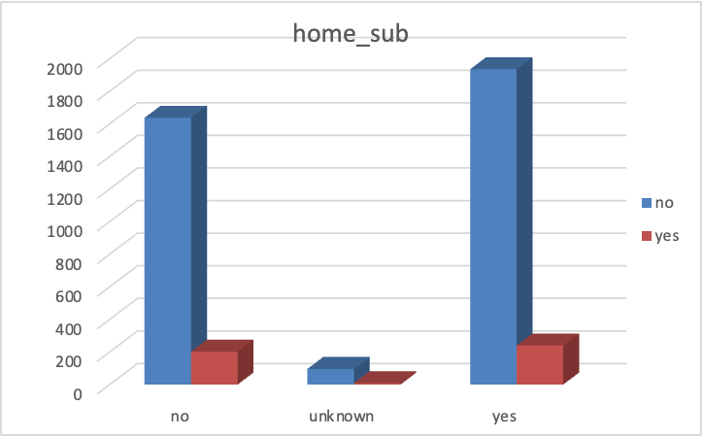
Count of subscbstion | Column Labels
Row Labels | no | yes | Grand Total
no | 1637 | 202 | 1839
unknown | 96 | 9 | 105
yes | 1935 | 240 | 2175
Grand Total | 3668 | 451 | 4119

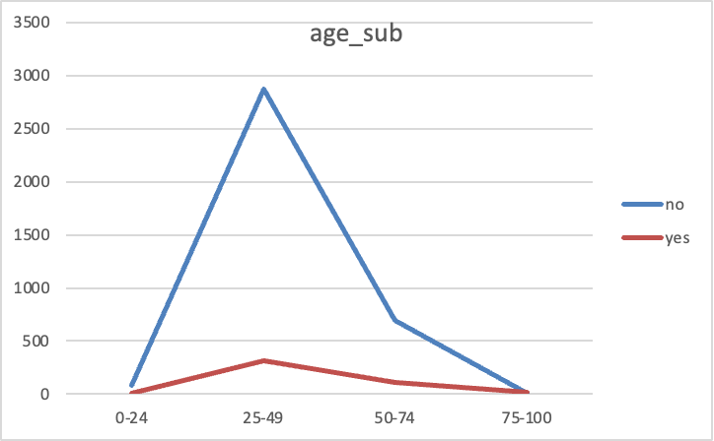
Count of subscbstion | Column Labels
Row Labels | no | yes | Grand Total
0-24 | 86 | 12 | 98
25-49 | 2878 | 311 | 3189
50-74 | 695 | 113 | 808
75-100 | 9 | 15 | 24
Grand Total | 3668 | 451 | 4119

Dashboard
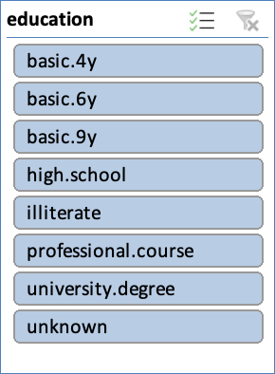
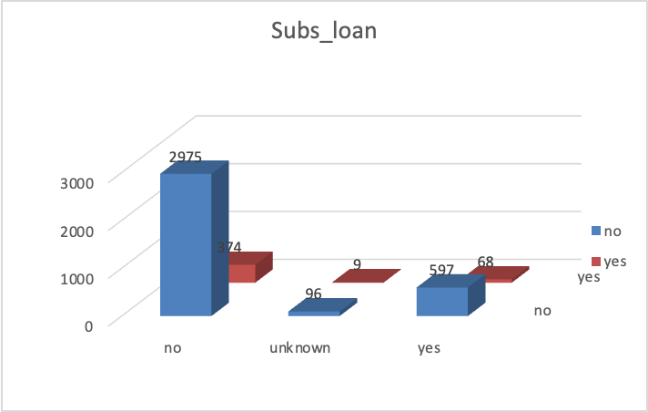
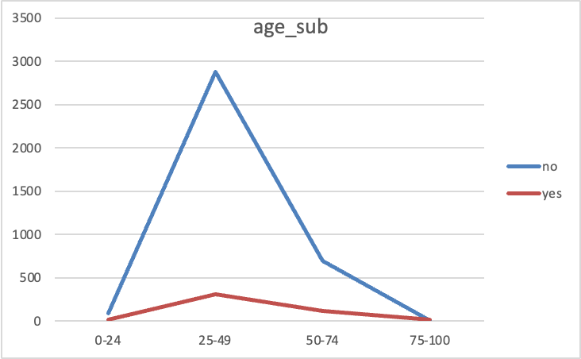
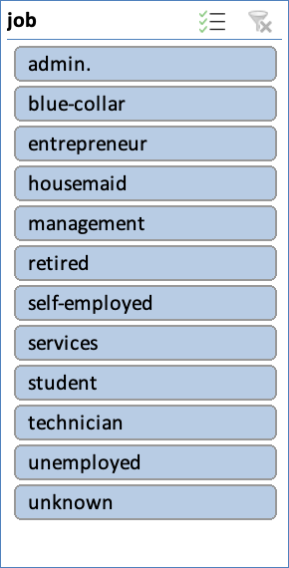
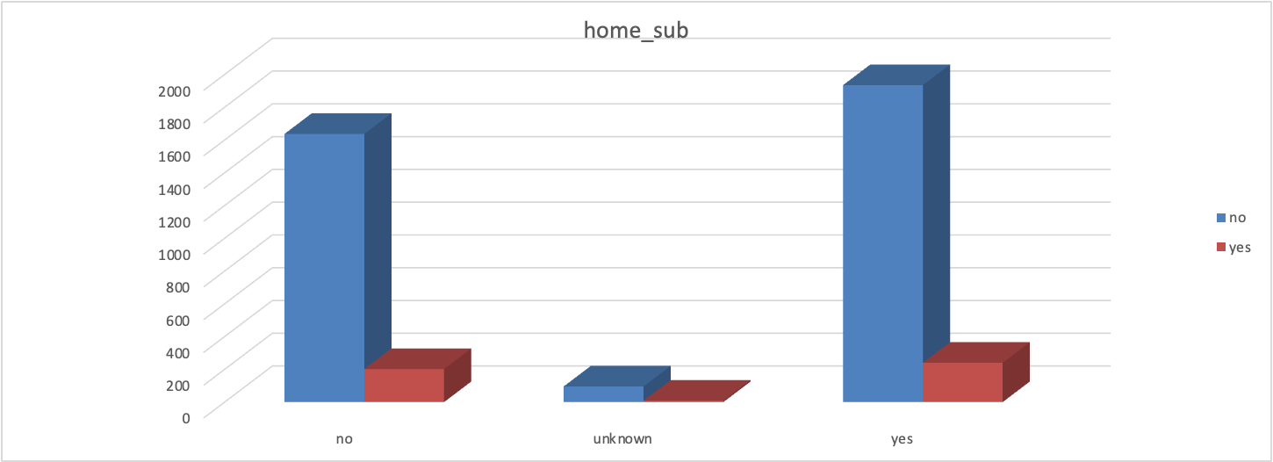
Dashboard

