pivot
Age-gender-Cost
Sum of Incident Cost | Age Group
Gender | 18-24 | 25-34 | 35-49 | 50+ | Grand Total
Female | 18292 | 27975 | 14619 | 10729 | 71615
Male | 118957 | 224105 | 176181 | 126937 | 646180
Grand Total | 137249 | 252080 | 190800 | 137666 | 717795

shift_cost
Shift | Sum of Incident Cost
Afternoon | 199611
Day | 280806
Night | 237378
Grand Total | 717795

Department | Sum of Incident Cost
Administration | 77473
Fabrication | 91678
Finishing | 84034
Maintenance | 98442
Melting | 76871
Painting | 70209
Purchasing | 58780
Security | 62796
Shipping | 97512
Grand Total | 717795

Injury Location | Sum of Incident Cost
Abdomen | 9.66%
Arms | 7.16%
Back | 11.43%
Eye | 6.07%
Feet | 9.09%
Hands | 7.23%
Head | 10.91%
Legs | 7.44%
Multiple | 8.30%
N/A | 10.55%
Neck | 5.62%
Trunk | 6.56%
Grand Total | 100.00%

DashBoard
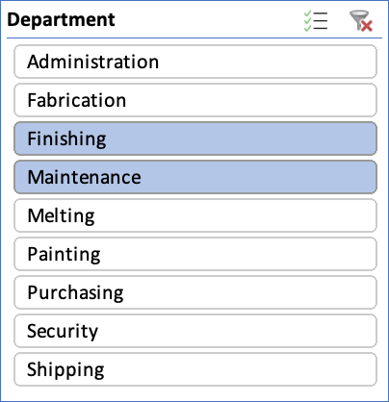
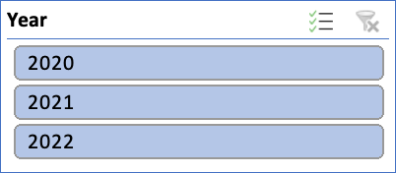
SAFETY_ANALYSIS

Age-gender-Cost
 | 18-24 | 25-34 | 35-49 | 50+
Female | 18292 | 27975 | 14619 | 10729
Male | 118957 | 224105 | 176181 | 126937
costper_inj_loc
 | Total
Abdomen | 9.66%
Arms | 7.16%
Back | 11.43%
Eye | 6.07%
Feet | 9.09%
Hands | 7.23%
Head | 10.91%
Legs | 7.44%
Multiple | 8.30%
N/A | 10.55%
Neck | 5.62%
Trunk | 6.56%

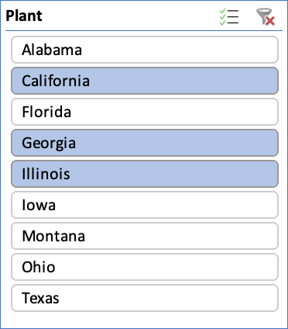

costper_dep
 | Total
Administration | 77473
Fabrication | 91678
Finishing | 84034
Maintenance | 98442
Melting | 76871
Painting | 70209
Purchasing | 58780
Security | 62796
Shipping | 97512
shift_cost
 | Total
Afternoon | 199611
Day | 280806
Night | 237378

