pivot
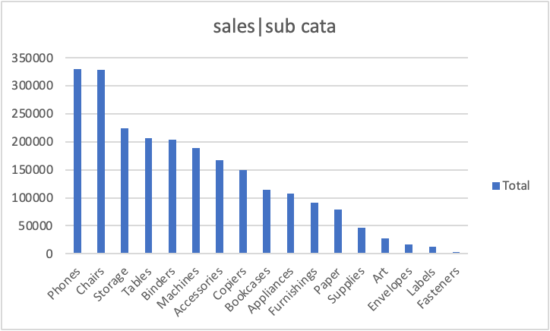
Row Labels | Sum of Sales
Phones | 330007.054
Chairs | 328449.103
Storage | 223843.608
Tables | 206965.532
Binders | 203412.733
Machines | 189238.631
Accessories | 167380.318
Copiers | 149528.03
Bookcases | 114879.9963
Appliances | 107532.161
Furnishings | 91705.164
Paper | 78479.206
Supplies | 46673.538
Art | 27118.792
Envelopes | 16476.402
Labels | 12486.312
Fasteners | 3024.28
Grand Total | 2297200.86

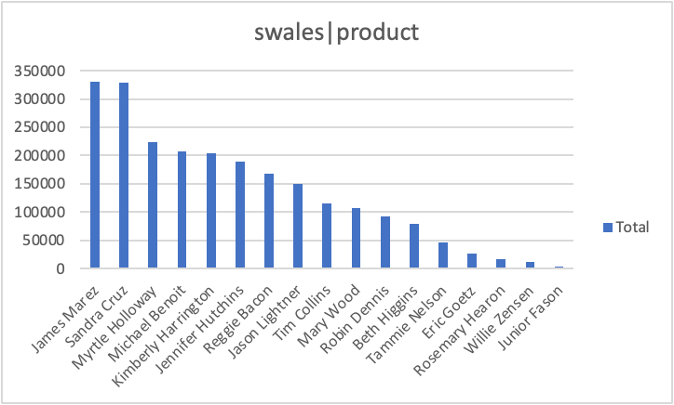
Row Labels | Sum of Sales
James Marez | 330007.054
Sandra Cruz | 328449.103
Myrtle Holloway | 223843.608
Michael Benoit | 206965.532
Kimberly Harrington | 203412.733
Jennifer Hutchins | 189238.631
Reggie Bacon | 167380.318
Jason Lightner | 149528.03
Tim Collins | 114879.9963
Mary Wood | 107532.161
Robin Dennis | 91705.164
Beth Higgins | 78479.206
Tammie Nelson | 46673.538
Eric Goetz | 27118.792
Rosemary Hearon | 16476.402
Willie Zensen | 12486.312
Junior Fason | 3024.28
Grand Total | 2297200.86

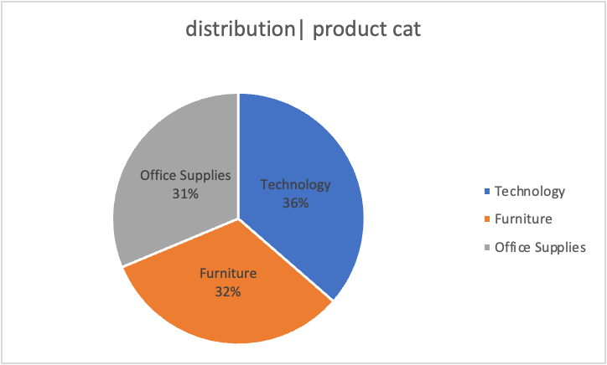
Row Labels | Sum of Sales
Technology | 36%
Furniture | 32%
Office Supplies | 31%
Grand Total | 100%

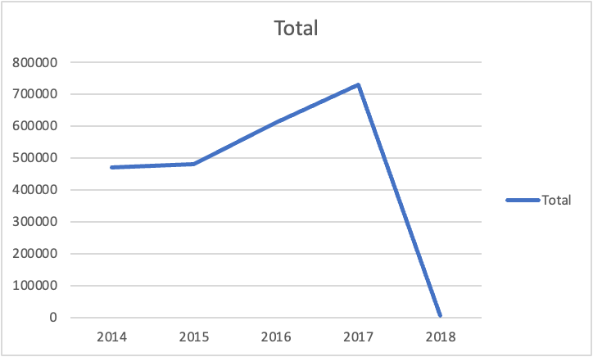
Row Labels | Sum of Sales
2014 | 470383.1931
2015 | 479442.502
2016 | 611325.753
2017 | 730889.7154
2018 | 5159.6968
Grand Total | 2297200.86

dash_borad
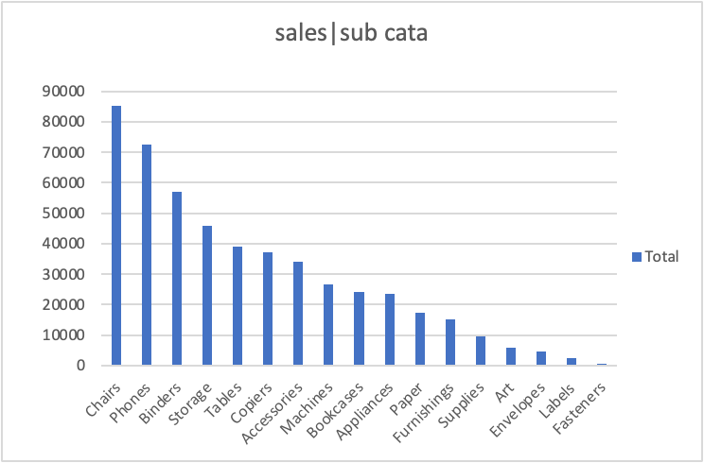
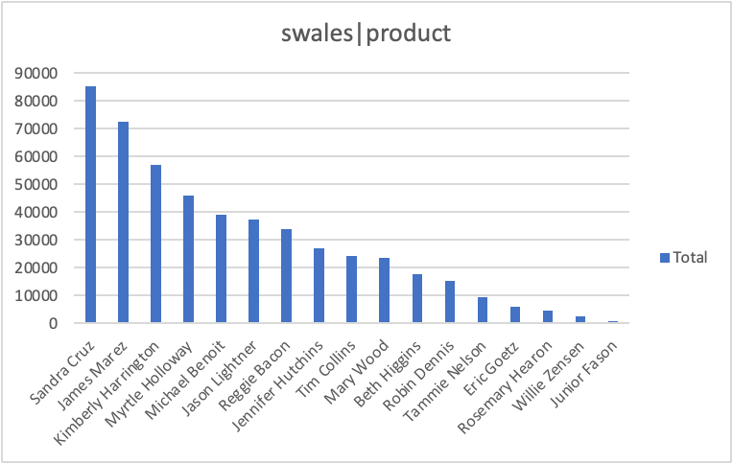
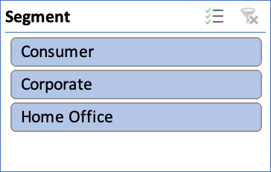
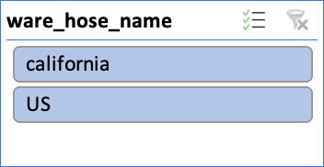
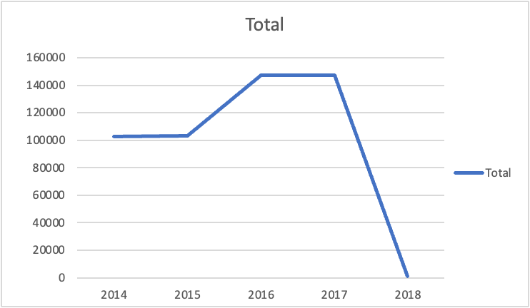
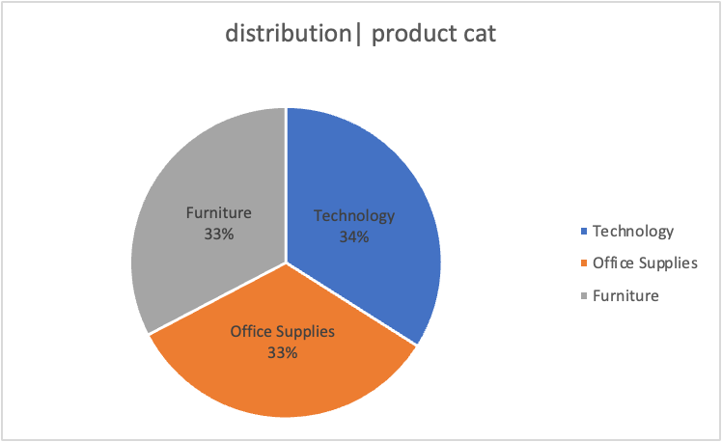
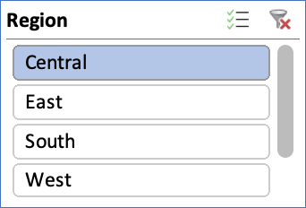
Sales Dashboard

