Plotly
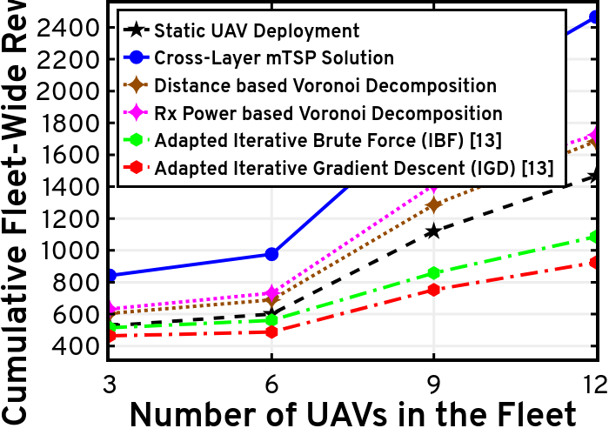
https://plotly.com/~total.academe/177/

