Plotly
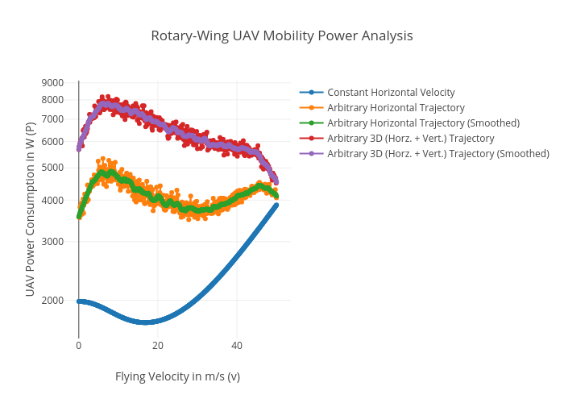
https://plotly.com/~total.academe/226/rotary-wing-uav-mobility-power-analysis/

