Plotly
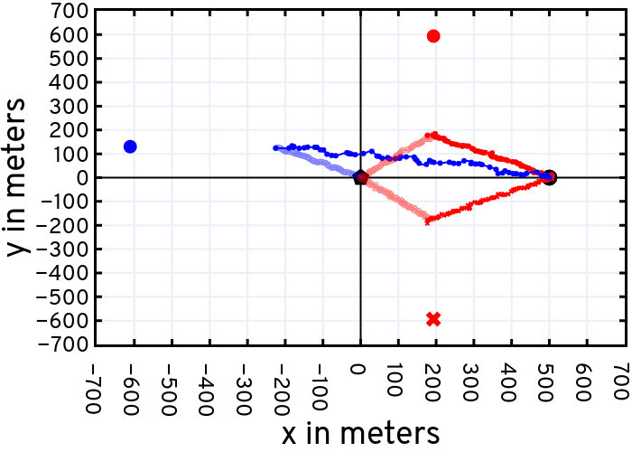
https://plotly.com/~bkeshav1/466/

