Plotly
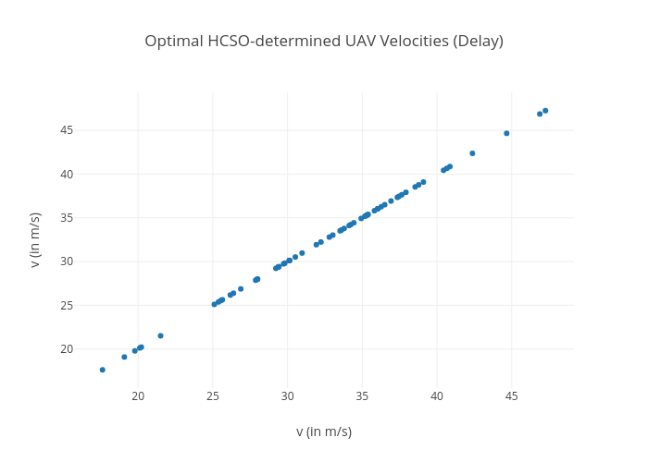
https://plotly.com/~bkeshava_icloud/239/optimal-hcso-determined-uav-velocities-delay/

