Plotly
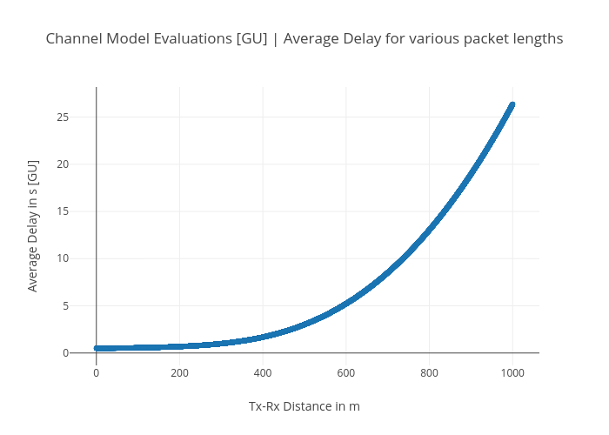
https://plotly.com/~bkeshava_cisco/74/channel-model-evaluations-gu-average-delay-for-various-packet-lengths/

