Plotly
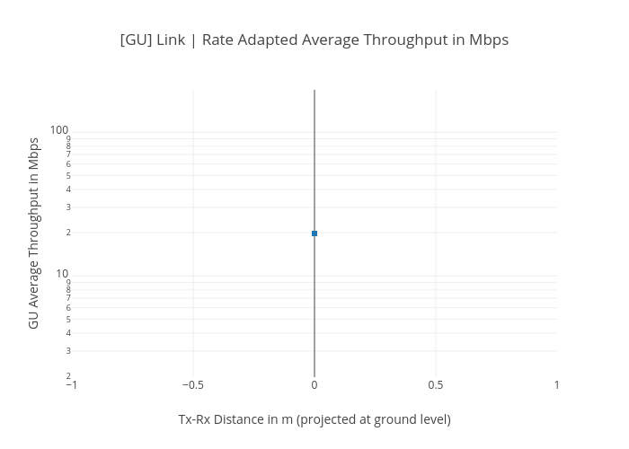
https://plotly.com/~bkeshava/360/gu-link-rate-adapted-average-throughput-in-mbps/

