Plotly
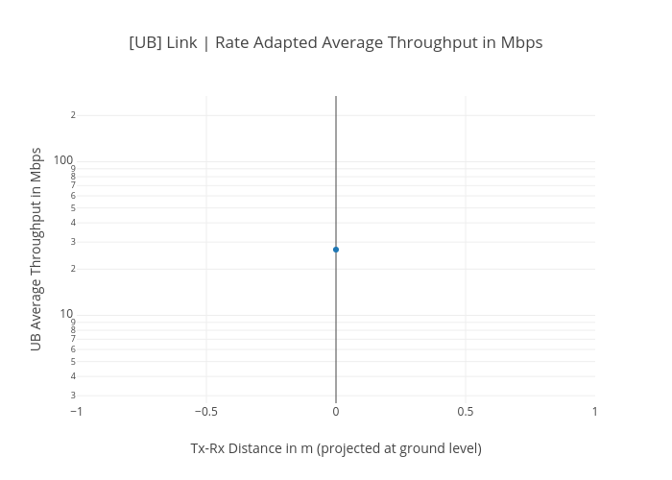
https://plotly.com/~bkeshava/364/ub-link-rate-adapted-average-throughput-in-mbps/

