Plotly
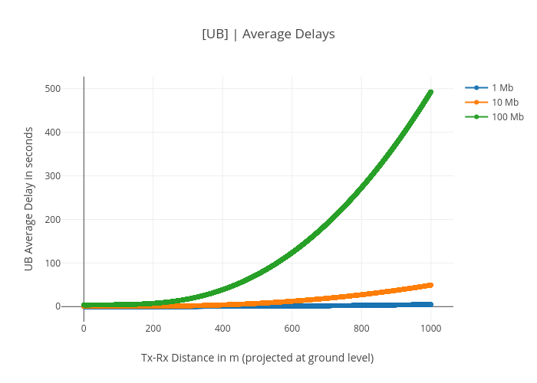
https://plotly.com/~bkeshava/366/ub-average-delays/

