Plotly
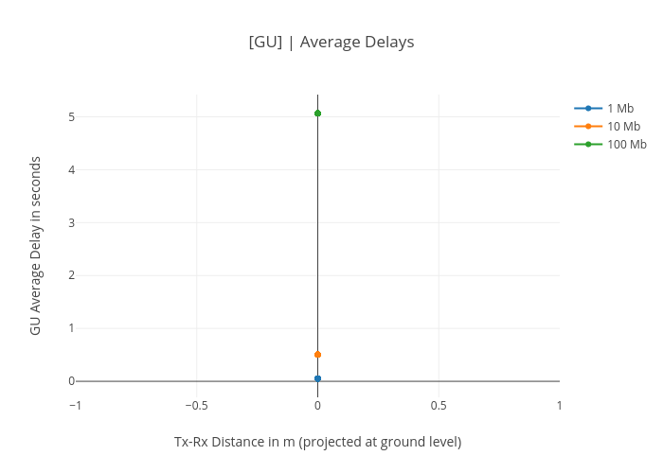
https://plotly.com/~bkeshava/362/gu-average-delays/

