Plotly
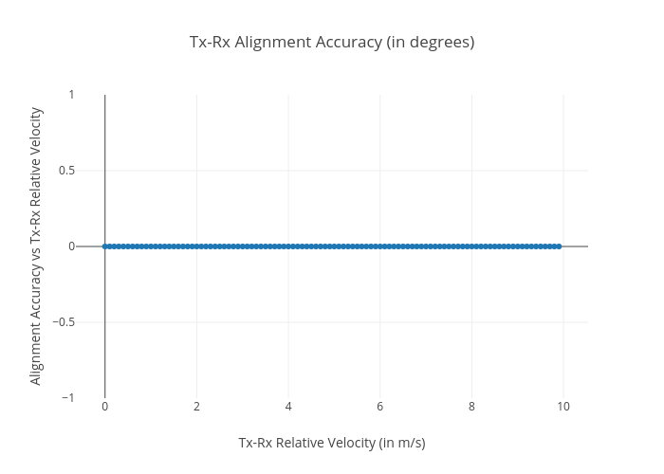
https://plotly.com/~total.academe/160/tx-rx-alignment-accuracy-in-degrees/

