Plotly
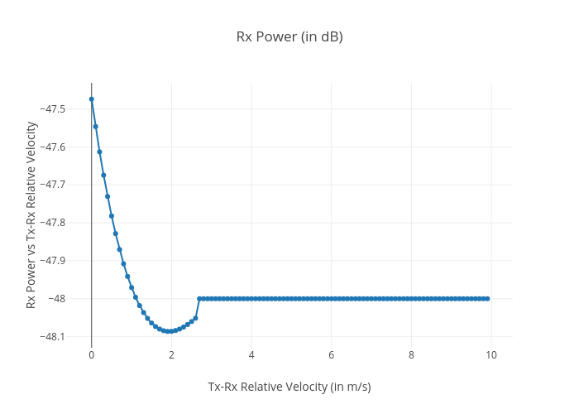
https://plotly.com/~total.academe/144/rx-power-in-db/

