Plotly
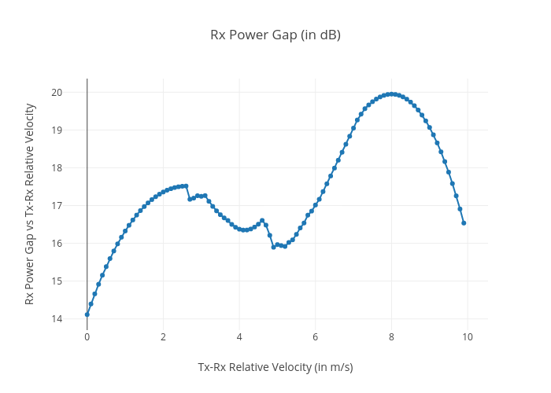
https://plotly.com/~total.academe/170/rx-power-gap-in-db/

