Plotly
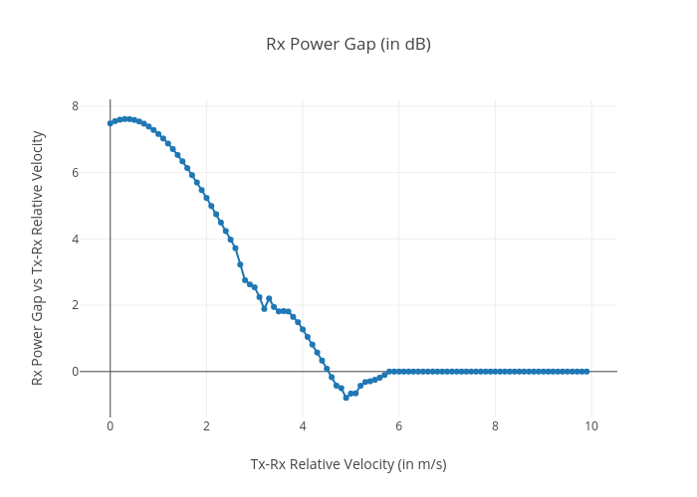
https://plotly.com/~total.academe/164/rx-power-gap-in-db/

