Plotly
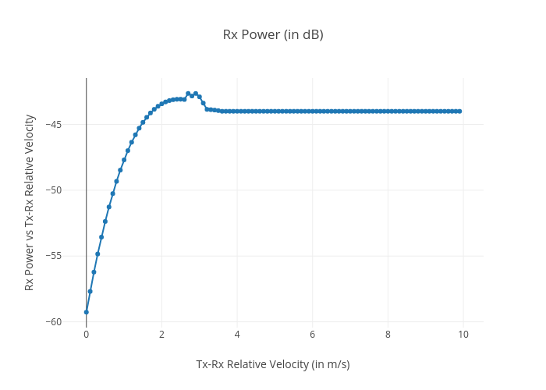
https://plotly.com/~total.academe/150/rx-power-in-db/

