Plotly
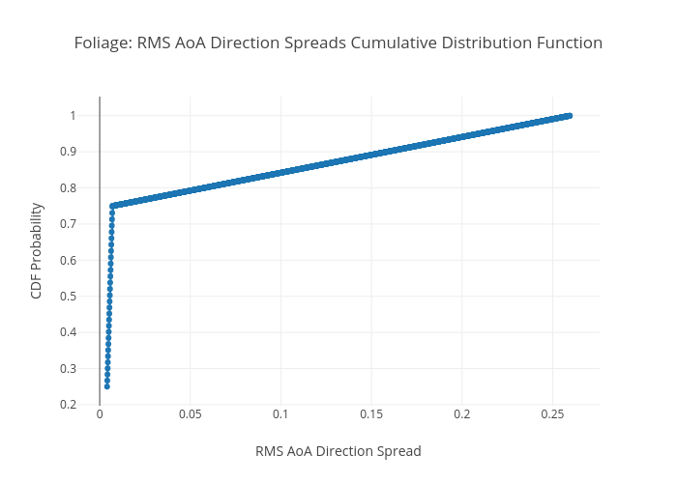
https://plotly.com/~bkeshava/374/foliage-rms-aoa-direction-spreads-cumulative-distribution-function/

