Plotly
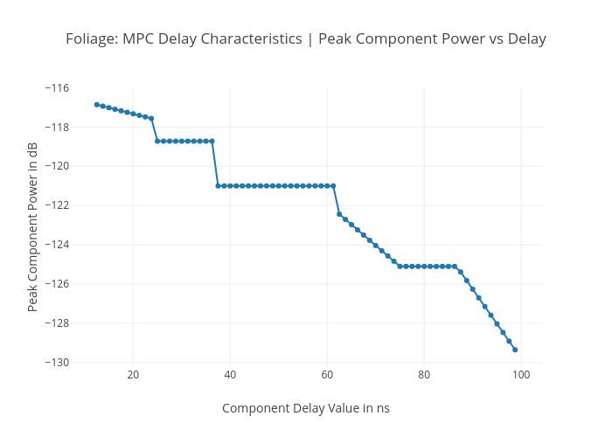
https://plotly.com/~total.academe/392/foliage-mpc-delay-characteristics-peak-component-power-vs-delay/

