Plotly
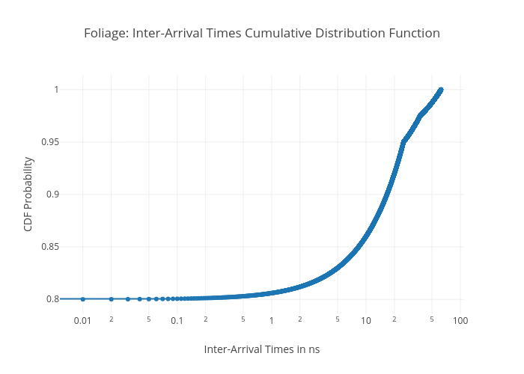
https://plotly.com/~total.academe/346/foliage-inter-arrival-times-cumulative-distribution-function/

