Plotly
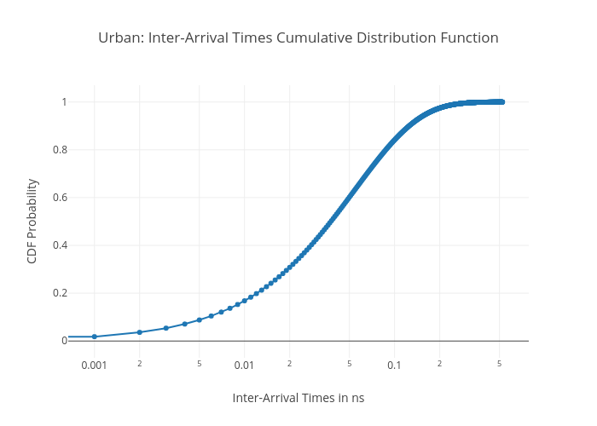
https://plotly.com/~bkeshava/396/urban-inter-arrival-times-cumulative-distribution-function/

