Plotly
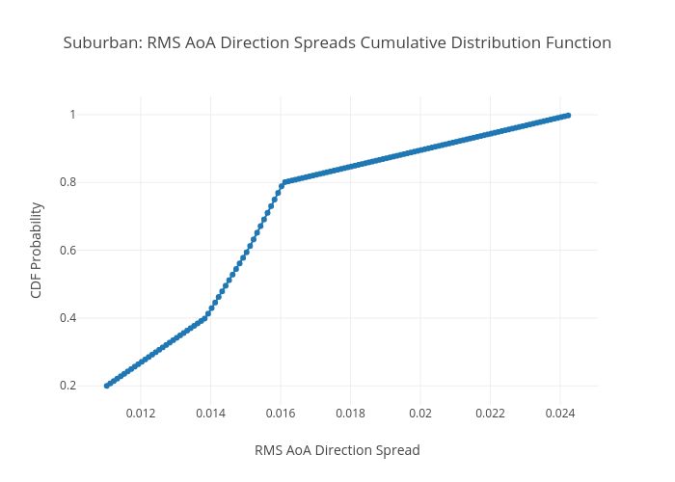
https://plotly.com/~total.academe/336/suburban-rms-aoa-direction-spreads-cumulative-distribution-function/

