Plotly
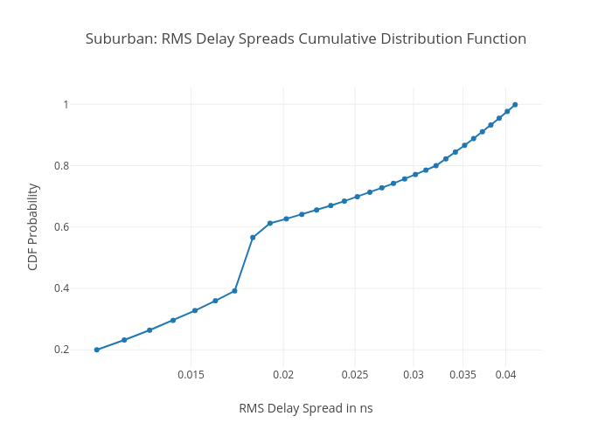
https://plotly.com/~total.academe/334/suburban-rms-delay-spreads-cumulative-distribution-function/

