Plotly
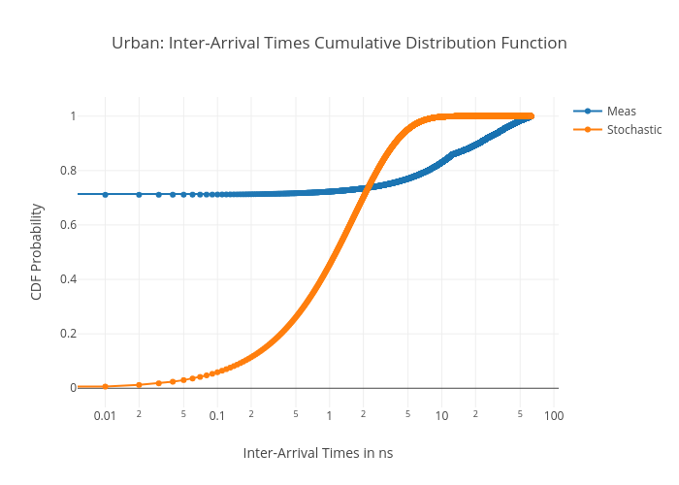
https://plotly.com/~total.academe/322/urban-inter-arrival-times-cumulative-distribution-function/

