Plotly
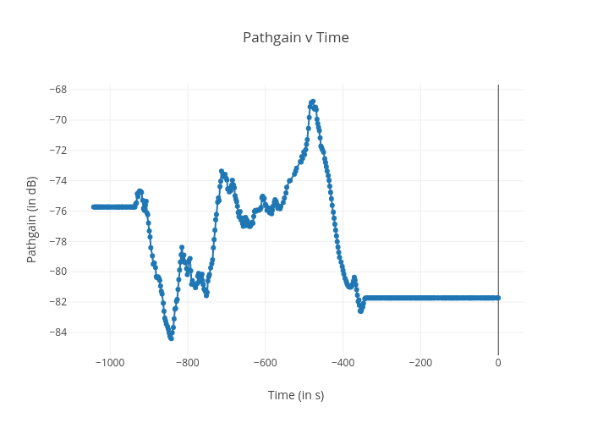
https://plotly.com/~bkeshava_bkeshav1/58/pathgain-v-time/

