Plotly
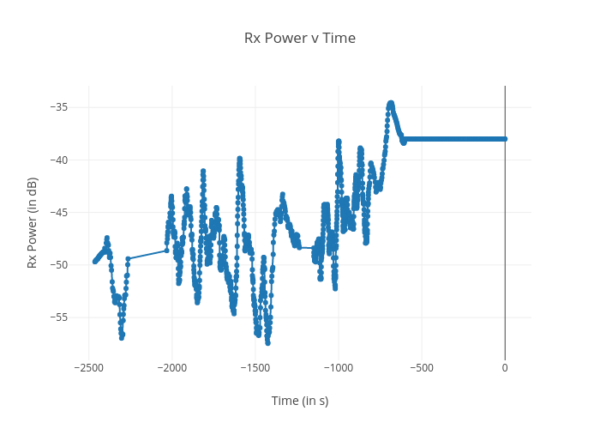
https://plotly.com/~bkeshava_bkeshav1/96/rx-power-v-time/

