Plotly
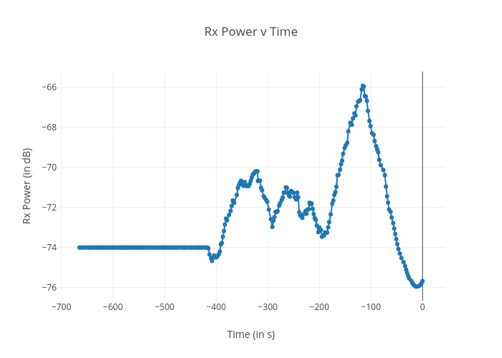
https://plotly.com/~bkeshava_bkeshav1/72/rx-power-v-time/

