Plotly
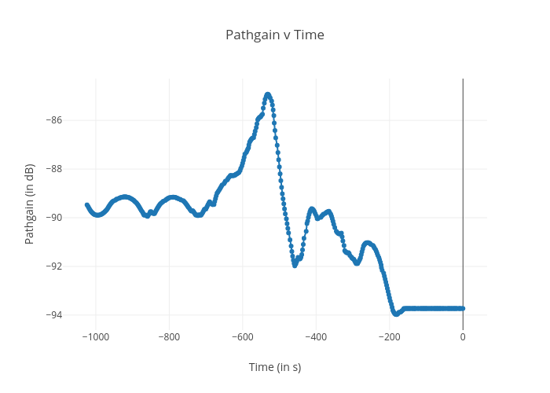
https://plotly.com/~bkeshava_bkeshav1/66/pathgain-v-time/

