Plotly
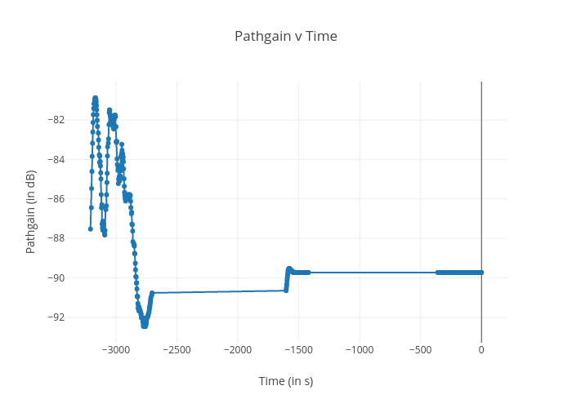
https://plotly.com/~bkeshava_bkeshav1/82/pathgain-v-time/

