Plotly
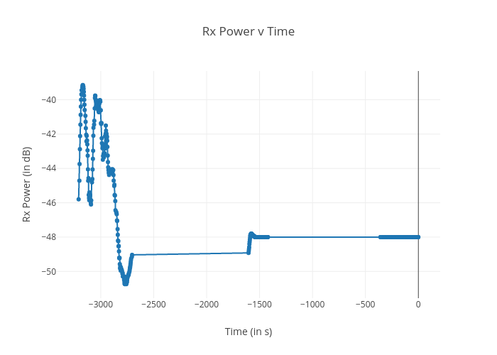
https://plotly.com/~bkeshava_bkeshav1/80/rx-power-v-time/

