Plotly
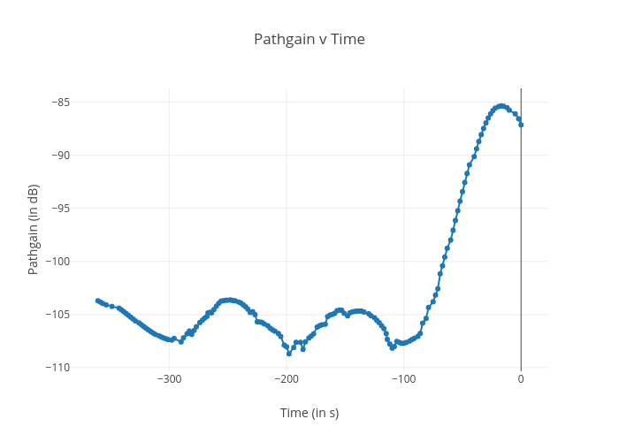
https://plotly.com/~bkeshava_bkeshav1/90/pathgain-v-time/

