Plotly
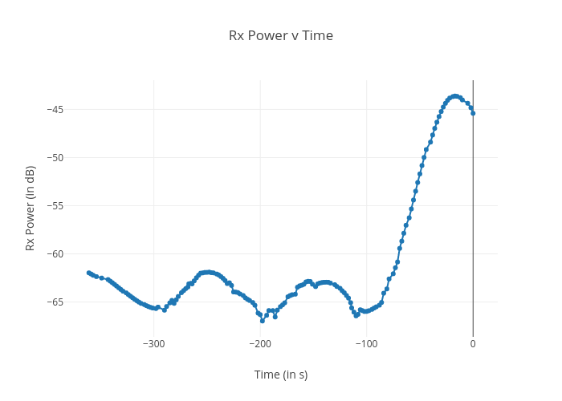
https://plotly.com/~bkeshava_bkeshav1/88/rx-power-v-time/

